Sheet3
Dmart Revenue by product category
Row Labels | Sum of total_price
Fruits | 26197.45
Household | 21615.84
Personal Care | 27050.18
Stationery | 20737.11
Grand Total | 95600.58

Sheet6
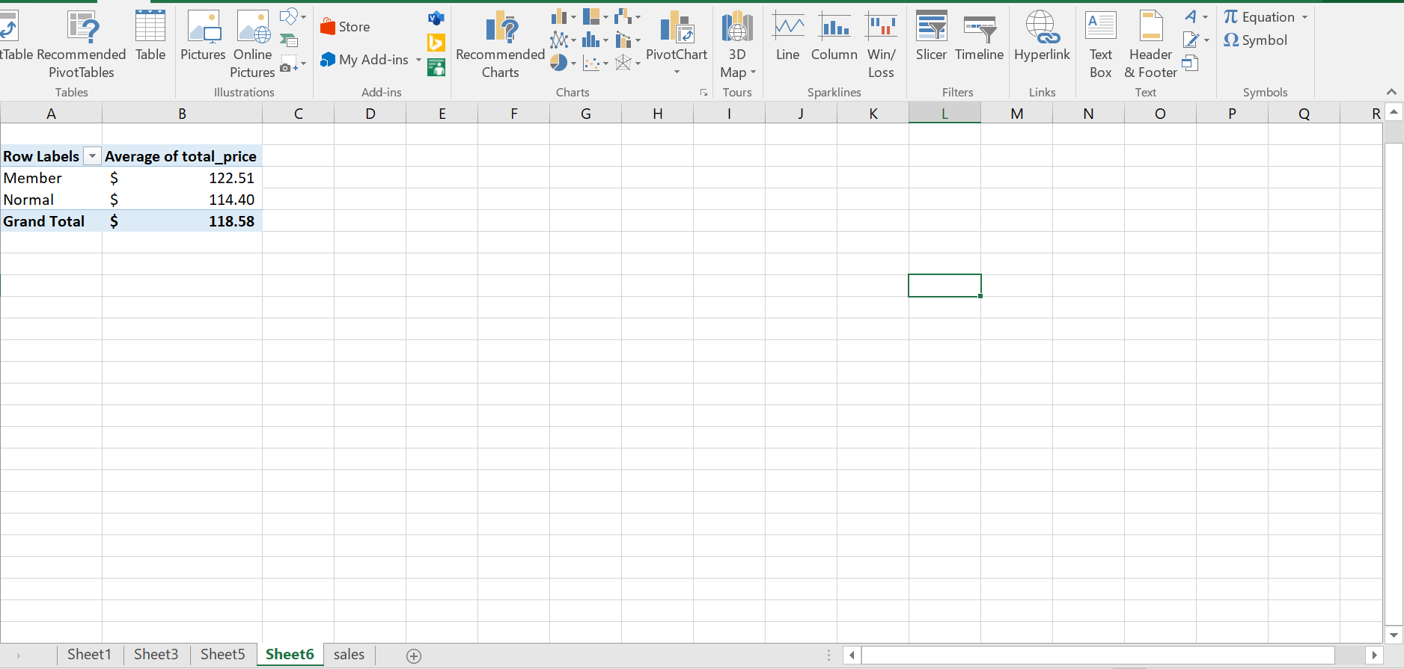
Row Labels | Average of total_price
Member | $122.51
Normal | $114.40
Grand Total | $118.58

