PS Distribution
Title | Authors | Year | Document Type
Stress-testing mqtt brokers: A comparative analysis of performance measurements | Mishra B.; Mishra B.; Kertesz A. | 2021 | Journal
Learning-Based Fuzzing of IoT Message Brokers | Aichernig B.K.; Muskardin E.; Pferscher A. | 2021 | Conference | Conference (36 PSs) | 36 | 76.60
Measuring performance of MQTT v5.0 brokers with MQTTLoader | Banno R.; Ohsawa K.; Kitagawa Y.; Takada T.; Yoshizawa T. | 2021 | Conference | Journal (10 PSs) | 10 | 21.28
Protocol-Based Testing for Unmanned Gasoline Level Monitoring System | Dhiaulhaq F.; Paputungan I.V.; Oktiawati U.Y. | 2021 | Conference | Workshop (1 PSs) | 1 | 2.13
Gotham Testbed: A Reproducible IoT Testbed for Security Experiments and Dataset Generation | Saez-De-Camara X.; Flores J.L.; Arellano C.; Urbieta A.; Zurutuza U. | 2024 | Journal
FUME: Fuzzing Message Queuing Telemetry Transport Brokers | Pearson B.; Zhang Y.; Zou C.; Fu X. | 2022 | Conference

Towards Resilient IoT Messaging: An Experience Report Analyzing MQTT Brokers | Gruener S.; Koziolek H.; Ruckert J. | 2021 | Conference
Beta Hebbian Learning for intrusion detection in networks with MQTT Protocols for IoT devices | Michelena Á.; Ordás M.T.G.; Aveleira-Mata J.; Blanco D.Y.M.D.; Díaz M.T.; Zayas-Gato F.; Jove E.; Casteleiro-Roca J.-L.; Quintián H.; Alaiz-Moretón H.; Calvo-Rolle J.L. | 2024 | Journal
Specification-Based Symbolic Execution for Stateful Network Protocol Implementations in IoT | Tempel S.; Herdt V.; Drechsler R. | 2023 | Journal | Year | Conference | Journal | Workshop
The Study of IoT MQTT Publish Latency | Wang G. | 2021 | Conference | 2010 | 1 | 0 | 0
Towards automated testing of the internet of things: Results obtained with the testar tool | Martínez M.; Esparcia-Alcázar A.I.; Vos T.E.J.; Aho P.; Cors J.F.I. | 2018 | Conference | 2011 | 1 | 0 | 0
IoT-Flock: An Open-source Framework for IoT Traffic Generation | Ghazanfar S.; Hussain F.; Rehman A.U.; Fayyaz U.U.; Shahzad F.; Shah G.A. | 2020 | Conference | 2012 | 1 | 0 | 0
InterOpT: A new testing platform based on oneM2M standards for IoT systems | Demirel S.T.; Demirel M.; Dogru I.; Das R. | 2019 | Conference | 2013 | 2 | 0 | 0
Model-Based Testing for MQTT Applications | Tanabe K.; Tanabe Y.; Hagiya M. | 2020 | Conference | 2014 | 2 | 0 | 0
Performance Analysis of Message Broker for Communication in Fog Computing | Bagaskara A.E.; Setyorini S.; Wardana A.A. | 2020 | Conference | 2015 | 0 | 0 | 0
An Architecture for Automated Security Test Case Generation for MQTT Systems | Sochor H.; Ferrarotti F.; Ramler R. | 2020 | Conference | 2016 | 1 | 0 | 0
Threat Modeling based Penetration Testing: The Open Energy Monitor Case study | Salzillo G.; Rak M.; Moretta F. | 2020 | Conference | 2017 | 3 | 0 | 0
A passive testing approach for protocols in internet of things | Che X.; Maag S. | 2013 | Conference | 2018 | 6 | 1 | 0
F-Interop platform and tools: Validating IoT implementations faster | Palattella M.R.; Sismondi F.; Chang T.; Baron L.; Vučinić M.; Modernell P.; Vilajosana X.; Watteyne T. | 2018 | Conference | 2019 | 3 | 1 | 0
Observing Interoperability of IoT Systems Through Model-Based Testing | Incki K.; Ari I. | 2018 | Conference | 2020 | 8 | 1 | 0
Passive interoperability testing for request-response protocols: Method, tool and application on CoAP protocol | Chen N.; Viho C. | 2012 | Conference | 2021 | 6 | 1 | 0
How fast is MQTT?: Statistical model checking and testing of IoT protocols | Aichernig B.K.; Schumi R. | 2018 | Conference | 2022 | 1 | 0 | 0
IMPLEMENTATION AND TESTING OF WEBSOCKET PROTOCOL IN ESP32 BASED IOT SYSTEMS | Mitrović N.; Ðorđević M.; Veljković S.; Danković D. | 2023 | Journal | 2023 | 0 | 3 | 0
dos/ddos-mqtt-iot: a dataset for evaluating intrusions in iot networks using the mqtt protocol | Alatram, Alaa and Sikos, Leslie F. and Johnstone, Mike and Szewczyk, Patryk and Kang, James Jin | 2023 | Journal | 2024 | 1 | 2 | 1
Performance Evaluation of MQTT Broker Servers | Mishra, B. | 2018 | Conference | 2025 | 0 | 1 | 0
Performance evaluation of IoT protocols under a constrained wireless access network | Chen, Y.; Kunz, T. | 2016 | Conference
A Comparison ofMQTT Brokers for Distributed IoT Edge Computing; | Koziolek, H.; Grüner, S.; Rückert, J. | 2020 | Conference
MQTTSA: A tool for automatically assisting the secure deployments of MQTT brokers | A. Palmieri, P. Prem, S. Ranise, U. Morelli, and T. Ahmad, | 2019 | Conference
Automated security test generation for MQTT using attack patterns | H. Sochor, F. Ferrarotti, and R. Ramler, | 2020 | Conference
AspFuzz: A state-aware protocol fuzzer based on application-layer protocols | T. Kitagawa, M. Hanaoka, and K. Kono, | 2010 | Conference
Performance analysis of restful api and rabbitmq for microservice web application | X. J. Hong, H. S. Yang, and Y. H. Kim, | 2018 | Conference
Modelling and Evaluation of Malicious Attacks against the IoT MQTT Protocol. | S. N. Firdous, Z. Baig, C. Valli, and A. Ibrahim. | 2017 | Conference
Robustest: A framework for automated testing of software robustness داخل مندلی رفرنس درستی نیست | A. Shahrokni and R. Feldt, | 2011 | Conference
Correlation analysis of MQTT loss and delay according to QoS level. | Lee, S., Kim, H., Hong, D., Ju, H. | 2013 | Conference
Model-based testing IoT communication via active automata learning. | Tappler, M., Aichernig, B.K., Bloem, R. | 2017 | Conference
Performance evaluation of MQTT and CoAP via a common middleware. | Thangavel, D., Ma, X., Valera, A.C., Tan, H., Tan, C.K. | 2014 | Conference
MQTT Security: A Novel Fuzzing Approach. | Santiago Hernández Ramos, M. Teresa Villalba, and Raquel Lacuesta. | 2018 | Journal
Towards Improving Fuzzer Efficiency for the MQTT Protocol | L. G. Araujo Rodriguez and D. M. Batista, | 2021 | Conference
Internet of things application layer protocol analysis over error and delay prone links. | Matteo Collina, Marco Bartolucci, Alessandro Vanelli-Coralli, and Gio- vanni Emanuale Corazza. | 2014 | Conference
IoT-Testware - An Eclipse Project | Schieferdecker, Ina and Kretzschmann, Sascha and Rennoch, Axel and Wagner, Michael | 2017 | Conference
Standards-Based IoT Testing with Open-Source Test Equipment | Kaiser, Alexander and Hackel, Sascha | 2019 | Conference
A Benchmarking Tool for Elastic MQTT Brokers in IoT Applications | Linh Manh Pham, Truong-Thang Nguyen, Manh-Dong Tran | 2019 | Journal
Fuzzing attacks for vulnerability discovery within MQTT protocol | Casteur G.; Aubaret A.; Blondeau B.; Clouet V.; Quemat A.; Pical V.; Zitouni R. | 2020 | Conference
Multifuzz: A coverage-based multiparty-protocol fuzzer for IoT publish/subscribe protocols | Zeng Y.; Lin M.; Guo S.; Shen Y.; Cui T.; Wu T.; Zheng Q.; Wang Q. | 2020 | Journal
chathttpfuzz: large language model-assisted iot http fuzzing | Yang Z.; Peng H.; Jiang Y.; Li X.; Du H.; Wang S.; Liu J. | 2025 | Journal
utilizing generative ai for test data generation - use-cases for iot and 5g core signaling | Tothfalusi T.; Csiszar Z.; Varga P. | 2024 | Workshop
testing iot protocol requirements using fuzzing and symbolic execution: application to coap | Asadian H.; Fiter«éu-Bro≈ütean P.; Jonsson B.; Sagonas K. | 2024 | Conference

Author Country
Paper | Author | Affiliations | Country |  | Country | Papers | Authors
1 | Mishra, Biswajeeban (57202137322); | Department of Software Engineering, University of Szeged, 6720 Szeged, Hungary | Hungary | Hungary | Montenegro | 1 | 1
 | Mishra, Biswaranjan (57630210400); | Wind River Systems International, 19/1, Vittal Mallya Road, 1st Floor, Bengaluru 560001, India | India | India | Luxembourg | 1 | 1
 | Kertesz, Attila (23392379200) | Department of Software Engineering, University of Szeged, 6720 Szeged, Hungary | Hungary |  | India | 1 | 1
2 | Aichernig, Bernhard K. (8696540300); | Institute of Software Technology Graz University of Technology Graz, Austria | Austria | Austria | Greece | 1 | 1
 | Muskardin, Edi (57205550041); | Institute of Software Technology Graz University of Technology Graz, Austria | Austria |  | Netherlands | 1 | 2
 |  | TU Graz - SAL DES Lab Silicon Austria Labs Graz, Austria | Austria |  | Singapore | 1 | 2
 | Pferscher, Andrea (57218596816) | Institute of Software Technology Graz University of Technology Graz, Austria | Austria |  | Canada | 1 | 2
3 | Banno, Ryohei (43661112800); | Kogakuin University, Tokyo, JAPAN | JAPAN | Japan | Brazil | 1 | 2
 | Ohsawa, Koki (57222517949); | Kogakuin University, Tokyo, JAPAN | JAPAN |  | Vietnam | 1 | 3
 | Kitagawa, Yusuke (58589294800); | Kogakuin University, Tokyo, JAPAN | JAPAN |  | Serbia | 1 | 4
 | Takada, Takumu (57222518050); | Kogakuin University, Tokyo, JAPAN | JAPAN |  | Pakistan | 1 | 6
 | Yoshizawa, Toshinori (57222517708) | Kogakuin University, Tokyo, JAPAN | JAPAN |  | Indonesia | 2 | 6
4 | Dhiaulhaq, Faiz (57221289114); | Electrical and Informatics Engineering Department, Vocational College, Universitas Gadjah Mada Yogyakarta, Indonesia | Indonesia | Indonesia | Turkey | 2 | 6
 | Paputungan, Irving V (24734216700); | Informatics Department, Faculty of Industrial Technology, Universitas Islam Indonesia Yogyakarta, Indonesia | Indonesia |  | South Korea | 2 | 7
 | Oktiawati, Unan Y (24829506500) | Electrical and Informatics Engineering Department, Vocational College, Universitas Gadjah Mada Yogyakarta, Indonesia | Indonesia |  | Sweden | 2 | 6
5 | Saez-De-Camara, Xabier (57833607800); | Ikerlan Technology Research Centre, Basque Research and Technology Alliance (BRTA), Arrasate-Mondragon, Spain | Spain | Spain | Australia | 2 | 8
 |  | Mondragon Unibertsitatea, Arrasate-Mondragon, Spain | Spain |  | Hungary | 3 | 5
 | Flores, Jose Luis (57203394051); | Ikerlan Technology Research Centre, Basque Research and Technology Alliance (BRTA), Arrasate-Mondragón, Spain | Spain |  | USA | 3 | 7
 | Arellano, Cristobal (25824745800); | Ikerlan Technology Research Centre, Basque Research and Technology Alliance (BRTA), Arrasate-Mondragón, Spain | Spain |  | Japan | 3 | 11
 | Urbieta, Aitor (24832431600); | Ikerlan Technology Research Centre, Basque Research and Technology Alliance (BRTA), Arrasate-Mondragón, Spain | Spain |  | Italy | 3 | 12
 | Zurutuza, Urko (24512512800) | Mondragon Unibertsitatea, Arrasate-Mondragón, Spain | Spain |  | China | 3 | 16
6 | Pearson, Bryan (57193883054); | Dept. of Computer Science, University of Central Florida, USA | USA | USA | France | 4 | 15
 | Zhang, Yue (57224594329); | Dept. of Computer Science, Jinan University | China | China | Austria | 5 | 10
 | Zou, Cliff (9436219300); | Dept. of Computer Science, University of Central Florida, USA | USA |  | Germany | 5 | 12
 | Fu, Xinwen (7402205144) | Dept. of Computer Science, University of Massachusetts Lowell, MA, USA; | USA |  | Spain | 5 | 25
7 | Gruener, Sten (57211157714); | ABB Corporate Research Ladenburg, Germany | Germany | Germany
 | Koziolek, Heiko (55884029900); | ABB Corporate Research Ladenburg, Germany | Germany
 | Ruckert, Julius (35321563000) | ABB Corporate Research Ladenburg, Germany | Germany
8 | Michelena, Álvaro (57485070100); | Department ofIndustrial Engineering, University ofA Coruña, CTC, CITIC, 15403 Ferrol, A Coruña, Spain | Spain | Spain
 | Ordás, María Teresa García (57274917700); | Department ofElectrical and Systems Engineering, University ofLeón, 24007 León, Spain | Spain
 | Aveleira-Mata, José (57208737040); | Department ofElectrical and Systems Engineering, University ofLeón, 24007 León, Spain | Spain
 | Blanco, David Yeregui Marcos Del (57275059200); | Department ofMechanic Engineering, Computer and Aerospacial Sciences, University ofLeón, 24007 León, Spain | Spain
 | Díaz, Míriam Timiraos (58593161900); | Department ofIndustrial Engineering, University of A Coruña, CTC, CITIC, 15403 Ferrol, A Coruña, Spain | Spain
 | Zayas-Gato, Francisco (57218687062); | Department ofIndustrial Engineering, University ofA Coruña, CTC, CITIC, 15403 Ferrol, A Coruña, Spain | Spain
 | Jove, Esteban (56333449000); | Department ofIndustrial Engineering, University ofA Coruña, CTC, CITIC, 15403 Ferrol, A Coruña, Spain | Spain
 | Casteleiro-Roca, José-Luis (55645192300); | Department ofIndustrial Engineering, University ofA Coruña, CTC, CITIC, 15403 Ferrol, A Coruña, Spain | Spain
 | Quintián, Héctor (55336870700); | Department ofIndustrial Engineering, University ofA Coruña, CTC, CITIC, 15403 Ferrol, A Coruña, Spain. | Spain
 | Alaiz-Moretón, Héctor (35408799400); | Department ofElectrical and Systems Engineering, University ofLeón, 24007 León, Spain. | Spain
 | Calvo-Rolle, José Luis (6504155621) | Department ofIndustrial Engineering, University ofA Coruña, CTC, CITIC, 15403 Ferrol, A Coruña, Spain. | Spain
9 | Tempel, Sören (57219506474); | Institute of Computer Science, University of Bremen, 28359 Bremen, Germany | Germany | Germany
 | Herdt, Vladimir (55787072000); | Institute of Computer Science, University of Bremen, 28359 Bremen, Germany | Germany
 |  | Cyber-Physical Systems, DFKI GmbH, 28359 Bremen, Germany | Germany
 | Drechsler, Rolf (55172914000) | Institute of Computer Science, University of Bremen, 28359 Bremen, Germany | Germany
 |  | Cyber-Physical Systems, DFKI GmbH, 28359 Bremen, Germany | Germany
10 | Wang, Guoping (55738585700) | Department of Electrical and Computer Engineering Purdue University Fort Wayne 2101 E. Coliseum Blvd. Fort Wayne, IN 46805, USA | USA | USA
11 | Martínez, Mirella (57191694159); | Universidad Politecnica de Valencia, Valencia, Spain | Spain | Spain
 | Esparcia-Alcázar, Anna I. (6506045663); | Universidad Politecnica de Valencia, Valencia, Spain | Spain
 | Vos, Tanja E. J. (8980537100); | Open University, Heerlen, The Netherlands | Netherlands | Netherlands
 |  | Universidad Politecnica de Valencia, Valencia, Spain | Spain
 | Aho, Pekka (35188652400); | Open University, Heerlen, The Netherlands | Netherlands
 | Cors, Joan Fons I. (57221847630) | Universidad Politecnica de Valencia, Valencia, Spain | Spain
12 | Ghazanfar, Syed (57221632086); | Al-Khawarizmi Institute of Computer Science (KICS), Lahore, Pakistan; | Pakistan | Pakistan
 | Hussain, Faisal (57214034473); | Al-Khawarizmi Institute of Computer Science (KICS), Lahore, Pakistan; | Pakistan
 | Rehman, Atiq Ur (57220736804); | Al-Khawarizmi Institute of Computer Science (KICS), Lahore, Pakistan; | Pakistan
 | Fayyaz, Ubaid U. (55979096700); | Al-Khawarizmi Institute of Computer Science (KICS), Lahore, Pakistan; | Pakistan
 | Shahzad, Farrukh (57213080222); | Al-Khawarizmi Institute of Computer Science (KICS), Lahore, Pakistan; | Pakistan
 | Shah, Ghalib A. (14042806500) | Al-Khawarizmi Institute of Computer Science (KICS), Lahore, Pakistan; | Pakistan
13 | Demirel, Senay Tuna (57192075248); | NETAS Telecommunication A.S., Kurtkoy, Istanbul, Turkey | Turkey | Turkey
 | Demirel, Mehmet (57212106176); | NETAS Telecommunication A.S., Kurtkoy, Istanbul, Turkey | Turkey
 | Dogru, Ibrahim (26421178600); | NETAS Telecommunication A.S., Kurtkoy, Istanbul, Turkey | Turkey
 | Das, Resul (24450038800) | Firat University, Faculty of Technology, Department of Software Engineering, Elazig, 23119, Turkey | Turkey
14 | Tanabe, Kotaro (58765974800); | University of Tokyo, Tokyo, Japan | Japan | Japan
 | Tanabe, Yoshinori (23010649800); | Tsurumi University, Yokohama, Japan, | Japan
 |  | National Institute of Informatics, Tokyo, Japan | Japan
 | Hagiya, Masami (7006475909) | University of Tokyo, Tokyo, Japan | Japan
15 | Bagaskara, Aditya Eka (57221287064); | Telkom University, School of Computing, Bandung, Indonesia | Indonesia | Indonesia
 | Setyorini, Setyorini (58937184900); | Telkom University, School of Computing, Bandung, Indonesia | Indonesia
 | Wardana, Aulia Arif (57203123755) | Telkom University, School of Computing, Bandung, Indonesia | Indonesia
16 | Sochor, Hannes (57212480417); | Software Competence Center Hagenberg, Softwarepark 21, Hagenberg, 4232, Austria | Austria | Austria
 | Ferrarotti, Flavio (14029653300); | Software Competence Center Hagenberg, Softwarepark 21, Hagenberg, 4232, Austria | Austria
 | Ramler, Rudolf (23095597800) | Software Competence Center Hagenberg, Softwarepark 21, Hagenberg, 4232, Austria | Austria
17 | Salzillo, Giovanni (57216809717); | University of Campania Luigi, Vanvitelli, Italy | Italy | Italy
 | Rak, Massimiliano (8966231800); | University of Campania Luigi, Vanvitelli, Italy | Italy
 | Moretta, Felice (57221942309) | University of Campania Luigi, Vanvitelli, Italy | Italy
18 | Che, Xiaoping (56446366000); | CNRS UMR 5157 Samovar, Institut Mines-Telecom, Telecom SudParis, Evry, France | France | France
 | Maag, Stephane (55917333100) | CNRS UMR 5157 Samovar, Institut Mines-Telecom, Telecom SudParis, Evry, France | France
19 | Palattella, Maria Rita (25929498000); | Luxembourg Institute of Science and Technology, Esch-sur-Alzette, Luxembourg | Luxembourg | Luxembourg
 | Sismondi, Federico (57193353250); | IRISA, Campus de Beaulieu, Rennes, France | France | France
 | Chang, Tengfei (55968529600); | Inria, Paris, France; | France
 | Baron, Loic (56003322500); | Sorbonne Université, LIP6, Paris, France | France
 | Vučinić, Mališa (55372543400); | University of Montenegro, Podgorica, Montenegro | Montenegro | Montenegro
 | Modernell, Pablo (57189237733); | Universitat Oberta de Catalunya, Barcelona, Spain | Spain | Spain
 | Vilajosana, Xavier (16176331000); | Universitat Oberta de Catalunya, Barcelona, Spain | Spain
 | Watteyne, Thomas (23567415000) | Inria, Paris, France | France
20 | Incki, Koray (55370286900); | Department of Computer Science, Özyeğin University, Istanbul, Turkey | Turkey | Turkey
 | Ari, Ismail (24341015700) | Department of Computer Science, Özyeğin University, Istanbul, Turkey | Turkey
21 | Chen, Nanxing (55502115300); | IRISA, University of Rennes 1, Campus de Beaulieu, 35042 Rennes Cedex, Avenue du Général Leclerc, France | France | France
 | Viho, César (8888332100) | IRISA, University of Rennes 1, Campus de Beaulieu, 35042 Rennes Cedex, Avenue du Général Leclerc, France | France
22 | Bernhard K. Aichernig, | Institute of Software Technology, Graz University of Technology, Graz, Austria | Austria | Austria
 | Robert Schumi | Institute of Software Technology, Graz University of Technology, Graz, Austria | Austria
23 | Mitrović, Nikola (57217465423); | Department of Microelectronics, University of Niš, Faculty of Electronic Engineering, Aleksandra Medvedeva 14, Niš, 18000, Serbia | Serbia | Serbia
 | Ðorđević, Milan (59125434300); | College of Applied Technical Sciences in Niš, Serbia | Serbia
 | Veljković, Sandra (56257769300); | Department of Microelectronics, University of Niš, Faculty of Electronic Engineering, Aleksandra Medvedeva 14, Niš, 18000, Serbia | Serbia
 | Danković, Danijel (8542881100) | Department of Microelectronics, University of Niš, Faculty of Electronic Engineering, Aleksandra Medvedeva 14, Niš, 18000, Serbia | Serbia
24 | Alatram, Alaa (58285144600); | Edith Cowan University, WA, Australia | Australia | Australia
 | Sikos, Leslie F. (26653771300); | Edith Cowan University, WA, Australia | Australia
 | Johnstone, Mike (55628590916); | Edith Cowan University, WA, Australia | Australia
 | Szewczyk, Patryk (36683098900); | Edith Cowan University, WA, Australia | Australia
 | Kang, James Jin (56727031400) | Edith Cowan University, WA, Australia | Australia
25 | Mishra, Biswajeeban (57202137322) | Department of Software Engineering, Dugonicster 13, Szeged, 6720, Hungary | Hungary | Hungary
26 | Chen, Yuang (57190586001); | Department of Biology, Queens University, Kingston, Canada | Canada | Canada
 | Kunz, Thomas (35242606500) | Department of Systems and Computer Engineering, Carleton University, Ottawa, | Canada
27 | Gruener, Sten ; | ABB Corporate Research Center Germany, Ladenburg, Germany | Germany | Germany
 | Koziolek, Heiko; | ABB Corporate Research Center Germany, Ladenburg, Germany | Germany
 | Ruckert, Julius | ABB Corporate Research Center Germany, Ladenburg, Germany | Germany
28 | Palmieri, Andrea (57211142438); | EIT Digital Master School, Trento, Italy | Italy | Italy
 | Prem, Paolo (57211141251); | EIT Digital Master School, Trento, Italy | Italy
 | Ranise, Silvio (6603468509); | Security and Trust, Fondazione Bruno Kessler, Trento, Italy | Italy
 | Morelli, Umberto (57194326005); | Security and Trust, Fondazione Bruno Kessler, Trento, Italy | Italy
 | Ahmad, Tahir (57202773113) | Security and Trust, Fondazione Bruno Kessler, Trento, Italy | Italy
 |  | DIBRIS, University of Genova, Italy | Italy
29 | Sochor, Hannes (57212480417); | Software Competence Center, Hagenberg GmbH (SCCH), Hagenberg, Austria | Austria | Austria
 | Ferrarotti, Flavio (14029653300); | Software Competence Center, Hagenberg GmbH (SCCH), Hagenberg, Austria | Austria
 | Ramler, Rudolf (23095597800) | Software Competence Center, Hagenberg GmbH (SCCH), Hagenberg, Austria | Austria
30 | Kitagawa, Takahisa (36470256700); | Department of Information and Computer Science, Keio University, kohoku-Ku, Yokohama, 3-14-1 Hiyoshi, Japan | Japan | Japan
 | Hanaoka, Miyuki (24478608800); | Department of Information and Computer Science, Keio University, kohoku-Ku, Yokohama, 3-14-1 Hiyoshi, Japan | Japan
 | Kono, Kenji (55389386800) | Department of Information and Computer Science, Keio University, kohoku-Ku, Yokohama, 3-14-1 Hiyoshi, Japan | Japan
 |  | CREST/JST, Kohoku-Ku, Yokohama, 3-14-1 Hiyoshi, Japan | Japan
31 | Hong, Xian Jun (57205302008); | School of Electronic Engineering, Soongsil University, Seoul, South Korea | South Korea | South Korea
 | Sik Yang, Hyun (57205297208); | School of Electronic Engineering, Soongsil University, Seoul, South Korea | South Korea
 | Kim, Young Han (56812550600) | School of Electronic Engineering, Soongsil University, Seoul, South Korea | South Korea
32 | Firdous, Syed Naeem (57195356507); | Security Research Institute, School of Science, Edith Cowan University, Australia | Australia | Australia
 | Baig, Zubair (14008320400); | Security Research Institute, School of Science, Edith Cowan University, Australia | Australia
 | Valli, Craig (7003263986); | Security Research Institute, School of Science, Edith Cowan University, Australia | Australia
 | Ibrahim, Ahmed (55613229690) | Security Research Institute, School of Science, Edith Cowan University, Australia | Australia
33 | Shahrokni, Ali (57217723461); | Department of Computer Science and Engineering, Chalmers University of Technology, Gothenburg, Sweden | Sweden | Sweden
 | Feldt, Robert (24476388300) | Department of Computer Science and Engineering, Chalmers University of Technology, Gothenburg, Sweden | Sweden
34 | Lee, Shinho (55662819500); | Dept. of Computer Engineering, Keimyung University, Daegu, South Korea | South Korea | South Korea
 | Kim, Hyeonwoo (7410135143); | Dept. of Computer Engineering, Keimyung University, Daegu, South Korea | South Korea
 | Hong, Dong-Kweon (7201841522); | Dept. of Computer Engineering, Keimyung University, Daegu, South Korea | South Korea
 | Ju, Hongtaek (36742429400) | Dept. of Computer Engineering, Keimyung University, Daegu, South Korea | South Korea
35 | Tappler, Martin (57188583327); | Institute of Software Technology, Graz University of Technology, Austria | Austria | Austria
 | Aichernig, Bernhard K. (8696540300); | Institute of Software Technology, Graz University of Technology, Austria | Austria
 | Bloem, Roderick (8938408400) | Institute of Applied Information Processing and Communications, Graz University of Technology, Austria | Austria
36 | Thangavel, Dinesh (57193649981); | Faculty of Engineering, National University of Singapore, Singapore | Singapore | Singapore
 | Ma, Xiaoping (56245366900); | Sense and Sense-Abilities, Institute for Infocomm Research, United States | USA | USA
 | Valera, Alvin (8087790000); | Sense and Sense-Abilities, Institute for Infocomm Research, United States | USA
 | Tan, Hwee-Xian (13806299800); | Sense and Sense-Abilities, Institute for Infocomm Research, United States | USA
 | Tan, Colin Keng-Yan (24558308000) | School of Computing, National University of Singapore, Singapore | Singapore
37 | Hernández Ramos, Santiago (57201267711); | Telefónica Digital, Madrid, Spain | Spain | Spain
 | Villalba, M. Teresa (35093515100); | Universidad Europea de Madrid, Madrid, Spain | Spain
 | Lacuesta, Raquel (35092517700) | Universidad de Zaragoza, Teruel, Spain | Spain
38 | Araujo Rodriguez, Luis Gustavo (57194784107); | University of São Paulo, Department of Computer Science, São Paulo, Brazil | Brazil | Brazil
 | Batista, Daniel MacEdo (22733809600) | University of São Paulo, Department of Computer Science, São Paulo, Brazil | Brazil
39 | Collina, Matteo (55546036500); | University of Bologna, Italy; | Italy | Italy
 | Bartolucci, Marco (55864430400); | University of Bologna, Italy; | Italy
 | Vanelli-Coralli, Alessandro (6603207358); | University of Bologna, Italy; | Italy
 | Corazza, Giovanni Emanuale (7102210554) | University of Bologna, Italy; | Italy
40 | Schieferdecker, Ina (57030660000); | TU Berlin, Fraunhofer FOKUS, Kaiserin-Augusta-Allee 31, Berlin, 10589, Germany | Germany | Germany
 | Kretzschmann, Sascha (57195643966); | TU Berlin, Fraunhofer FOKUS, Kaiserin-Augusta-Allee 31, Berlin, 10589, Germany | Germany
 | Rennoch, Axel (14056880300); | TU Berlin, Fraunhofer FOKUS, Kaiserin-Augusta-Allee 31, Berlin, 10589, Germany | Germany
 | Wagner, Michael (58389838200) | TU Berlin, Fraunhofer FOKUS, Kaiserin-Augusta-Allee 31, Berlin, 10589, Germany | Germany
41 | Kaiser, Alexander (57211424522); | Relayr GmbH Berlin, Germany | Germany | Germany
 | Hackel, Sascha (25825141500) | Relayr GmbH Berlin, Germany | Germany
42 | Linh Manh Pham, | Faculty of Information Technology, VNU University of Engineering and Technology, Vietnam National University, Hanoi, Vietnam | Vietnam | Vietnam
 | Truong-Thang Nguyen, | Faculty of Information Technology, VNU University of Engineering and Technology, Vietnam National University, Hanoi, Vietnam | Vietnam
 | Manh-Dong Tran | Faculty of Information Technology, VNU University of Engineering and Technology, Vietnam National University, Hanoi, Vietnam | Vietnam
43 | Casteur, G. (57218581358); | ECE Paris Research Lab, 37 Quai de Grenelle, 75015 Paris, France | France | France
 | Aubaret, A. (57218585889); | ECE Paris Research Lab, 37 Quai de Grenelle, 75015 Paris, France | France
 | Blondeau, B. (57218585927); | ECE Paris Research Lab, 37 Quai de Grenelle, 75015 Paris, France | France
 | Clouet, V. (57218582842); | ECE Paris Research Lab, 37 Quai de Grenelle, 75015 Paris, France | France
 | Quemat, A. (57218581858); | ECE Paris Research Lab, 37 Quai de Grenelle, 75015 Paris, France | France
 | Pical, V. (57218580250); | ECE Paris Research Lab, 37 Quai de Grenelle, 75015 Paris, France | France
 | Zitouni, R. (49865158500) | ECE Paris Research Lab, 37 Quai de Grenelle, 75015 Paris, France | France
44 | Zeng, Yingpei (24484287200); | School of Cyberspace, Hangzhou Dianzi University, Hangzhou 310000, China; | China | China
 |  | State Key Laboratory for Novel Software Technology, Nanjing University, Nanjing 210000, China | China
 | Lin, Mingmin (57218876278); | School of Cyberspace, Hangzhou Dianzi University, Hangzhou 310000, China; | China
 | Guo, Shanqing (24482911000); | School of Cyber Science and Technology, Shandong University, Jinan 250000, China; | China
 | Shen, Yanzhao (57218879150); | School of Cyberspace, Hangzhou Dianzi University, Hangzhou 310000, China; | China
 |  | Science and Technology on Communication Security Laboratory, Chengdu 610041, China | China
 | Cui, Tingting (56471265600); | School of Cyberspace, Hangzhou Dianzi University, Hangzhou 310000, China; | China
 | Wu, Ting (55476633000); | School of Cyberspace, Hangzhou Dianzi University, Hangzhou 310000, China; | China
 |  | Hangzhou Innovation Institute, Beihang University, Hangzhou 310000, China | China
 | Zheng, Qiuhua (8837471100); | School of Cyberspace, Hangzhou Dianzi University, Hangzhou 310000, China; | China
 | Wang, Qiuhua (36621459300) | School of Cyberspace, Hangzhou Dianzi University, Hangzhou 310000, China; | China
 | Yang, Zhe (59457678400); | School of Cyber Science and Technology, Beihang University, Beijing, 100191, China; | China | China
 | Peng, Hao (57190014707); | School of Cyber Science and Technology, Beihang University, Beijing, 100191, China; | China
 | Jiang, Yanling (58967177600); | School of Cyber Science and Technology, Beihang University, Beijing, 100191, China; | China
 | Li, Xingwei (59458176500); | Information Engineering University, Henan, Zhengzhou, 10587, China; | China
 | Du, Haohua (57191849952); | School of Cyber Science and Technology, Beihang University, Beijing, 100191, China; | China
 | Wang, Shuhai (56223761400); | College of Information Science and Technology, Shijiazhuang Tiedao University, Hebei, Shijiazhuang, 050043, China | China
 | Liu, Jianwei (55682417200) | School of Cyber Science and Technology, Beihang University, Beijing, 100191, China; | China
46 | Tothfalusi, Tamas (56878988000); | AITIA International Inc., Telecoms Division, Budapest, H-1039, Hungary; | Hungary | Hungary
 |  | Budapest University Oi Tecinology and Economics, Department of Telecommunications and Artificial Intelligence, Budapest, H-1111, Hungary; | Hungary
 | Csiszar, Zoltan (58768952400); | Budapest University Oi Tecinology and Economics, Department of Telecommunications and Artificial Intelligence, Budapest, H-1111, Hungary; | Hungary
 | Varga, Pal (8562009900) | AITIA International Inc., Industrial IoT Division, Budapest, H-1039, Hungary | Hungary
47 | Asadian, Hooman (57777408600); | Uppsala University, Department of Information Technology, Uppsala, Sweden; | Sweden | Sweden
 | Fiter«éu-Bro≈ütean, Paul (56352349900); | Uppsala University, Department of Information Technology, Uppsala, Sweden; | Sweden | Greece
 | Jonsson, Bengt (57195650652); | Uppsala University, Department of Information Technology, Uppsala, Sweden; | Sweden
 | Sagonas, Konstantinos (6701321340) | Uppsala University, Department of Information Technology, Uppsala, Sweden; | Sweden
 |  | National Technical University of Athens, School of Electrical and Computer Engineering, Athens, Greece | Greece

Keywords
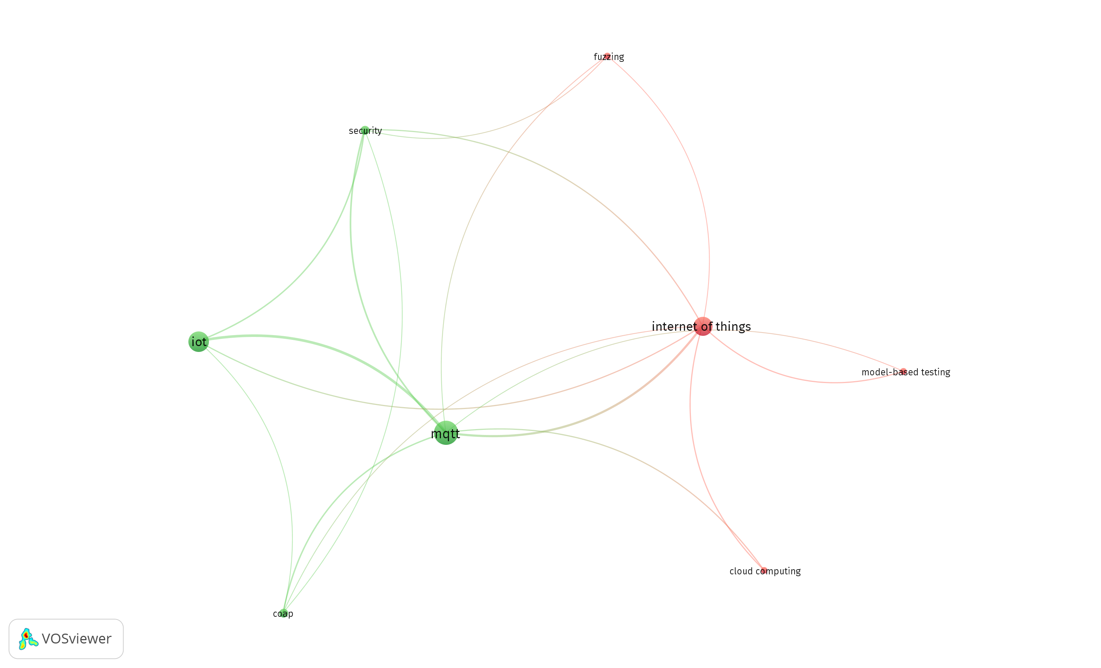
Code | Title | Author Keywords
PS1 | Stress-testing mqtt brokers: A comparative analysis of performance measurements | Internet of Things | - | Messaging protocol | MQTT | MQTT brokers | Performance evaluation | Stress testing |  |  |  |  | KW - Internet of Things | KW - Messaging protocol | KW - MQTT | KW - MQTT brokers | KW - Performance evaluation | KW - Stress testing
PS2 | Learning-Based Fuzzing of IoT Message Brokers | active automata learning | - | conformance testing | IoT | model inference | MQTT | stateful fuzzing |  |  |  |  | KW - active automata learning | KW - conformance testing | KW - IoT | KW - model inference | KW - MQTT | KW - stateful fuzzing
PS3 | Measuring performance of MQTT v5.0 brokers with MQTTLoader | IoT | - | Load testing | MQTT | Publish/subscribe |  |  |  |  |  |  | KW - IoT | KW - Load testing | KW - MQTT | KW - Publish/subscribe
PS4 | Protocol-Based Testing for Unmanned Gasoline Level Monitoring System | Arduino | - | IoT | Monitoring | Protocol | QoS |  |  |  |  |  | KW - Arduino | KW - IoT | KW - Monitoring | KW - Protocol | KW - QoS
PS5 | Gotham Testbed: A Reproducible IoT Testbed for Security Experiments and Dataset Generation | Botnet | - | emulation | Internet of Things | machine learning | network security | testbed |  |  |  |  | KW - Botnet | KW - emulation | KW - Internet of Things | KW - machine learning | KW - network security | KW - testbed
PS6 | FUME: Fuzzing Message Queuing Telemetry Transport Brokers |  | -
PS7 | Towards Resilient IoT Messaging: An Experience Report Analyzing MQTT Brokers | Availability | - | Docker | Kubernetes | Message Brokers | Message-oriented Middleware | Resilience | Software Architecture |  |  |  | KW - Availability | KW - Docker | KW - Kubernetes | KW - Message Brokers | KW - Message-oriented Middleware | KW - Resilience | KW - Software Architecture
PS8 | Beta Hebbian Learning for intrusion detection in networks with MQTT Protocols for IoT devices | Beta Hebbian Learning | - | cyberattack | IoT | ISOMAP | MQTT | t-SNE |  |  |  |  | KW - Beta Hebbian Learning | KW - cyberattack | KW - IoT | KW - ISOMAP | KW - MQTT | KW - t-SNE
PS9 | Specification-Based Symbolic Execution for Stateful Network Protocol Implementations in IoT | Constrained networking | - | Internet of Things | network protocols | software testing | symbolic execution |  |  |  |  |  | KW - Constrained networking | KW - Internet of Things | KW - network protocols | KW - software testing | KW - symbolic execution
PS10 | The Study of IoT MQTT Publish Latency | IoT | - | Latency | MQTT |  |  |  |  |  |  |  | KW - IoT | KW - Latency | KW - MQTT
PS11 | Towards automated testing of the internet of things: Results obtained with the testar tool | Automated testing | - | Internet of Things | IoT |  |  |  |  |  |  |  | KW - Automated testing | KW - Internet of Things | KW - IoT
PS12 | IoT-Flock: An Open-source Framework for IoT Traffic Generation | Intrusion Detection System | - | IoT Flock | IoT Security | IoT Traffic Generator | IoT Use Case | Traffic Generator |  |  |  |  | KW - Intrusion Detection System | KW - IoT Flock | KW - IoT Security | KW - IoT Traffic Generator | KW - IoT Use Case | KW - Traffic Generator
PS13 | InterOpT: A new testing platform based on oneM2M standards for IoT systems | CoAP | - | ETSI | IoT test platform | M2M | MQTT | OneM2M |  |  |  |  | KW - CoAP | KW - ETSI | KW - IoT test platform | KW - M2M | KW - MQTT | KW - OneM2M
PS14 | Model-Based Testing for MQTT Applications |  | -
PS15 | Performance Analysis of Message Broker for Communication in Fog Computing | Cloud Computing | - | Fog Computing | Kafka | Message Broker | RabbitMQ |  |  |  |  |  | KW - Cloud Computing | KW - Fog Computing | KW - Kafka | KW - Message Broker | KW - RabbitMQ
PS16 | An Architecture for Automated Security Test Case Generation for MQTT Systems | Automated testing | - | IoT | MQTT | Security testing |  |  |  |  |  |  | KW - Automated testing | KW - IoT | KW - MQTT | KW - Security testing
PS17 | Threat Modeling based Penetration Testing: The Open Energy Monitor Case study | Attack Pattern | - | Internet of Things | IoT | MQTT | Penetration Testing | Security | Threat Model |  |  |  | KW - Attack Pattern | KW - Internet of Things | KW - IoT | KW - MQTT | KW - Penetration Testing | KW - Security | KW - Threat Model
PS18 | A passive testing approach for protocols in internet of things | Formal methods | - | Internet of things | Passive testing | XMPP |  |  |  |  |  |  | KW - Formal methods | KW - Internet of things | KW - Passive testing | KW - XMPP
PS19 | F-Interop platform and tools: Validating IoT implementations faster | Interoperability | - | IoT | Online tools | Standardization |  |  |  |  |  |  | KW - Interoperability | KW - IoT | KW - Online tools | KW - Standardization
PS20 | Observing Interoperability of IoT Systems Through Model-Based Testing | Complex-event processing | - | Constrained-Application Protocol | Internet of Things | Model-based testing | Runtime verification |  |  |  |  |  | KW - Complex-event processing | KW - Constrained-Application Protocol | KW - Internet of Things | KW - Model-based testing | KW - Runtime verification
PS21 | Passive interoperability testing for request-response protocols: Method, tool and application on CoAP protocol | CoAP | - | Interoperability Testing | Passive Testing | Request-Response Protocol |  |  |  |  |  |  | KW - CoAP | KW - Interoperability Testing | KW - Passive Testing | KW - Request-Response Protocol
PS22 | How Fast Is MQTT? | Statistical model checking | - | Model-based testing |  |  |  |  |  |  |  |  | KW - Statistical model checking | KW - Model-based testing
PS23 | IMPLEMENTATION AND TESTING OF WEBSOCKET PROTOCOL IN ESP32 BASED IOT SYSTEMS | ESP32 | - | Espruino | Internet of Things | JavaScript | WebSockets |  |  |  |  |  | KW - ESP32 | KW - Espruino | KW - Internet of Things | KW - JavaScript | KW - WebSockets
PS24 | DoS/DDoS-MQTT-IoT: A dataset for evaluating intrusions in IoT networks using the MQTT protocol | Cybersecurity Dataset | - | DDoS | DoS | IoT | Machine learning | MQTT |  |  |  |  | KW - Cybersecurity Dataset | KW - DDoS | KW - DoS | KW - IoT | KW - Machine learning | KW - MQTT
PS25 | Performance evaluation of MQTT broker servers | Cloud computing | - | Internet of things | MQTT | MQTT brokers |  |  |  |  |  |  | KW - Cloud computing | KW - Internet of things | KW - MQTT | KW - MQTT brokers
PS26 | Performance evaluation of IoT protocols under a constrained wireless access network | CoAP | - | Constrained Wireless Access Network | DDS | Internet of Things | Medical Applications | MQTT | Protocols |  |  |  | KW - CoAP | KW - Constrained Wireless Access Network | KW - DDS | KW - Internet of Things | KW - Medical Applications | KW - MQTT | KW - Protocols
PS27 | A Comparison of MQTT Brokers for Distributed IoT Edge Computing | IoT | - | MQTT | Distributed messaging | Edge computing |  |  |  |  |  |  | KW - IoT | KW - MQTT | KW -Distributed messaging | KW - Edge computing
PS28 | MQTTSA: A tool for automatically assisting the secure deployments of MQTT brokers | Mitigations | - | MQTT broker | Vulnerabilities |  |  |  |  |  |  |  | KW - Mitigations | KW - MQTT broker | KW - Vulnerabilities
PS29 | Automated security test generation for MQTT using attack patterns | attack patterns | - | Fuzz testing | MQTT | Security testing | Test automation | Test case generation |  |  |  |  | KW - attack patterns | KW - Fuzz testing | KW - MQTT | KW - Security testing | KW - Test automation | KW - Test case generation
PS30 | AspFuzz: A state-aware protocol fuzzer based on application-layer protocols | Fuzzing | - | Software vulnerability testing |  |  |  |  |  |  |  |  | KW - Fuzzing | KW - Software vulnerability testing
PS31 | Performance Analysis of RESTful API and RabbitMQ for Microservice Web Application | AMQP | - | Microservice | RESTful API |  |  |  |  |  |  |  | KW - AMQP | KW - Microservice | KW - RESTful API
PS32 | Modelling and evaluation of malicious attacks against the IoT MQTT protocol | IoT | - | MQTT | Security | Threat Modelling |  |  |  |  |  |  | KW - IoT | KW - MQTT | KW - Security | KW - Threat Modelling
PS33 | RobusTest: A framework for automated testing of software robustness | Property based testing | - | Real time systems | Robustness | Temporal property | Testing | Timing |  |  |  |  | KW - Property based testing | KW - Real time systems | KW - Robustness | KW - Temporal property | KW - Testing | KW - Timing
PS34 | Correlation analysis of MQTT loss and delay according to QoS level | Broker server | - | MQTT | Publish | Subscribe |  |  |  |  |  |  | KW - Broker server | KW - MQTT | KW - Publish | KW - Subscribe
PS35 | Model-Based Testing IoT Communication via Active Automata Learning | Automata learning | - | Internet of things | Model inference | Model-based testing | MQTT |  |  |  |  |  | KW - Automata learning | KW - Internet of things | KW - Model inference | KW - Model-based testing | KW - MQTT
PS36 | Performance evaluation of MQTT and CoAP via a common middleware |  | -
PS37 | MQTT Security: A Novel Fuzzing Approach |  | -
PS38 | Towards Improving Fuzzer Efficiency for the MQTT Protocol | Fuzzing | - | Grammar | Internet of Things | MQTT | Security | Software Vulnerability Testing |  |  |  |  | KW - Fuzzing | KW - Grammar | KW - Internet of Things | KW - MQTT | KW - Security | KW - Software Vulnerability Testing
PS39 | Internet of Things application layer protocol analysis over error and delay prone links |  | -
PS40 | IoT-testware - An eclipse project | Eclipse | - | IoT | Open Source | Testing | TTCN-3 |  |  |  |  |  | KW - Eclipse | KW - IoT | KW - Open Source | KW - Testing | KW - TTCN-3
PS41 | Standards-Based IoT Testing with Open-Source Test Equipment | IoT | - | Open Source | Protocol Conformance | Protocol Security | Standardization |  |  |  |  |  | KW - IoT | KW - Open Source | KW - Protocol Conformance | KW - Protocol Security | KW - Standardization
PS42 | A Benchmarking Tool for Elastic MQTT Brokers in IoT Applications | Benchmarking | - | MQTT | Cloud Computing | Internet of Things |  |  |  |  |  |  | KW - Benchmarking | KW - MQTT | KW - Cloud Computing | KW - Internet of Things
PS43 | Fuzzing attacks for vulnerability discovery within MQTT protocol | Containerization | - | Docker | Fuzzing | IoT Security | MQTT Protocol |  |  |  |  |  | KW - Containerization | KW - Docker | KW - Fuzzing | KW - IoT Security | KW - MQTT Protocol
PS44 | Multifuzz: A coverage-based multiparty-protocol fuzzer for IoT publish/subscribe protocols | CoAP | - | Coverage-based fuzzing | Desock | IoT | MQTT | Multiparty-protocol fuzzer | Network protocol | Preeny | Publish/subscribe | Security | KW - CoAP | KW - Coverage-based fuzzing | KW - Desock | KW - IoT | KW - MQTT | KW - Multiparty-protocol fuzzer | KW - Network protocol | KW - Preeny | KW - Publish/subscribe | KW - Security

Threshold: 1
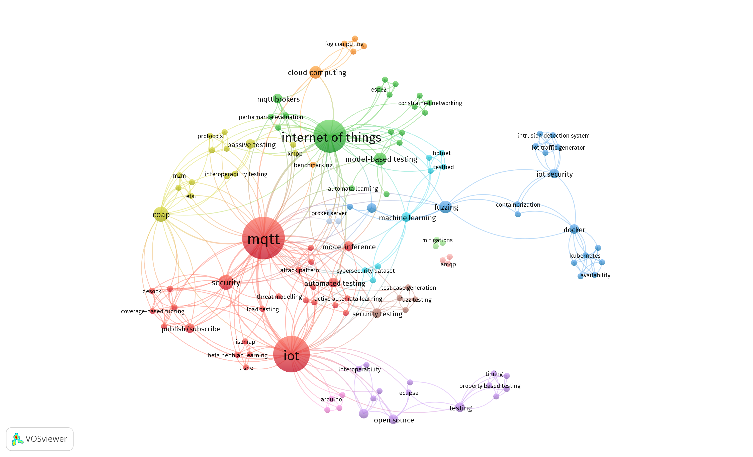

Threshold: 2

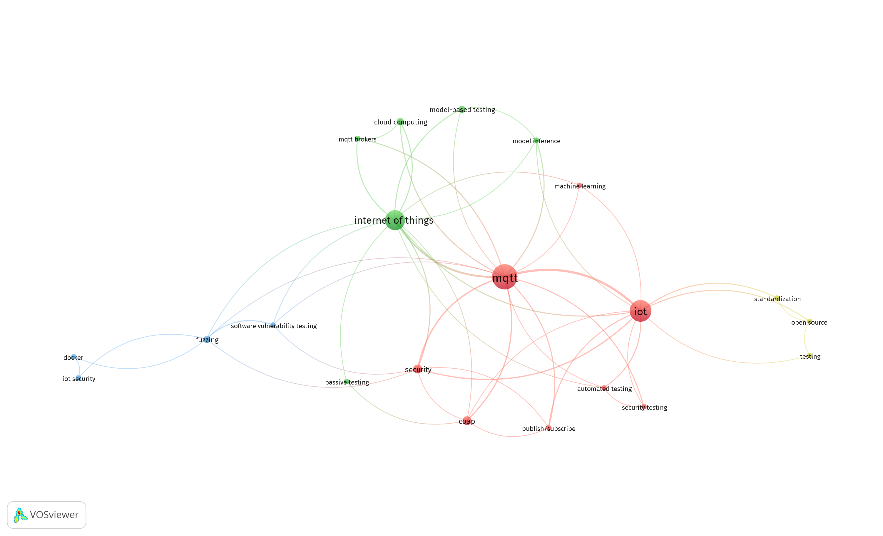

Threshold: 3

