Sheet1
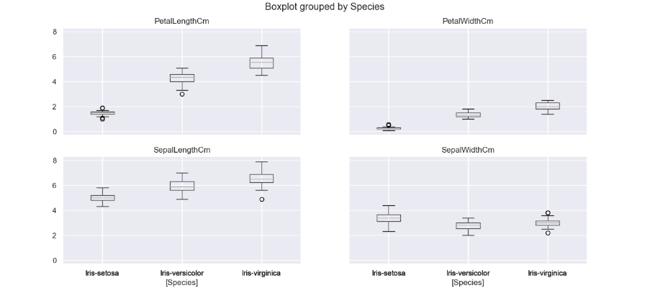
 | BOX PLOT

PETAL LENGTH--Iris Setosa:
Values are sparsely distributed in the dataset
outliers are as well present in the dataset at the beginning as well as the end.

PETAL LENGTH--Iris Versicolor:
outliers present at the start of the data

PETAL LENGTH--Iris Virginica:
Compared to Iris Setosa and Iris Versicolor data is more widely distributed
and without outliers

SEPAL LENGTH
for this set of data we can see just Iris Virginica with an outlier
Values in this group are much higher as denoted from the
minimum value for each characteristics

PETAL WIDTH
We can see Iris-Setosa with values very sparsely distributed

SEPAL WIDTH
Outliers present in Iris virginica

