Sheet1
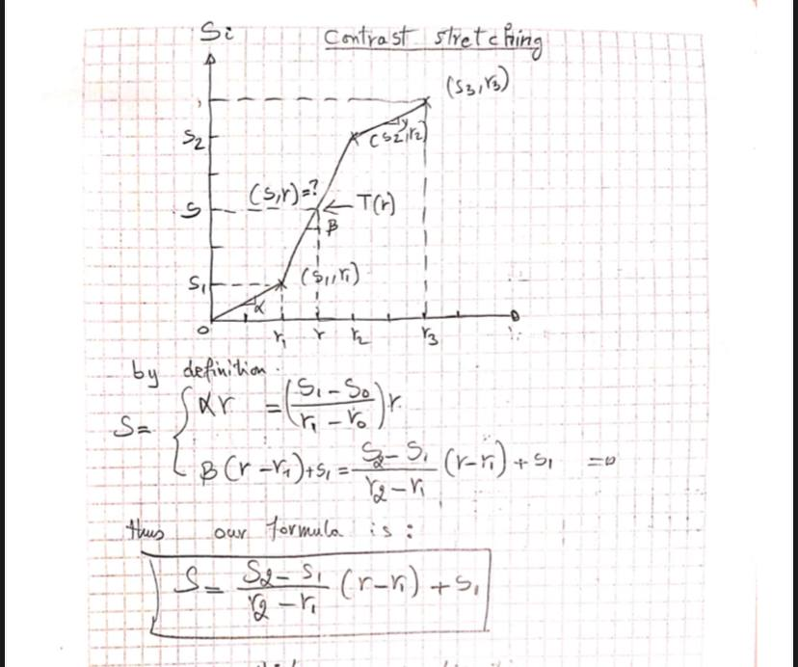
PR(RK)
sk
 |  |  |  |  |  | SK
Rk | Nk | mn | pr(rk)=nk/mn | tam değer | S0 | 0.98
0 | 564 | 4096 | 0.1376953125 | 0.14 | s1 | 1.575
1 | 342 | 4096 | 0.08349609375 | 0.085 | S2 | 1.995
2 | 234 | 4096 | 0.05712890625 | 0.06 | S3 | 2.065
3 | 381 | 4096 | 0.093017578125 | 0.01 | S4 | 2.905
4 | 511 | 4096 | 0.12475585938 | 0.12 | S5 | 3.255
5 | 209 | 4096 | 0.051025390625 | 0.05 | S6 | 4.655
6 | 821 | 4096 | 0.20043945312 | 0.2 | S7 | 6.405
7 | 1034 | 4096 | 0.25244140625 | 0.25

