1. Title Page
[Instacart Basket Analysis]

Project Name: Instacart Basket Analysis
Date: May 7, 2024
Analyst Name: Maryna Botas

Contents:
Population Flow
Consistency checks
Wrangling steps
Column derivations
Visualizations
Recommendations

Data sources:
“The Instacart Online Grocery Shopping Dataset 2017”, Accessed from www.instacart.com/datasets/grocery-shopping-2017 via Kaggle on April 2024.
The customer data and price column were both created for the purpose of the CareerFoundry Data Analytics course.

2. Population Flow
Title page

Population flow

Exclusion flag
Condition: max_order < 5
Obervations to be removed: 1440295
Final total count of order_products_all: 32404859

32434489
206209
3421083
49693

32434489
206209

Orders_products_combined
Orders_products_merged
Orders_products_all

Total:
Total:
32434489
32404859
Total:
32404859

1.) The grey boxes in the first row of the population flow represent the original data sets as they were when you downloaded them. In the Total fields you need to add the count of the rows when you imported the data set into Jupyter.
2.) The second row of boxes (coloured) represents the data sets after you manipulated them, e.g., removed missing values and duplicates. In the Total fields you need to add the count of the rows after conducting these operations. This offers a visual oveview of how the data flows throughout the data consistency checks.
3.) The third row, where also the arrows are coloured, represents the merges you performed between the datasets. In the Total fields you need to add the count of the rows in the merged datasets, so that you end up with the final dataset (in the red box). Keep in mind the final dataset should be without exclusions (based on the exclusion flag).

3. Consistency checks
 |  |  |  | Title page
Consistency checks

Dataset | Missing values | Missing values treatment | Duplicates
orders | no missing values |  | no duplicates
products | product_name, 16 records | Remove the records with missing values. There is no other way to address them. | 5 duplicates
orders_products_merged | prices, 2 records with obviously wrong meaning flagged as missing | 5,127 rows with outlier observations (prices greater than 100) marked as missing values
customers | no missing values |  | no duplicates

4. Wrangling steps
 |  |  |  | Title page
Wrangling steps

Columns dropped | Columns renamed | Columns' type changed | Comment/Reason
eval_set |  |  | For our analysis it was not useful
 | order_dow: 'order_day_of_week' |  | The name 'order_day_of_week' is easier to understand
 |  | orders_id | String data type is preferred to id variables
 |  | user_id | String data type is preferred to id variables
 | First Name': 'first_name' |  | In order of column naming consistency
 | Surnam': 'surname' |  | In order of column naming consistency
 | Gender': 'gender' |  | In order of column naming consistency
 | STATE': 'state' |  | In order of column naming consistency
 | Age': 'age' |  | In order of column naming consistency
 | n_dependants': 'number_dependants' |  | The name 'number_dependants' is easier to understand
 | fam_status':'marital_status' |  | The name 'marital_status' is clearer as to the meaning of the data.
first_name |  |  | Removed because they contain personally identifiable information
surname |  |  | Removed because they contain personally identifiable information

5. Column derivations
 |  |  |  | Title page

Column derivations and aggregations

In this tab you should add tables below that the frequences of flags/label variables that you produced after deriving them. NB: don't do this for continuous variables, only for flags.
Dataset | New column | Column/s it was derived from | Conditions
orders_products_merged | price_range_loc | prices | price <= 'Low-Range product price > 5 'Mid-range product' price > 15 'High-range product' else 'Not enough data'
orders_products_merged | busiest_day | orders_day_of_week | if Saturday (0), then busiest day if Wednesday (4), then least busy else, then regularly busy
orders_products_merged | busiest_days | orders_day_of_week | if 0 (Saturday) or 1 (Sunday), then busiest days if 3 (Tuesday) or 4 (Wednesday), then slowest days else then regularly busy days
orders_products_merged | busiest_period_of_day | order_hour_of_day | if in range (9,16), then Most orders if in range (0,8), then Fewest orders else, then Average orders
orders_products_merged_derived | max_order | user_id and order_number | counts the total amount of orders by user
orders_products_merged_derived | loyalty_flag | max_order | if more than 40 orders, then loyal customer if less than 40 but more than 10, then regular customer if less than 10 orders, then new customer
orders_products_merged_derived | spending | user_id and prices | calculates the average price spent per order by user
orders_products_merged_derived | spending_flag | spending | if average spend is less than 10, then low spender if average spend is higher than 10, then high spender
orders_products_merged_derived | ordering_behavior | user_id and days_since_prior_order | calculates the median days since users last order
orders_products_merged_derived | order_freq_flag | ordering_behavior | if last order is greater than 20, then non-frequent customer if last order is less than 20 but greater than 10, then regular customer if last order is less than 10, then frequent customer
ords_prods_all | region | state | if state is 'Maine', 'New Hampshire', 'Vermont', 'Massachusetts', 'Rhode Island', 'Connecticut', 'New York', 'Pennsylvania', 'New Jersey', then region is 'Northeast' if state is 'Wisconsin', 'Michigan', 'Illinois', 'Indiana', 'Ohio', 'North Dakota', 'South Dakota', 'Nebraska', 'Kansas', 'Minnesota', 'Iowa', 'Missouri', then region is 'Midwest' if state is 'Delaware', 'Maryland', 'District of Columbia', 'Virginia', 'West Virginia', 'North Carolina', 'South Carolina', 'Georgia', 'Florida', 'Kentucky', 'Tennessee', 'Mississippi', 'Alabama', 'Oklahoma', 'Texas', 'Arkansas', 'Louisiana', then region is 'South', else region is 'West'
ords_prods_all | activity_flag | max_order | if max order is less than 5, then low activity if max order is greater than or equal to 5, then regular activity
ords_prods_all_excl | age_group | age | if age is between (18,39), then 'Young Adult' if age is between (40,64), then 'Middle Aged Adult' else then 'Senior Citizen'
ords_prods_all_excl | income_flag | income | if income is less than 80000, then 'Low income' if income is in range (80000, 150000), then 'Medium Income' else then 'High Income'
ords_prods_all_excl | parent_flag | number_dependants | if number of dependants is 0, then 'Not Parent' else then 'Parent'
ords_prods_all_excl | customer_profile | age_group and parent_flag | if 'Young Adult' and 'Parent' then 'Young Adult Parent' if "Young Adult' and 'Not parent' then 'Single Young Adult' if 'Middle-Aged Adult' and 'Parent' then 'Middle-Aged Parent' if 'Middle-Aged Adult' and 'Not parent' then 'Middle-Aged single Adult' if 'Senior Citizen' and 'Parent' then 'Senior Citizen Parent' if 'Senior Citizen' and 'Not parent' then 'Single Senior Citizen'

6. Visualizations
 |  |  |  | Title page

Visualisations

In this tab you should include all the visualtions from Exercises 4.9 and 4.10, alongside the questions from the project brief that they answer. Include any commentary on the relationship between different variables.



Most of orders take place on Saturday and Sunday
Tuesday and Wednesday are the slowest days.

Legeng:
0 = Saturday, 1 = Sunday, 2 = Monday, 3 = Tuesday, 4 = Wednesday, 5 = Thursday, 6 = Friday



The busiest time of day is between 9:00 and 16:00.
Then the number of orders gradually decreases until 23:00.

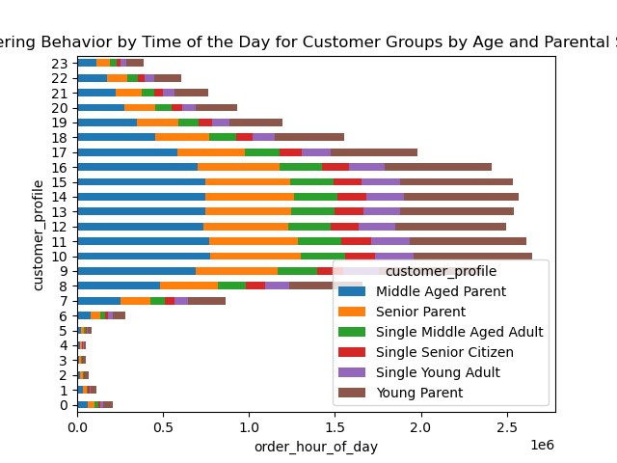
In terms of different groups of customers, for the customers - parents hours between 9:00 and 16:00 are the most popular.
For single customers it is also more popular time but without such strong accentuation.

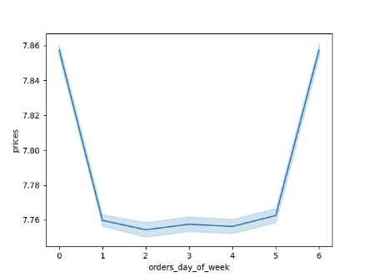

Friday through Sunday are Instacart customers' most expensive orders
*This line chart is based on a 30% sample of the database.

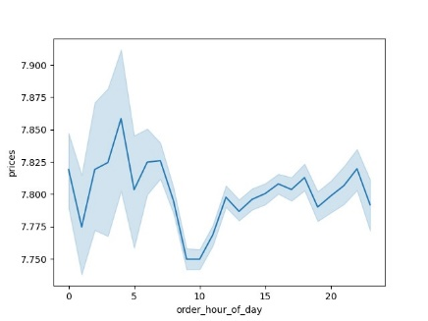

7:00 a.m. and 10:00 p.m. are the peak hours for the most expensive orders.
But 4:00 a.m. has the highest values.
*This line chart is based on a 30% sample of the database.

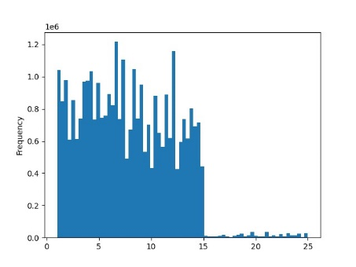

Most customers order products for $15 or less. We see an immediate drop in sales for products over $15.

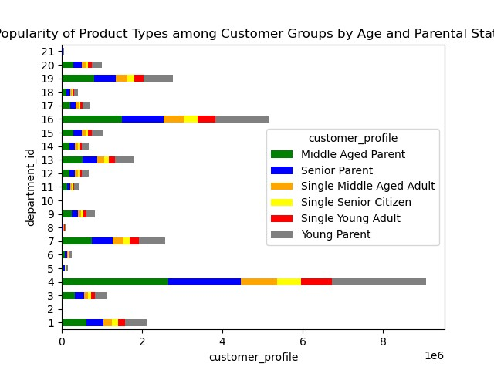
Produce and Dairy, Eggs are the most popular departments for all consumer groups.
Snacks, Pantry, Frozen, and Beverage are the next most popular departments.

Legend:
1 = 'frozen' |  | 8 = 'pets' | 15 = 'canned goods'
2 = 'other' |  | 9 = 'dry goods pasta' | 16 = 'dairy eggs'
3 = 'bakery' |  | 10 = 'bulk' | 17 = 'household'
4 = 'produce' |  | 11 = 'personal care' | 18 = 'babies'
5 = 'alcohol' |  | 12 = 'meat seafood' | 19 = 'snacks'
6 = 'international' |  | 13 = 'pantry' | 20 = 'deli'
7 = 'beverages' |  | 14 = 'breakfast' | 21 = 'missing'

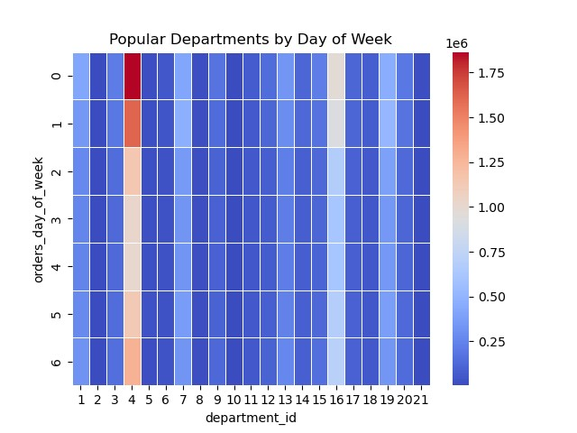
The top list of popular departments does not vary by weekday,
but it has higher values on busy days, Saturday and Sunday.

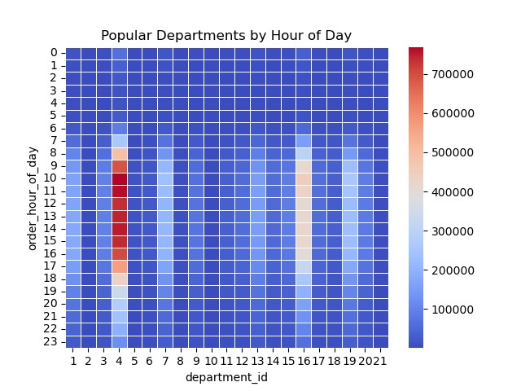

The top list of popular departments does not change depending on the time of day,
but has higher values during busy hours.

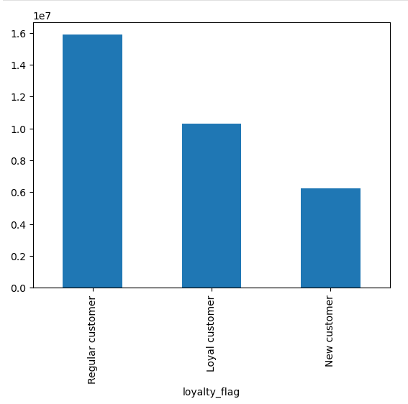
Most orders come from "regular customers", those who place between 10 and 40 orders,
while "loyal customers" make up about half of all customers.

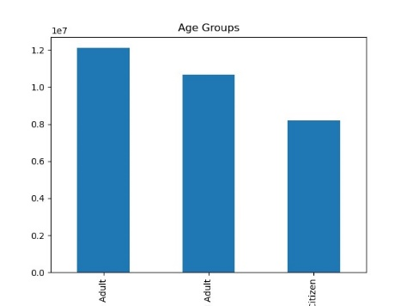
The largest segment of the population is the middle-aged customer group.

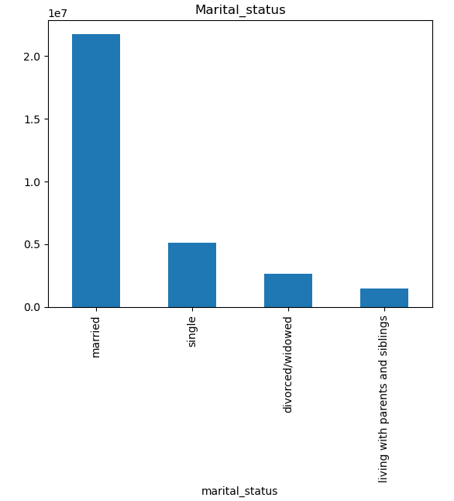
Married customers clearly dominate among customers with different marital status.



Number of dependents varies between 1.44 and 1.58
without any obvious pattern for customers of different age groups

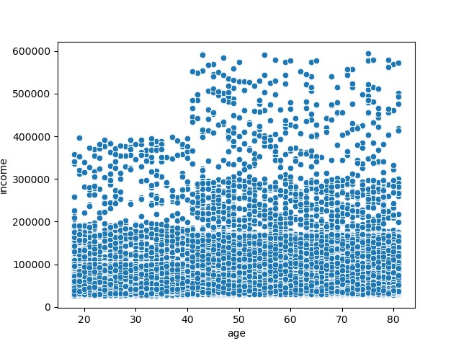
There are two age groups of customers based on age and income level - younger and older than 40,
with significantly higher maximum income values in the over 40 age group.

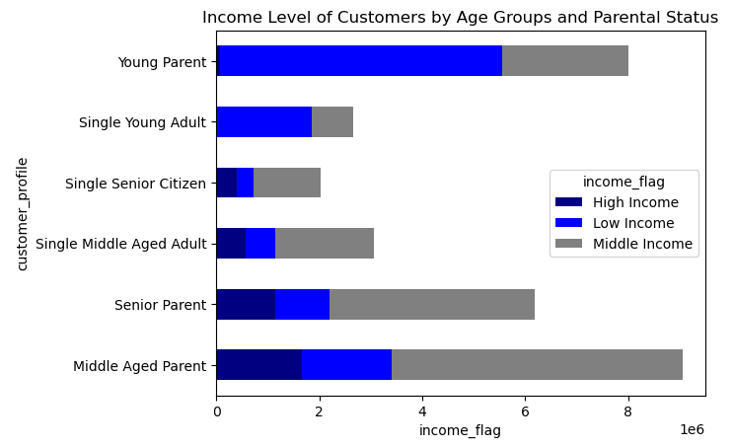
For the group of young parents and single young adults, low income is more common,
with no significant evidence of high income.
For middle-aged and older parents, middle income is more common and high income also occurs.

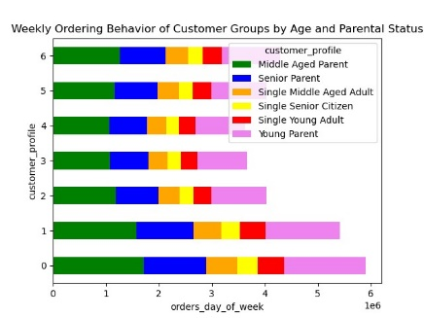
Saturday and Sunday as the busiest days are like this mostly because of increasing order levels
of middle-aged and young parents.

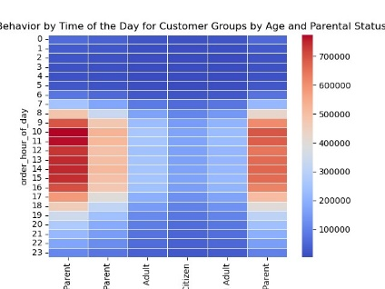
The time of the day between 7 and 16 is the busiest hours mostly because of
increasing order levels of middle aged | young and senior parents.

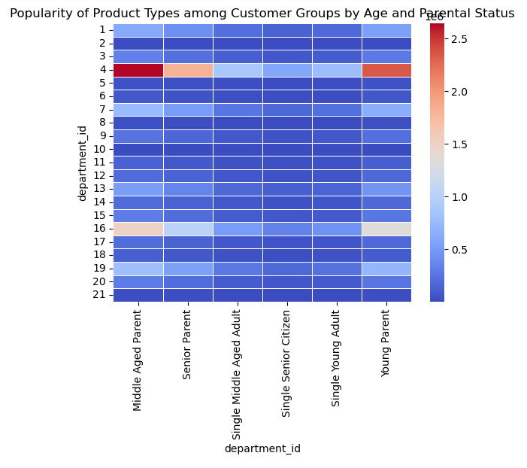
Produce and Dairy, Eggs are the most popular departments mostly because of
increasing order levels of middle aged | young and senior parents.

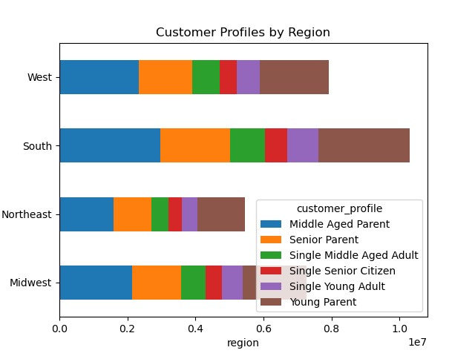
Overall, Instacart has the most customers in the South.
However, the structure of customers by customer profile is relatively similar across the region.

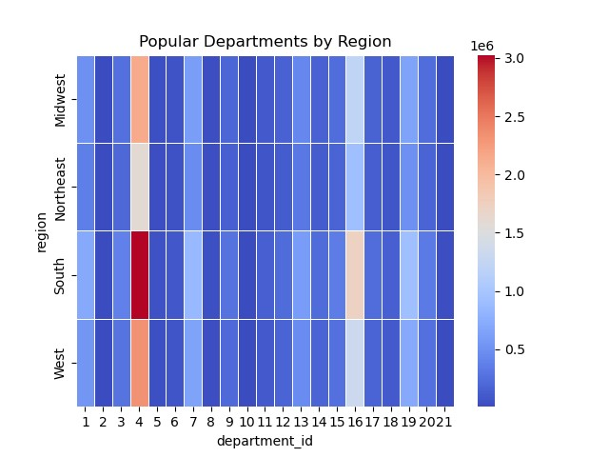
The ordering habits of the items purchased appear to be similar in their relative percentages.

7. Recommendations
 |  |  |  | Title page

Recommendations

In this tab you should include any recommendations you would made to Instcart in terms of their marketing strategy based on the questions posed in the brief. Every key question has been covered in the Tasks of the Exercises - here you need to add an item - a visualisation or table/crosstable that is showing the answer in the data, acompanied by a comment from you. Please, list the questions below and add the answer underneath.

Key Question 1 |  | What are the busiest days of the week and hours of the day?



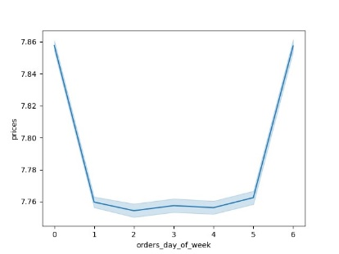

Answer:
Saturday and Sunday are the busiest days of the week.
Friday through Sunday are Instacart customers' most expensive orders
The busiest time of day is between 9:00 and 16:00. Then the number of orders gradually decreases until 23:00.
In terms of different groups of customers, for the customers - parents these hours are the most popular.
For single customers it is also more popular time but without such strong accentuation.
Evening hours of working days looks as potentially productive time to schedule ads.

Key Question 2 |  | What times of the day show higher spending patterns?
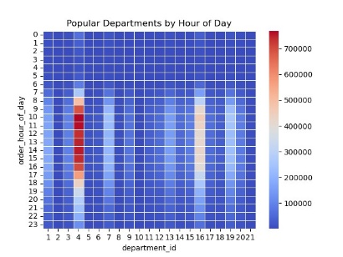

Answer:
7:00 a.m. and 10:00 p.m. are the peak hours for the most expensive orders.
All popular departments - 'Produce' and 'Dairy, Eggs', Snacks', 'Pantry', 'Frozen' and 'Beverages' have their peak sales during these busy hours.
But 4:00 a.m. has the highest values.

Key Question 3 |  | How can product pricing be simplified?


Answer:
Most customers order products for $15 or less. We see an immediate drop in sales for products over $15.
This may mean that price tags should be placed on lower priced products first.

Key Question 4 |  | What are the most popular product departments based on order frequency?

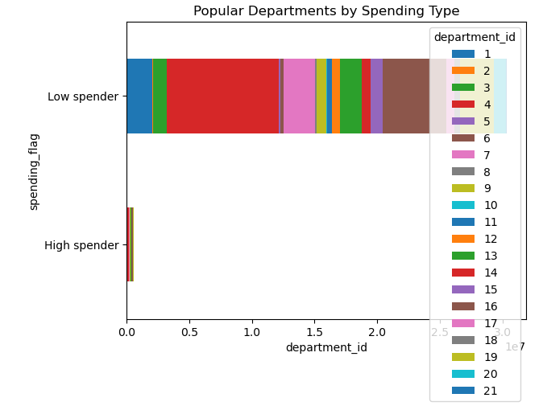
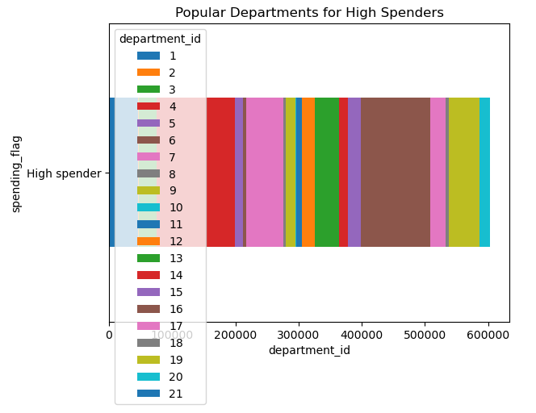

Answer:
Produce and dairy are the most popular departments for all consumer groups.
Snacks, Pantry, Frozen, and Beverage are the next most popular departments.
This top list is fair for all age-parent profiles of customers, customers with different spending status, although it is especially clear for the parent customers.
In the busy days and busy hours, this popularity structure is also more clearly visible.

Key Question 5 |  | What’s the distribution among users in regards to their brand loyalty?

Answer:
Most orders come from "regular customers", those who place between 10 and 40 orders,
while "loyal customers" make up about half of all customers.


Key Question 6 |  | What different classifications does the demographic information suggest?


Answer:
The middle-aged group of customers is the largest in the population.
Married customers clearly dominate among customers of different marital status.
There are two age groups of customers based on age and income level - younger and older than 40 | with significantly higher maximum income values in the over-40 age group.
For the group of young parents and single young adults | low income is more common | with no significant evidence of high income. For middle-aged and older parents | middle income is more common and high income also occurs.

Key Question 7 |  | What differences are there in the ordering habits of different customer profiles?

Answer:
It seems that the main trends of the data set (busy days and hours, popular departments)
are the result of ordering habits of the most represented customer profiles - middle-aged, young and elderly parents.
With a clear dominance of middle-aged parents.

Key Question 8 |  | What is the ordering behaviour of customers by customer region?
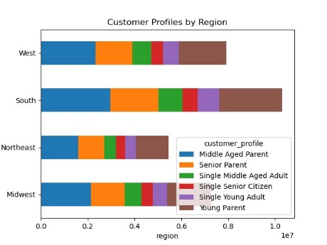
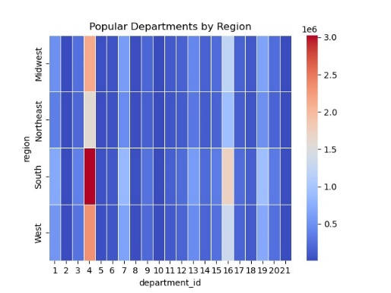

Answer:
Overall, Instacart has the most customers in the South.
The ordering habits of the items purchased appear to be similar in their relative percentages.

