STATISTIC DATA
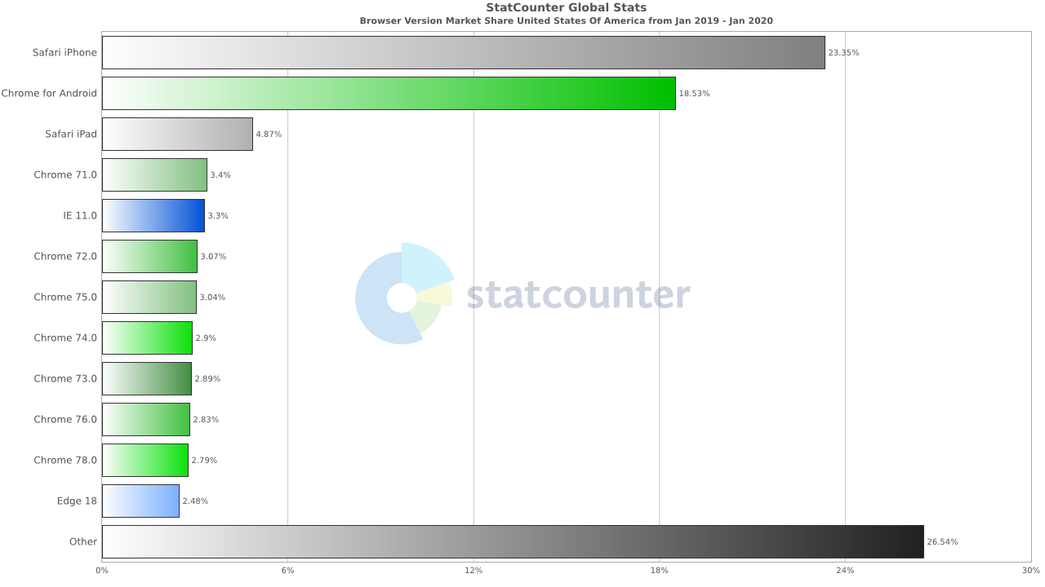
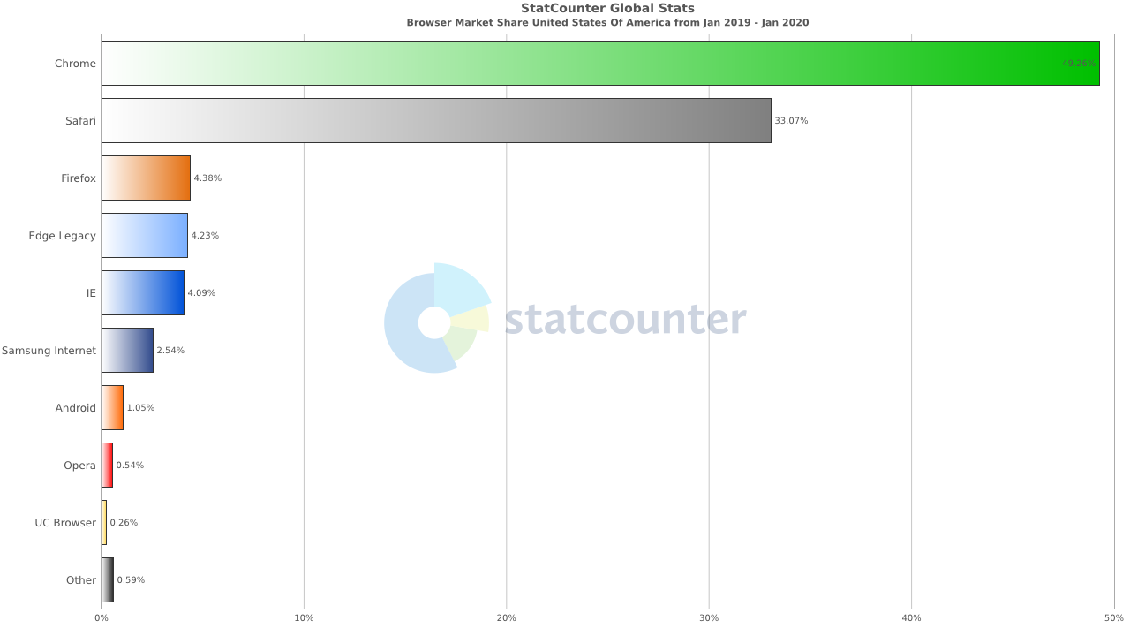
STATISIC DATA From 01.2019 to 01.2020

MOBILE AND TABLET ANDROID VERSION | MOBILE AND TABLET IOS VERSION

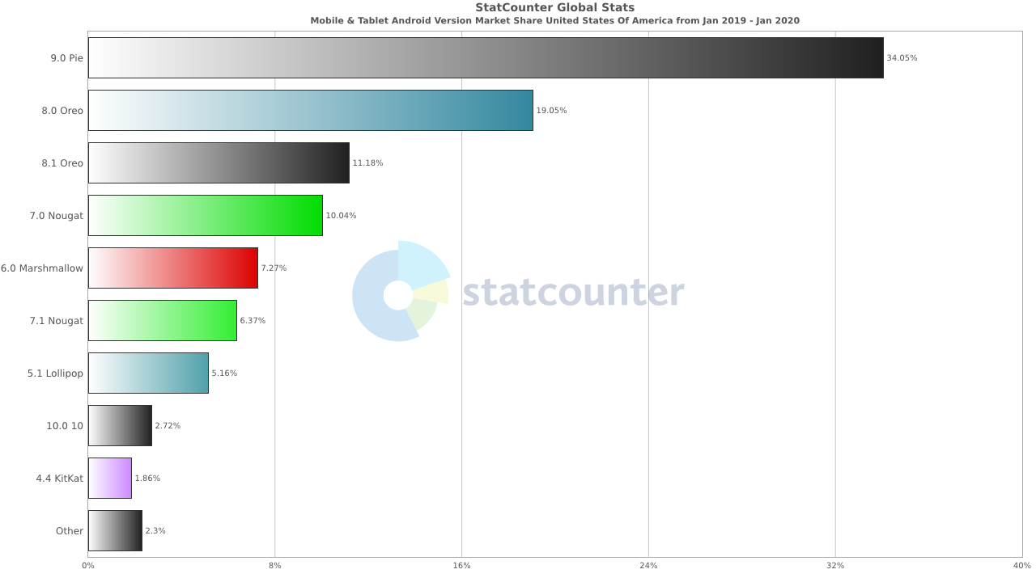
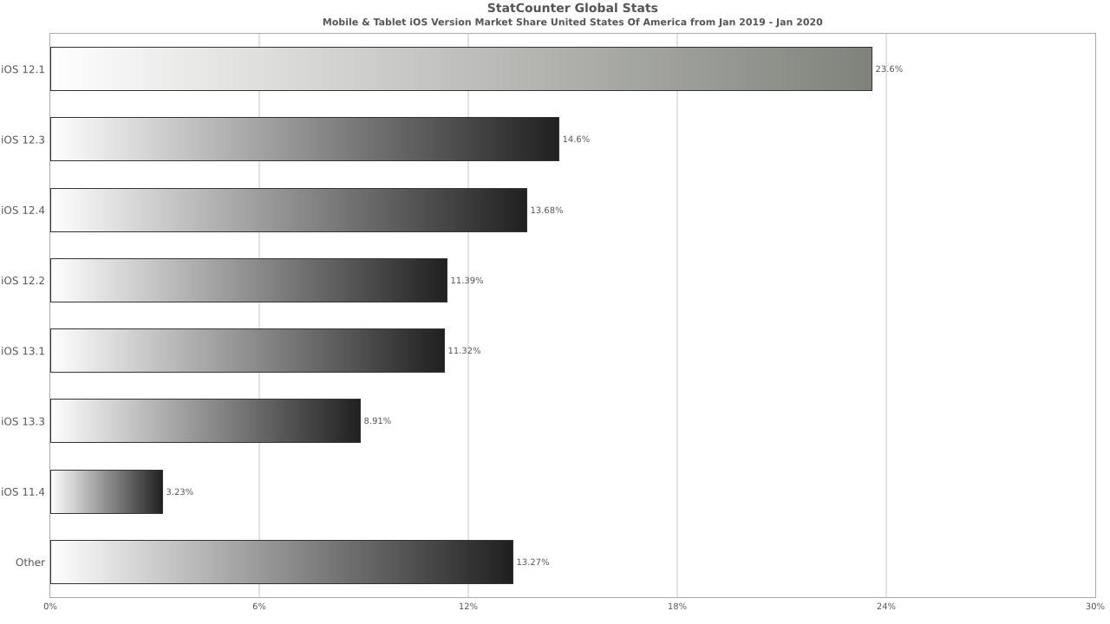

BROWSER VERSIONS | BROWSER MARKET

