6.Star Schema
Star Schema

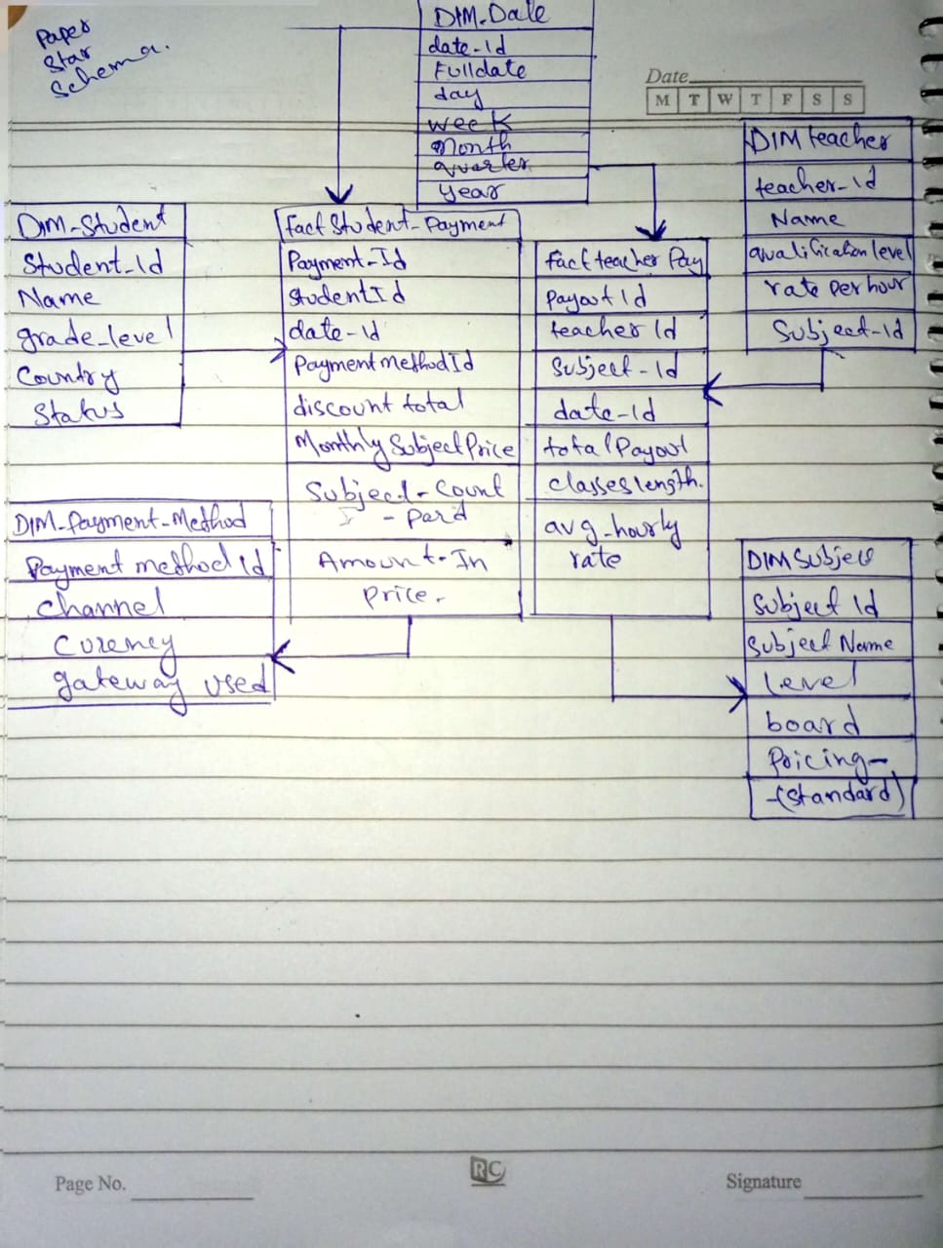
Star Schema Image | Possible Star Schema Queries
 | Sno | Business Question Addressed | SQL query
 | 1 | Retrieve student information along with their payment details | sql SELECT s.full_name, s.city, f.amount_converted_pkr, f.currency, d.full_date FROM FACT_STUDENT_PAYMENT f JOIN DIM_STUDENT s ON f.student_id = s.student_id JOIN DIM_DATE d ON f.date_id = d.date_id;
 | 2 | Find the total revenue generated per subject | sql SELECT sub.subject_name, SUM(f.amount_converted_pkr) AS total_revenue FROM FACT_STUDENT_PAYMENT f JOIN DIM_SUBJECT sub ON f.subject_id = sub.subject_id GROUP BY sub.subject_name ORDER BY total_revenue DESC;
 | 3 | Identify students with the highest number of payments | sql SELECT s.full_name, COUNT(*) AS total_payments FROM FACT_STUDENT_PAYMENT f JOIN DIM_STUDENT s ON f.student_id = s.student_id GROUP BY s.full_name ORDER BY total_payments DESC LIMIT 5;
 | 4 | Retrieve PKR payment details where invoice was sent | sql SELECT f.payment_id, s.full_name, f.amount_converted_pkr, f.currency FROM FACT_STUDENT_PAYMENT f JOIN DIM_STUDENT s ON f.student_id = s.student_id WHERE f.invoice_sent = TRUE;
 | 5 | Identify cities with the highest teaching payouts | sql SELECT t.current_city, SUM(f.total_payout) AS total_payout FROM FACT_TEACHER_PAYOUT f JOIN DIM_TEACHER t ON f.teacher_id = t.teacher_id GROUP BY t.current_city ORDER BY total_payout DESC;
 | 6 | Which subject generated the most teaching hours | sql SELECT sub.subject_name, SUM(tsl.rate_per_hour * f.hours_taught) AS earnings FROM FACT_TEACHER_PAYOUT f JOIN DIM_TEACHER_SUBJECT_LEVEL tsl ON f.teacher_id = tsl.teacher_id JOIN DIM_SUBJECT sub ON tsl.subject_id = sub.subject_id GROUP BY sub.subject_name ORDER BY earnings DESC;

