About the tool
About the tool

Why This Tool Was Created
Managing firmware upgrades for large-scale network environments often presents significant challenges. This tool was developed to address specific issues faced by organizations managing hundreds of networks under a single template. By leveraging automation and user-friendly workflows, the tool simplifies the process of scheduling and managing firmware upgrades across multiple networks.
Challenges
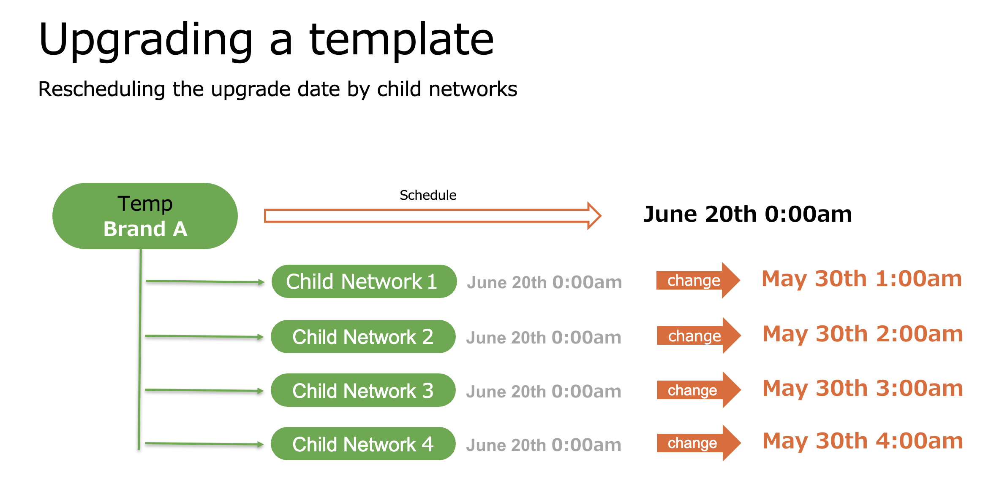
1. Hundreds of Networks per Template In many cases, a single template may have hundreds of networks associated with it. Upgrading firmware for all networks under the same template at once is often not feasible due to varying operational requirements across locations. Although Meraki’s UI allows for rescheduling upgrade dates on a per-network basis, manually adjusting dates for hundreds of networks is time-consuming and impractical. 2. Different Maintenance Windows Across Locations Each location (e.g., individual stores or branches) has different operating hours, making it challenging for IT administrators to manually coordinate and manage upgrade schedules for all networks. IT teams often lack the visibility into local schedules, further complicating the process. 3. Inconsistent Date and Time Formats When relying on manual input, there is often inconsistency in how dates and times are entered (e.g., 2025/06/11, 2025-06-11, or June 11, 2025). This can lead to errors in scheduling and wasted time verifying the data. 4. IT Centralized Management Overload The responsibility for managing firmware upgrades typically falls on the central IT team. However, IT administrators may not have the necessary insights into local conditions, such as peak business hours or specific maintenance windows for each location. Without local input, it is challenging to create an effective and efficient upgrade schedule.
How This Tool Solves These Challenges
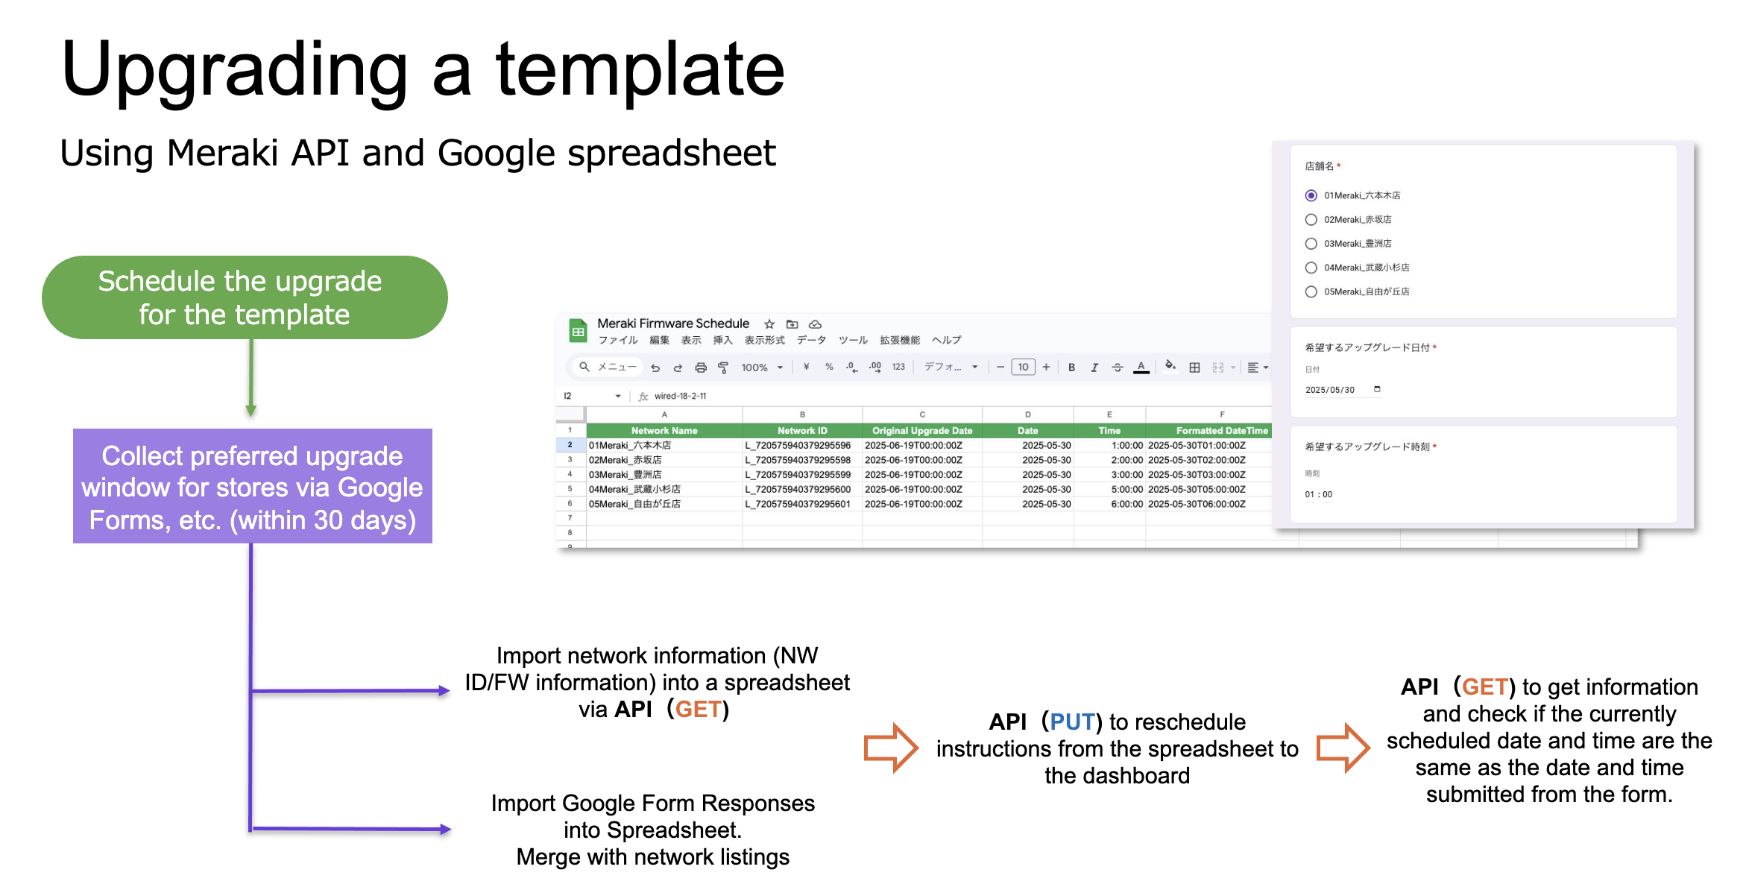
1. Automated Scheduling with Per-Network Control This tool allows users to schedule firmware upgrades for individual networks using the Meraki API. Instead of relying on the Meraki UI, the tool automates the process of adjusting upgrade dates for each network, saving time and reducing manual effort. 2. Decentralized Scheduling by Store Managers Rather than relying solely on IT administrators, this tool enables local store managers to specify their preferred upgrade dates and times through a simple Google Form. This decentralization empowers local teams to have control over their schedules while reducing the workload on central IT. 3. Standardized Date and Time Input To avoid inconsistencies in how dates and times are entered, the tool provides a dropdown-based interface for selecting dates and times. This ensures that all inputs are standardized and compatible with the Meraki API’s required format (e.g., 2025-06-11T01:00:00Z). 4. Streamlined Management Across Hundreds of Networks By automating the scheduling process and integrating store manager inputs, the tool enables efficient management of firmware upgrades for hundreds of networks. IT administrators can review the consolidated schedules and execute them with minimal effort. 5. Support for Predefined Default Scheduling The tool supports scenarios where an initial upgrade schedule is set manually (e.g., 30 days in the future) for all networks. Managers can then use the tool to make adjustments to individual networks as needed, ensuring flexibility and accuracy.
Key Benefits | Conclusion
Time Savings: Automates the scheduling process, reducing the need for IT administrators to manually manage hundreds of networks. Improved Accuracy: Standardizes date and time inputs, minimizing errors and inconsistencies. Decentralized Control: Empowers local managers to make informed scheduling decisions based on their specific operational needs. Scalability: Handles large-scale network environments with ease, enabling efficient management of hundreds of networks under a single template. Flexibility: Supports both centralized and decentralized scheduling workflows, catering to the unique needs of different organizations. | This tool bridges the gap between centralized IT management and local operational needs. By automating the scheduling process and incorporating inputs from local managers, it provides a scalable, accurate, and user-friendly solution for managing firmware upgrades across large-scale networks.

GettingStarted
Purpose: Input your Meraki OrgID and API Key.
Steps:
Enter your OrgID into cell B1.
Enter your API Key into cell B2.
OrgID
API Key

NetworkMappings
Purpose: Filter networks by name and retrieve network details.
Steps:
Enter a search keyword in cell B1.
Click the following button to populate the list below.
(Fetches and filters networks by name using the Meraki API.)
Keyword Filtering →
Network Name | Network ID | Time Zone

Filter Networks

Why filter with a keyword?:
Without filtering, all networks under the organization ID will appear here, and currently, there are no API endpoints to filter networks by template ID. The best practice is to include a consistent keyword in the names of networks bound to a specific template. This makes it easier to filter and identify them quickly.

FormResponses
Purpose: Manage Google Form options and collect user responses.
Steps:
Before sharing the form with anyone, click the following button to populate the select options on your Google Form.(Populates the Google Form with a dropdown list of networks.)
Review responses collected in the tab below.
Use the Clear Form Responses button to reset the tab only if necessary.
タイムスタンプ | Branch Name | Preferred Maintenance Date | Preferred Maintenance Time
5/16/2025 | 01Meraki_六本木店 | 2025-06-20 | 1:00:00
5/16/2025 | 02Meraki_赤坂店 | 2025-06-20 | 2:00:00
5/16/2025 | 03Meraki_豊洲店 | 2025-06-20 | 3:00:00
5/16/2025 | 04Meraki_武蔵小杉店 | 2025-06-20 | 5:00:00
5/16/2025 | 05Meraki_自由が丘店 | 2025-06-20 | 6:00:00
6/3/2025 | 06Meraki_大阪店 | 2025-06-20 | 7:00:00
6/3/2025 | 07Meraki_沖縄店 | 2025-06-21 | 1:00:00

Update Form Options

Clear Form Responses

UpgradeInfo
Network Name | Network ID | Original Upgrade Date | Date | Time | Formatted DateTime | Product Type | Current Version | Upgrade To Version
01Meraki_六本木店
02Meraki_赤坂店
03Meraki_豊洲店 |  |  |  |  |  |  |  |  | Select the product category to upgrade
04Meraki_武蔵小杉店 |  |  |  |  |  |  |  |  | appliance
05Meraki_自由が丘店
Purpose: Merge network data with user-submitted preferences and format the scheduling information.
Steps:
Select a product category from cell K5.
Click the following button to process the data. (Combines network data and user responses, and formats them for scheduling.)
Review the formatted data. If everything looks correct, click the button below to proceed to the next steps.
06Meraki_大阪店
07Meraki_沖縄店

Format Data

Comfirm (Everything is correct)

ScheduleExecution
Purpose: Review the finalized data and execute the scheduling.
Steps:
Review the list of networks, upgrade versions, and scheduling times.
Click the following button to apply the scheduling.
(Sends scheduling data to the Meraki API.)
Network Name | Network ID | Original Upgrade Date | Formatted DateTime | ProductType | Current Version | Upgrade To Version | Status

Execute Rescheduling (You cannot undo this)

Confirmation
Purpose: Verify that the scheduling was applied successfully.
Steps:
Click the following button to check the current scheduling status.
(Compares the current scheduling status with user-submitted preferences.)
Review the results in the tab.
Network Name | Network ID | Current Upgrade Date | Submitted DateTime | ProductType | Current Version | Upgrade To Version | Rescheduled?

Verify Scheduling

