New South Wales Summary
Disclaimer
This document is subject to an important disclaimer that limits or excludes AEMO's liability.
Please read the full disclaimer at:
http://www.aemo.com.au/Electricity/National-Electricity-Market-NEM/Planning-and-forecasting/Generation-information

Data presented is current as at 19 May 2017

New South Wales Summary

Changes since last update
Manildra Photovoltaic Solar Farm: Manildra Prop Pty Ltd as trustee for the Manildra Asset Trust advises that Manildra Photovoltaic Solar Farm (50 MW) is now a committed project.
Gullen Range Solar Farm: New Gullen Range Wind Farm Pty Ltd advises that Gullen Range Solar Farm (10 MW) is now a committed project.
Mugga Lane Solar Park: Mugga Lane Solar Park Pty Ltd advises that Mugga Lane Solar Park (13 MW) is now an existing generator with full commercial operation having commenced in 2017.

Generation withdrawals
Withdrawn
None to report.

Announced withdrawals (i.e. Mothballed, Seasonal Shut down etc.)
SmithField Energy Facility: Smithfield Power Partnership advises that SmithField Energy Facility (170.9 MW) is to close on 31 July 2017.
Liddell Power Station: AGL Energy Limited advises that Liddell C Power Station (2000 MW) is to shut down in 2022.

Committed projects
Coal, CCGT, OCGT, Gas other, Water, Biomass, Geo-thermal, Other : None to report.
Wind: White Rock Wind Farm (172.5 MW)
Solar: Griffith Solar Farm (29.9 MW), Manildra Photovoltaic Solar Farm (50 MW), Parkes Solar Farm (55 MW), Gullen Range Solar Farm (10 MW)

Proposed projects
Please refer to information presented in the worksheet titled 'New Developments'.

Plant limitations
AEMO has not been advised of any plant limitations for this region.

New South Wales existing and potential new developments by generation type (MW)

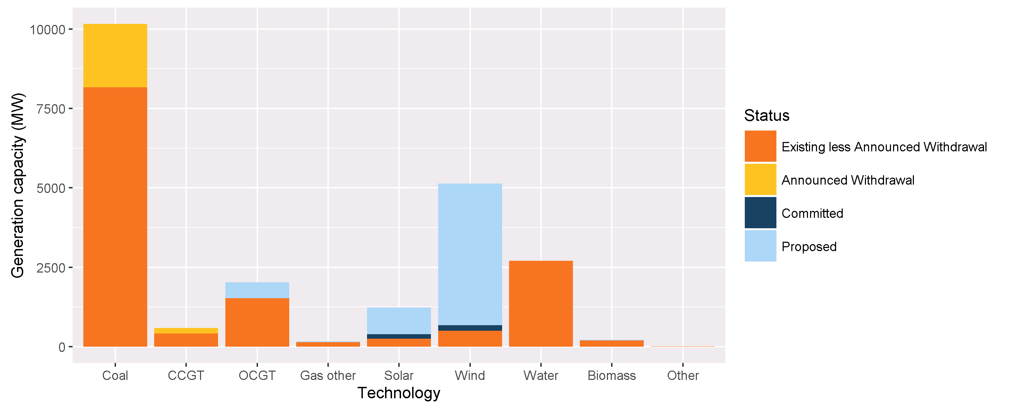

Status | Coal | CCGT | OCGT | Gas other | Solar* | Wind | Water | Biomass | Other | Total
Existing | 10160.0 | 590.9 | 1530.0 | 147.0 | 253.8 | 665.4 | 2706.1 | 130.7 | 9.1 | 16193.0
Announced Withdrawal | 2000.0 | 170.9 | 0.0 | 0.0 | 0.0 | 0.0 | 0.0 | 0.0 | 0.0 | 2170.9
Existing less Announced Withdrawal | 8160.0 | 420.0 | 1530.0 | 147.0 | 253.8 | 665.4 | 2706.1 | 130.7 | 9.1 | 14022.1
Committed | 0.0 | 0.0 | 0.0 | 0.0 | 144.9 | 172.5 | 0.0 | 0.0 | 0.0 | 317.4
Proposed | 0.0 | 0.0 | 500.0 | 15.0 | 837.2 | 4465.5 | 0.0 | 15.5 | 0.0 | 5833.2
Withdrawn | 0.0 | 0.0 | 0.0 | 0.0 | 0.0 | 0.0 | 0.0 | 0.0 | 0.0 | 0.0
Note: Existing includes Announced Withdrawal
* Excludes rooftop PV installations

