Queensland Summary
Disclaimer
This document is subject to an important disclaimer that limits or excludes AEMO's liability.
Please read the full disclaimer at
http://www.aemo.com.au/Electricity/National-Electricity-Market-NEM/Planning-and-forecasting/Generation-information

Data presented is current as at 19 May 2017

Queensland Summary

Changes since last update
Barcaldine Remote Community Solar Farm: Barcaldine Remote Community Solar Farm Pty Ltd advises that Barcaldine Remote Community Solar Farm (20 MW) is now completed with full commercial operation having commenced in April 2017.
Callide A: Oxyfuel Technologies Pty Ltd advises that Callide A (30 MW) has been permanently decommissioned (withdrawn) since March 2015 and will be demolished and deregistered from the network in the future.
Clare Solar Farm: Clare Asset Co Pty Ltd (the Trustee for Clare Asset Trust) advises that the Clare Solar Farm (total of 150 MW nameplate) is a committed project.
Grosvenor 1: EDL Projects Australia Pty Ltd advises that Grosvenor 1 (21 MW) is now an existing generator with full commercial operation having commenced in April 2017.
Hamilton Solar Farm: Hamilton Solar Farm Pty Ltd advises that Hamilton Solar Farm (57.5 MW) is now a committed project, with full commercial use expected March 2018.
Lakeland Solar and Storage Project: Conergy advises that the committed Cook Shire Solar Storage Project is now called Lakeland Solar and Storage Project, with an updated nameplate capacity of 12.5 MW.
Moranbah North: EDL Projects Australia Pty Ltd advises that Moranbah North (64 MW) has increased its generation capacity from 45.6 MW to 64 MW in September 2014.
Mount Emerald: Ratch Australia advises that Mount Emerald (180.5 MW) is now a committed project with full commercial use expected September 2018.
Swanbank E GT: Stanwell Corporation Limited advises that Swanbank E GT (385 MW) is currently in cold storage and at this time is scheduled to return to service on 1 December 2018.
Whitsunday Solar Farm: Whitsunday Solar Farm Pty Ltd advises that Whitsunday Solar Farm (57.5 MW) is now a committed project, with full commercial use expected March 2018.

Generation withdrawals
Withdrawn
Callide A: Oxyfuel Technologies Pty Ltd advises that Callide A (30 MW) has been permanently decommissioned (withdrawn) since March 2015 and will be demolished and deregistered from the network in the future.
Swanbank E GT: Stanwell Corporation Limited advises that Swanbank E GT (385 MW) is currently in cold storage and at this time is scheduled to return to service on 1 December 2018.

Announced withdrawals (i.e. Mothballed, Seasonal Shut down etc.)
Daandine Power Station: Energy infrastructure Investments Pty Ltd. advises that Daandine Power Station will be retired in June 2022.
Mackay GT Power Station: Stanwell Corporation advises that Mackay GT (34 MW) will be retired at the end of financial year 2020-21.

Committed projects
Coal, CCGT, OCGT, Gas other, Biomass, Geo-thermal, Other: None to report.
Solar: Clare Solar Farm (150 MW), Hamilton Solar Farm (57.5 MW), Lakeland Solar and Storage Project (12.5 MW), Whitsunday Solar Farm (57.5 MW)
Water: Lake Somerset (4.3 MW)
Wind: Mount Emerald (180.5 MW)

Proposed projects
Please refer to information presented in the worksheet titled 'New Developments'.

Plant limitations
Swanbank E GT: Stanwell Corporation Limited advises that Swanbank E GT is currently in cold storage and at this time is scheduled to return to service on 1 December 2018.

Queensland existing and potential new developments by generation type (MW)

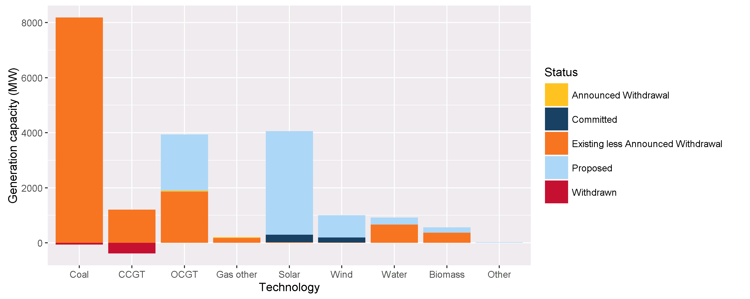


Status | Coal | CCGT | OCGT | Gas other | Solar* | Wind | Water | Biomass | Other | Total
Existing | 8186.0 | 1210.5 | 1894.5 | 208.4 | 20.4 | 12.0 | 663.9 | 367.0 | 1.0 | 12563.7
Announced Withdrawal | 0.0 | 0.0 | 34.0 | 30.0 | 0.0 | 0.0 | 0.0 | 0.0 | 0.0 | 64.0
Existing less Announced Withdrawal | 8186.0 | 1210.5 | 1860.5 | 178.4 | 20.4 | 12.0 | 663.9 | 367.0 | 1.0 | 12499.7
Committed | 0.0 | 0.0 | 0.0 | 0.0 | 277.5 | 180.5 | 4.3 | 0.0 | 0.0 | 462.3
Proposed | 0.0 | 0.0 | 2045.0 | 0.0 | 3762.6 | 809.0 | 250.0 | 197.6 | 24.0 | 7088.2
Withdrawn | -30.0 | -385.0 | 0.0 | 0.0 | 0.0 | 0.0 | 0.0 | 0.0 | 0.0 | -415.0
Note: Existing includes Announced Withdrawal
* Excludes rooftop PV installations.

