South Australia Summary
Disclaimer
This document is subject to an important disclaimer that limits or excludes AEMO's liability.
Please read the full disclaimer at
http://www.aemo.com.au/Electricity/National-Electricity-Market-NEM/Planning-and-forecasting/Generation-information

Data presented is current as at 19 May 2017

South Australia Summary

Changes since last update
Bungala Solar Power Project: Reach Solar Management Co advises that Bungala Solar Power Project (220 MW) is now a committed project.
Hornsdale Wind Farm Stage 3: HWF 3 Pty Ltd advises that Hornsdale Wind Farm Stage 3 (109 MW) is now a committed project.
Pelican Point: Pelican Point Power Limited advises that Pelican Point (478 MW) is currently operating at half capacity (239 MW), but will make the full capacity available to market as of 1 July 2017.

Generation withdrawals
Withdrawn
Northern Power Station: Alinta Energy advises that Northern Power Station (546 MW) has closed operations in May 2016.
Playford B Power Station: Alinta Energy advises that Playford B Power Station (240 MW) has closed operations in May 2016.

Announced withdrawals (i.e. Mothballed, Seasonal Shut down etc.)
AEMO has not been advised of any announced withdrawals for this region.

Committed projects
Coal, CCGT, OCGT, Gas other, Water, Biomass, Geo-thermal, Other : None to report.
Solar: Bungala Solar Power Project (220 MW)
Wind: Hornsdale Wind Farm Stage 2 (102.4 MW), Hornsdale Wind Farm Stage 3 (109 MW)

Proposed projects
Please refer to information presented in the worksheet titled 'New Developments'.

Plant limitations
AEMO has not been advised of any plant limitations for this region.

South Australia existing and potential new developments by generation type (MW)

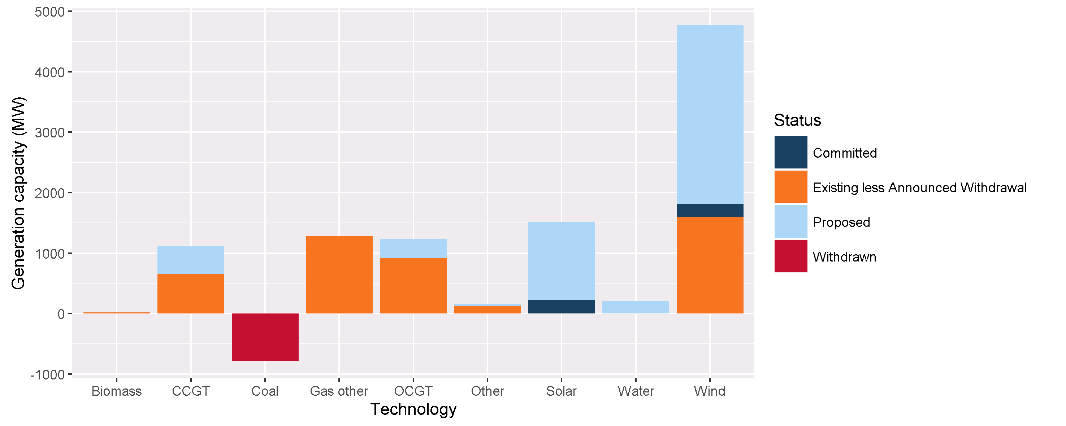

Status | Coal | CCGT | OCGT | Gas other | Solar* | Wind | Water | Biomass | Other | Total
Existing | 0.0 | 419.0 | 914.8 | 1280.0 | 0.0 | 1595.0 | 2.5 | 18.2 | 129.3 | 4358.8
Announced Withdrawal | 0.0 | 0.0 | 0.0 | 0.0 | 0.0 | 0.0 | 0.0 | 0.0 | 0.0 | 0.0
Existing less Announced Withdrawal | 0.0 | 419.0 | 914.8 | 1280.0 | 0.0 | 1595.0 | 2.5 | 18.2 | 129.3 | 4358.8
Committed | 0.0 | 0.0 | 0.0 | 0.0 | 220.0 | 211.4 | 0.0 | 0.0 | 0.0 | 431.4
Proposed | 0.0 | 460.0 | 320.0 | 0.0 | 1295.0 | 2966.4 | 200.0 | 15.0 | 28.8 | 5285.2
Withdrawn | -786.0 | -239.0 | 0.0 | 0.0 | 0.0 | 0.0 | 0.0 | 0.0 | 0.0 | -1025.0
Note: Existing includes Announced Withdrawal
* Excludes rooftop PV installations

