Tasmania Summary
Disclaimer
This document is subject to an important disclaimer that limits or excludes AEMO's liability.
Please read the full disclaimer at
http://www.aemo.com.au/Electricity/National-Electricity-Market-NEM/Planning-and-forecasting/Generation-information

Data presented is current as at 19 May 2017

Tasmania Summary

Changes since last update
Bastyan Power Station: Hydro-Electric Corporation advises that Bastyan's available capacity will be (zero) 0 MW during summer 2021-22.
Gordon Power Station: Hydro-Electric Corporation advises that Gordon's available capacity will reduced to 371 MW (-25) MW during summer and winter due to lower storage levels. Also, the station will undergo the following outages:
· Gordon Unit 1 will be unavailable during:
- summer 2022–23
· Gordon Unit 2 will be unavailable during:
- summer 2021–22
· Gordon Unit 3 will be unavailable during:
- summer 2023–24
Lake Echo Power Station: Hydro-Electric Corporation advises that Lake Echo's available capacity will be (zero) 0 MW during winter 2018, 2019, 2020 and 2024.
Lemonthyme/Wilmot Power Station: Hydro-Electric Corporation advises that Lemonthyme/Wilmot's available capacity will be 54 MW during summer 2017-18 and summer 2020-21, and 32 MW during summer 2019-20.
Reece Power Station: Hydro-Electric Corporation advises that Reece's available capacity will be 116 MW during summer 2023-24 and 2025-26 due to an outage.
Tamar Valley CCGT: Hydro Tasmania advises that the Tamar Valley CCGT (208 MW) will be withdrawn after May 2017, but is available for operation with less than 3 months' notice.

Generation withdrawals
Withdrawn
None to report.

Announced withdrawals (i.e. Mothballed, Seasonal Shut down etc.)
Tamar Valley CCGT: Hydro Tasmania advises that the Tamar Valley CCGT (208 MW) will be withdrawn after May 2017, but is available for operation with less than 3 months' notice.

Committed projects
Coal, CCGT, OCGT, Gas other, Water, Wind, Solar, Biomass, Geo-thermal, Other : None to report.

Proposed projects
Please refer to information presented in the worksheet titled 'New Developments'.

Plant limitations
Bastyan Power Station: Hydro-Electric Corporation advises that Bastyan's available capacity will be (zero) 0 MW during summer 2021-22.
Catagunyah/Liapootah/Wayatinah Power Station: Hydro-Electric Corporation advises that Catagunyah/Liapootah/Wayatinah Power Stations will undergo the following outages:
· Liapootah Unit 2 will be unavailable during:
- summer 2017–18
· Liapootah Unit 3 will be unavailable during:
- summer 2018–19
· Wayatinah Unit 2 will be unavailable during:
- summer 2017–18
· Wayatinah Unit 3 will be unavailable during:
- summer 2018–19
· Catagunya Unit 1 will be unavailable during:
- summer 2018–19
· Catagunya Unit 2 will be unavailable during:
- summer 2017–18
Devils Gate Power Station: Hydro-Electric Corporation advises that Devils Gate’s available capacity will be (zero) 0 MW during summer 2017-18 and winter 2018.
Gordon Power Station: Hydro-Electric Corporation advises that Gordon's available capacity will reduced to 371 MW (-25) MW during summer and winter due to lower storage levels. Also, the station will undergo the following outages:
· Gordon Unit 1 will be unavailable during:
- summer 2022–23
· Gordon Unit 2 will be unavailable during:
- summer 2021–22
· Gordon Unit 3 will be unavailable during:
- summer 2023–24
John Butters Station: Hydro-Electric Corporation advises that John Butters' available capacity will be (zero) 0 MW during summer 2024-25 and winter 2025.
Lake Echo Power Station: Hydro-Electric Corporation advises that Lake Echo's available capacity will be (zero) 0 MW during winter 2018, 2019, 2020 and 2024.
Lemonthyme/Wilmot Power Station: Hydro-Electric Corporation advises that Lemonthyme/Wilmot's available capacity will be 54 MW during summer 2017-18 and summer 2020-21, and 32 MW during summer 2019-20.
Mackintosh Power Station: Hydro-Electric Corporation advises that Mackintosh's available capacity will be (zero) 0 MW during summer 2022-23.
Reece Power Station: Hydro-Electric Corporation advises that Reece's available capacity will be 116 MW during summer 2023-24 and 2025-26 due to an outage.
Tarraleah Power Station: Hydro-Electric Corporation advises that Tarraleah’s available capacity will be:
• 75 MW from winter 2022 to summer 2024-25 due to outages of Units 1, 2 and 3.
Trevallyn Power Station: Hydro-Electric Corporation advises that Trevallyn’s available capacity will be:
• 81.9 MW during summer 2019–20 due to outages of Unit 1.
• 0 MW during summer 2020–21 due to outages
Tungatinah Power Station: Hydro-Electric Corporation advises that Tungatinah’s available capacity will be:
• 104.4 MW during summer 2019-20 due to outages
• 104.4 MW during summer 2021–22 due to outages
Tribute: Hydro-Electric Corporation advises that Tribute's available capacity will be (zero) 0 MW during summer 2025-26.

Tasmania existing and potential new developments by generation type (MW)

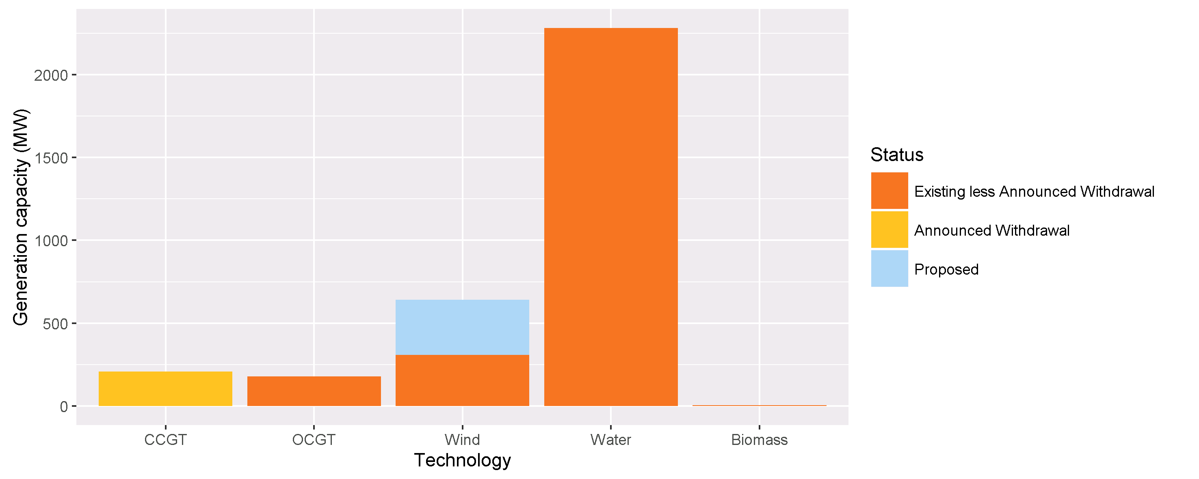

Status | Coal | CCGT | OCGT | Gas other | Solar* | Wind | Water | Biomass | Other | Total
Existing | 0 | 208 | 178 | 0 | 0 | 308 | 2281 | 5 | 0 | 2980
Announced Withdrawal | 0 | 208 | 0 | 0 | 0 | 0 | 0 | 0 | 0 | 208
Existing less Announced Withdrawal | 0 | 0 | 178 | 0 | 0 | 308 | 2281 | 5 | 0 | 2772
Committed | 0 | 0 | 0 | 0 | 0 | 0 | 0 | 0 | 0 | 0
Proposed | 0 | 0 | 0 | 0 | 0 | 333 | 0 | 0 | 0 | 333
Withdrawn | 0 | 0 | 0 | 0 | 0 | 0 | 0 | 0 | 0 | 0
Note: Existing includes Announced Withdrawal
* Excludes rooftop PV installations.

