Victoria Summary
Disclaimer
This document is subject to an important disclaimer that limits or excludes AEMO's liability.
Please read the full disclaimer at
http://www.aemo.com.au/Electricity/National-Electricity-Market-NEM/Planning-and-forecasting/Generation-information

Data presented is current as at 19 May 2017

Victoria Summary

Changes since last update
Ararat: Ararat Wind Farm Pty Ltd advises that Ararat (240MW) is now completed and is undergoing commissioning tests with full commercial operation having commenced in May 2017.
Gannawarra Solar Farm: Gannawarra Solar Farm Pty Ltd advises that Gannawarra Solar Farm (50 MW) is now a committed project, with full commercial use expected April 2018.
Hazelwood: Hazelwood Power advises that Hazelwood Power Station (1600 MW) has closed operations at the end of March 2017 and is undergoing decommissioning.
Longford: Longford Gas Plant advises that Longford has increased its total nameplate capacity from 32 MW to 45 MW in December 2016.
Yaloak South: Energy Pacific Vic Pty Ltd advises that Yaloak South (28.7 MW) is now a committed project.

Generation withdrawals
Withdrawn
Hazelwood: Hazelwood Power advises that Hazelwood Power Station (1600 MW) has closed operations at the end of March 2017 and is undergoing decommissioning.

Announced withdrawals (i.e. Mothballed, Seasonal Shut down etc.)
AEMO has not been advised of any announced withdrawals for this region.

Committed projects
Coal, CCGT, OCGT, Gas other, Water, Biomass, Geo-thermal, Other : None to report.
Solar: Gannawarra Solar Farm (50 MW)
Wind: Kiata Wind Farm (31.05 MW), Mt Gellibrand (66 MW), Yaloak South (28.7 MW)

Proposed projects
Please refer to information presented in the worksheet titled 'New Developments'.

Plant limitations
AEMO has not been advised of any plant limitations for this region.

Victoria existing and potential new developments by generation type (MW)
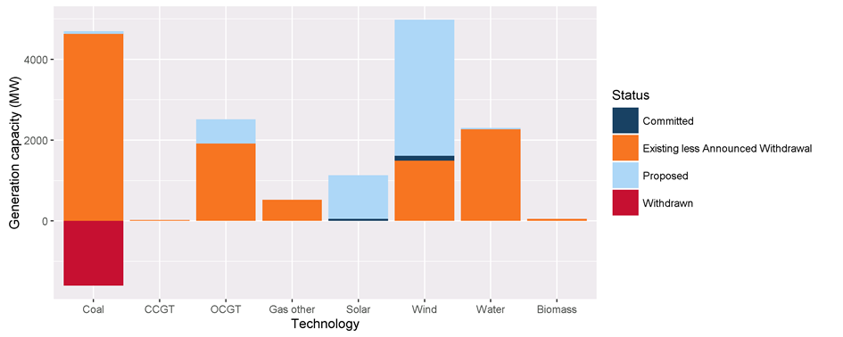

Status | Coal | CCGT | OCGT | Gas other | Solar* | Wind | Water | Biomass | Other | Total
Existing | 4630.0 | 21.0 | 1916.8 | 523.4 | 0.0 | 1489.4 | 2287.6 | 52.7 | 0.0 | 10920.9
Announced Withdrawal | 0.0 | 0.0 | 0.0 | 0.0 | 0.0 | 0.0 | 0.0 | 0.0 | 0.0 | 0.0
Existing less Announced Withdrawal | 4630.0 | 21.0 | 1916.8 | 523.4 | 0.0 | 1489.4 | 2287.6 | 52.7 | 0.0 | 10920.9
Committed | 0.0 | 0.0 | 0.0 | 0.0 | 50.0 | 125.8 | 0.0 | 0.0 | 0.0 | 175.8
Proposed | 80.0 | 0.0 | 600.0 | 0.0 | 1079.8 | 3364.2 | 34.0 | 0.0 | 0.0 | 5158.0
Withdrawn | -1600.0 | 0.0 | 0.0 | 0.0 | 0.0 | 0.0 | 0.0 | 0.0 | 0.0 | -1600.0
Note: Existing includes Announced Withdrawal
* Excludes rooftop PV installations

