Specimen Dimensions
All units are in mm.

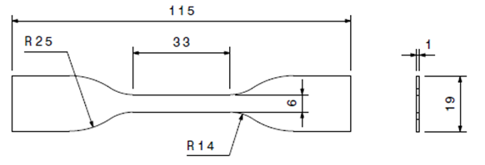

Fig. S1 Dimensions of the dumbbell shape specimens for the tensile test based on ASTM D638 Type IV standard.
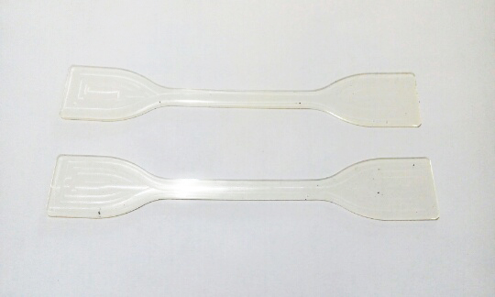

Fig. S2 Actual membrane specimens for the tensile test.

Stress Strain Data for Fig 1
The experimental data provided in the Table below were selected every other 4 data point from the data given in "Stress Strain Data" worksheet to be used for Fig. 1.

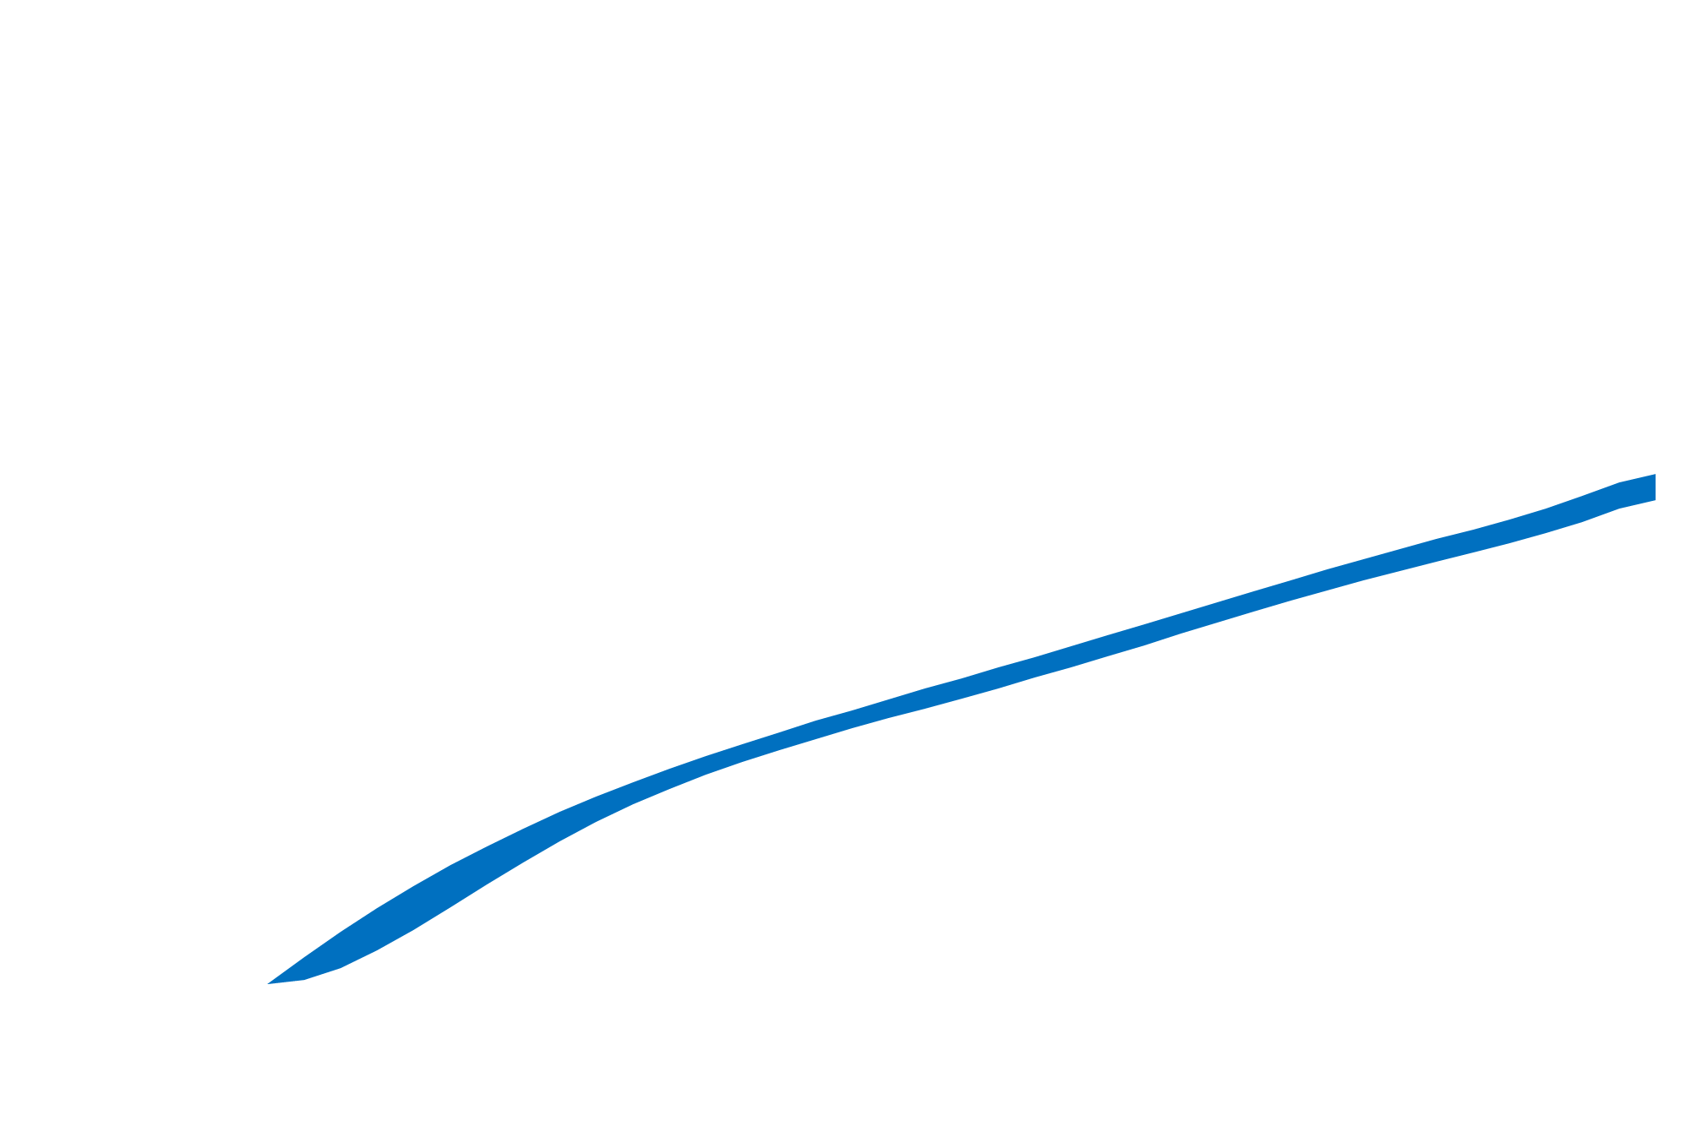
Uniaxial |  |  |  |  |  |  | Equi-biaxial |  |  |  | Planar
Experiment |  |  |  |  | Fitted |  | Experiment |  | Fitted |  | Experiment |  | Fitted
Tensile strain | Tensile stress (MPa) | STDEV | Upper Band (MPa) | Lower Band (MPa) | Tensile strain | Tensile stress (MPa) | Tensile strain | Tensile stress (MPa) | Tensile strain | Tensile stress (MPa) | Tensile strain | Tensile stress (MPa) | Tensile strain | Tensile stress (MPa)
0.00000 | 0.00000 | 0.00000 | 0.00000 | 0.00000 | 0.00000 | 0.00000 | 0.00000 | 0.00000 | 0.00000 | 0.00000 | 0.00000 | 0.00000 | 0.00000 | 0.00000
0.02667 | 0.01477 | 0.01081 | 0.02557 | 0.00396 | 0.02501 | 0.02089 | 0.02667 | 0.04086 | 0.02501 | 0.04137 | 0.02667 | 0.02724 | 0.02501 | 0.02775
0.05333 | 0.03250 | 0.01710 | 0.04959 | 0.01540 | 0.05002 | 0.04046 | 0.05333 | 0.07965 | 0.05002 | 0.07952 | 0.05333 | 0.05310 | 0.05002 | 0.05360
0.08000 | 0.05195 | 0.02008 | 0.07203 | 0.03187 | 0.07503 | 0.05887 | 0.08000 | 0.11652 | 0.07503 | 0.11495 | 0.08000 | 0.07768 | 0.07503 | 0.07775
0.10667 | 0.07215 | 0.02074 | 0.09289 | 0.05141 | 0.10004 | 0.07622 | 0.10667 | 0.15162 | 0.10004 | 0.14809 | 0.10667 | 0.10108 | 0.10004 | 0.10039
0.13334 | 0.09235 | 0.01988 | 0.11223 | 0.07248 | 0.12505 | 0.09263 | 0.13334 | 0.18507 | 0.12505 | 0.17926 | 0.13334 | 0.12338 | 0.12505 | 0.12170
0.16000 | 0.11202 | 0.01813 | 0.13014 | 0.09389 | 0.15006 | 0.10819 | 0.16000 | 0.21698 | 0.15006 | 0.20874 | 0.16000 | 0.14465 | 0.15006 | 0.14181
0.18667 | 0.13076 | 0.01598 | 0.14675 | 0.11478 | 0.17507 | 0.12300 | 0.18667 | 0.24745 | 0.17507 | 0.23675 | 0.18667 | 0.16497 | 0.17507 | 0.16085
0.21334 | 0.14836 | 0.01382 | 0.16218 | 0.13455 | 0.20008 | 0.13712 | 0.21334 | 0.27658 | 0.20008 | 0.26347 | 0.21334 | 0.18439 | 0.20008 | 0.17892
0.24000 | 0.16470 | 0.01189 | 0.17659 | 0.15281 | 0.22509 | 0.15064 | 0.24000 | 0.30446 | 0.22509 | 0.28906 | 0.24000 | 0.20297 | 0.22509 | 0.19613
0.26667 | 0.17977 | 0.01036 | 0.19013 | 0.16941 | 0.25010 | 0.16360 | 0.26667 | 0.33117 | 0.25010 | 0.31363 | 0.26667 | 0.22078 | 0.25010 | 0.21257
0.29334 | 0.19362 | 0.00930 | 0.20291 | 0.18432 | 0.27511 | 0.17607 | 0.29334 | 0.35677 | 0.27511 | 0.33729 | 0.29334 | 0.23785 | 0.27511 | 0.22829
0.32000 | 0.20636 | 0.00866 | 0.21503 | 0.19770 | 0.30012 | 0.18809 | 0.32000 | 0.38134 | 0.30012 | 0.36013 | 0.32000 | 0.25423 | 0.30012 | 0.24338
0.34667 | 0.21816 | 0.00838 | 0.22654 | 0.20978 | 0.32513 | 0.19972 | 0.34667 | 0.40494 | 0.32513 | 0.38221 | 0.34667 | 0.26996 | 0.32513 | 0.25790
0.37333 | 0.22918 | 0.00834 | 0.23752 | 0.22084 | 0.35014 | 0.21100 | 0.37333 | 0.42762 | 0.35014 | 0.40359 | 0.37333 | 0.28508 | 0.35014 | 0.27189
0.40000 | 0.23960 | 0.00845 | 0.24806 | 0.23115 | 0.37515 | 0.22196 | 0.40000 | 0.44944 | 0.37515 | 0.42431 | 0.40000 | 0.29962 | 0.37515 | 0.28540
0.42667 | 0.24961 | 0.00867 | 0.25828 | 0.24094 | 0.40016 | 0.23263 | 0.42667 | 0.47044 | 0.40016 | 0.44442 | 0.42667 | 0.31363 | 0.40016 | 0.29847
0.45333 | 0.25937 | 0.00893 | 0.26831 | 0.25044 | 0.42517 | 0.24306 | 0.45333 | 0.49067 | 0.42517 | 0.46395 | 0.45333 | 0.32711 | 0.42517 | 0.31115
0.48000 | 0.26903 | 0.00920 | 0.27824 | 0.25983 | 0.45018 | 0.25327 | 0.48000 | 0.51017 | 0.45018 | 0.48292 | 0.48000 | 0.34011 | 0.45018 | 0.32347
0.50667 | 0.27871 | 0.00945 | 0.28817 | 0.26926 | 0.47519 | 0.26328 | 0.50667 | 0.52899 | 0.47519 | 0.50136 | 0.50667 | 0.35266 | 0.47519 | 0.33545
0.53334 | 0.28849 | 0.00965 | 0.29814 | 0.27884 | 0.50020 | 0.27313 | 0.53334 | 0.54714 | 0.50020 | 0.51928 | 0.53334 | 0.36476 | 0.50020 | 0.34713
0.56000 | 0.29843 | 0.00978 | 0.30821 | 0.28866 | 0.52521 | 0.28283 | 0.56000 | 0.56468 | 0.52521 | 0.53669 | 0.56000 | 0.37645 | 0.52521 | 0.35853
0.58667 | 0.30855 | 0.00983 | 0.31838 | 0.29873 | 0.55022 | 0.29241 | 0.58667 | 0.58163 | 0.55022 | 0.55362 | 0.58667 | 0.38775 | 0.55022 | 0.36967
0.61334 | 0.31884 | 0.00981 | 0.32866 | 0.30903 | 0.57522 | 0.30188 | 0.61334 | 0.59801 | 0.57522 | 0.57006 | 0.61334 | 0.39868 | 0.57522 | 0.38058
0.64000 | 0.32925 | 0.00976 | 0.33901 | 0.31949 | 0.60023 | 0.31127 | 0.64000 | 0.61387 | 0.60023 | 0.58603 | 0.64000 | 0.40924 | 0.60023 | 0.39127
0.66667 | 0.33973 | 0.00970 | 0.34943 | 0.33004 | 0.62524 | 0.32059 | 0.66667 | 0.62922 | 0.62524 | 0.60155 | 0.66667 | 0.41948 | 0.62524 | 0.40175
0.69334 | 0.35019 | 0.00965 | 0.35983 | 0.34054 | 0.65025 | 0.32985 | 0.69334 | 0.64408 | 0.65025 | 0.61661 | 0.69334 | 0.42939 | 0.65025 | 0.41206
0.72000 | 0.36053 | 0.00964 | 0.37017 | 0.35089 | 0.67526 | 0.33908 | 0.72000 | 0.65848 | 0.67526 | 0.63124 | 0.72000 | 0.43899 | 0.67526 | 0.42219
0.74667 | 0.37068 | 0.00969 | 0.38038 | 0.36099 | 0.70027 | 0.34829 | 0.74667 | 0.67244 | 0.70027 | 0.64543 | 0.74667 | 0.44830 | 0.70027 | 0.43216
0.77334 | 0.38057 | 0.00980 | 0.39037 | 0.37077 | 0.72528 | 0.35748 | 0.77334 | 0.68599 | 0.72528 | 0.65922 | 0.77334 | 0.45732 | 0.72528 | 0.44198
0.80000 | 0.39015 | 0.00997 | 0.40012 | 0.38018 | 0.75029 | 0.36668 | 0.80000 | 0.69913 | 0.75029 | 0.67260 | 0.80000 | 0.46608 | 0.75029 | 0.45167
0.82667 | 0.39944 | 0.01021 | 0.40964 | 0.38923 | 0.77530 | 0.37588 | 0.82667 | 0.71188 | 0.77530 | 0.68561 | 0.82667 | 0.47459 | 0.77530 | 0.46123
0.85333 | 0.40850 | 0.01051 | 0.41901 | 0.39798 | 0.80031 | 0.38512 | 0.85333 | 0.72427 | 0.80031 | 0.69825 | 0.85333 | 0.48285 | 0.80031 | 0.47068
0.88000 | 0.41750 | 0.01090 | 0.42840 | 0.40660 | 0.82532 | 0.39439 | 0.88000 | 0.73631 | 0.82532 | 0.71057 | 0.88000 | 0.49087 | 0.82532 | 0.48001
0.90667 | 0.42670 | 0.01134 | 0.43804 | 0.41536 | 0.85033 | 0.40370 | 0.90667 | 0.74802 | 0.85033 | 0.72257 | 0.90667 | 0.49868 | 0.85033 | 0.48925
0.93334 | 0.43651 | 0.01177 | 0.44828 | 0.42474 | 0.87534 | 0.41307 | 0.93334 | 0.75940 | 0.87534 | 0.73430 | 0.93334 | 0.50626 | 0.87534 | 0.49839
0.96000 | 0.44748 | 0.01209 | 0.45957 | 0.43539 | 0.90035 | 0.42250 | 0.96000 | 0.77047 | 0.90035 | 0.74579 | 0.96000 | 0.51364 | 0.90035 | 0.50744
0.98667 | 0.46036 | 0.01229 | 0.47265 | 0.44807 | 0.92536 | 0.43200 | 0.98667 | 0.78124 | 0.92536 | 0.75709 | 0.98667 | 0.52083 | 0.92536 | 0.51641
1.00040 | 0.46804 | 0.01243 | 0.48047 | 0.45561 | 0.95037 | 0.44158 | 1.00040 | 0.78667 | 0.95037 | 0.76824 | 1.00040 | 0.52445 | 0.95037 | 0.52531
 |  |  |  |  | 0.97538 | 0.45125 |  |  | 0.97538 | 0.77929 |  |  | 0.97538 | 0.53413
 |  |  |  |  | 1.00039 | 0.46102 |  |  | 1.00039 | 0.79031 |  |  | 1.00039 | 0.54289

