Architecture Diagram
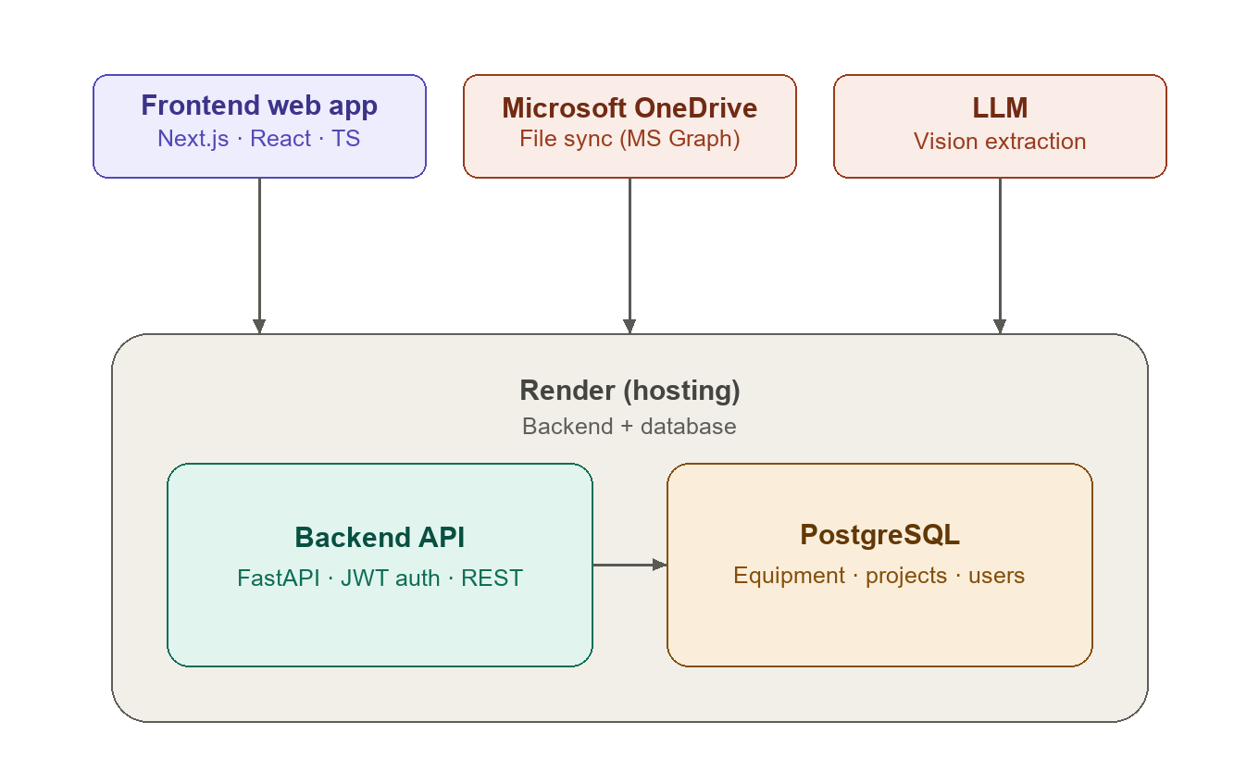
System Architecture Overview
Frontend (Next.js) and the two external integrations — Microsoft OneDrive and Anthropic Claude — all talk to the FastAPI Backend API, which is the only component with direct access to the PostgreSQL database. Both the Backend and the database are hosted together on Render.

