2x2 cube
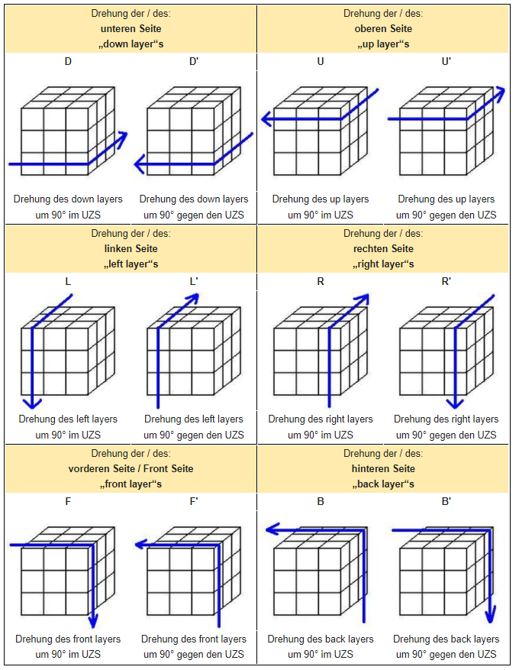
ROTATION commands are chosen to be easy applicably on real cube, following the common cube notation: F(front) / B(back) / U(up) / D(down) / R(right) / L(left) rot(side=left, dir=cw) means: face the left side to you, and then rotate it CW or CCW 2x2 cube (or any even dimension) has no fixed center piece, so the given color mapping is not unique just an example used as reference for example if you apply L and R' on the 2x2x2 you swap the sides (TOP>FRONT, FRONT>BOT,...) - an algo that is useless in solving the 2x2, it doesnt change the cubes state just its representation 2x2 speciality: if you apply L or R it will end in the same cube state, but you have swapped sides - will also work with U or D and F or B SIDE_IDX and COL_IDX are set to get a clear mapping in the ORIGINAL State

 | COLOR MAPPING: SIDE VS COLOR - ORIGINAL STATE

 |  |  |  | BACK RED [3]=3 |  |  |  |  |  |  |  | SIDE_IDX_UP = 0 |  |  |  |  | COL_IDX_WHITE = 0
 |  |  |  |  |  |  |  |  |  |  |  | SIDE_IDX_DOWN = 1 |  |  |  |  | COL_IDX_YELLOW = 1
 |  |  |  | | | | |  |  |  |  |  |  | SIDE_IDX_FRONT = 2 |  |  |  |  | COL_IDX_ORANGE = 2
 | LEFT BLUE [4]=4 |  | - | WHITE UP [0]=0 |  | - | RIGHT GREEN [5]=5 |  | - | DOWN YELLOW [1]=1 |  | SIDE_IDX_BACK = 3 |  |  |  |  | COL_IDX_RED = 3
 |  |  | - |  |  | - |  |  | - |  |  | SIDE_IDX_LEFT = 4 |  |  |  |  | COL_IDX_BLUE = 4
 |  |  |  | | | | |  |  |  |  |  |  | SIDE_IDX_RIGHT = 5 |  |  |  |  | COL_IDX_GREEN = 5
 |  |  |  | FRONT ORANGE [2]=2

Data-Strutcure is a 3-D Array with [SIDE-IDX][ROW-IDX][ITEM-IDX] - with [6][2][2] with that structure it is easy to select the correct item or row as we do not need to care about multiplication factors to calculate the index-offset as with 2D or 1D structure. to better understand how indices map together we swap the sides, so that rotation side is facing to us then we always have the same adjacent rows (grafically) for that we have to remap the indices. (To define the correct remap function)
 | ROTATE UP SIDE VIEW (ALL ARRAYS ORIENTED identical and "graphical normal" ) |  |  |  |  |  |  |  |  |  |  |  |  |  | ROTATE DOWN SIDE VIEW
 |  |  |  |  |  |  |  |  |  |  |  |  |  |  |  |  |  | BACK
 |  |  |  | [3] |  |  |  |  |  |  |  |  |  |  |  |  |  | rotate(180)
 |  |  |  | 0/0 | 0/1 |  |  |  |  |  |  |  |  |  |  |  |  | 1/1 | 1/0
 |  |  |  | 1/0 | 1/1 |  |  |  |  |  |  |  |  |  |  |  |  | 0/1 | 0/0
 | [4] |  |  | [0] | | |  |  | [5] |  |  | [1] |  |  |  | RIGHT SIDE |  |  | | | | |  | LEFT SIDE |  |  | UP
 | 0/0 | 0/1 | - | 0/0 | 0/1 | - | 0/0 | 0/1 | - | 0/0 | 0/1 |  |  |  | 0/0 | 0/1 | - | 0/0 | 0/1 | - | 0/0 | 0/1 |  | 0/0 | 0/1
 | 1/0 | 1/1 | - | 1/0 | 1/1 | - | 1/0 | 1/1 | - | 1/0 | 1/1 |  |  |  | 1/0 | 1/1 | - | 1/0 | 1/1 | - | 1/0 | 1/1 |  | 1/0 | 1/1
 |  |  |  | | | | |  |  |  |  |  |  |  |  |  |  |  |  | | | |
 |  |  |  | 0/0 | 0/1 |  |  |  |  |  |  |  |  |  |  |  |  | 1/1 | 1/0
 |  |  |  | 1/0 | 1/1 |  |  |  |  |  |  |  |  |  |  |  |  | 0/1 | 0/0
 |  |  |  | [2] |  |  |  |  |  |  |  |  |  |  |  |  |  | FRONT
 |  |  |  |  |  |  |  |  |  |  |  |  |  |  |  |  |  | rotate(180)
 | remap example adjacent edge (CW) |  |  |  |  |  | remap example facing side (CW) - is always a simple array rotation!
 | mem = [4][0][1] |  |  |  |  |  | mem = [0][0][0]
 | [4][0][1] = [4][1][1] |  |  |  |  |  | [0][0][0] = [0][1][0]
 | [4][1][1] = [2][0][0] |  |  |  |  |  | [0][1][0] = [0][1][1]
 | [2][0][0] = [2][0][1] |  |  |  |  |  | [0][1][1] = [0][0][1]
 | … |  |  |  |  |  | [0][0][1] = mem
 | [3][1][0] = mem

 | ROTATE LEFT SIDE VIEW |  |  |  |  |  |  |  |  |  |  |  |  |  | ROTATE RIGHT SIDE VIEW
 |  |  |  | rotate(90) - CCW |  |  |  |  |  |  |  |  |  |  |  |  |  | rotate(90) - CW
 |  |  |  | BACK |  |  |  |  |  |  |  |  |  |  |  |  |  | BACK
 |  |  |  | 0/1 | 1/1 |  |  |  |  |  |  |  |  |  |  |  |  | 1/0 | 0/0
 |  |  |  | 0/0 | 1/0 |  |  |  |  |  |  |  |  |  |  |  |  | 1/1 | 0/1
 | DOWN SIDE |  |  | | | | |  | UP SIDE |  |  | RIGHT |  |  |  |  | UP SIDE |  |  | | | | |  | DOWN SIDE |  |  | LEFT
 | 0/0 | 0/1 | - | 0/0 | 0/1 | - | 0/0 | 0/1 | - | nc | nc |  |  |  | 0/0 | 0/1 | - | 0/0 | 0/1 | - | 0/0 | 0/1 |  | nc | nc
 | 1/0 | 1/1 | - | 1/0 | 1/1 | - | 1/0 | 1/1 | - | nc | nc |  |  |  | 1/0 | 1/1 | - | 1/0 | 1/1 | - | 1/0 | 1/1 |  | nc | nc
 |  |  |  | | | | |  |  |  |  |  |  |  |  |  |  |  |  | | | |
 |  |  |  | 1/0 | 0/0 |  |  |  |  |  |  |  |  |  |  |  |  | 0/1 | 1/1
 |  |  |  | 1/1 | 0/1 |  |  |  |  |  |  |  |  |  |  |  |  | 0/0 | 1/0
 |  |  |  | FRONT |  |  |  |  |  |  |  |  |  |  |  |  |  | FRONT
 |  |  |  | rotate(90) - CW |  |  |  |  |  |  |  |  |  |  |  |  |  | rotate(90) - CCW

 | ROTATE FRONT SIDE |  |  |  |  |  |  |  |  |  |  |  |  |  | ROTATE BACK SIDE
 |  |  |  |  |  |  |  |  |  |  |  |  |  |  |  |  |  | rotate(180)
 |  |  |  | UP SIDE |  |  |  |  |  |  |  |  |  |  |  |  |  | DOWN SIDE
 |  |  |  | 0/0 | 0/1 |  |  |  |  |  |  |  |  |  |  |  |  | 1/1 | 1/0
 | LEFT SIDE |  |  | 1/0 | 1/1 |  | RIGHT SIDE |  |  |  |  |  |  |  | LEFT SIDE |  |  | 0/1 | 0/0 |  | RIGHT SIDE
 | rotate(90) - CCW |  |  | | | | | | | rotate(90) - CW |  |  | BACK |  |  |  |  | rotate(90) - CW |  |  | | | | |  | rotate(90) - CCW |  |  | FRONT
 | 0/1 | 1/1 | - | 0/0 | 0/1 | - | 1/0 | 0/0 |  | nc | nc |  |  |  | 1/0 | 0/0 | - | 0/0 | 0/1 | - | 0/1 | 1/1 | - | nc | nc
 | 0/0 | 1/0 | - | 1/0 | 1/1 | - | 1/1 | 0/1 |  | nc | nc |  |  |  | 1/1 | 0/1 | - | 1/0 | 1/1 | - | 0/0 | 1/0 | - | nc | nc
 |  |  |  | | | | |  |  |  |  |  |  |  |  |  |  |  |  | | | |
 |  |  |  | 1/1 | 1/0 |  |  |  |  |  |  |  |  |  |  |  |  | 0/0 | 0/1
 |  |  |  | 0/1 | 0/0 |  |  |  |  |  |  |  |  |  |  |  |  | 1/0 | 1/1
 |  |  |  | DOWN SIDE |  |  |  |  |  |  |  |  |  |  |  |  |  | UP SIDE
 |  |  |  | rotate(180)

 |  |  |  | [3]
 |  |  |  | 0/0 | 0/1
 |  |  |  | 1/0 | 1/1
 | [4] |  |  | [0] |  |  |  | [5] |  |  | [1]
 | 0/0 | 0/1 | - | 0/0 | 0/1 | - | 0/0 | 0/1 | - | 0/0 | 0/1
 | 1/0 | 1/1 | - | 1/0 | 1/1 | - | 1/0 | 1/1 | - | 1/0 | 1/1
 |  |  |  | | | |
 |  |  |  | 0/0 | 0/1
 |  |  |  | 1/0 | 1/1
 |  |  |  | [2]

 | Representation of Cube's Data in C as u32facemap (32Bits per face)
 |  |  |  | u32face[3] |  |  |  |  |  |  |  |  |  |  |  | u32face[3]
 |  |  |  | 0/0 | 0/1 |  |  |  |  |  |  |  |  |  |  | 0 | 1
 |  |  |  | 1/0 | 1/1 |  |  |  |  |  |  |  |  |  |  | BOT_ROW
 | u32face[4] |  |  | u32face[0] |  |  | u32face[5] |  |  | u32face[1] |  |  | u32face[4] |  |  | u32face[0] |  |  | u32face[5] |  |  | u32face[1]
 | 0/0 | 0/1 |  | 0xFF | 0xFF<<8 |  | 0/0 | 0/1 | - | 0/0 | 0/1 |  | 0 | RIGHT COL |  | TL | TR |  | LEFT COL | 0 | - | 0/0 | 0/1
 | 1/0 | 1/1 |  | 0xFF<<24 | 0xFF<<16 |  | 1/0 | 1/1 | - | 1/0 | 1/1 |  | 1 |  |  | BL | BR |  |  | 1 | - | 1/0 | 1/1
 |  |  |  | u32face[2] |  |  |  |  |  |  |  |  |  |  |  | u32face[2]
 |  |  |  | 0/0 | 0/1 |  |  |  |  |  |  |  |  |  |  | TOP ROW
 |  |  |  | 1/0 | 1/1 |  |  |  |  |  |  |  |  |  |  | 0 | 1

 | Example - rotation CW on UP-SIDE
 |  |  |  | u32face[3] |  |  |  |  |  |  |  |  |  |  |  | u32face[3]
 |  |  |  | 0xFF | 0xFF<<8 |  |  |  |  |  |  |  |  |  |  | 0xFF | 0xFF<<8
 |  |  |  | 0xFF<<24 | 0xFF<<16 |  |  |  |  |  |  |  |  |  |  | 0xFF<<24 | 0xFF<<16
 | u32face[4] |  |  | u32face[0] |  |  | u32face[5] |  |  | u32face[1] |  |  | u32face[4] |  |  | u32face[0] |  |  | u32face[5] |  |  | u32face[1]
 | 0xFF | 0xFF<<8 |  | 0xFF | 0xFF<<8 |  | 0xFF | 0xFF<<8 | - | 0/0 | 0/1 |  | 0xFF | 0xFF<<8 |  | 0xFF | 0xFF<<8 |  | 0xFF | 0xFF<<8 | - | 0/0 | 0/1
 | 0xFF<<24 | 0xFF<<16 |  | 0xFF<<24 | 0xFF<<16 |  | 0xFF<<24 | 0xFF<<16 | - | 1/0 | 1/1 |  | 0xFF<<24 | 0xFF<<16 |  | 0xFF<<24 | 0xFF<<16 |  | 0xFF<<24 | 0xFF<<16 | - | 1/0 | 1/1
 |  |  |  | u32face[2] |  |  |  |  |  |  |  |  |  |  |  | u32face[2]
 |  |  |  | 0xFF | 0xFF<<8 |  |  |  |  |  |  |  |  |  |  | 0xFF | 0xFF<<8
 |  |  |  | 0xFF<<24 | 0xFF<<16 |  |  |  |  |  |  |  |  |  |  | 0xFF<<24 | 0xFF<<16

4x4 cube
approach for 4x4: what is new here we can rotate outer or inner sides if we look at the yellow side front then Row 0 or Row 3 are outer sides, row 0 is relevant for top-side rotation rotation of yellow row 1 or row 2, with rotation axis going through TOP/BOT, will only modifiy the adjacents to top/bot but not the main side we could describe the rotation axis with X/Y/Z as this is more common and define X = left/right, Y=..... we could choose where to set the axis origin (0/0/0), if we decide to set it to array-center then we have to be aware of dimension is even or odd, if it is odd (eg 3) we would have position -1 / 0 / 1, can be extended for each odd number if it is even (eg 4) we would have position -2 / -1 / +1 / +2, or asymetric -1 / 0 / +1 / +2, or decimal values so it could be better to set the axis to an edge so we get only possitive integer axis position, we do not care of even or odd dimension outer is always posotion 0 or NDIM-1, all other positions are inner
axis = front/back
or axis = Y
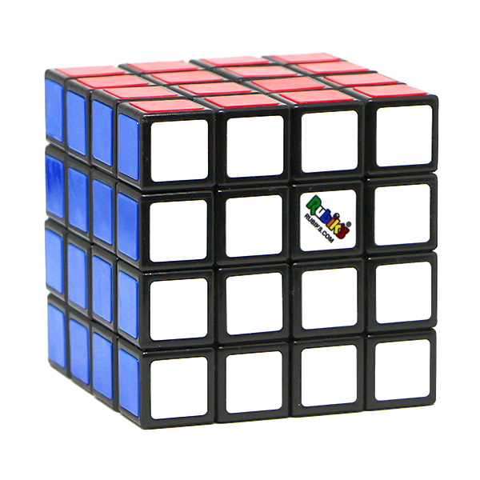
axis = top/bot
or axis = Z
axis = left/right
or axis = X
axis = front/back
or axis = Y

 |  |  |  |  |  | 0/0 | 0/1 | 0/2 | 0/3
 |  |  |  |  |  | 1/0 | 1/1 | 1/2 | 1/3
 |  |  |  |  |  | 2/0 | 2/1 | 2/2 | 2/3
 |  |  |  |  |  | 3/0 | 3/1 | 3/2 | 3/3

axis = left/right
or axis = X
 |  | 0/0 | 0/1 | 0/2 | 0/3 | 0/0 | 0/1 | 0/2 | 0/3 | 0/0 | 0/1 | 0/2 | 0/3 | 0/0 | 0/1 | 0/2 | 0/3
 |  | 1/0 | 1/1 | 1/2 | 1/3 | 1/0 | 1/1 | 1/2 | 1/3 | 1/0 | 1/1 | 1/2 | 1/3 | 1/0 | 1/1 | 1/2 | 1/3
 |  | 2/0 | 2/1 | 2/2 | 2/3 | 2/0 | 2/1 | 2/2 | 2/3 | 2/0 | 2/1 | 2/2 | 2/3 | 2/0 | 2/1 | 2/2 | 2/3
 |  | 3/0 | 3/1 | 3/2 | 3/3 | 3/0 | 3/1 | 3/2 | 3/3 | 3/0 | 3/1 | 3/2 | 3/3 | 3/0 | 3/1 | 3/2 | 3/3

 |  |  |  |  | row 0 | 0/0 | 0/1 | 0/2 | 0/3 | outer
 |  |  |  |  | row 1 | 1/0 | 1/1 | 1/2 | 1/3 | inner
 |  |  |  |  | row 2 | 2/0 | 2/1 | 2/2 | 2/3 | inner
 |  |  |  |  | row 3 | 3/0 | 3/1 | 3/2 | 3/3 | outer

axis = top/bot
or axis = Z

axis = top/bot
or axis = Z
axis = left/right
or axis = X
axis = front/back
or axis = Y
 |  | Example with Axis Origin set to an edge

 |  |  |  |  |  | 0/0 | 0/1 | 0/2 | 0/3
 |  |  |  |  |  | 1/0 | 1/1 | 1/2 | 1/3
 |  |  |  |  |  | 2/0 | 2/1 | 2/2 | 2/3
 |  |  |  |  |  | 3/0 | 3/1 | 3/2 | 3/3

 | 0/3 | 0/0 | 0/1 | 0/2 | 0/3 | 0/0 | 0/1 | 0/2 | 0/3 | 0/0 | 0/1 | 0/2 | 0/3 | 0/0 | 0/1 | 0/2 | 0/3
 | 1/3 | 1/0 | 1/1 | 1/2 | 1/3 | 1/0 | 1/1 | 1/2 | 1/3 | 1/0 | 1/1 | 1/2 | 1/3 | 1/0 | 1/1 | 1/2 | 1/3
 | 2/3 | 2/0 | 2/1 | 2/2 | 2/3 | 2/0 | 2/1 | 2/2 | 2/3 | 2/0 | 2/1 | 2/2 | 2/3 | 2/0 | 2/1 | 2/2 | 2/3
 | 3/3 | 3/0 | 3/1 | 3/2 | 3/3 | 3/0 | 3/1 | 3/2 | 3/3 | 3/0 | 3/1 | 3/2 | 3/3 | 3/0 | 3/1 | 3/2 | 3/3

 |  |  |  |  | row 0 | 0/0 | 0/1 | 0/2 | 0/3 | outer
 |  |  |  |  | row 1 | 1/0 | 1/1 | 1/2 | 1/3 | inner
 |  |  |  |  | row 2 | 2/0 | 2/1 | 2/2 | 2/3 | inner
 |  |  |  |  | row 3 | 3/0 | 3/1 | 3/2 | 3/3 | outer

