4x4 cube
approach for 4x4: what is new here we can rotate outer or inner sides if we look at the yellow side front then Row 0 or Row 3 are outer sides, row 0 is relevant for top-side rotation rotation of yellow row 1 or row 2, with rotation axis going through TOP/BOT, will only modifiy the adjacents to top/bot but not the main side we could describe the rotation axis with X/Y/Z as this is more common and define X = left/right, Y=..... we could choose where to set the axis origin (0/0/0), if we decide to set it to array-center then we have to be aware of dimension is even or odd, if it is odd (eg 3) we would have position -1 / 0 / 1, can be extended for each odd number if it is even (eg 4) we would have position -2 / -1 / +1 / +2, or asymetric -1 / 0 / +1 / +2, or decimal values so it could be better to set the axis to an edge so we get only possitive integer axis position, we do not care of even or odd dimension outer is always posotion 0 or NDIM-1, all other positions are inner
axis = front/back
or axis = Y
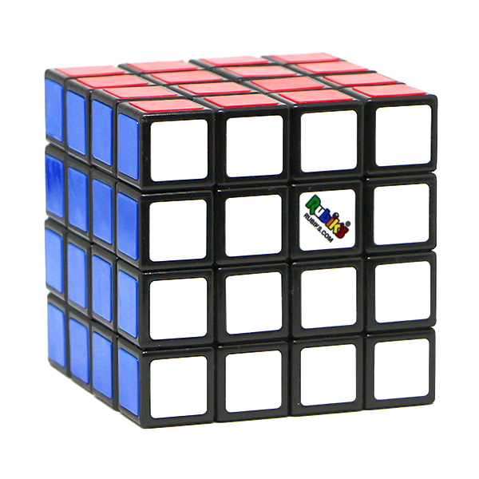
axis = top/bot
or axis = Z
axis = left/right
or axis = X
axis = front/back
or axis = Y

 |  |  |  |  |  | 0/0 | 0/1 | 0/2 | 0/3
 |  |  |  |  |  | 1/0 | 1/1 | 1/2 | 1/3
 |  |  |  |  |  | 2/0 | 2/1 | 2/2 | 2/3
 |  |  |  |  |  | 3/0 | 3/1 | 3/2 | 3/3

axis = left/right
or axis = X
 |  | 0/0 | 0/1 | 0/2 | 0/3 | 0/0 | 0/1 | 0/2 | 0/3 | 0/0 | 0/1 | 0/2 | 0/3 | 0/0 | 0/1 | 0/2 | 0/3
 |  | 1/0 | 1/1 | 1/2 | 1/3 | 1/0 | 1/1 | 1/2 | 1/3 | 1/0 | 1/1 | 1/2 | 1/3 | 1/0 | 1/1 | 1/2 | 1/3
 |  | 2/0 | 2/1 | 2/2 | 2/3 | 2/0 | 2/1 | 2/2 | 2/3 | 2/0 | 2/1 | 2/2 | 2/3 | 2/0 | 2/1 | 2/2 | 2/3
 |  | 3/0 | 3/1 | 3/2 | 3/3 | 3/0 | 3/1 | 3/2 | 3/3 | 3/0 | 3/1 | 3/2 | 3/3 | 3/0 | 3/1 | 3/2 | 3/3

 |  |  |  |  | row 0 | 0/0 | 0/1 | 0/2 | 0/3 | outer
 |  |  |  |  | row 1 | 1/0 | 1/1 | 1/2 | 1/3 | inner
 |  |  |  |  | row 2 | 2/0 | 2/1 | 2/2 | 2/3 | inner
 |  |  |  |  | row 3 | 3/0 | 3/1 | 3/2 | 3/3 | outer

axis = top/bot
or axis = Z

axis = top/bot
or axis = Z
axis = left/right
or axis = X
axis = front/back
or axis = Y
 |  | Example with Axis Origin set to an edge

 |  |  |  |  |  | 0/0 | 0/1 | 0/2 | 0/3
 |  |  |  |  |  | 1/0 | 1/1 | 1/2 | 1/3
 |  |  |  |  |  | 2/0 | 2/1 | 2/2 | 2/3
 |  |  |  |  |  | 3/0 | 3/1 | 3/2 | 3/3

 | 0/3 | 0/0 | 0/1 | 0/2 | 0/3 | 0/0 | 0/1 | 0/2 | 0/3 | 0/0 | 0/1 | 0/2 | 0/3 | 0/0 | 0/1 | 0/2 | 0/3
 | 1/3 | 1/0 | 1/1 | 1/2 | 1/3 | 1/0 | 1/1 | 1/2 | 1/3 | 1/0 | 1/1 | 1/2 | 1/3 | 1/0 | 1/1 | 1/2 | 1/3
 | 2/3 | 2/0 | 2/1 | 2/2 | 2/3 | 2/0 | 2/1 | 2/2 | 2/3 | 2/0 | 2/1 | 2/2 | 2/3 | 2/0 | 2/1 | 2/2 | 2/3
 | 3/3 | 3/0 | 3/1 | 3/2 | 3/3 | 3/0 | 3/1 | 3/2 | 3/3 | 3/0 | 3/1 | 3/2 | 3/3 | 3/0 | 3/1 | 3/2 | 3/3

 |  |  |  |  | row 0 | 0/0 | 0/1 | 0/2 | 0/3 | outer
 |  |  |  |  | row 1 | 1/0 | 1/1 | 1/2 | 1/3 | inner
 |  |  |  |  | row 2 | 2/0 | 2/1 | 2/2 | 2/3 | inner
 |  |  |  |  | row 3 | 3/0 | 3/1 | 3/2 | 3/3 | outer

