发票箱单
渠道服务（必填）* | 罗马尼亚FBE铁卡联运 |  |  | 箱数（必填）* | 2 | 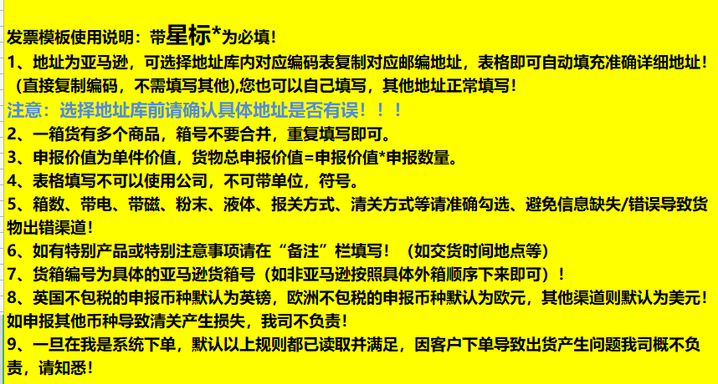
海外仓地址库编码* （在海外仓地址库复制） | DC1-087151 |  |  | 带电（必填）* | 否
收件人姓名（必填）* | Receptie DC1 |  |  | 带磁（必填）* | 否
收件人公司 | eMAG |  |  | 粉末（必填)* | 否
收件人地址一（必填）* | Strada Ciorogarla 214,Rampa S35 |  |  | 液体(必填）* | 否
收件人地址二 | 0 |  |  | 报关方式（必填）* | 买单报关
收件人地址三 | 0 |  |  | 交税方式* | 包税
收件人城市（必填）* | comuna Joita sat Bacu |  |  | VAT号*（自税/递延必填）
收件人省份/州（必填）* | Giurgiu |  |  | EORI号*（自税/递延必填）
收件人邮编（必填）* | 087151 |  |  | VAT注册国家*（自税/递延必填）
收件人国家代码* (二字代码)（必填）* | RO |  |  | VAT公司英文名*（自税/递延必填）
收件人电话 | 0790016103 |  |  | VAT注册地址*（国外地址,自税/递延必填）
收件人邮箱 |  |  |  | PO Number*（Reference ID）
客户单号（必填）： FBA/FBC/FBE入仓号* |  |  |  | 关联单号
购买保险 | 否 |  |  | 备注（选填）
保价金额
投保币种 | 美金

货箱编号（必填）* | 产品中文品名* （必填） | 产品英文品名* (必填） | 产品海关编码* (必填） | 产品申报数量* (必填） | 产品申报单价* （必填） | 产品申报总价* （必填） | 产品材质* (必填） | 产品用途* (必填） | 净重 | 重量 | 长 | 宽 | 高 | 产品图片* (必填） | 产品销售链接* （必填） | 产品品牌* (必填） | 产品型号* (必填） | 产品销售价格 | po Number | 产品重量(kg) （每pcs重量） | 产品SKU

