Images
eMAG catalogue image standards | Exemple
All eMAG products need at least one or more images. Choose clear images, rich in details, that will help emulate as much as possible of the physical store experience You can load a maximum of 5 images per product. WARNING! - Products with following images problems will be rejected: - poor image quality - pixelated/blurry, unclear, with editing artefacts - images not corresponding with information presented in other documentation sections (characteristics, descriptions, name, etc.) - images not available for download at the supplied link - images not respecting the quality rules mentioned below for main and secondary images | 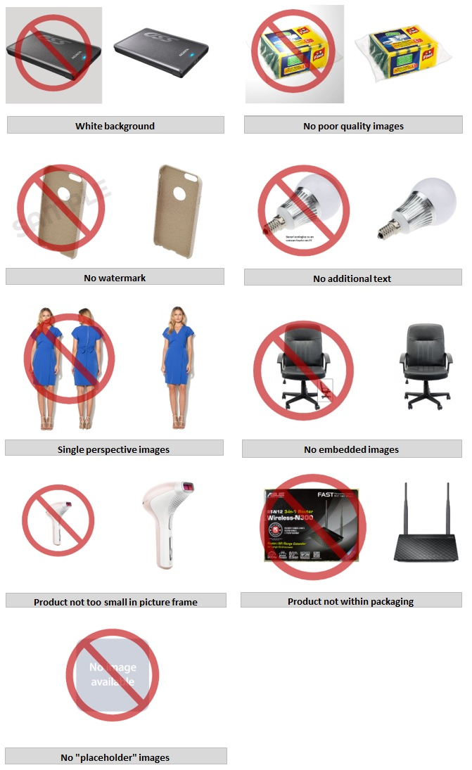

Main image
-choose an image that only presents the product, with none or minimal support elements - the product has to be presented on white background, in all entirety, centered in the image and front facing - the product has to represent a sufficient percentage of the image - for Air Conditioning equipment, the main image will present the interior unit - for products in "Fashion" category, the main image will present the fashion model from a front-facing perspective - should NOT contain other inserted elements: additional images, logos, zooms, texts (letters, numbers, special characters), watermarks (texts overwritten over or near the product image), image galleries - should NOT be edited to contain shadows and reflections - should NOT contain other products from the same product range. Each product has to be imported individually

Additional images
- choose explanatory and relevant images of product details - white background is recommended but not mandatory - make sure you present the same product variant as in the main image - avoid as much as possible the insertion of manufacturer logos - should NOT include inserted elements such as watermarks (texts overwritten over or near the product image)

Image dimensions
The minimum accepted image dimension is 640 x 640 pixels*. The maximum accepted image dimension is 6000 x 6000 pixels. *There is an exception from this rule for products in the "Fashion" category which need to meet the following conditions: for clothing articles the minimum accepted dimension is 640 x 960 pixels, aspect ratio 2/3. If the images used are outside this range, the product will be invalidated by eMAG systems.

Image file specifications
eMAG systems accept the following image formats: JPG (.jpg), PNG (.png), GIF (.gif). The maximum accepted image file dimension is 8 MB.

Image files uploading
Insert the URLs of the photos in the corresponding fields on the "Template" page. Make sure the pictures can be downloaded using the links completed in the template, otherwise the products will be rejected.

