Fixed
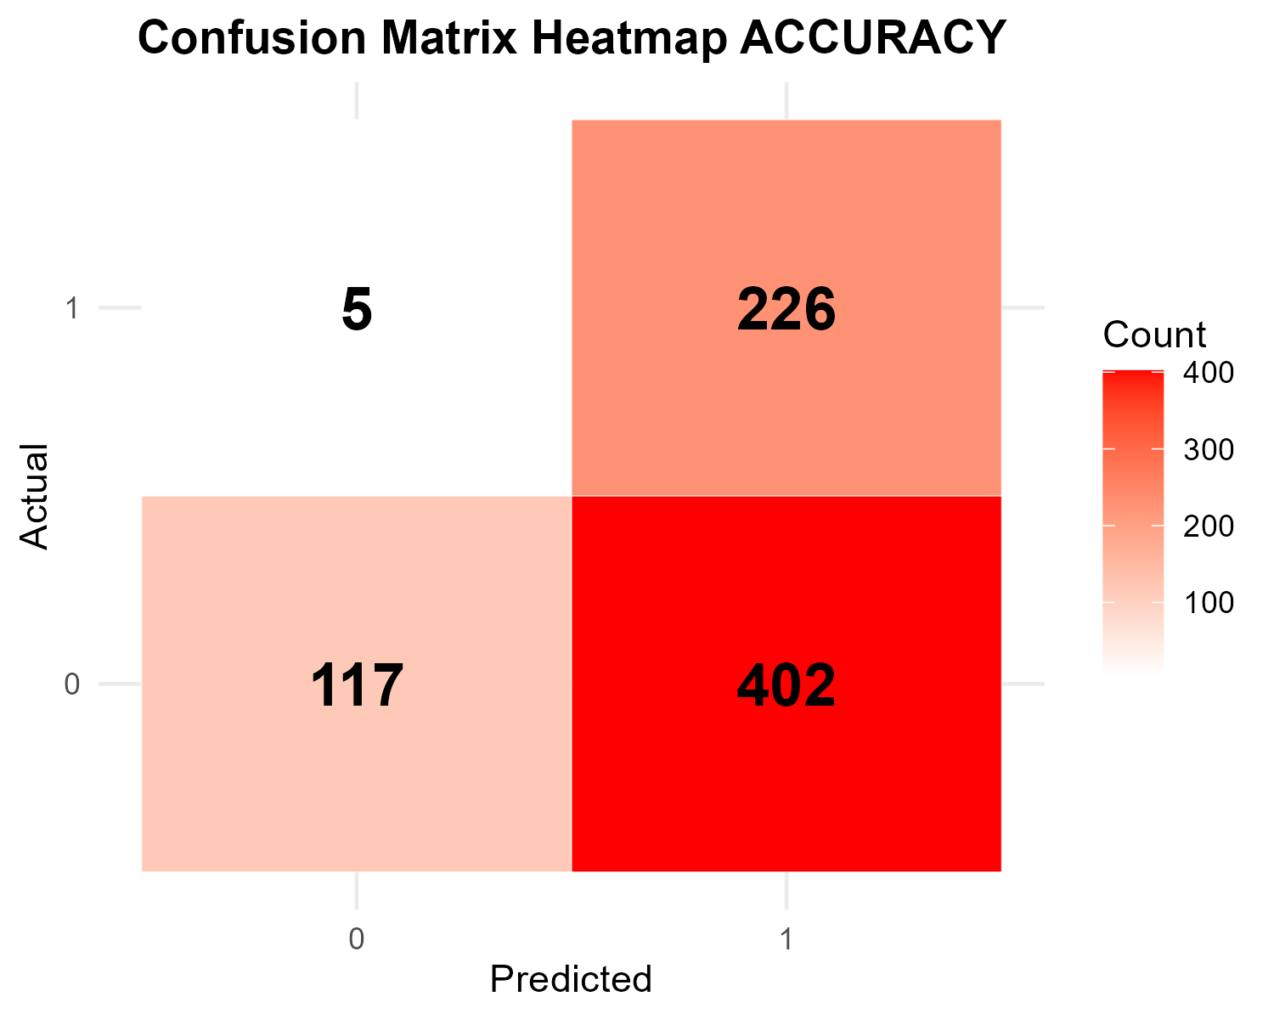
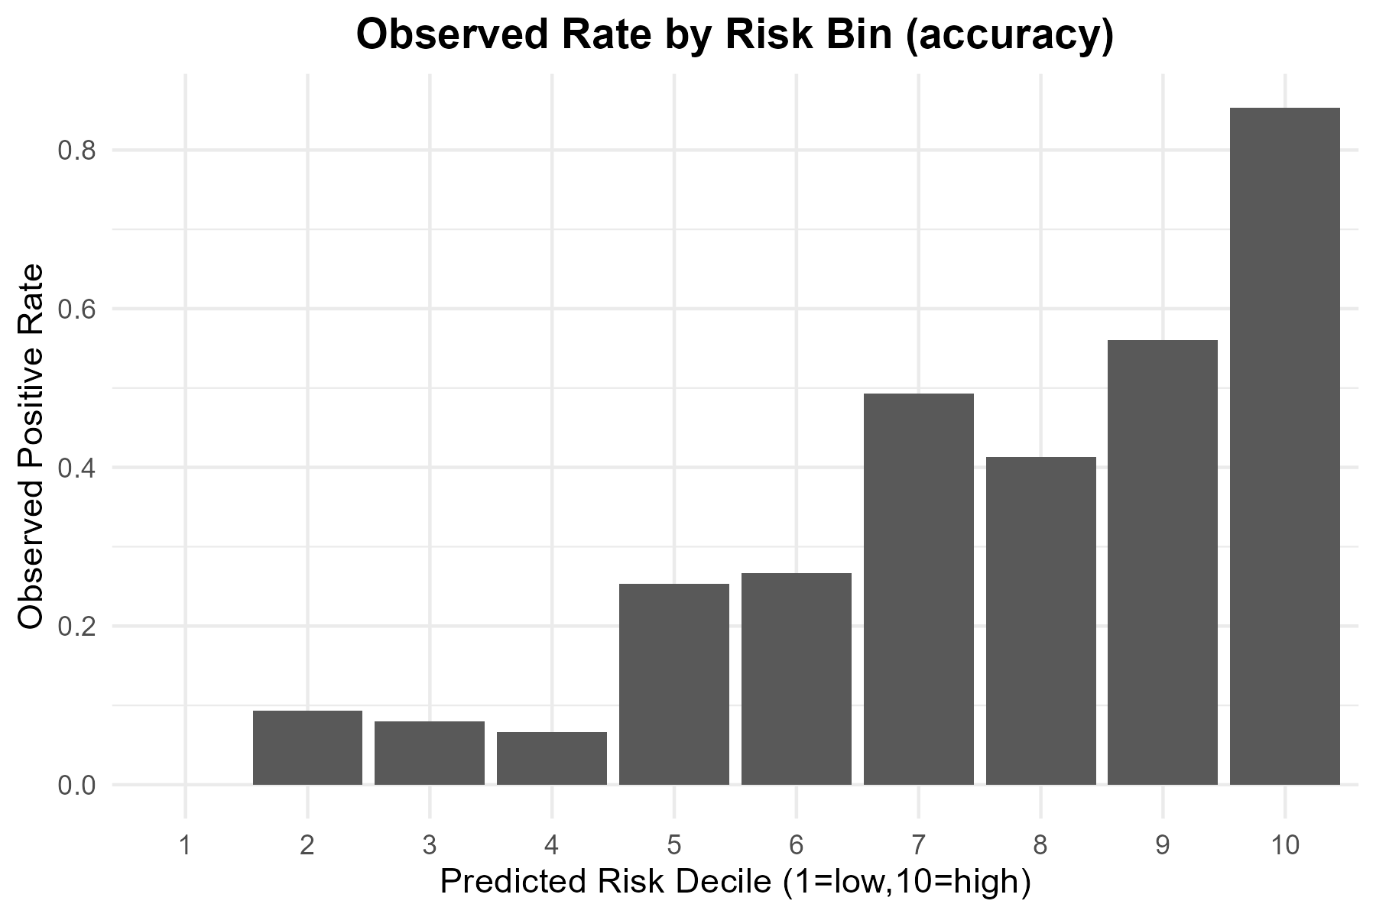
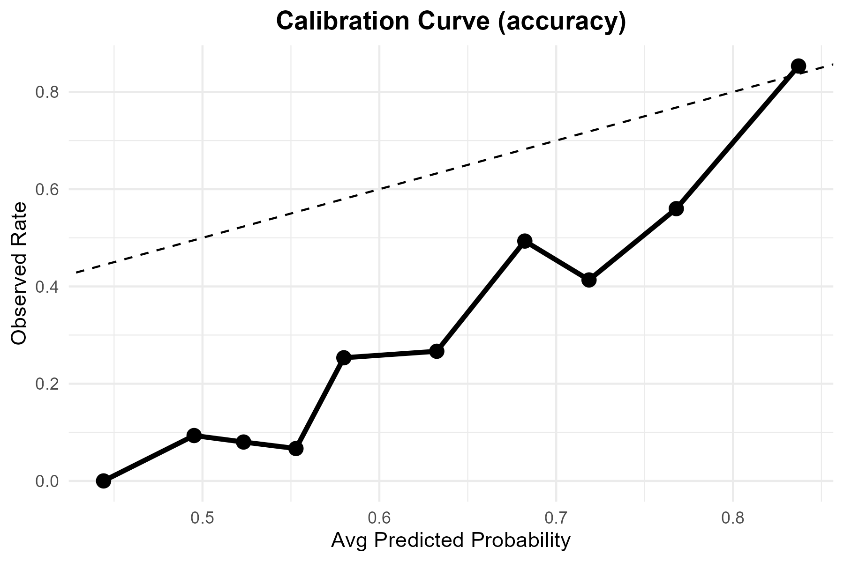
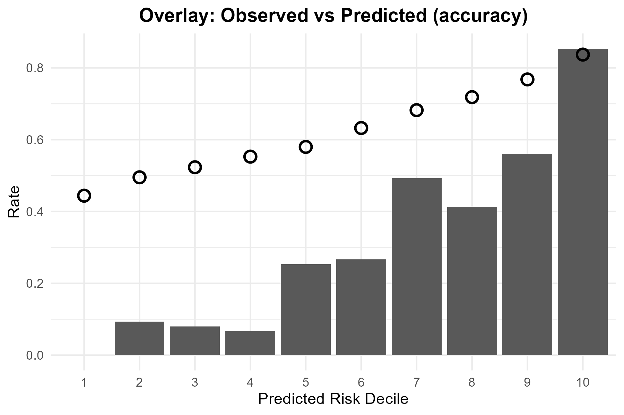
Metric | Value
TP | 226
FP | 402
TN | 117
FN | 5
Accuracy | 0.45733333
Precision | 0.35987261
Recall | 0.97835498
F1 | 0.52619325
Threshold | 0.5

Tuned
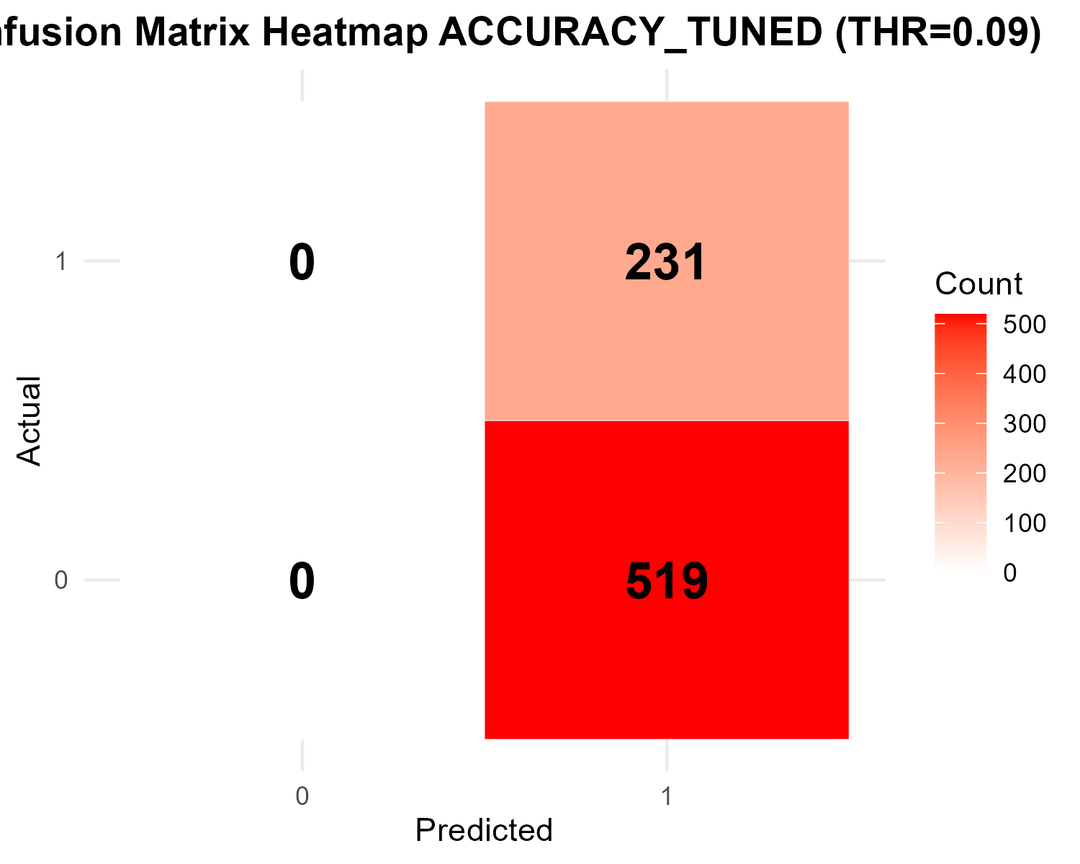

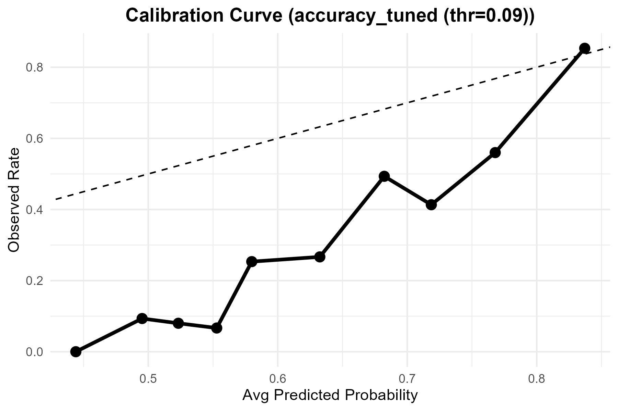

Metric | Value
Accuracy | 0.308
Precision | 0.308
Recall | 1
F1 | 0.47094801223
Best_Threshold | 0.09

ROC
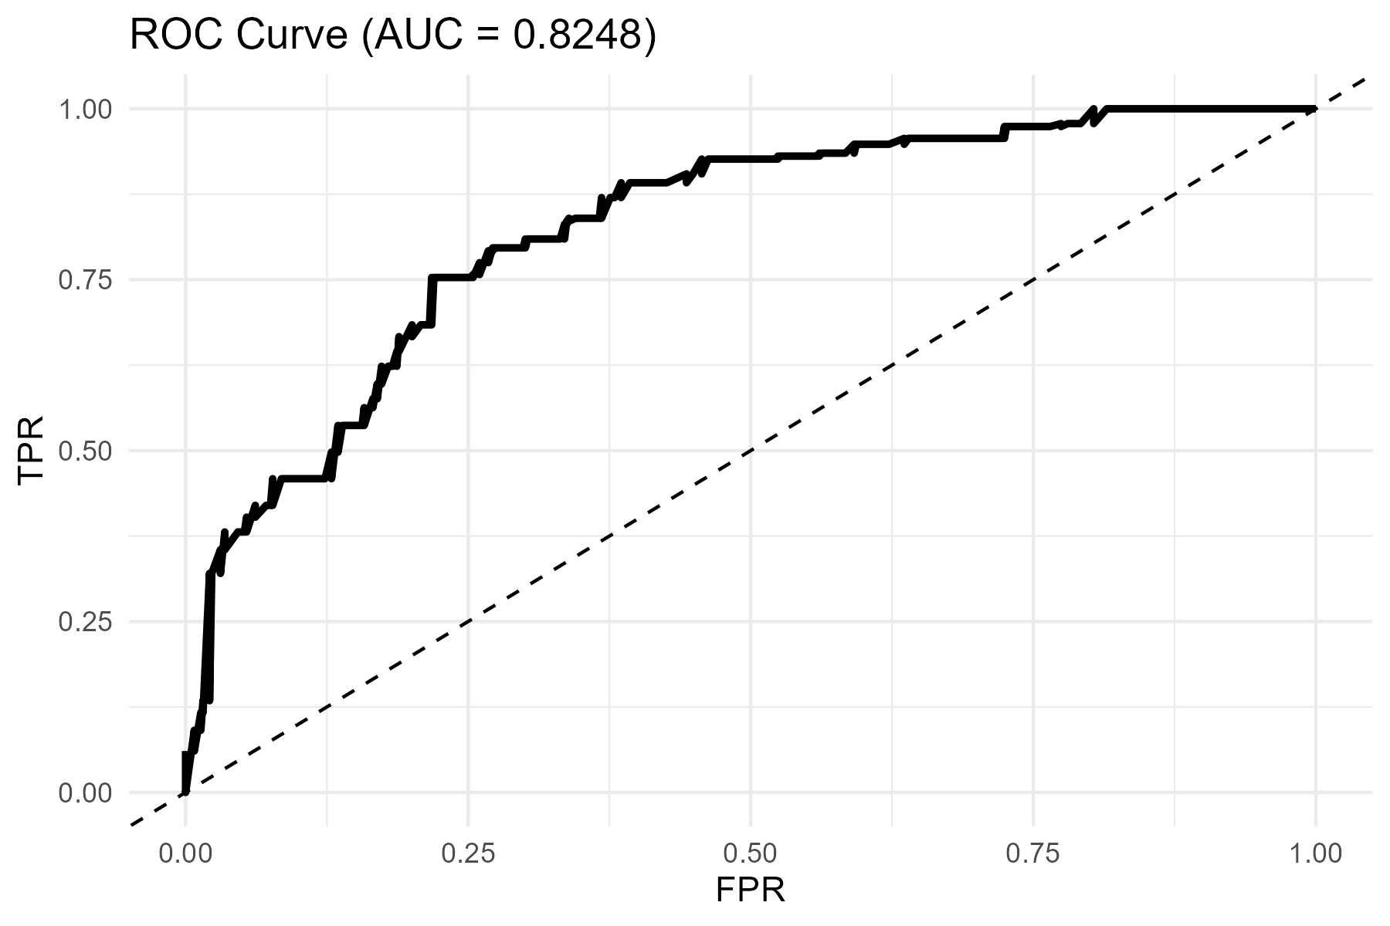
AUC
0.82478792883

