Fixed
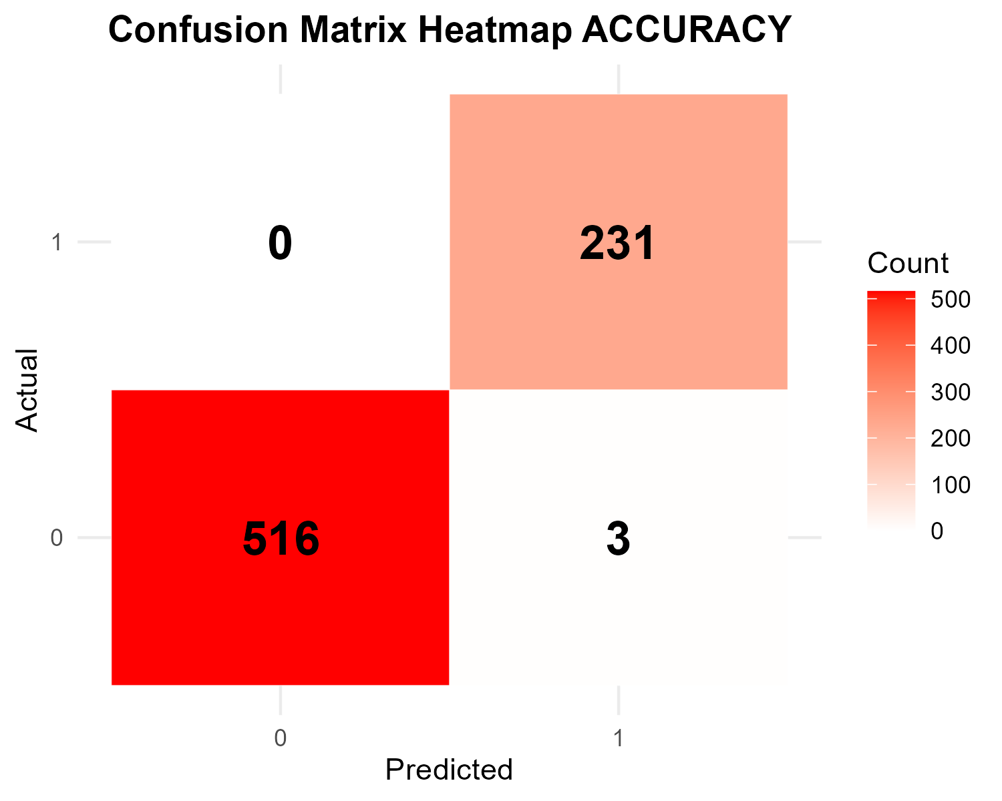
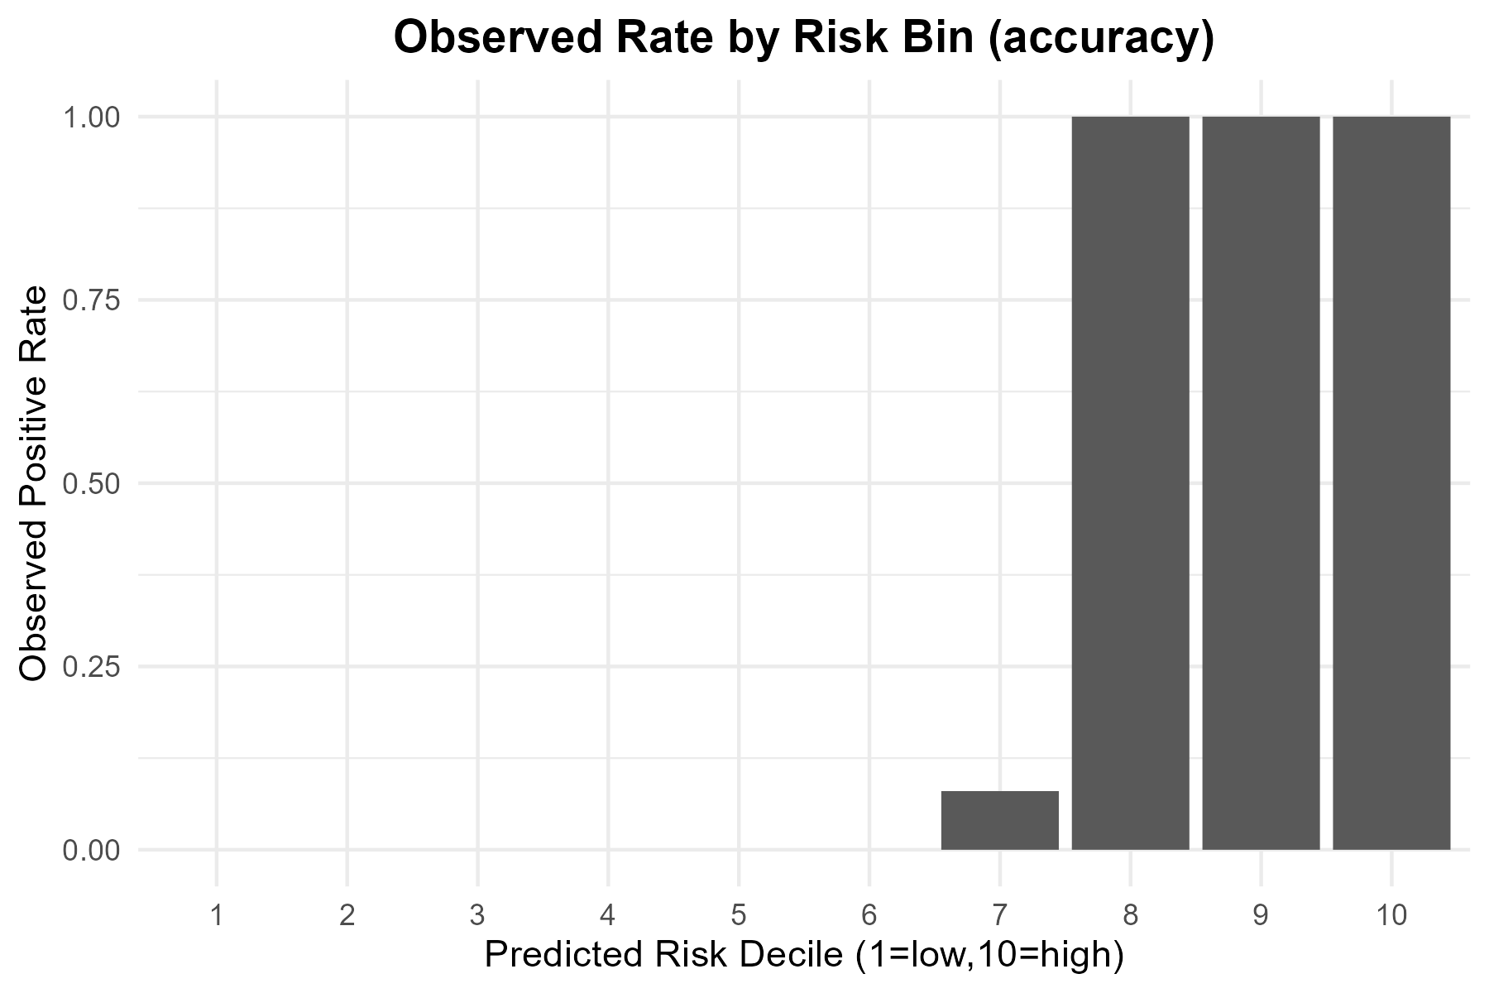
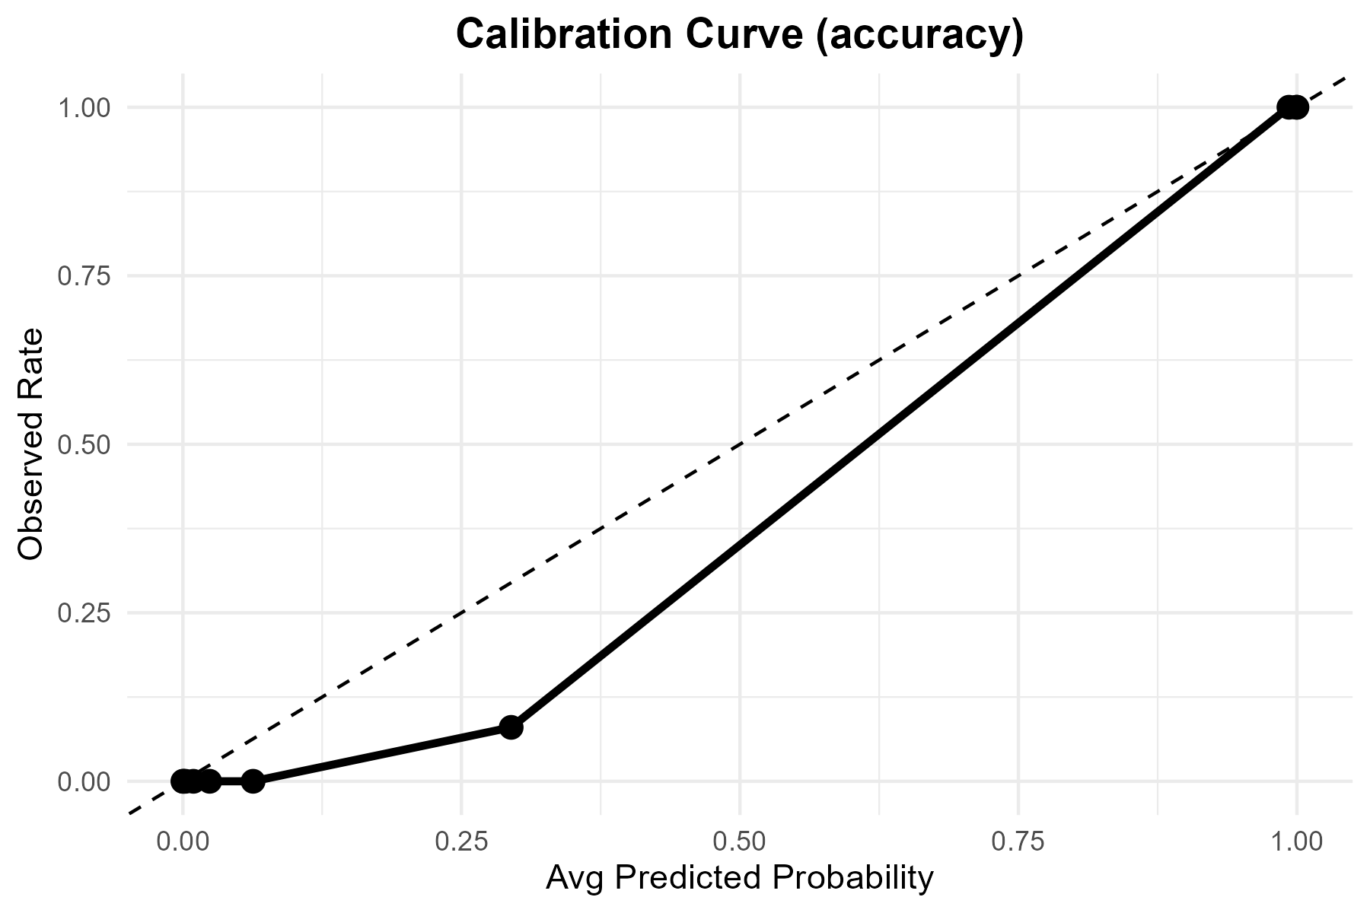
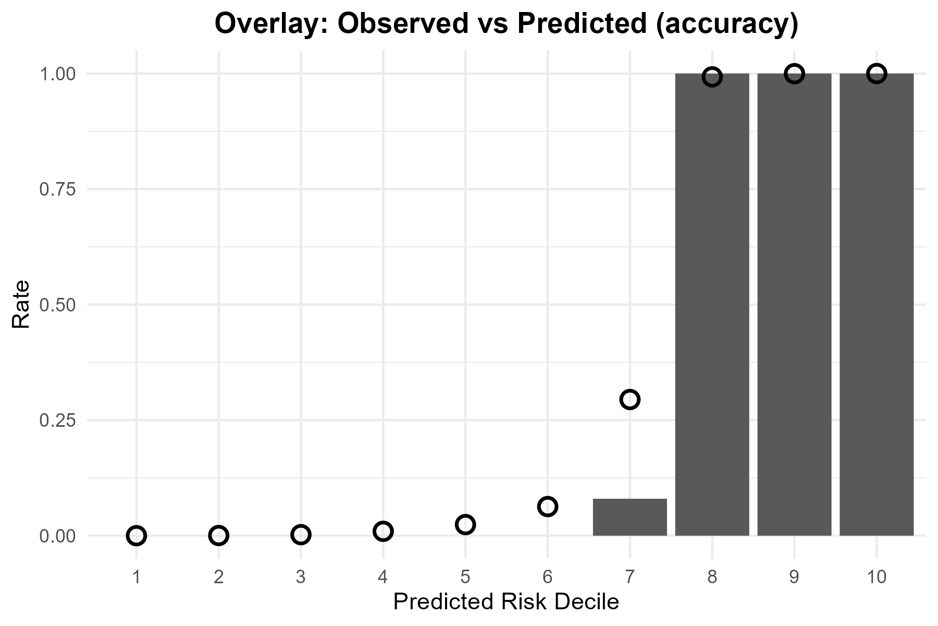
Metric | Value
TP | 231
FP | 3
TN | 516
FN | 0
Accuracy | 0.996
Precision | 0.98717949
Recall | 1
F1 | 0.99354839
Threshold | 0.5

Tuned

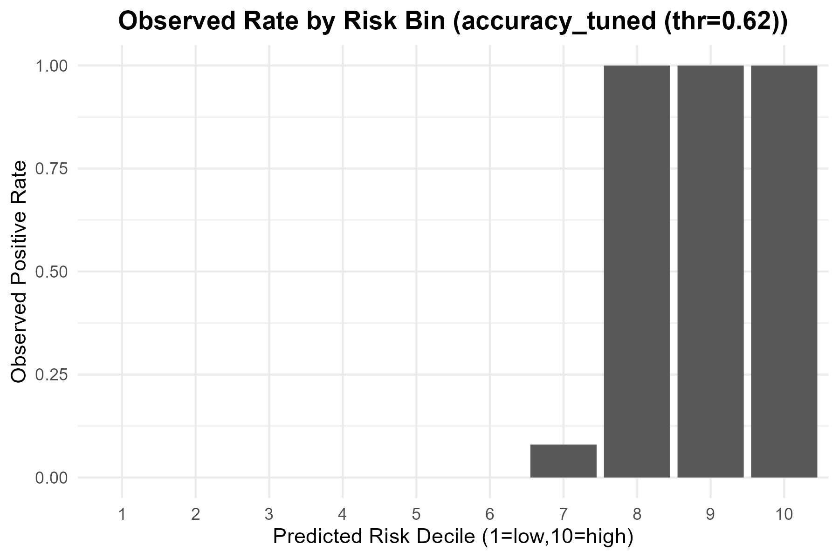

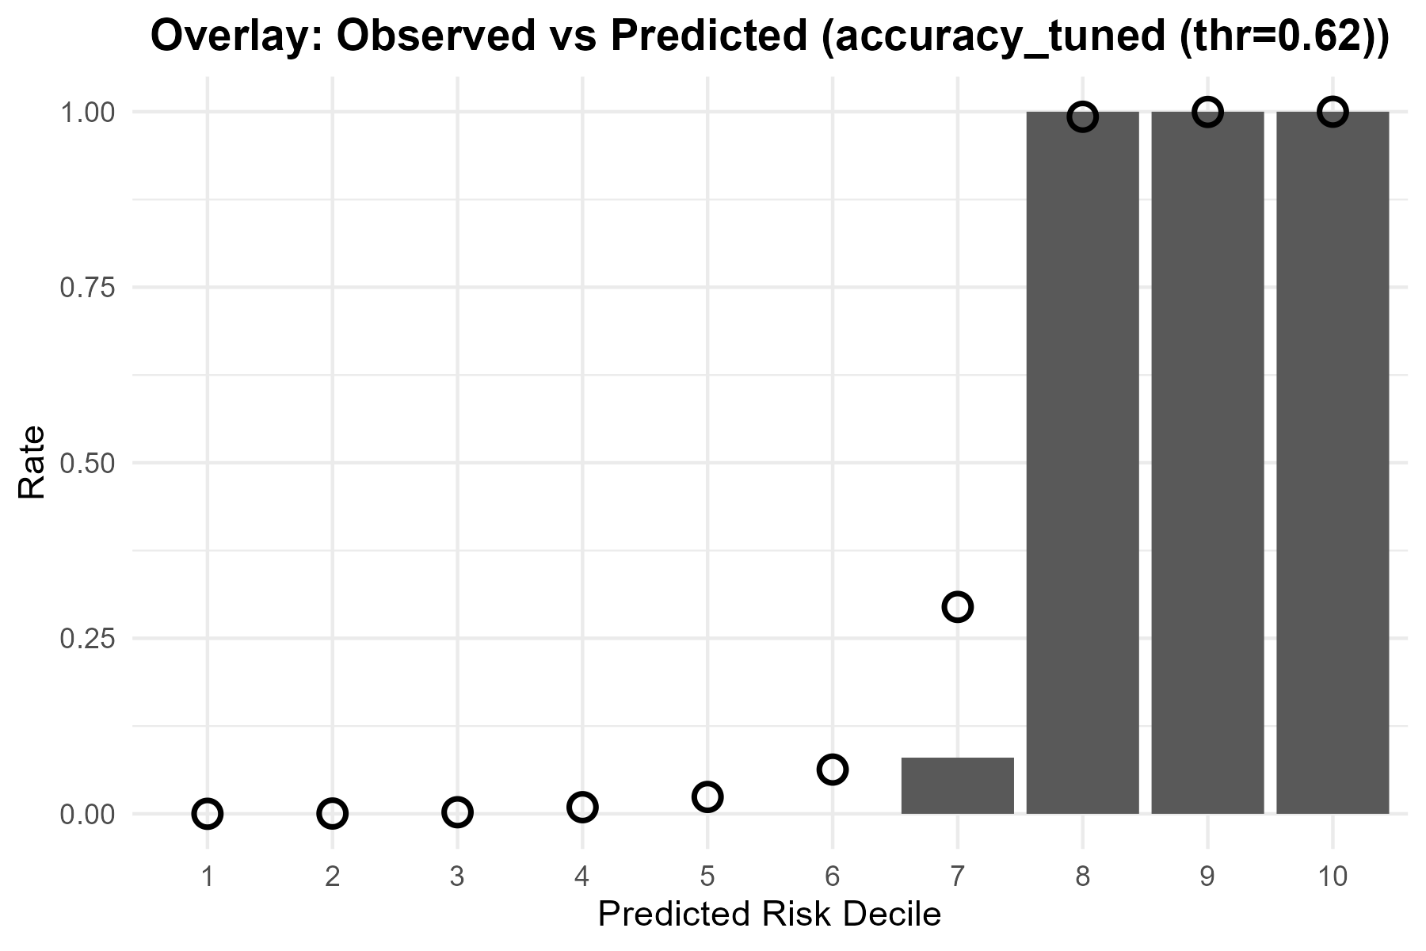
Metric | Value
Accuracy | 0.99866666667
Precision | 0.99568965517
Recall | 1
F1 | 0.99784017279
Best_Threshold | 0.62

ROC
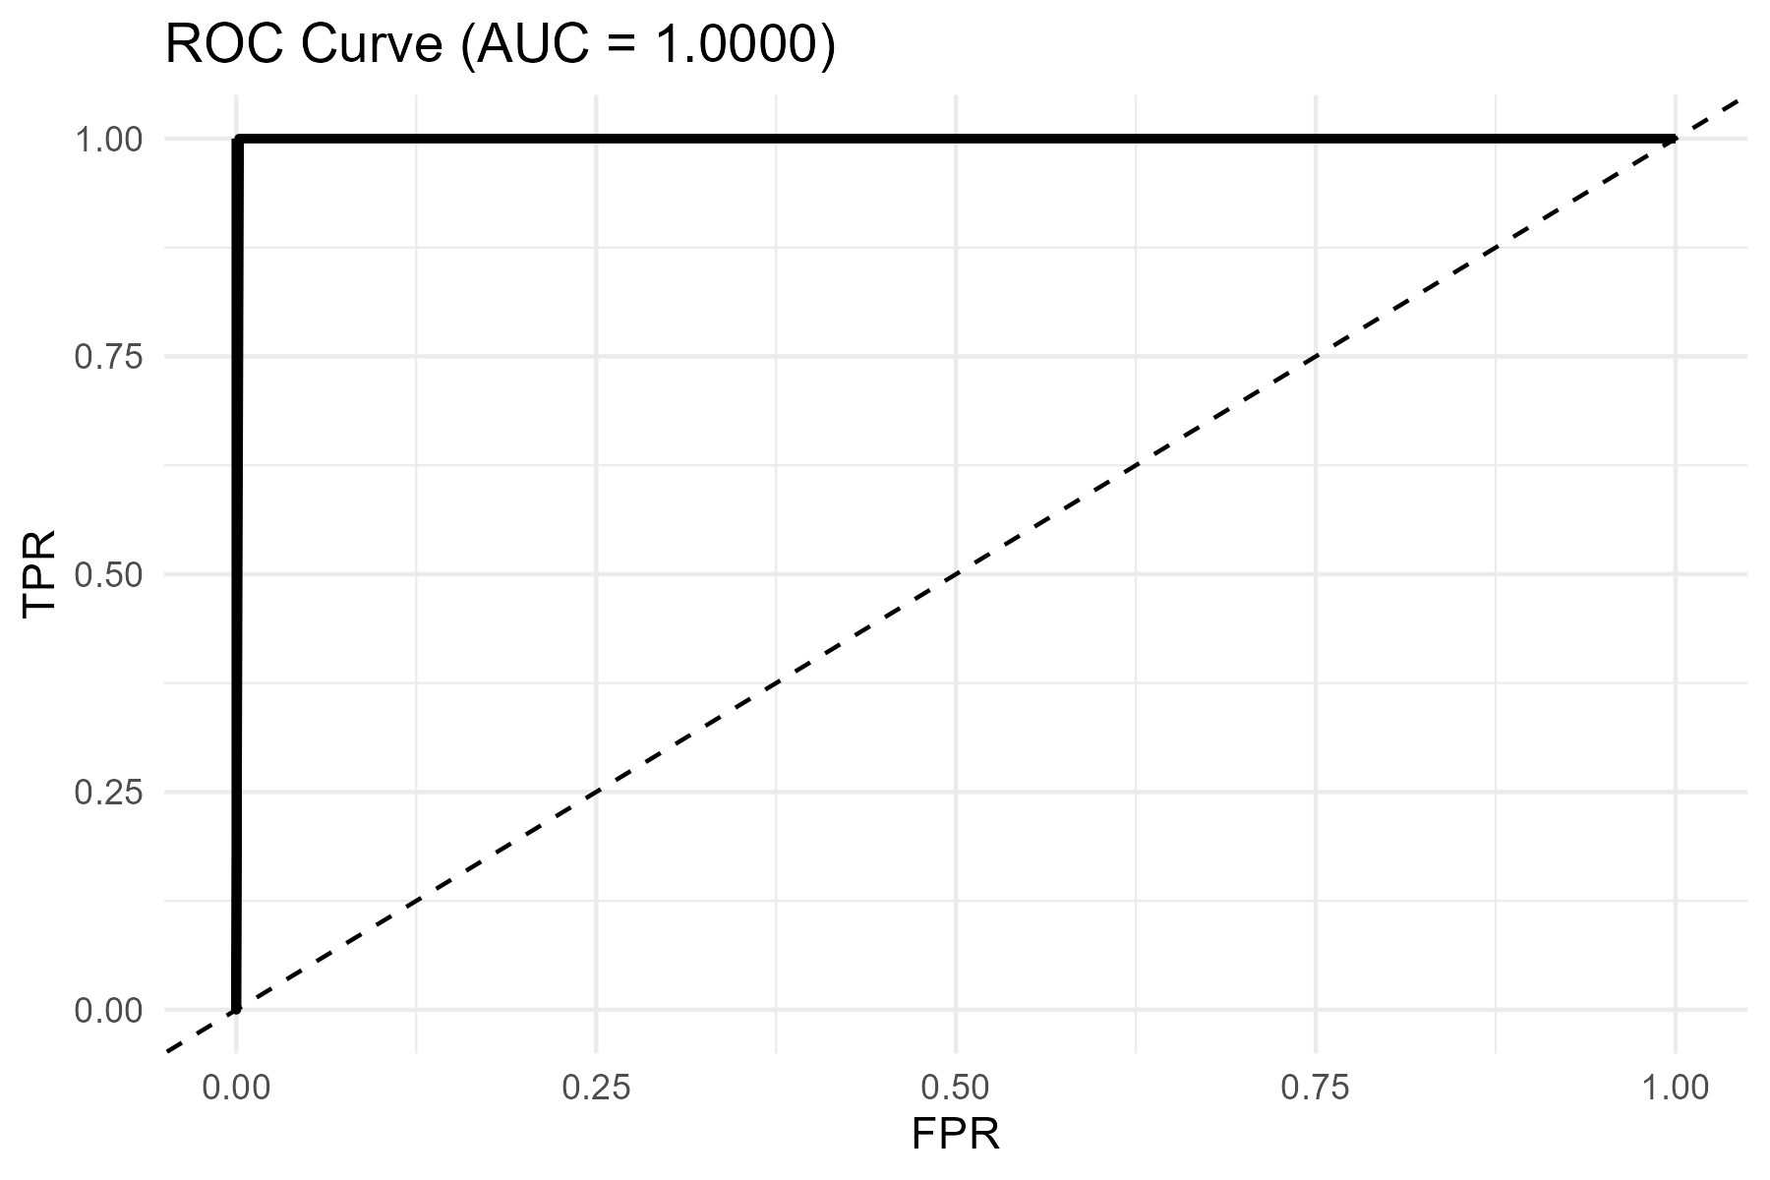
AUC
1

