Fixed
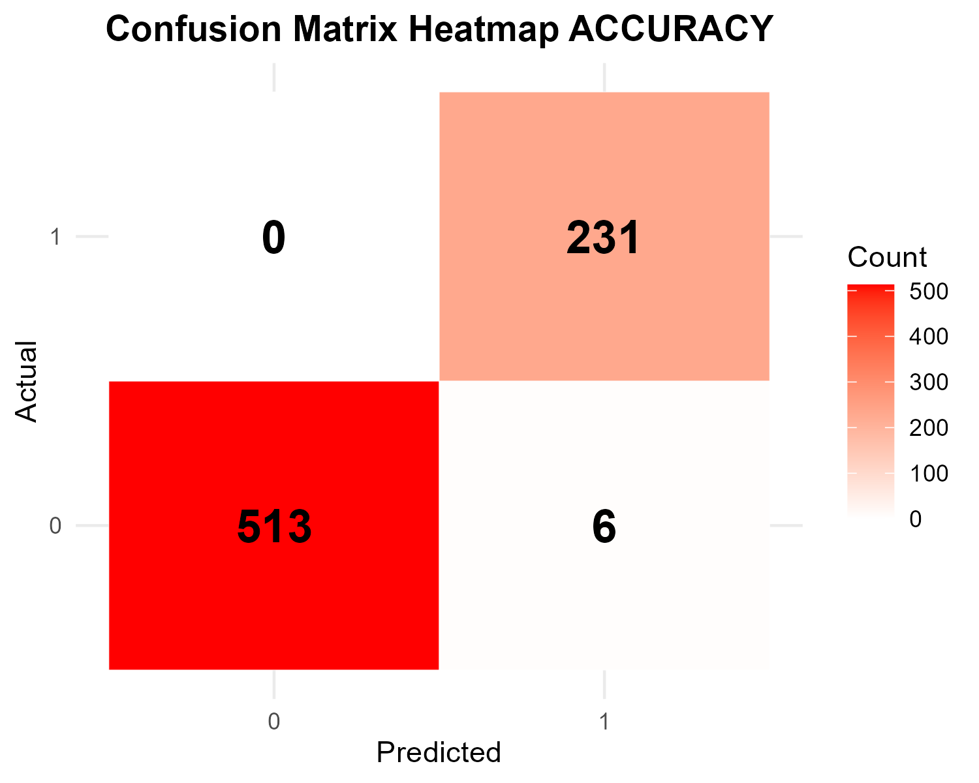
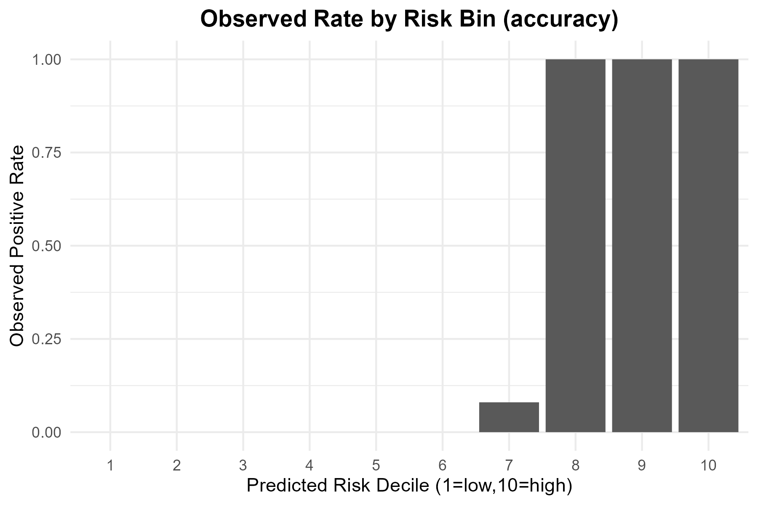
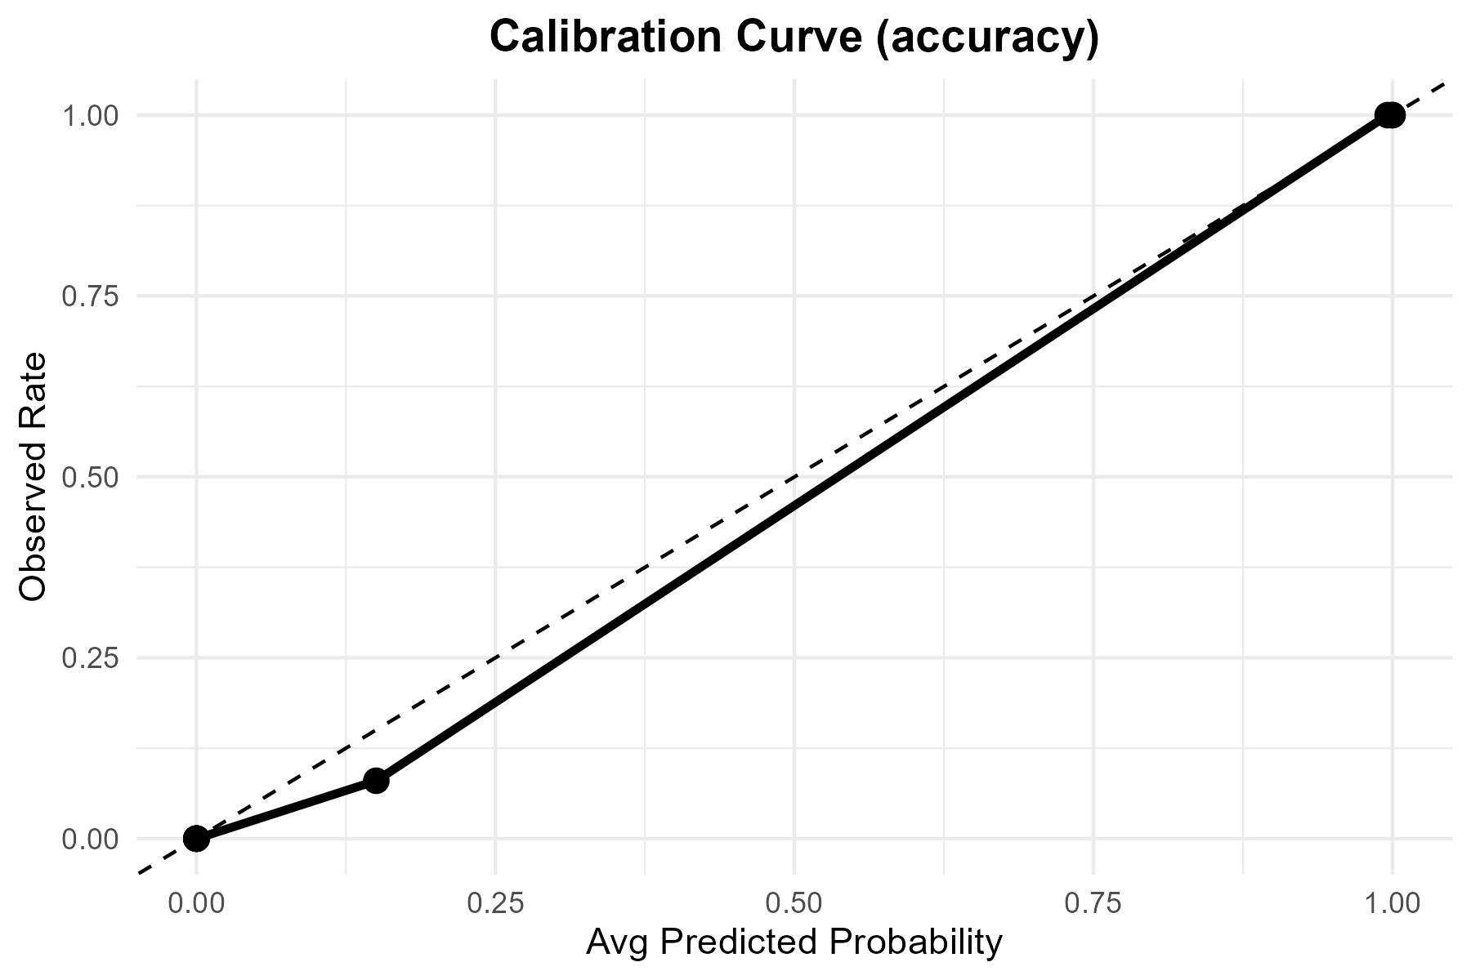

Metric | Value
TP | 231
FP | 6
TN | 513
FN | 0
Accuracy | 0.992
Precision | 0.97468354
Recall | 1
F1 | 0.98717949
Threshold | 0.5

Tuned

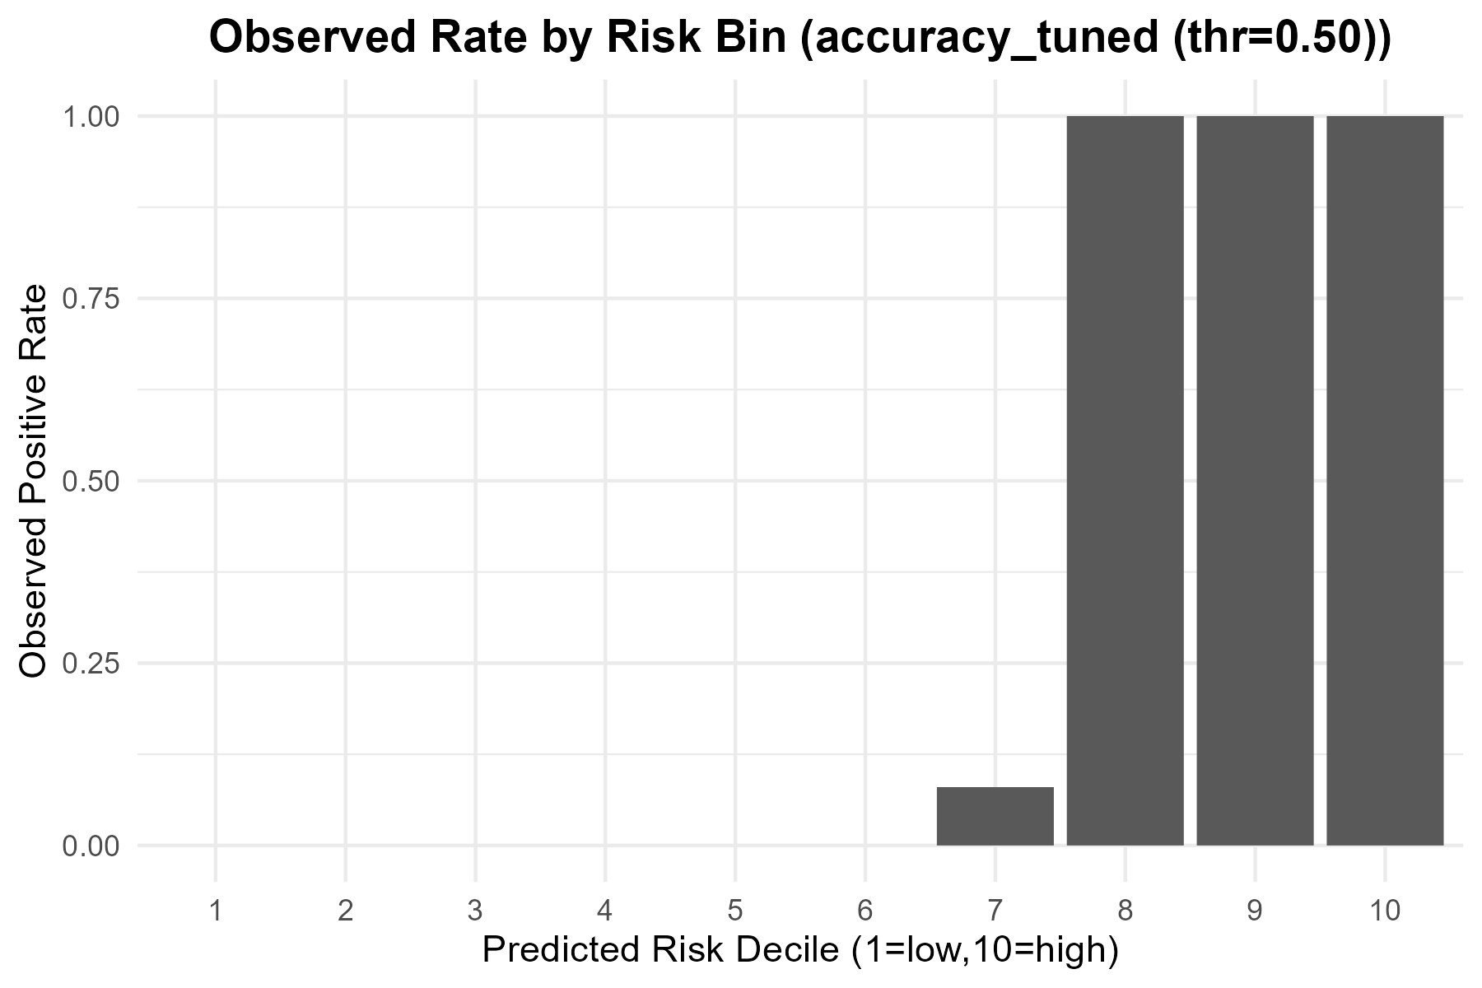
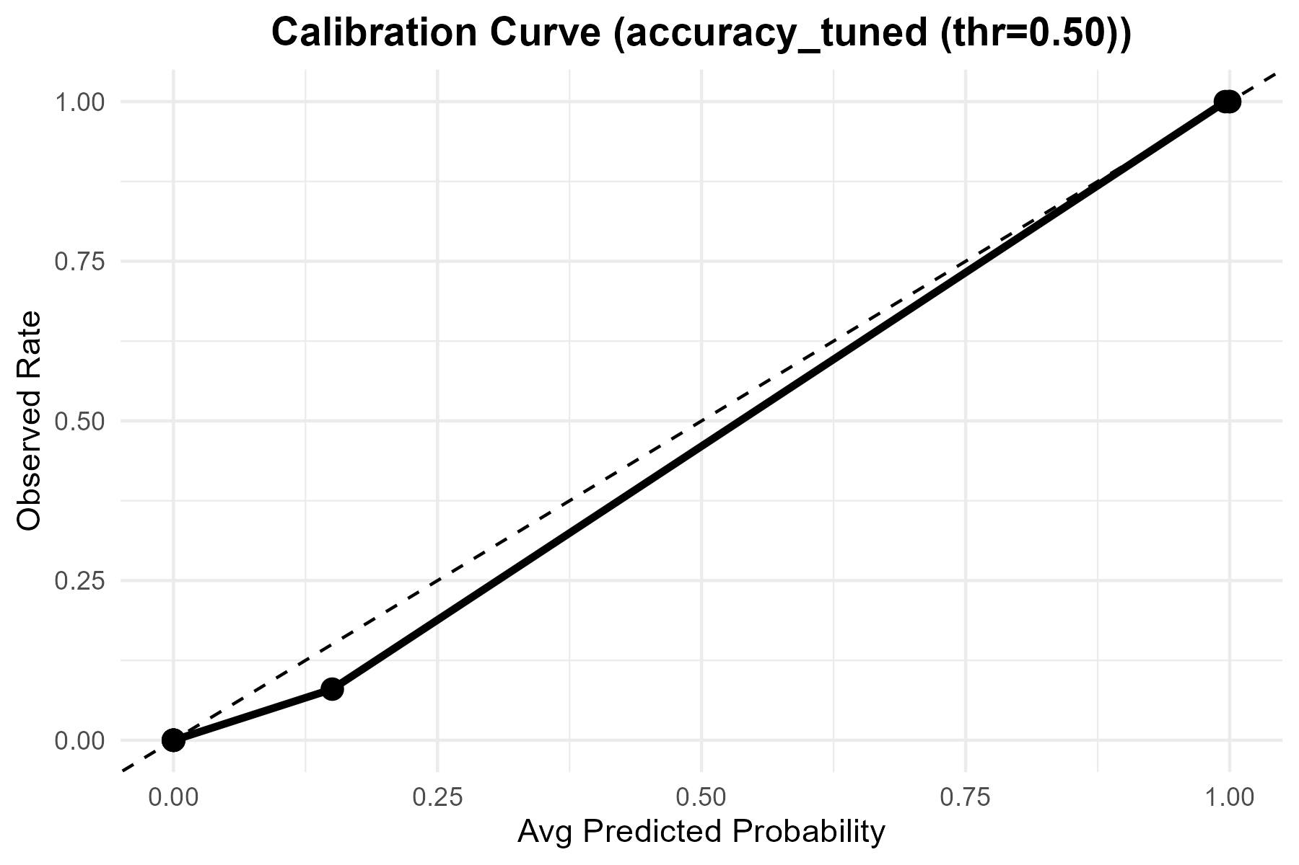

Metric | Value
Accuracy | 0.992
Precision | 0.9746835443
Recall | 1
F1 | 0.98717948718
Best_Threshold | 0.5

ROC
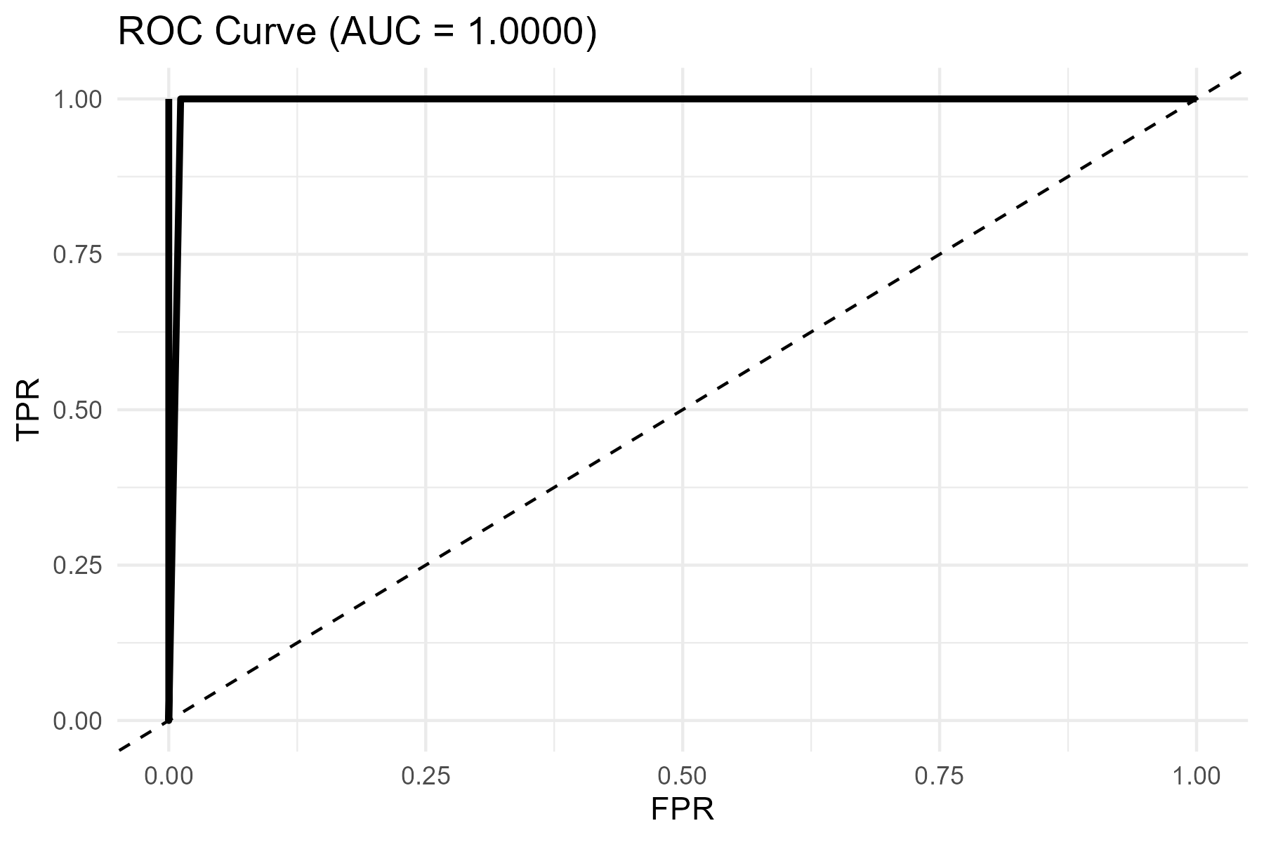
AUC
1

