Fixed
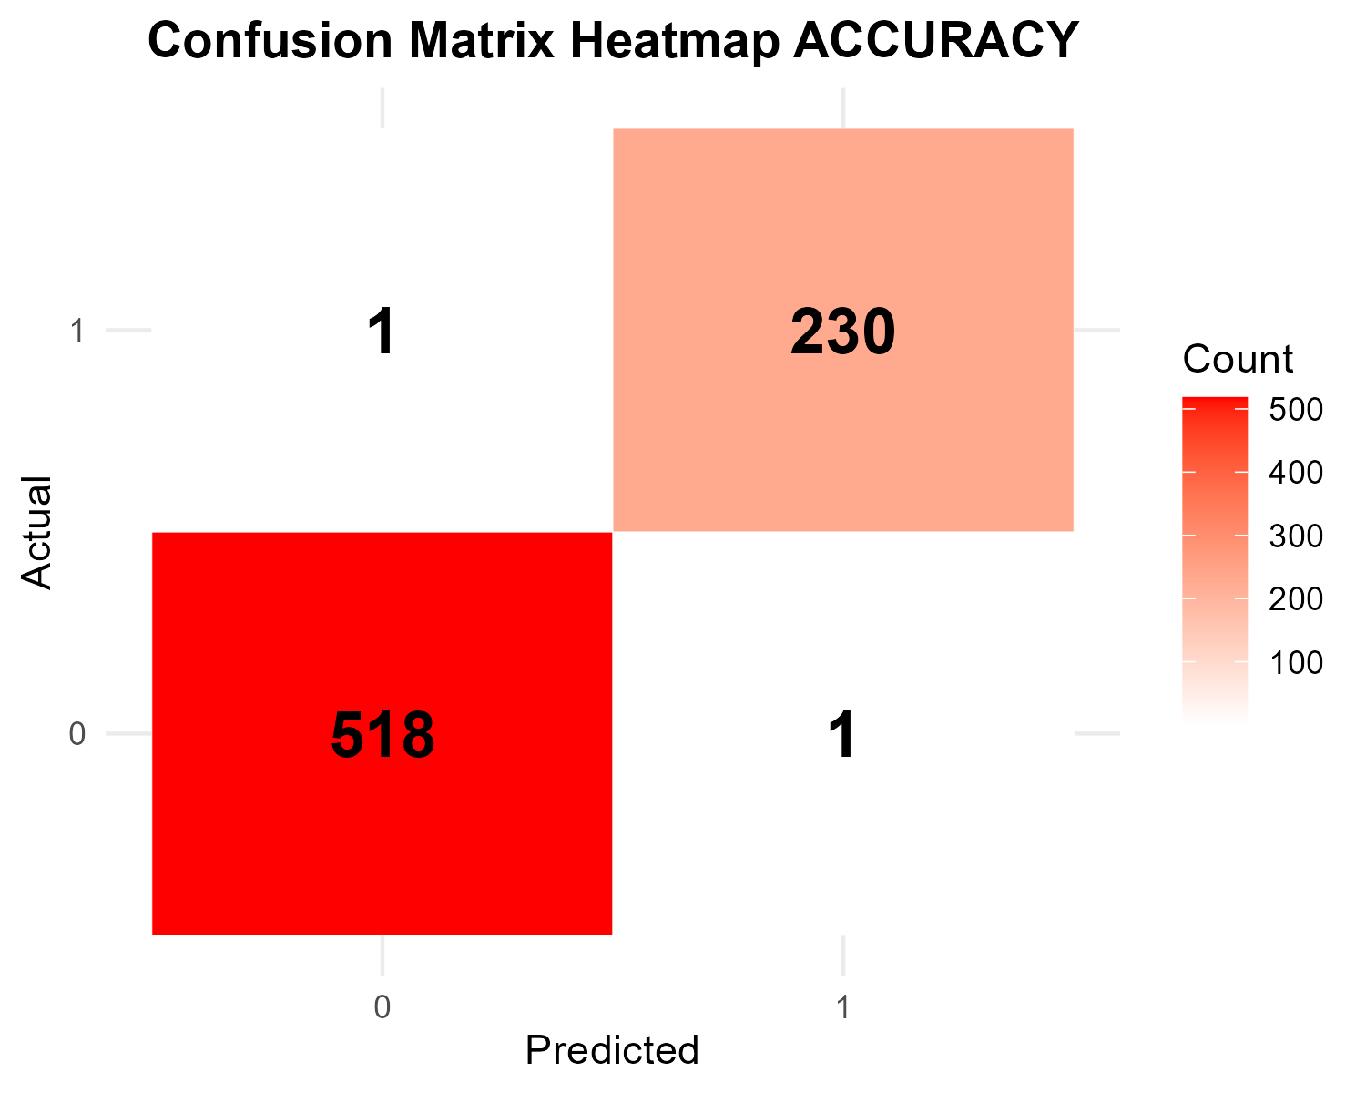
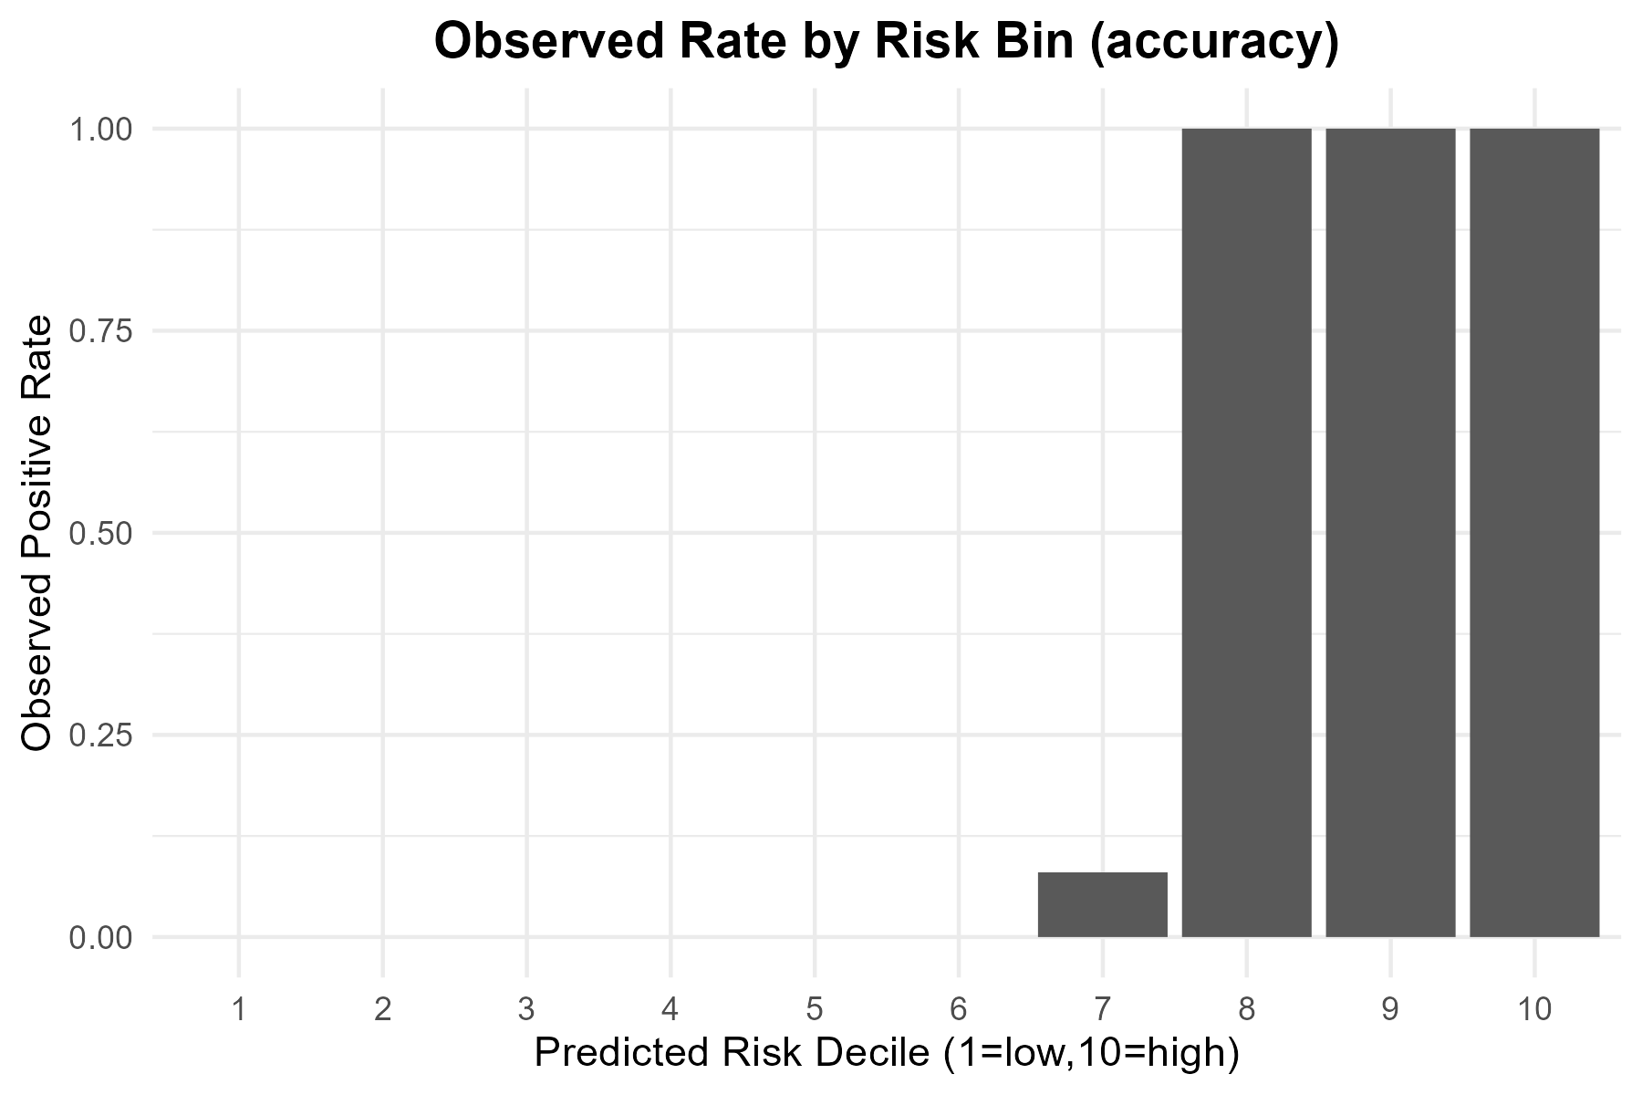
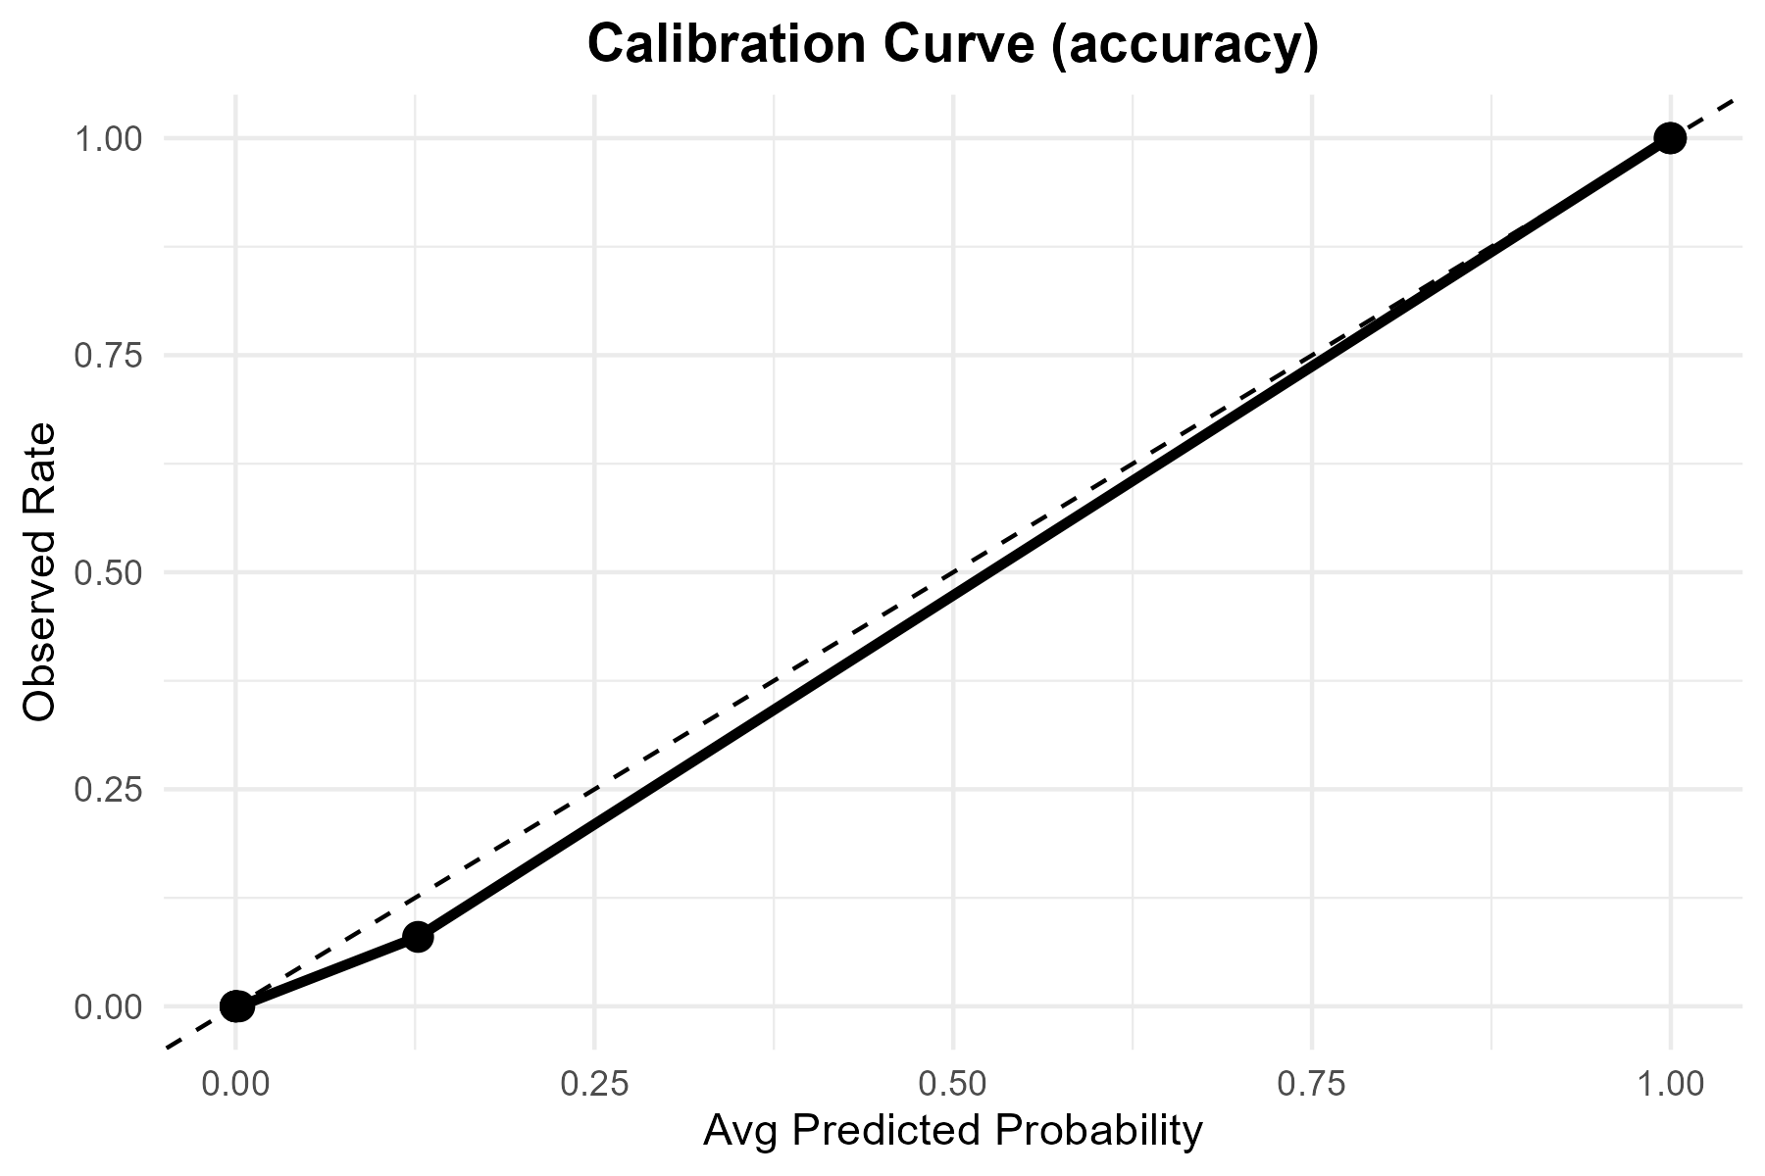

Metric | Value
TP | 230
FP | 1
TN | 518
FN | 1
Accuracy | 0.99733333
Precision | 0.995671
Recall | 0.995671
F1 | 0.995671
Threshold | 0.5

Tuned

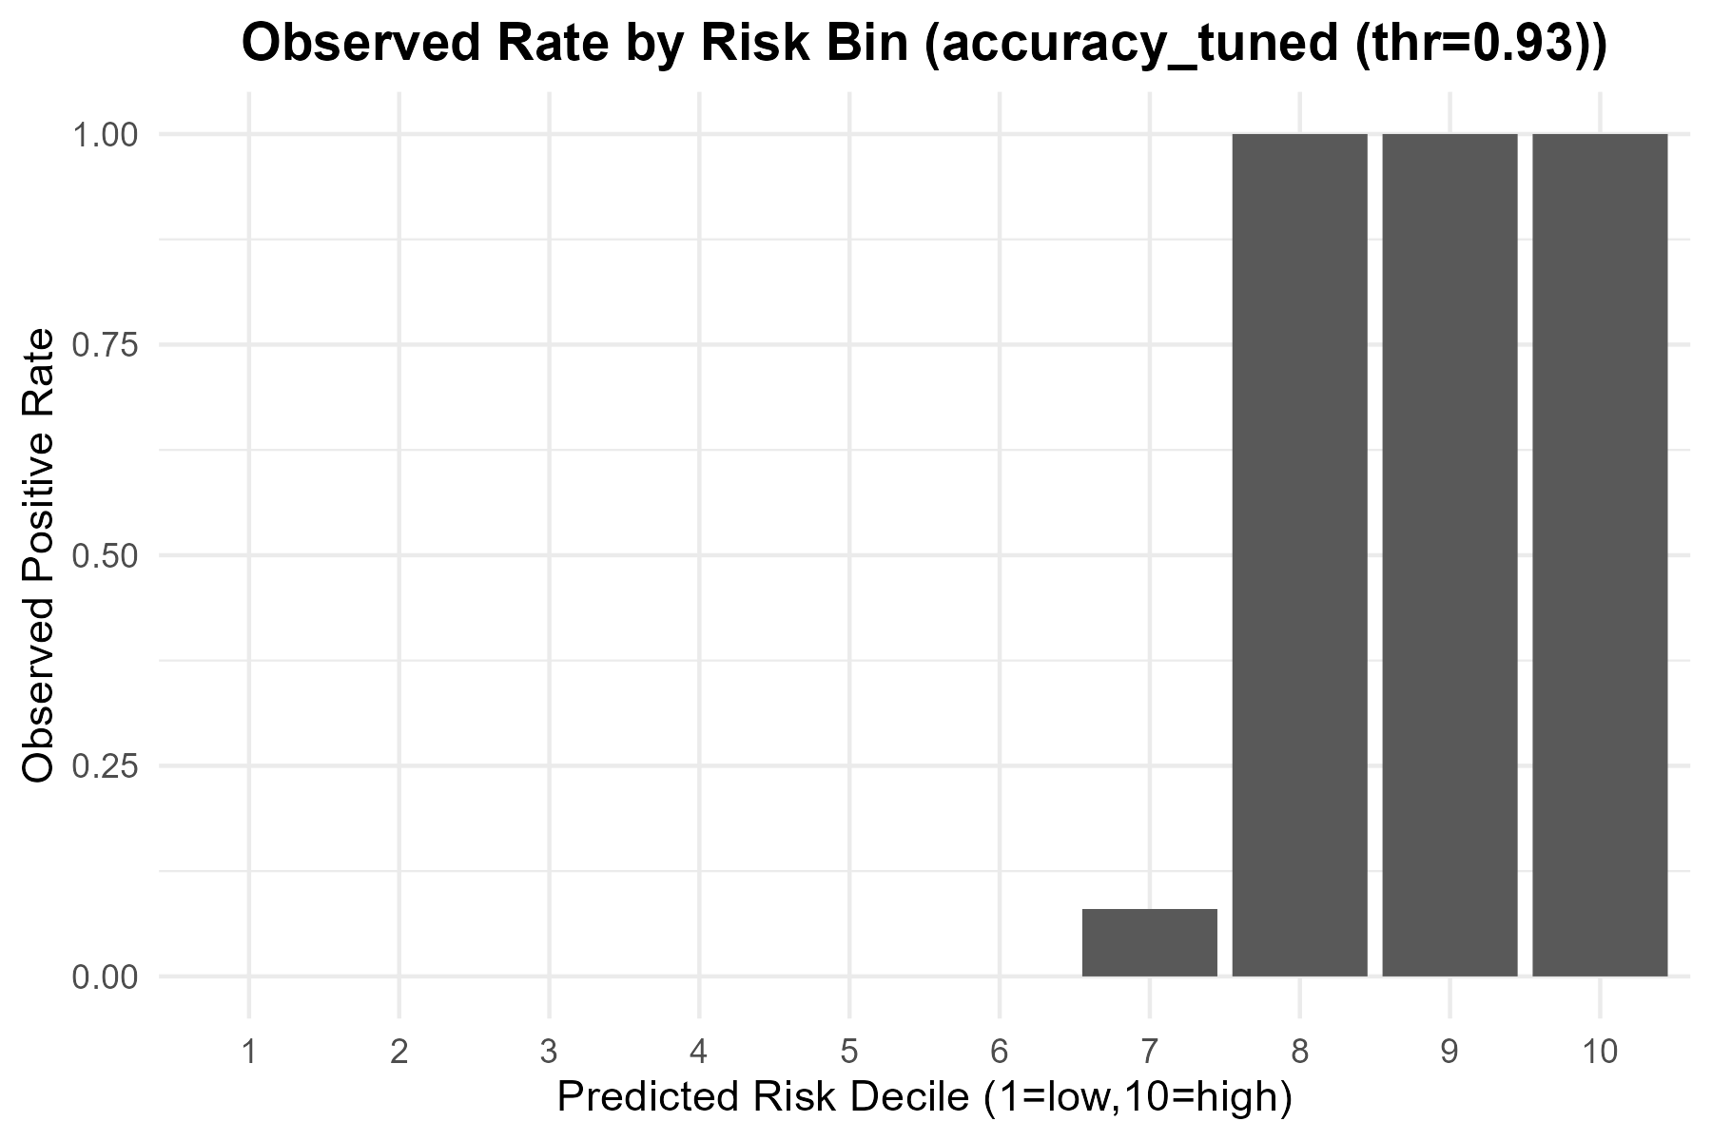
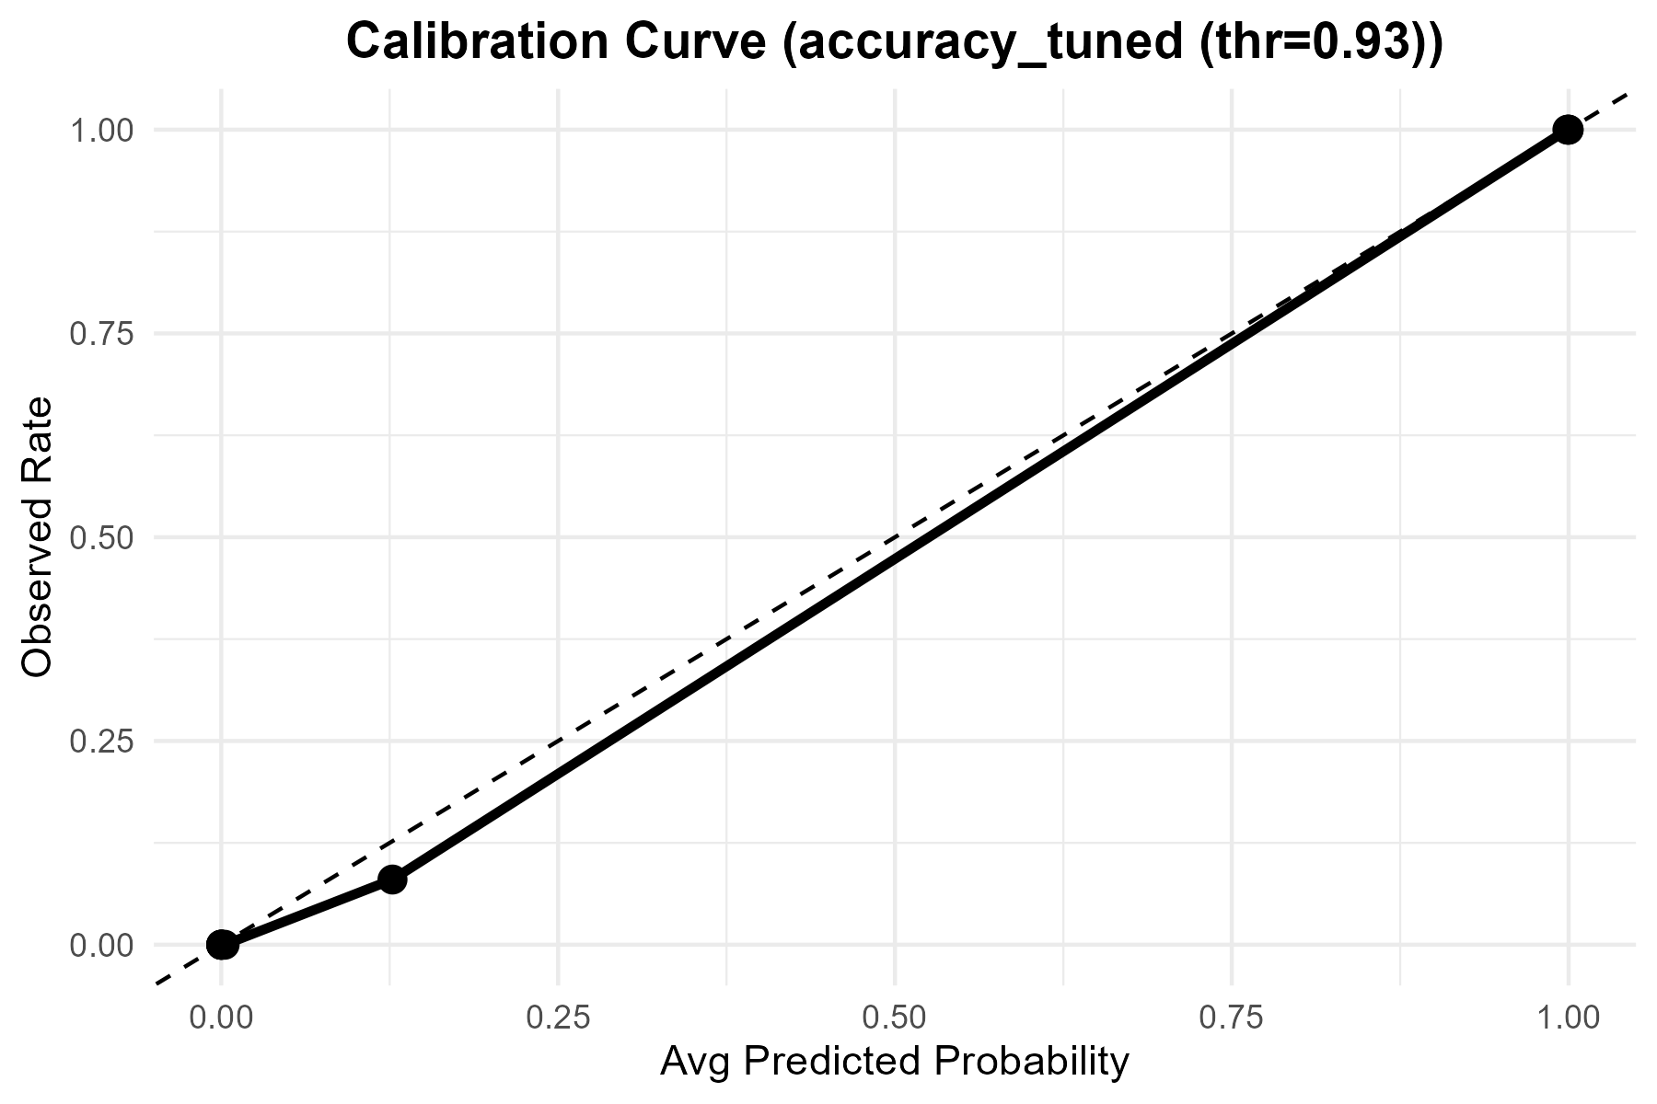

Metric | Value
Accuracy | 0.99733333333
Precision | 1
Recall | 0.99134199134
F1 | 0.99565217391
Best_Threshold | 0.93

ROC
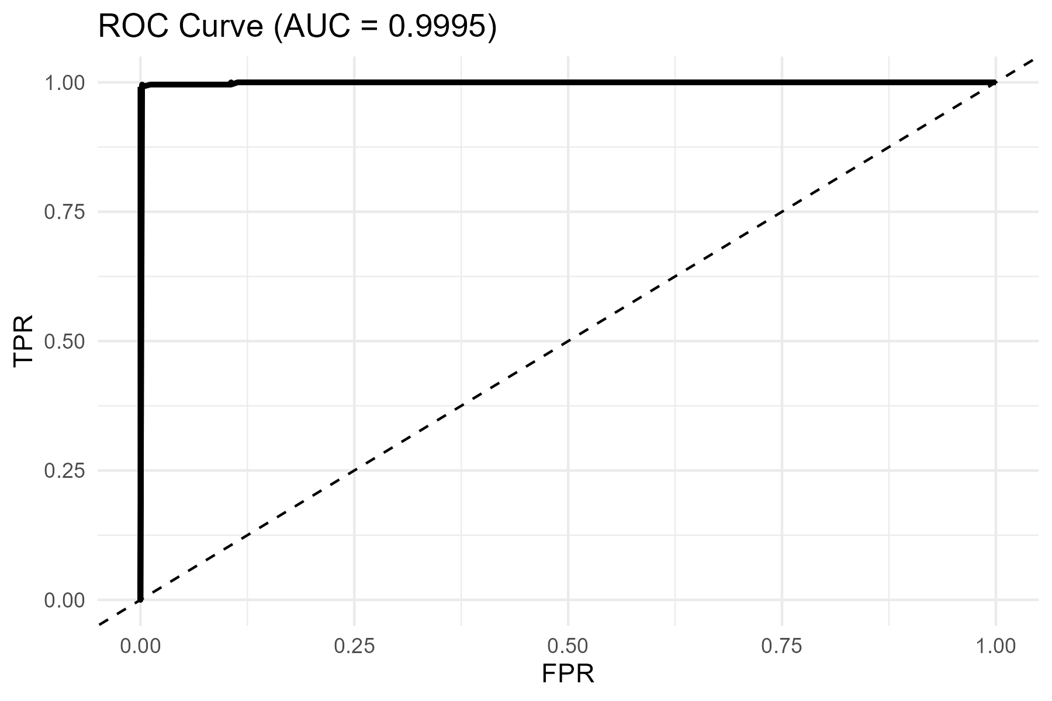
AUC
0.99953290127

