Fixed
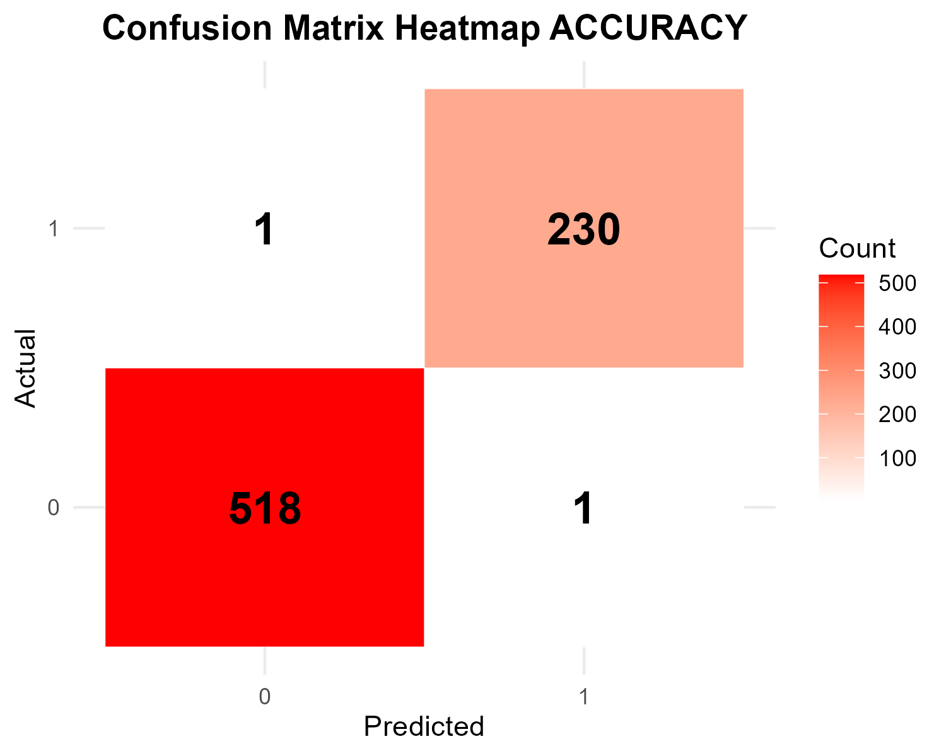
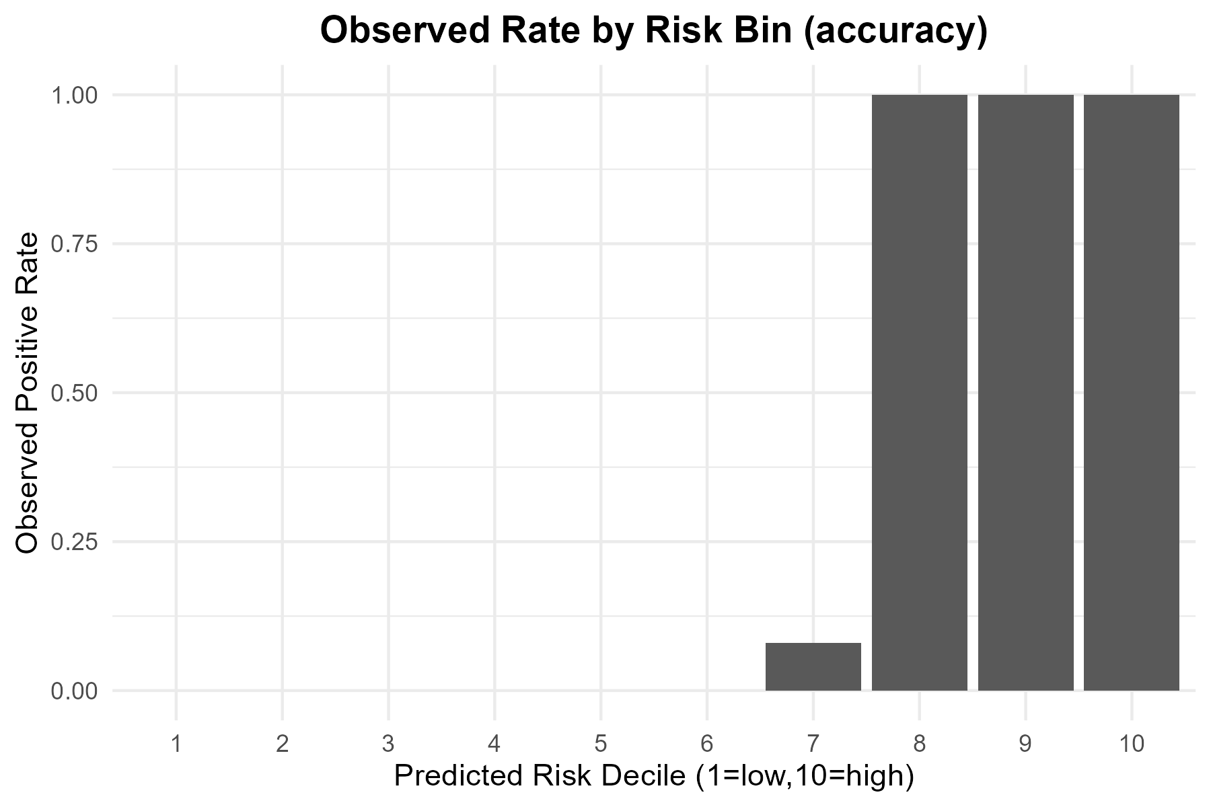
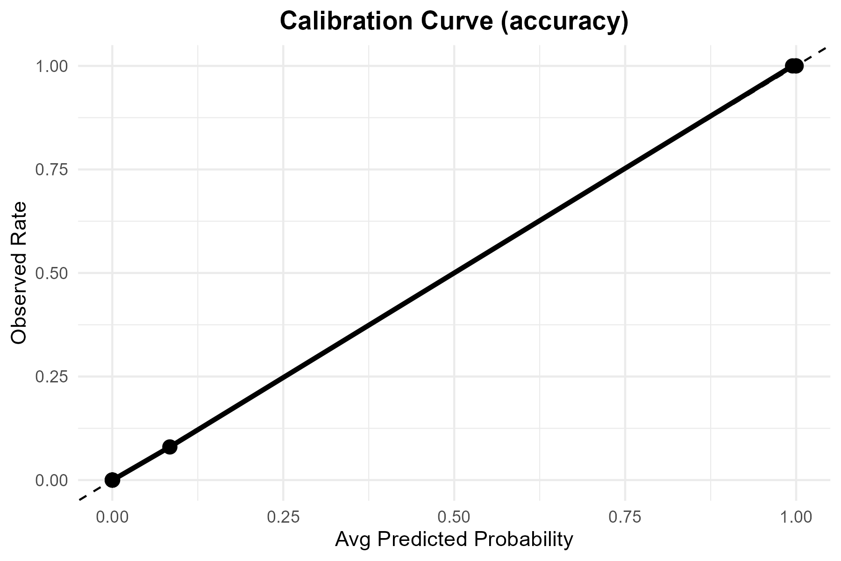

Metric | Value
TP | 230
FP | 1
TN | 518
FN | 1
Accuracy | 0.99733333
Precision | 0.995671
Recall | 0.995671
F1 | 0.995671
Threshold | 0.5

Tuned

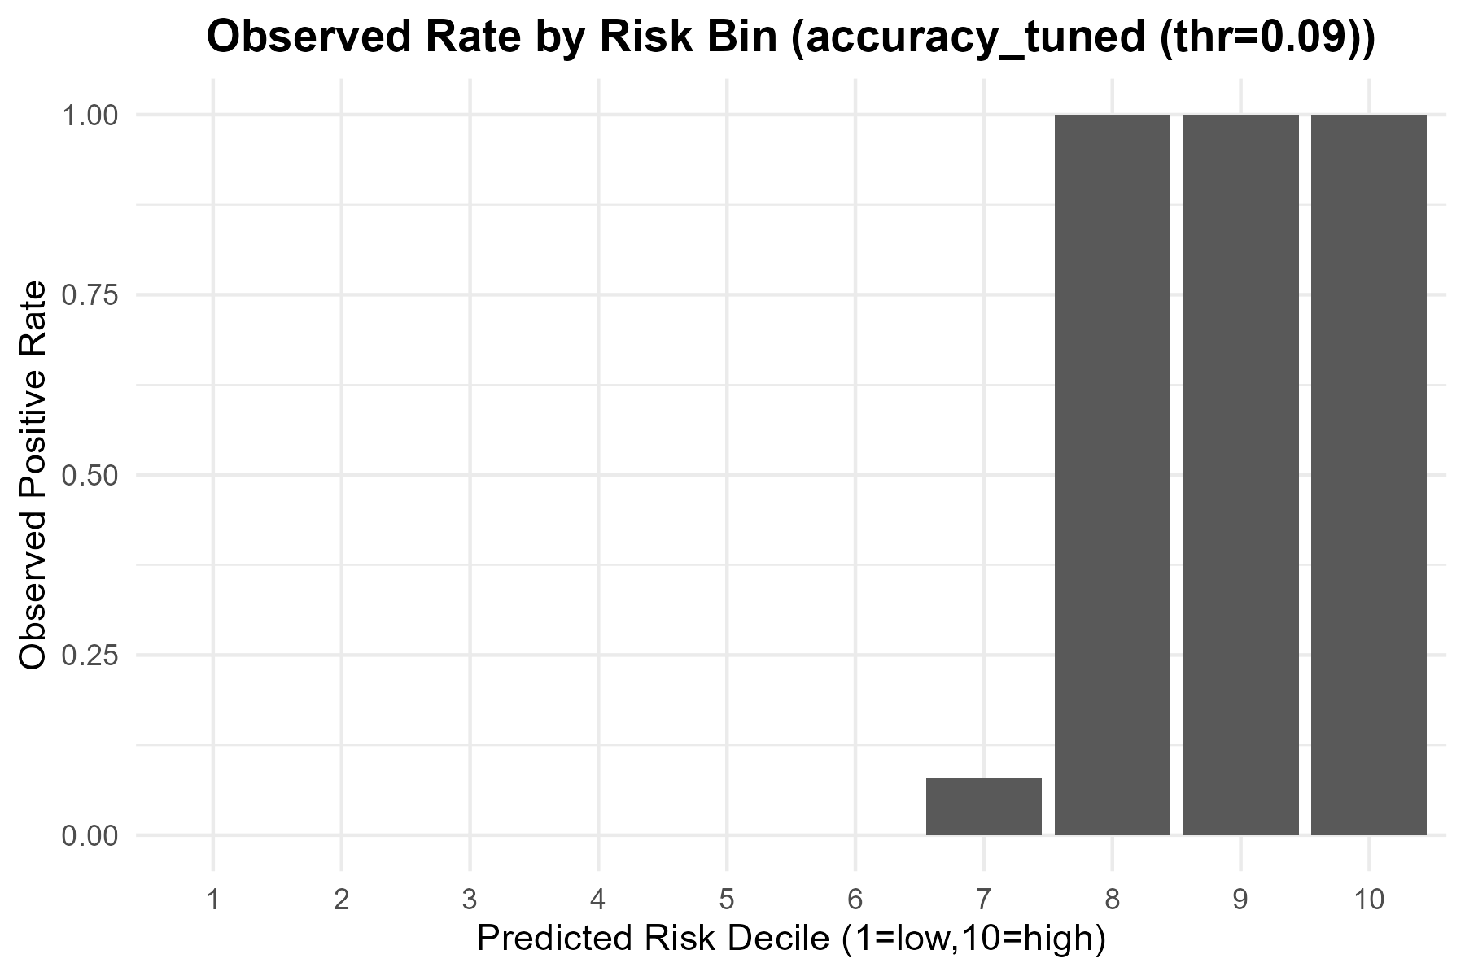
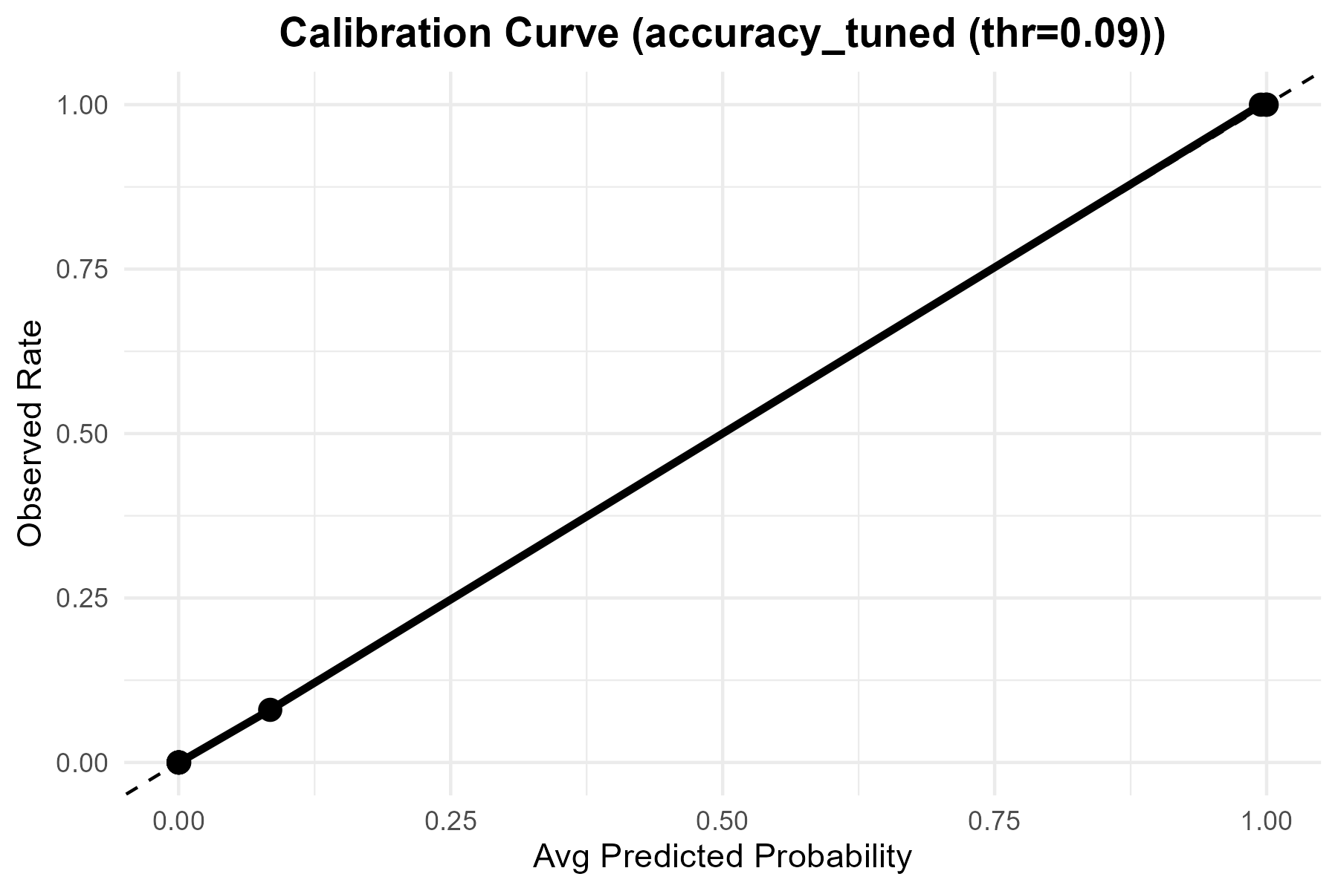

Metric | Value
Accuracy | 0.99866666667
Precision | 0.99568965517
Recall | 1
F1 | 0.99784017279
Best_Threshold | 0.09

ROC
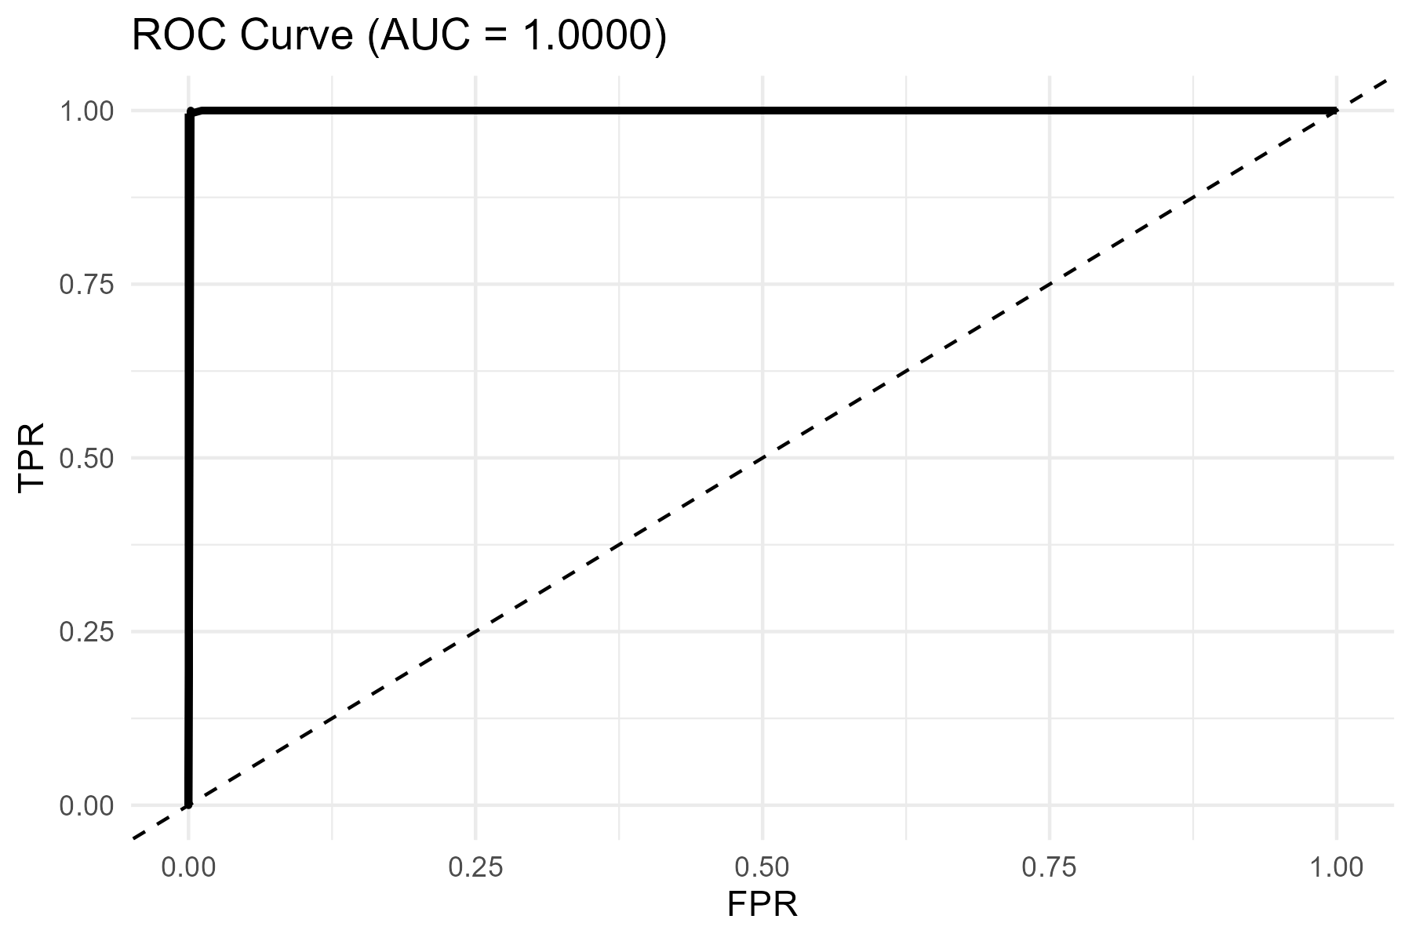
AUC
0.99999165895

