Fixed
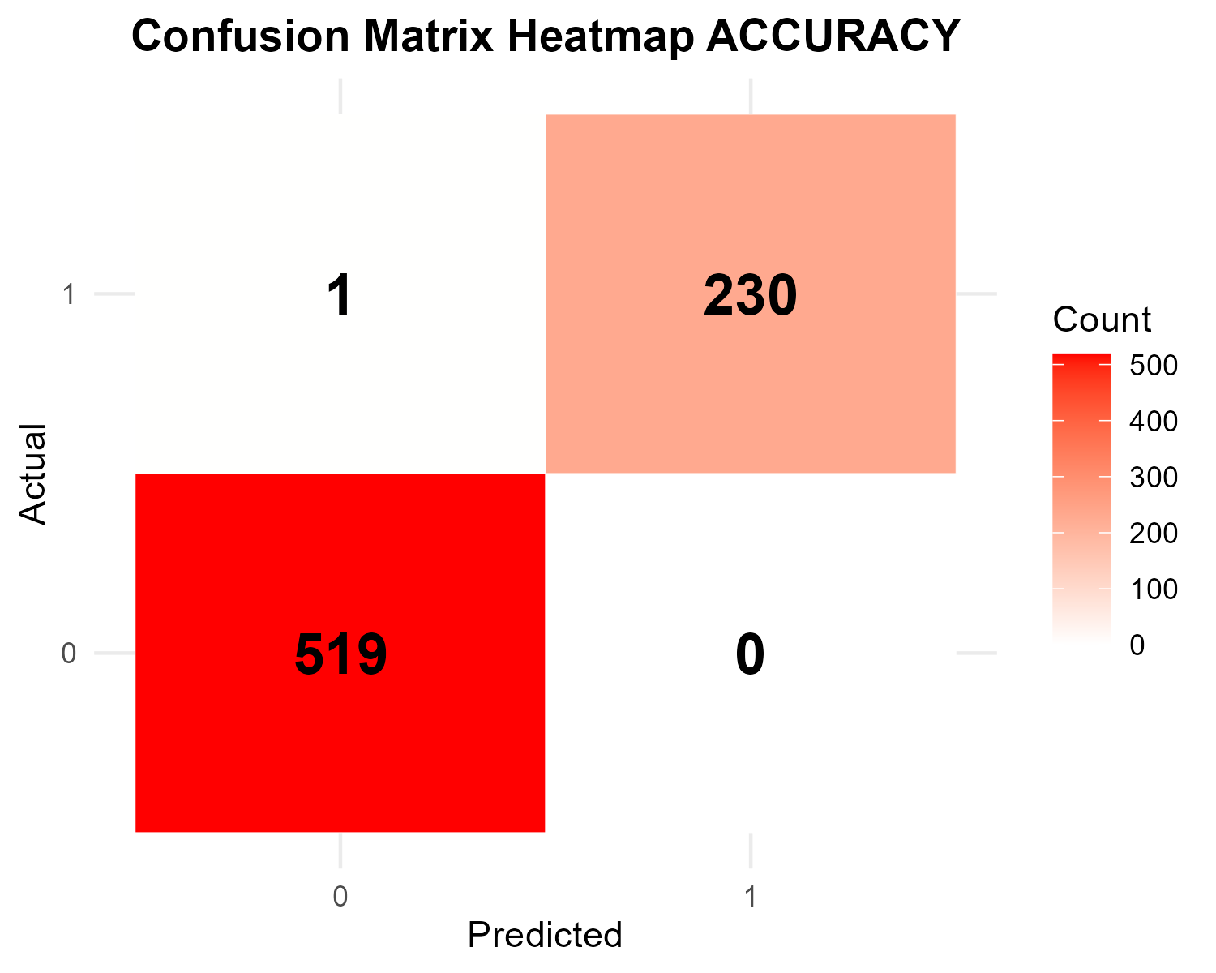
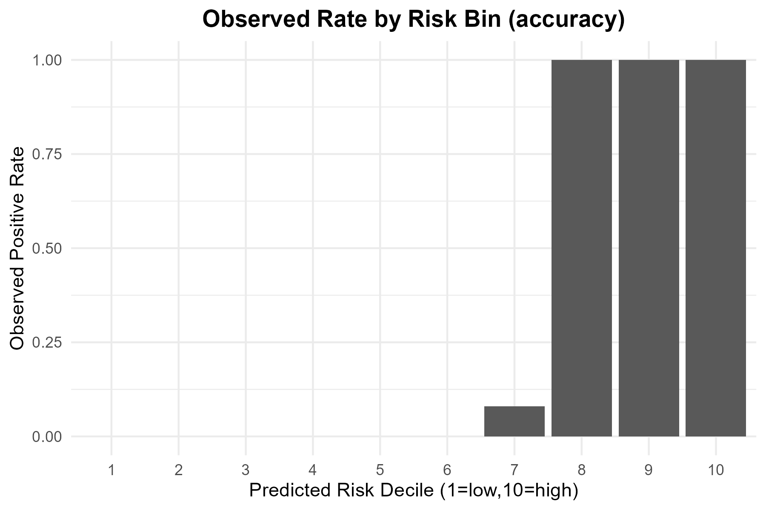
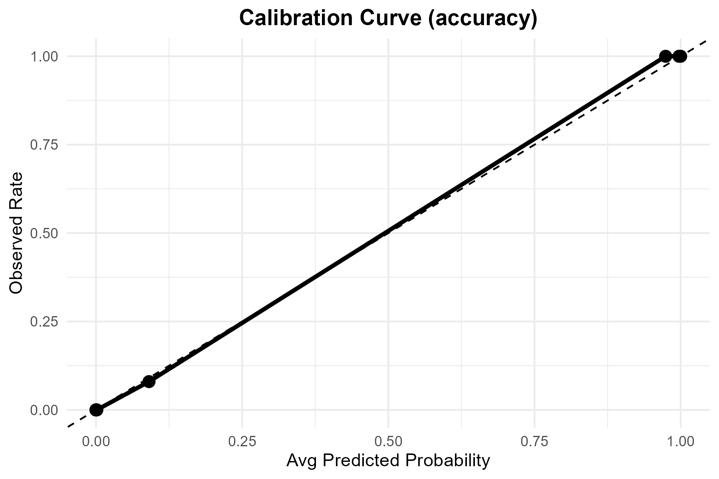

Metric | Value
TP | 230
FP | 0
TN | 519
FN | 1
Accuracy | 0.99866667
Precision | 1
Recall | 0.995671
F1 | 0.9978308
Threshold | 0.5

Tuned

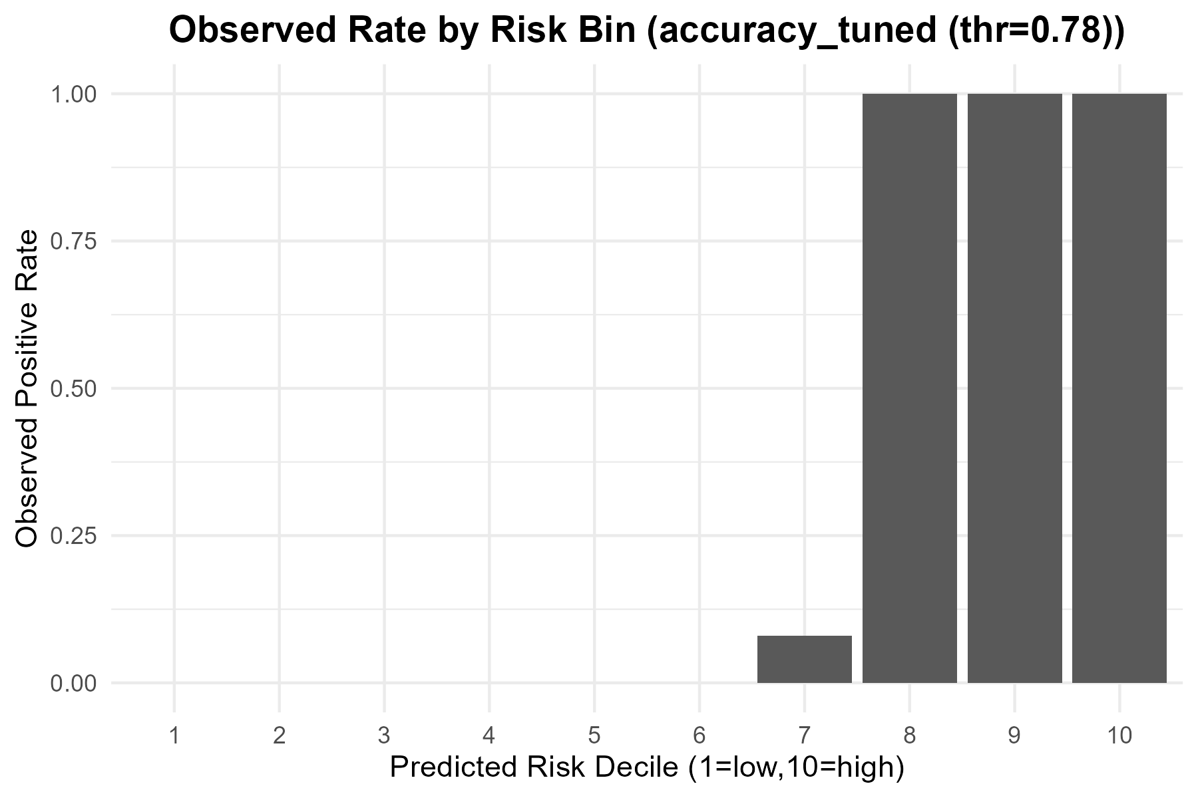
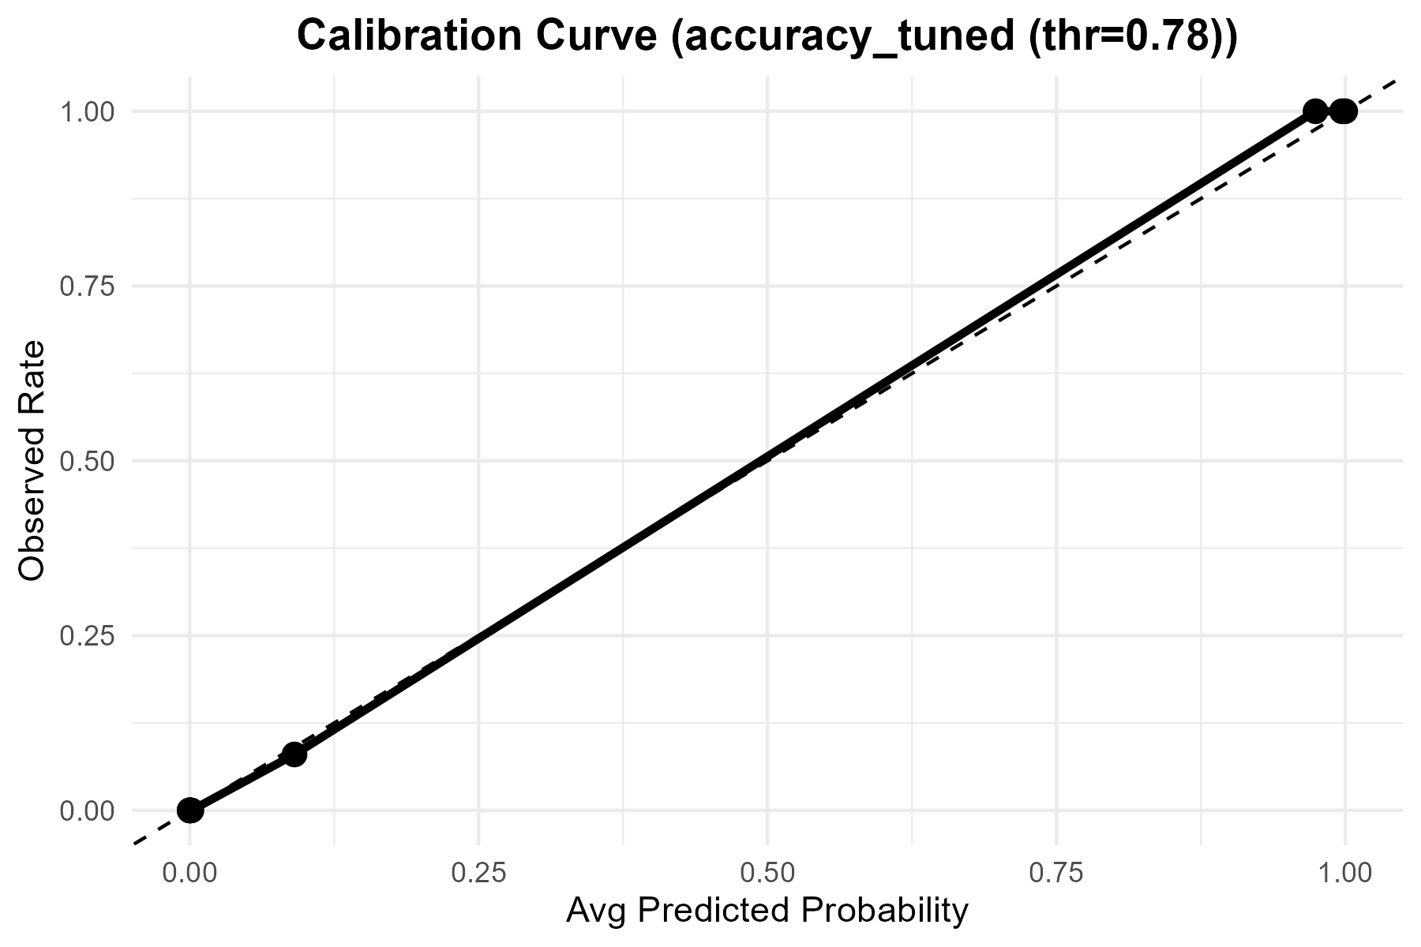

Metric | Value
Accuracy | 0.99733333333
Precision | 1
Recall | 0.99134199134
F1 | 0.99565217391
Best_Threshold | 0.78

ROC
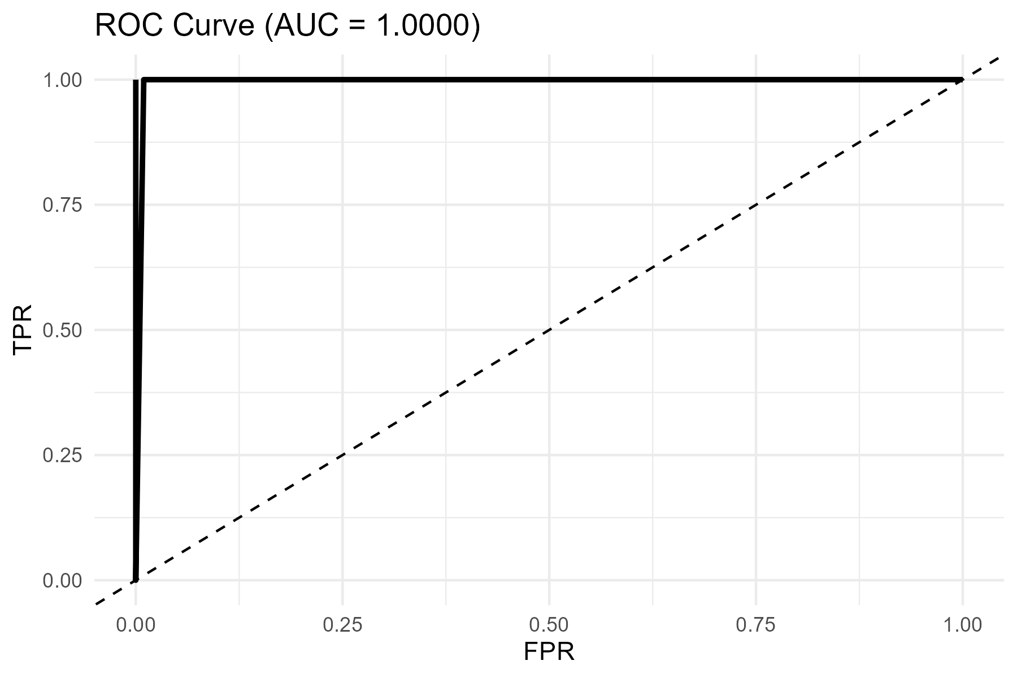
AUC
1

