Metrics_Summary
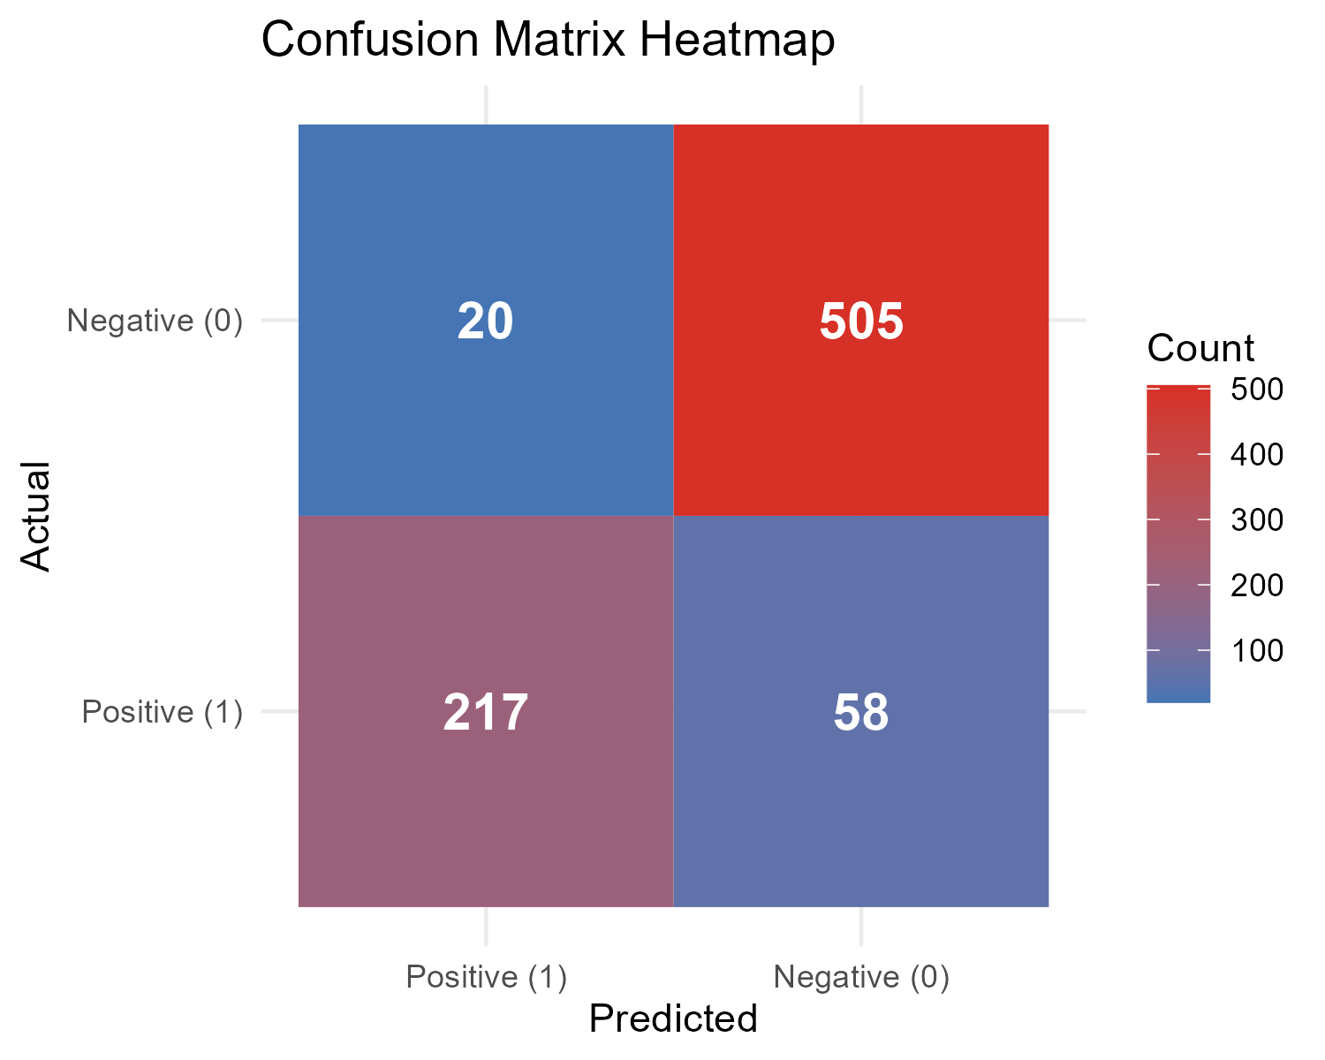
Accuracy | Precision | Recall | F1_Score | TP | TN | FP | FN
0.9025 | 0.78909090906 | 0.91561181431 | 0.84765624499 | 217 | 505 | 58 | 20

Interpretation
High recall but lower precision — model is identifying positives well, but may have false alarms.

 | Positive (1) | Negative (0)
Positive (1) | 217 | 58
Negative (0) | 20 | 505

Misclass_Summary
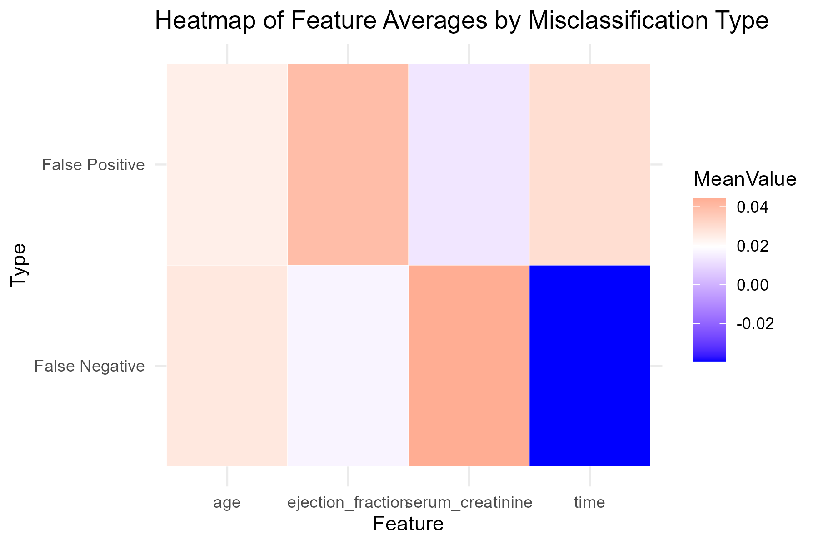
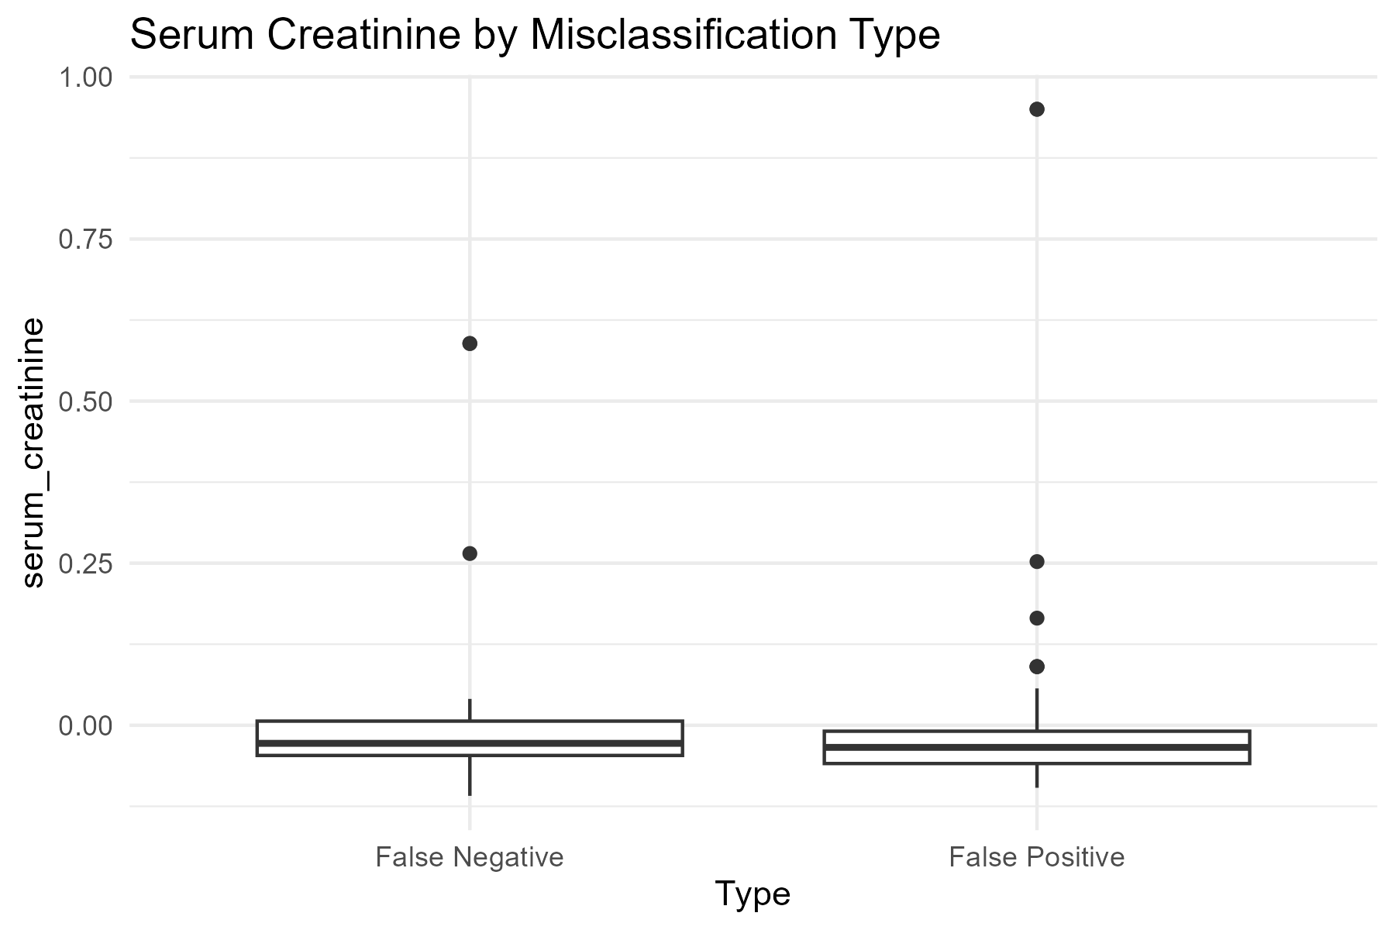
Type | age | serum_creatinine | ejection_fraction | time
False Negative | 0.026570733651 | 0.044362497293 | 0.016766244491 | -0.039359426277
False Positive | 0.024440980035 | 0.013256911178 | 0.039447370991 | 0.029713449574

