Fixed
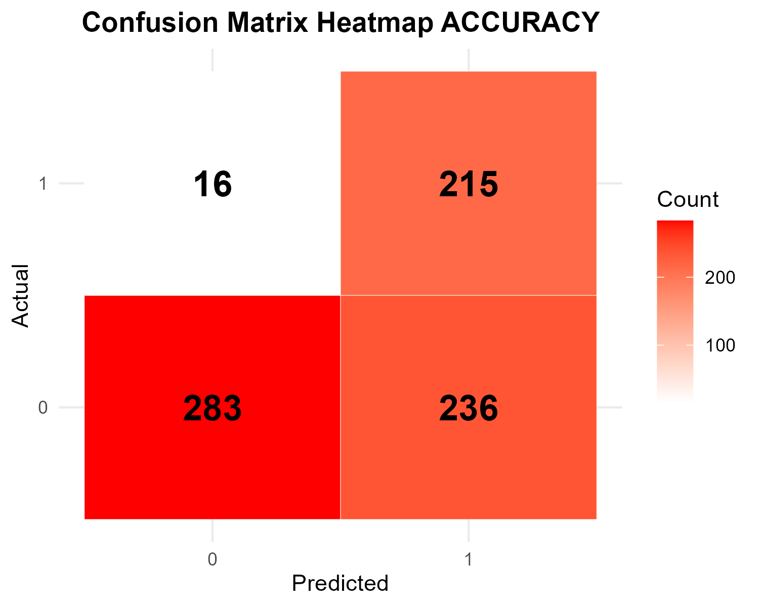
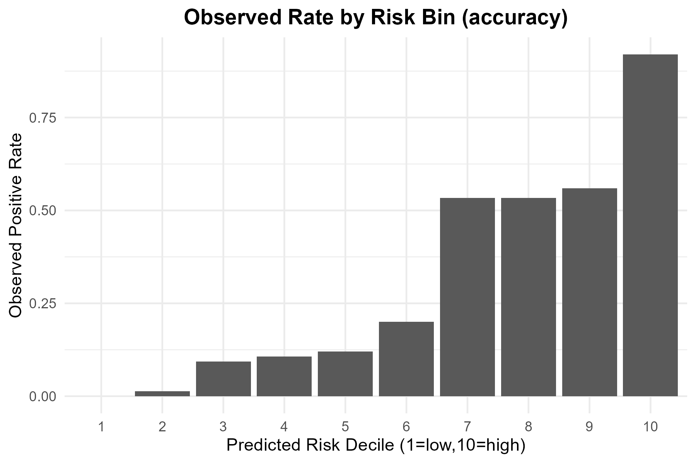
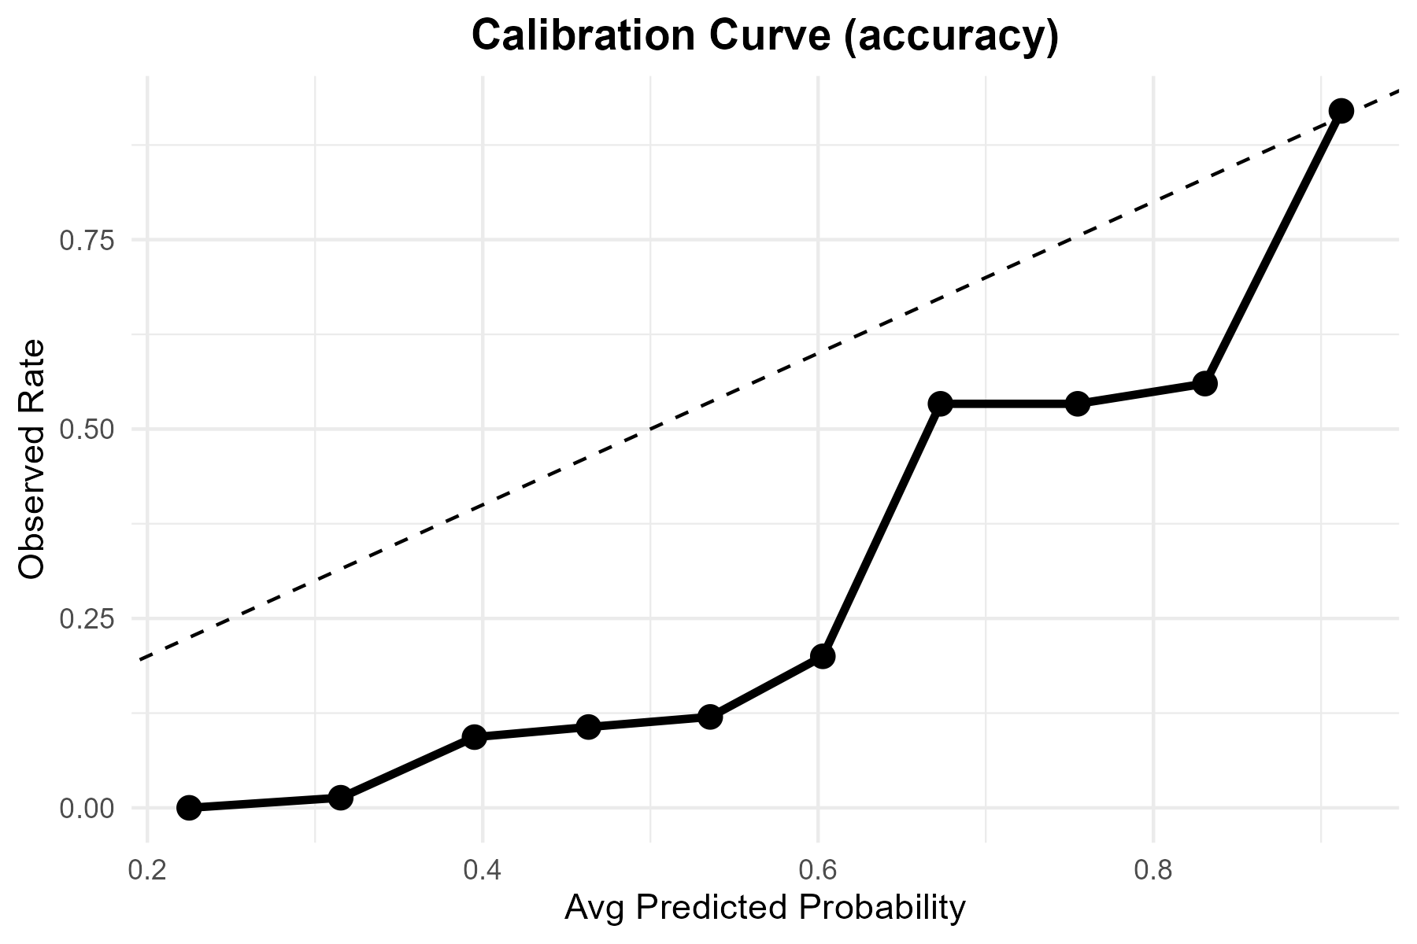

Metric | Value
TP | 215
FP | 236
TN | 283
FN | 16
Accuracy | 0.664
Precision | 0.4767184
Recall | 0.93073593
F1 | 0.63049853
Threshold | 0.5

Tuned
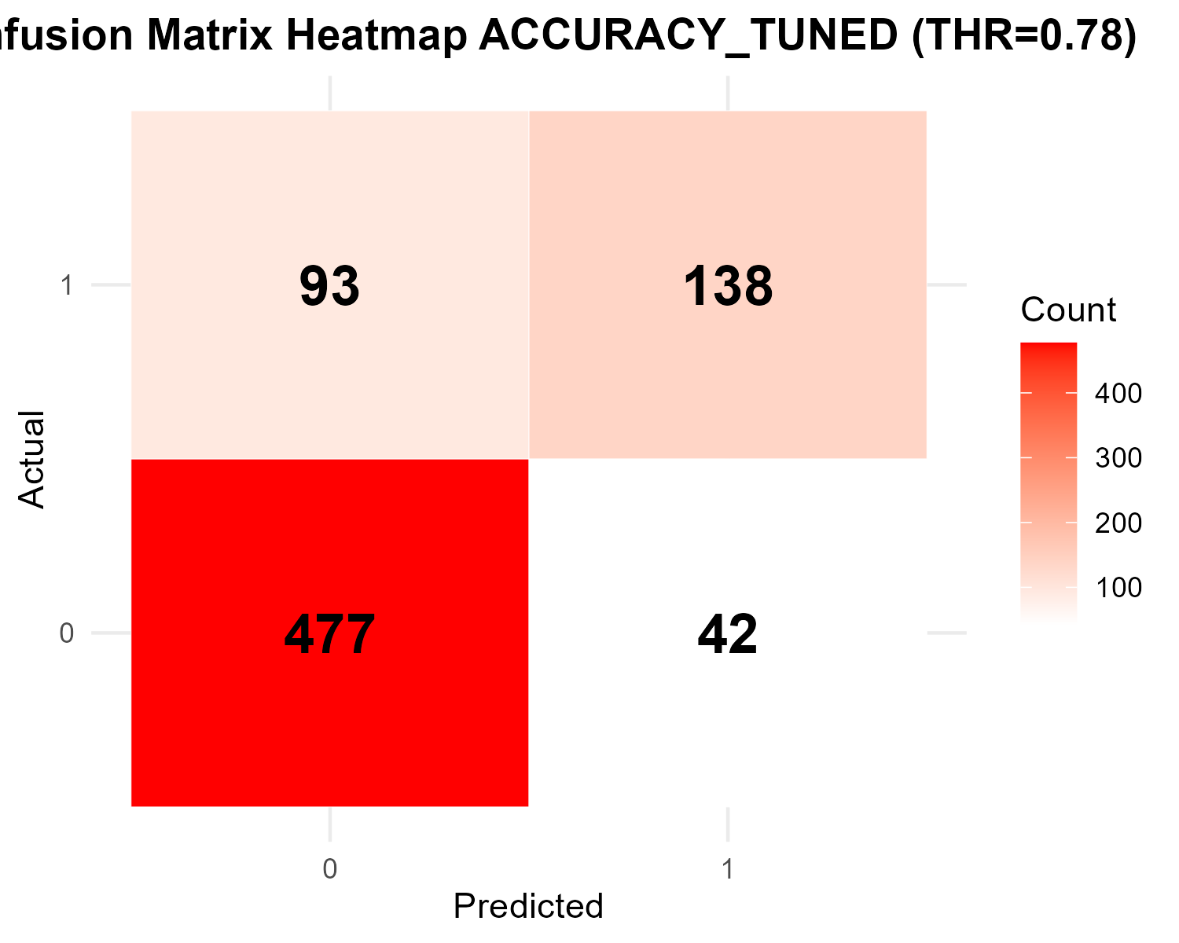

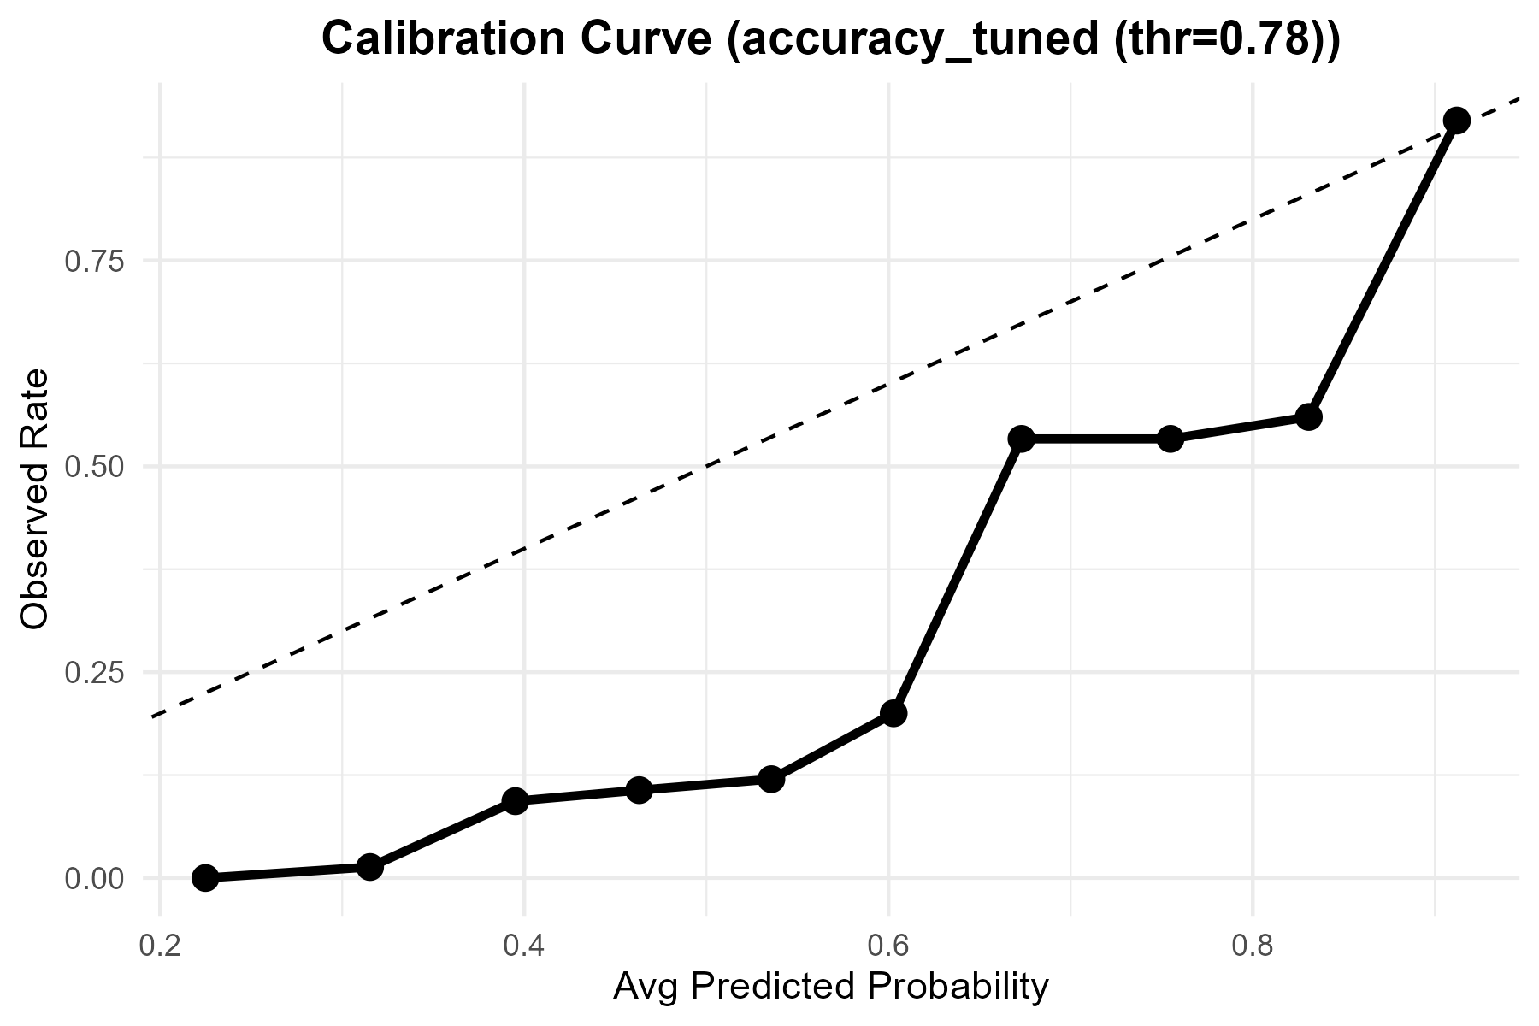
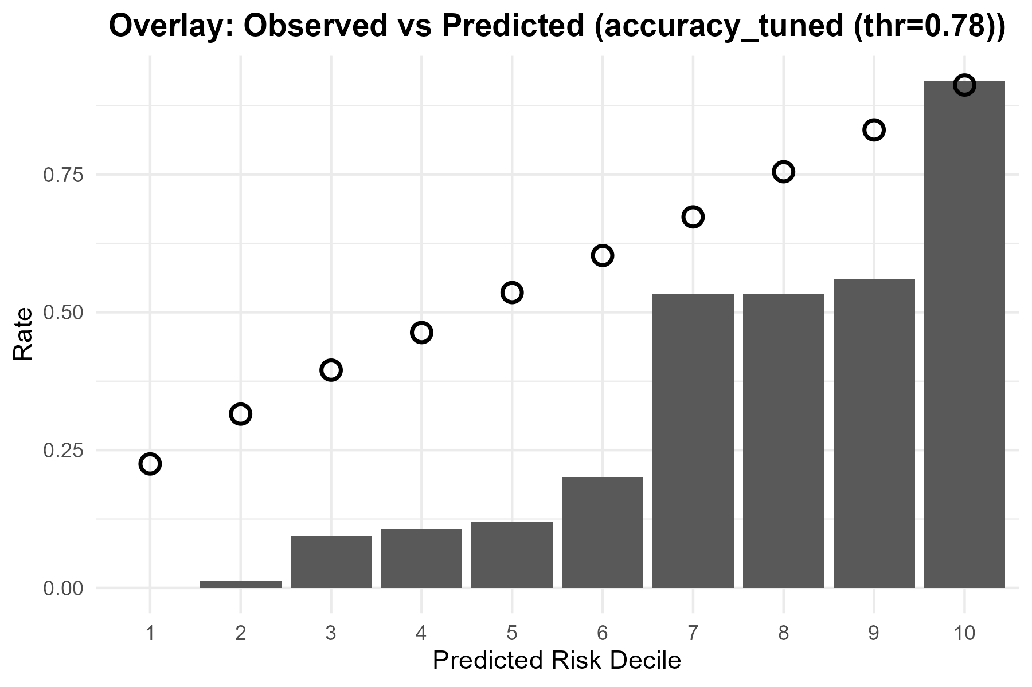
Metric | Value
Accuracy | 0.82
Precision | 0.76666666667
Recall | 0.5974025974
F1 | 0.67153284672
Best_Threshold | 0.78

ROC
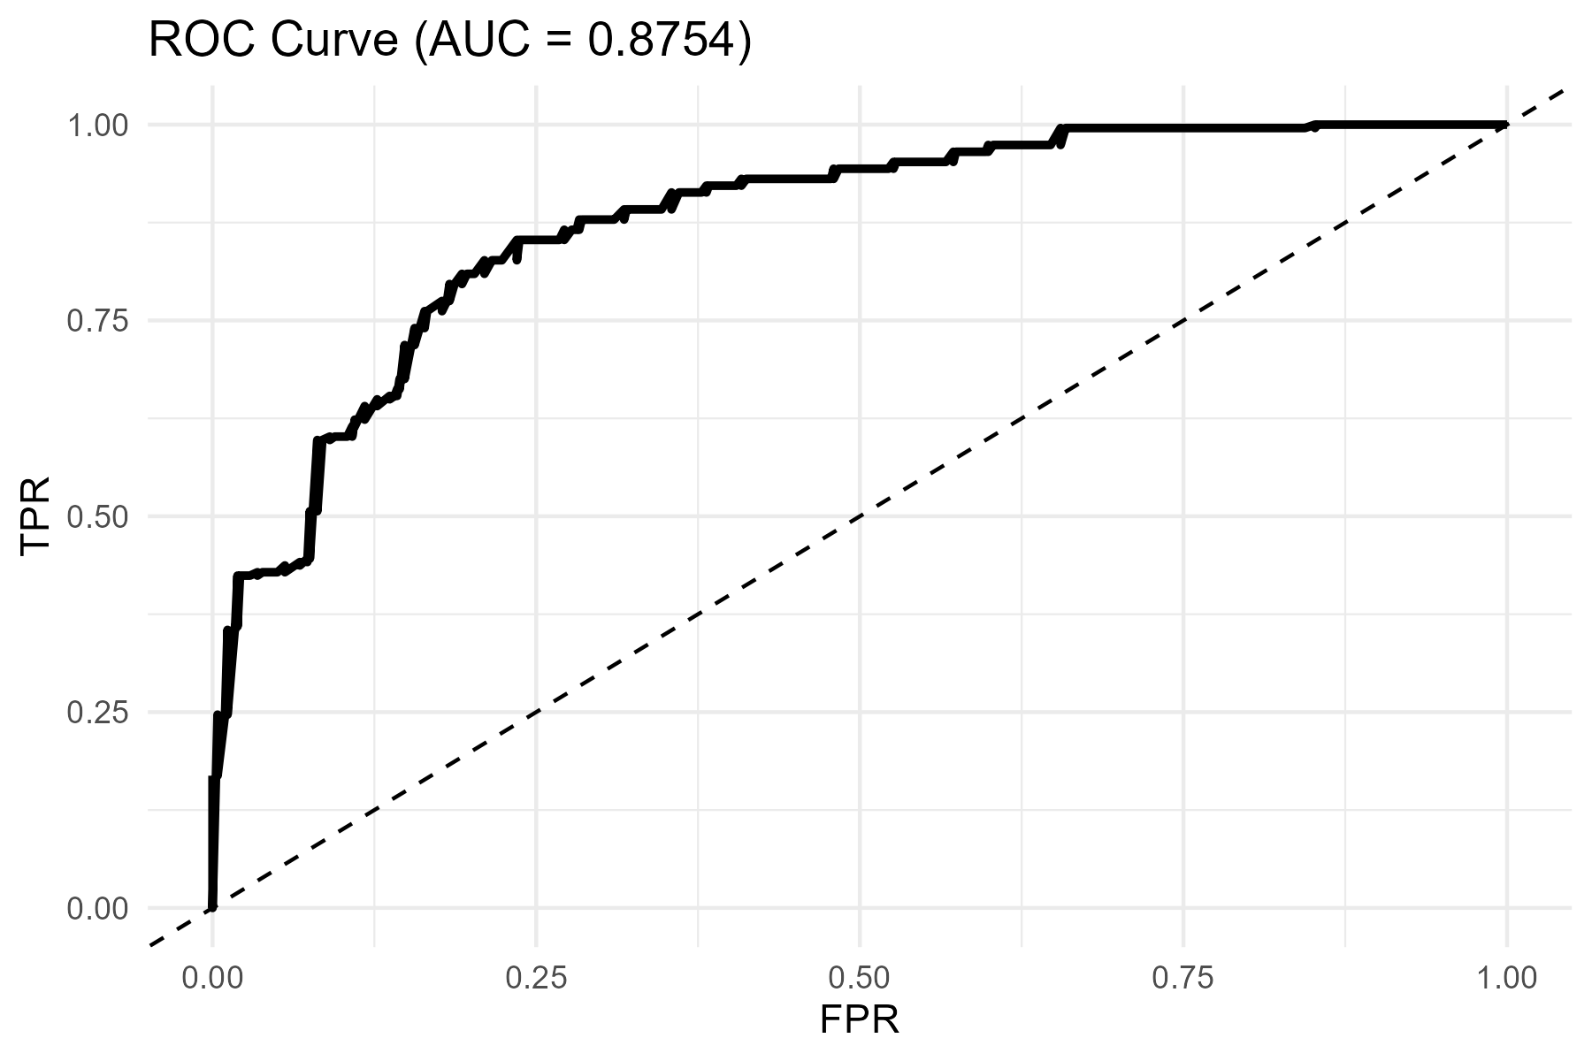
AUC
0.87540975402

