Fixed
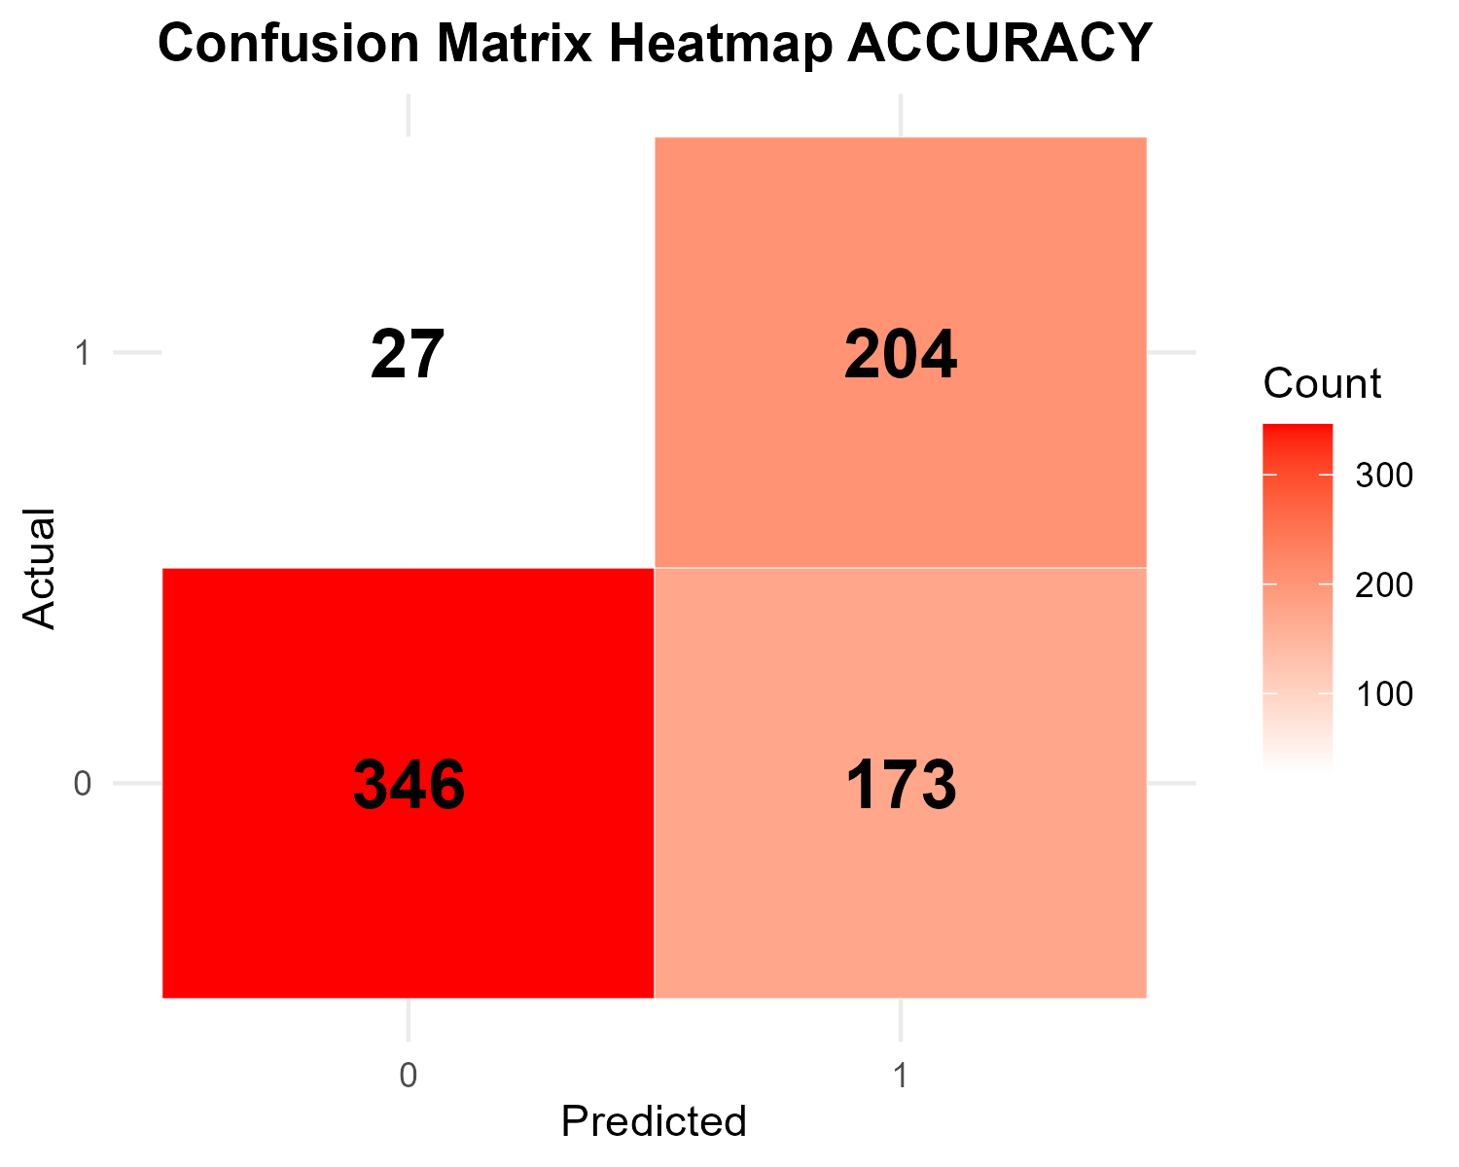
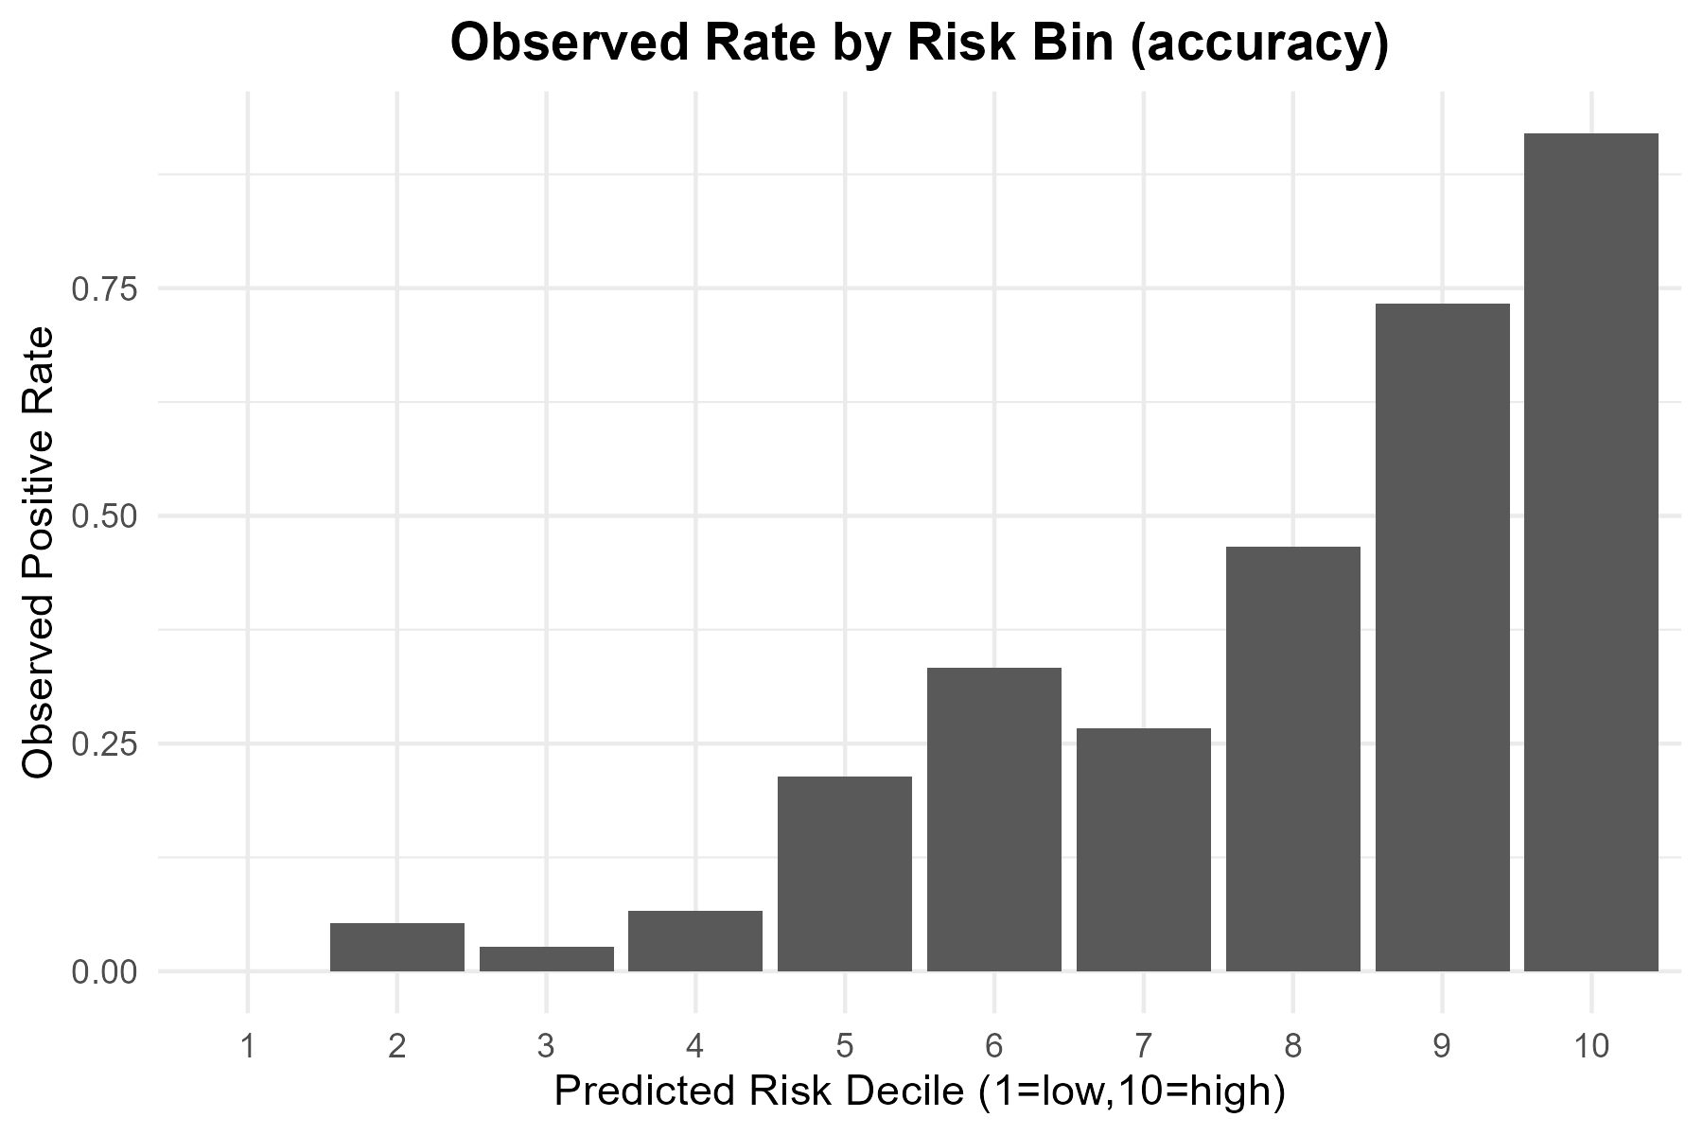
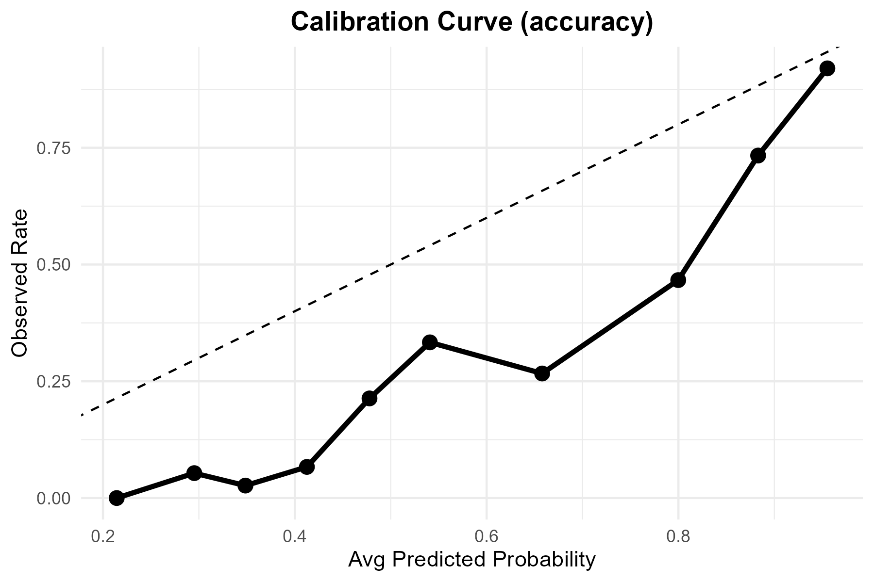
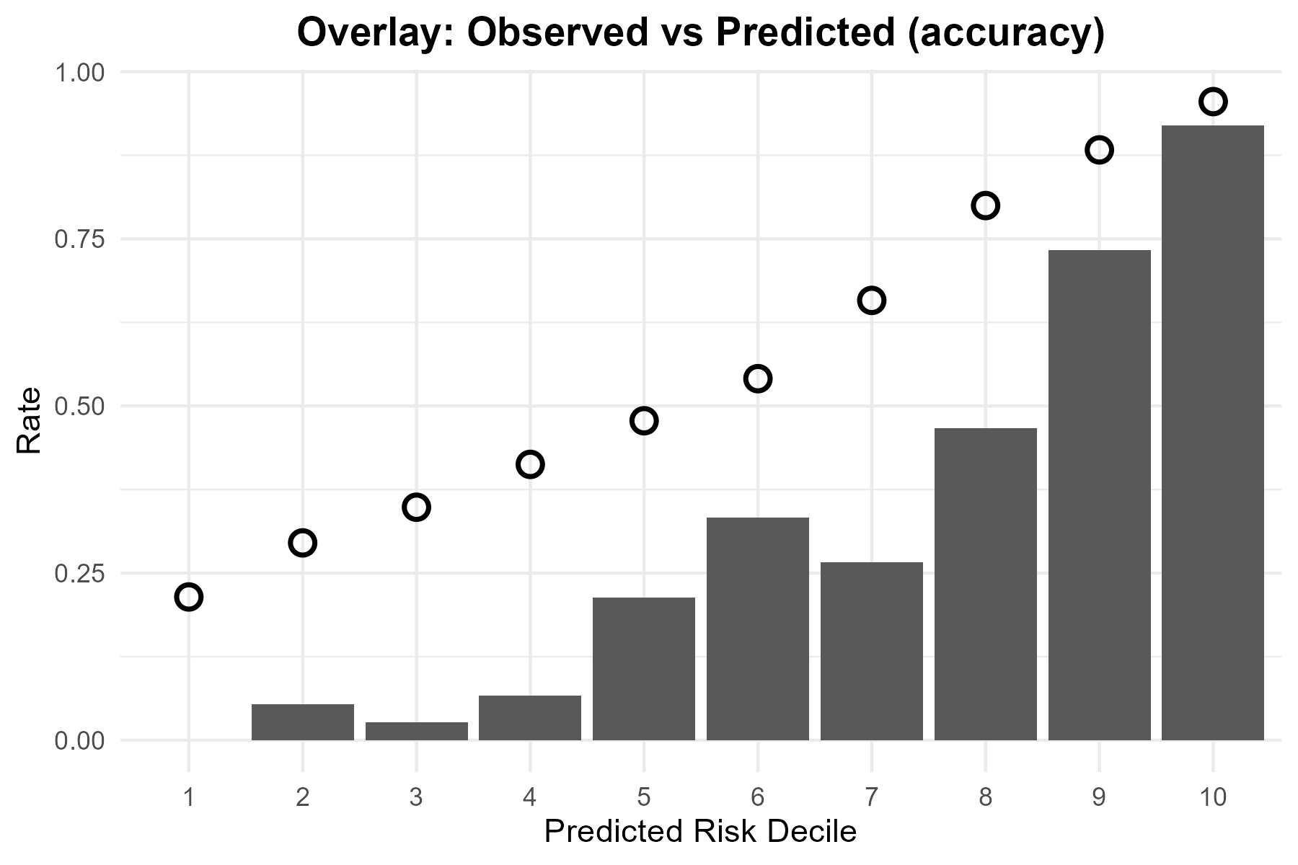
Metric | Value
TP | 204
FP | 173
TN | 346
FN | 27
Accuracy | 0.73333333
Precision | 0.54111406
Recall | 0.88311688
F1 | 0.67105263
Threshold | 0.5

Tuned
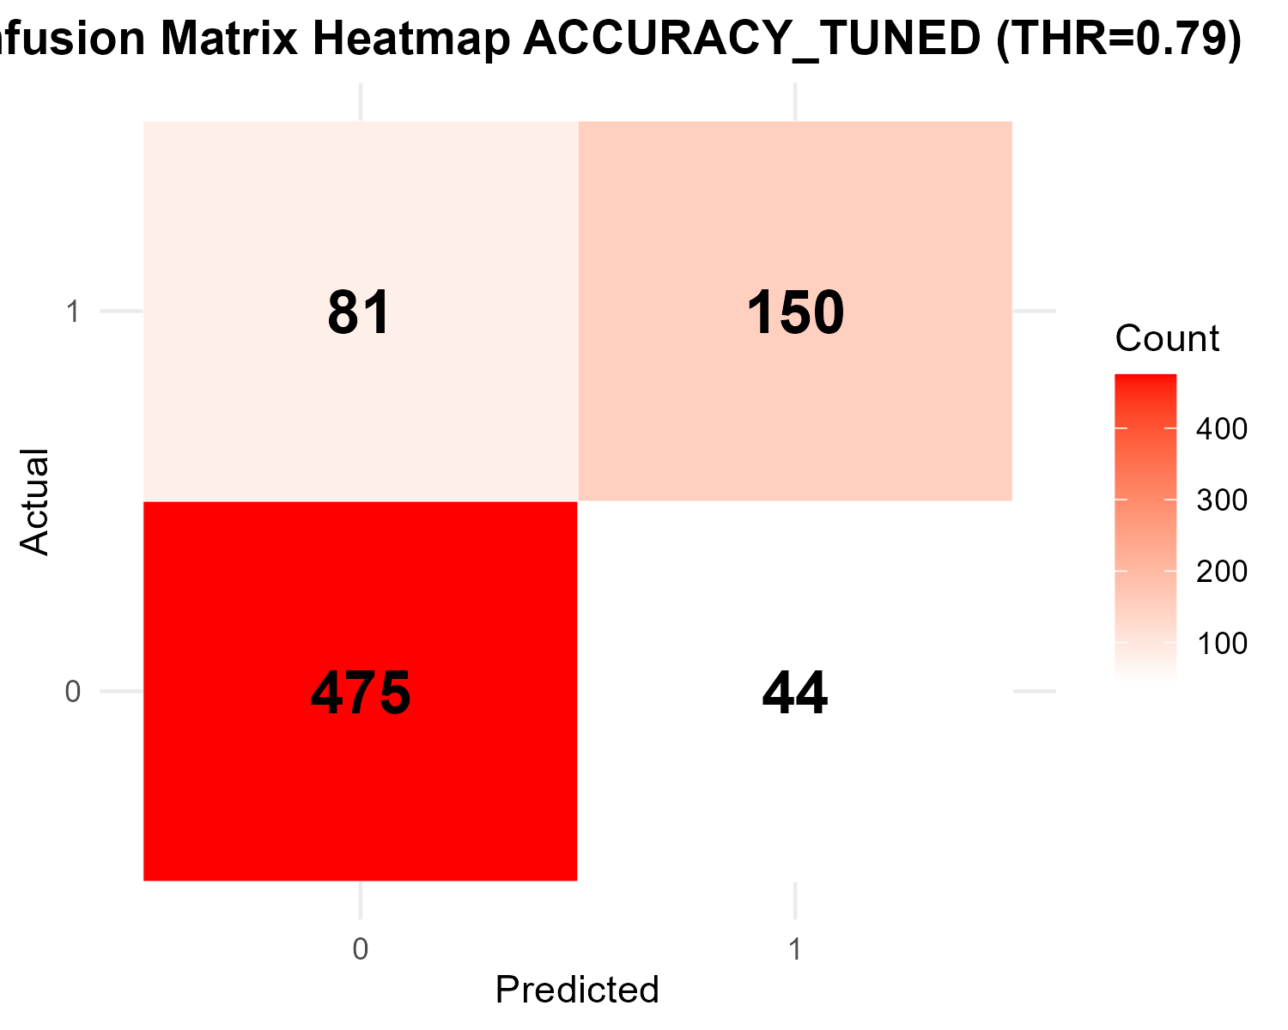

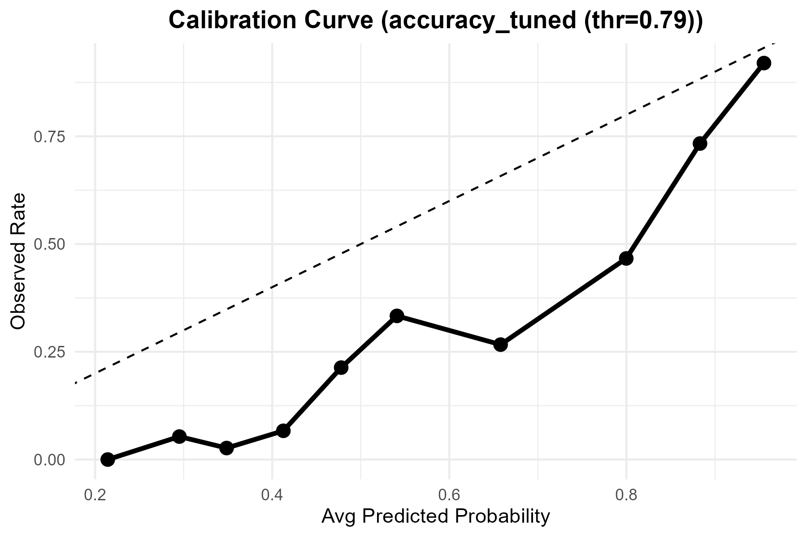

Metric | Value
Accuracy | 0.83333333333
Precision | 0.77319587629
Recall | 0.64935064935
F1 | 0.70588235294
Best_Threshold | 0.79

ROC
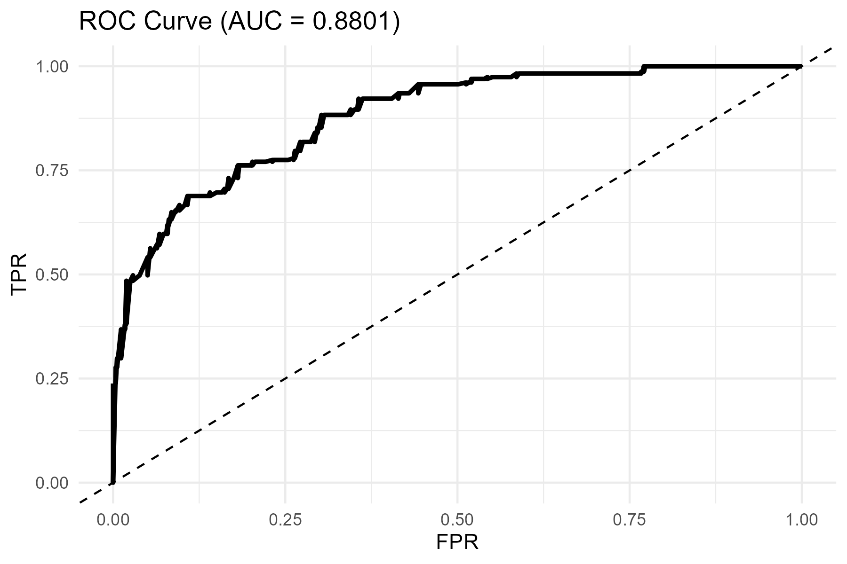
AUC
0.88013078765

