Sheet1
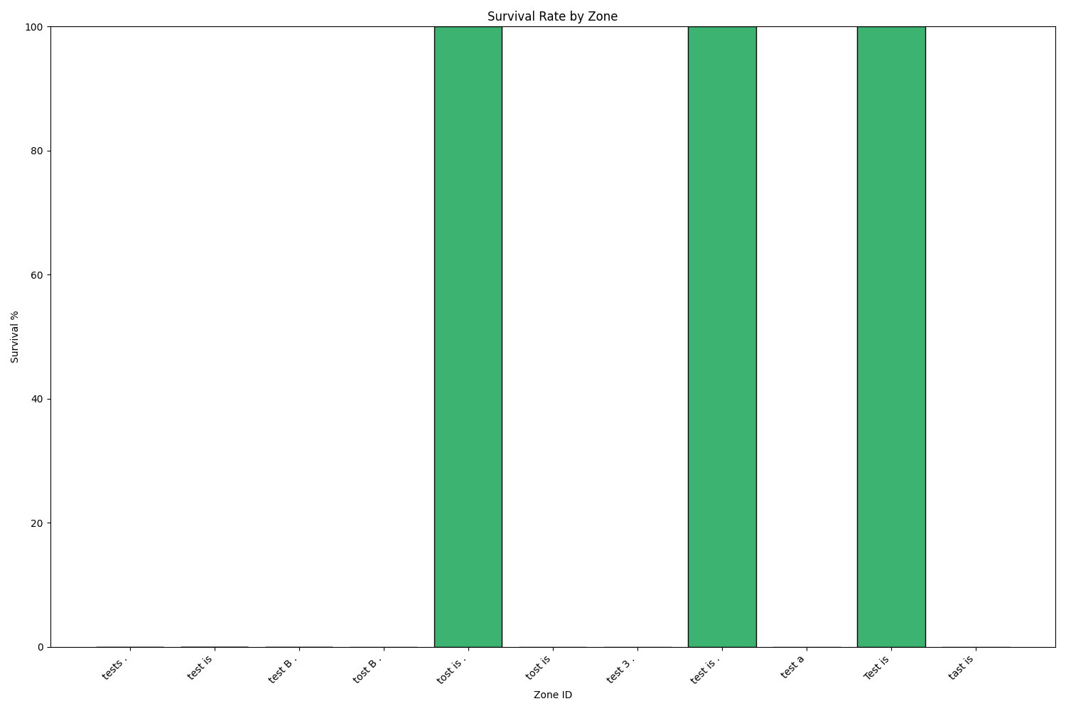
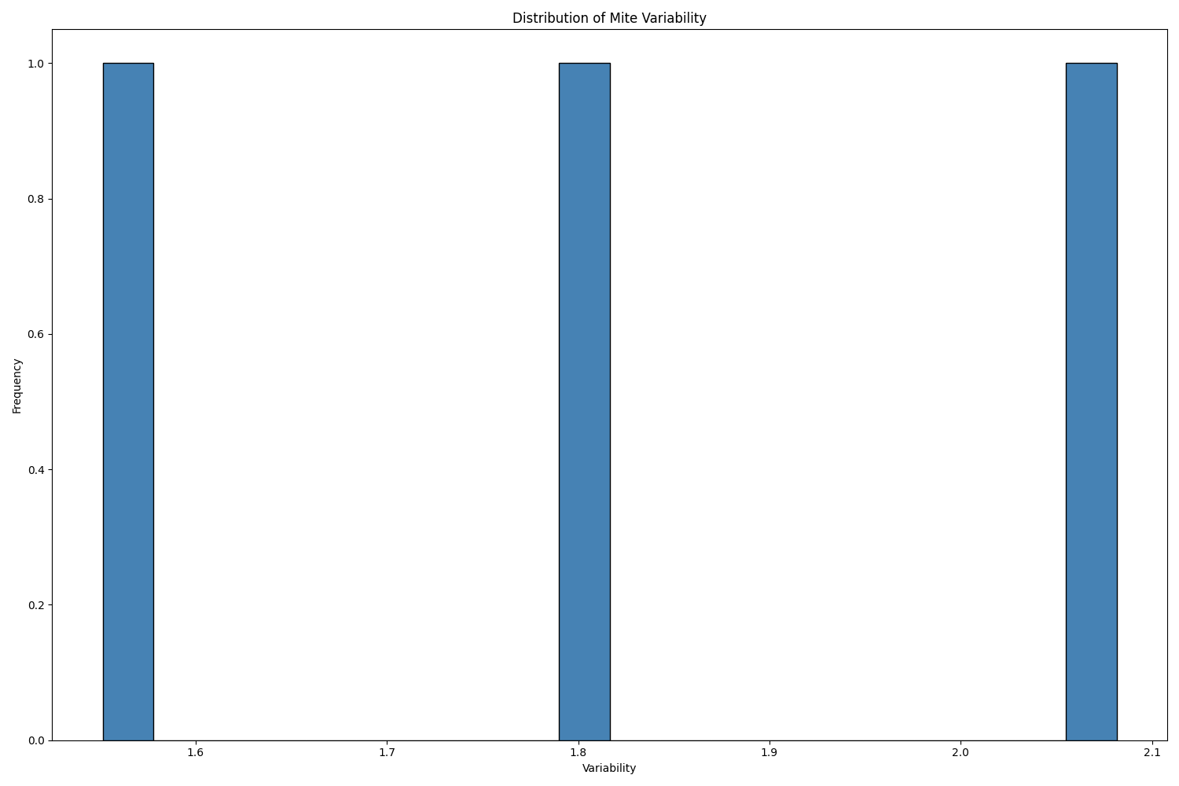
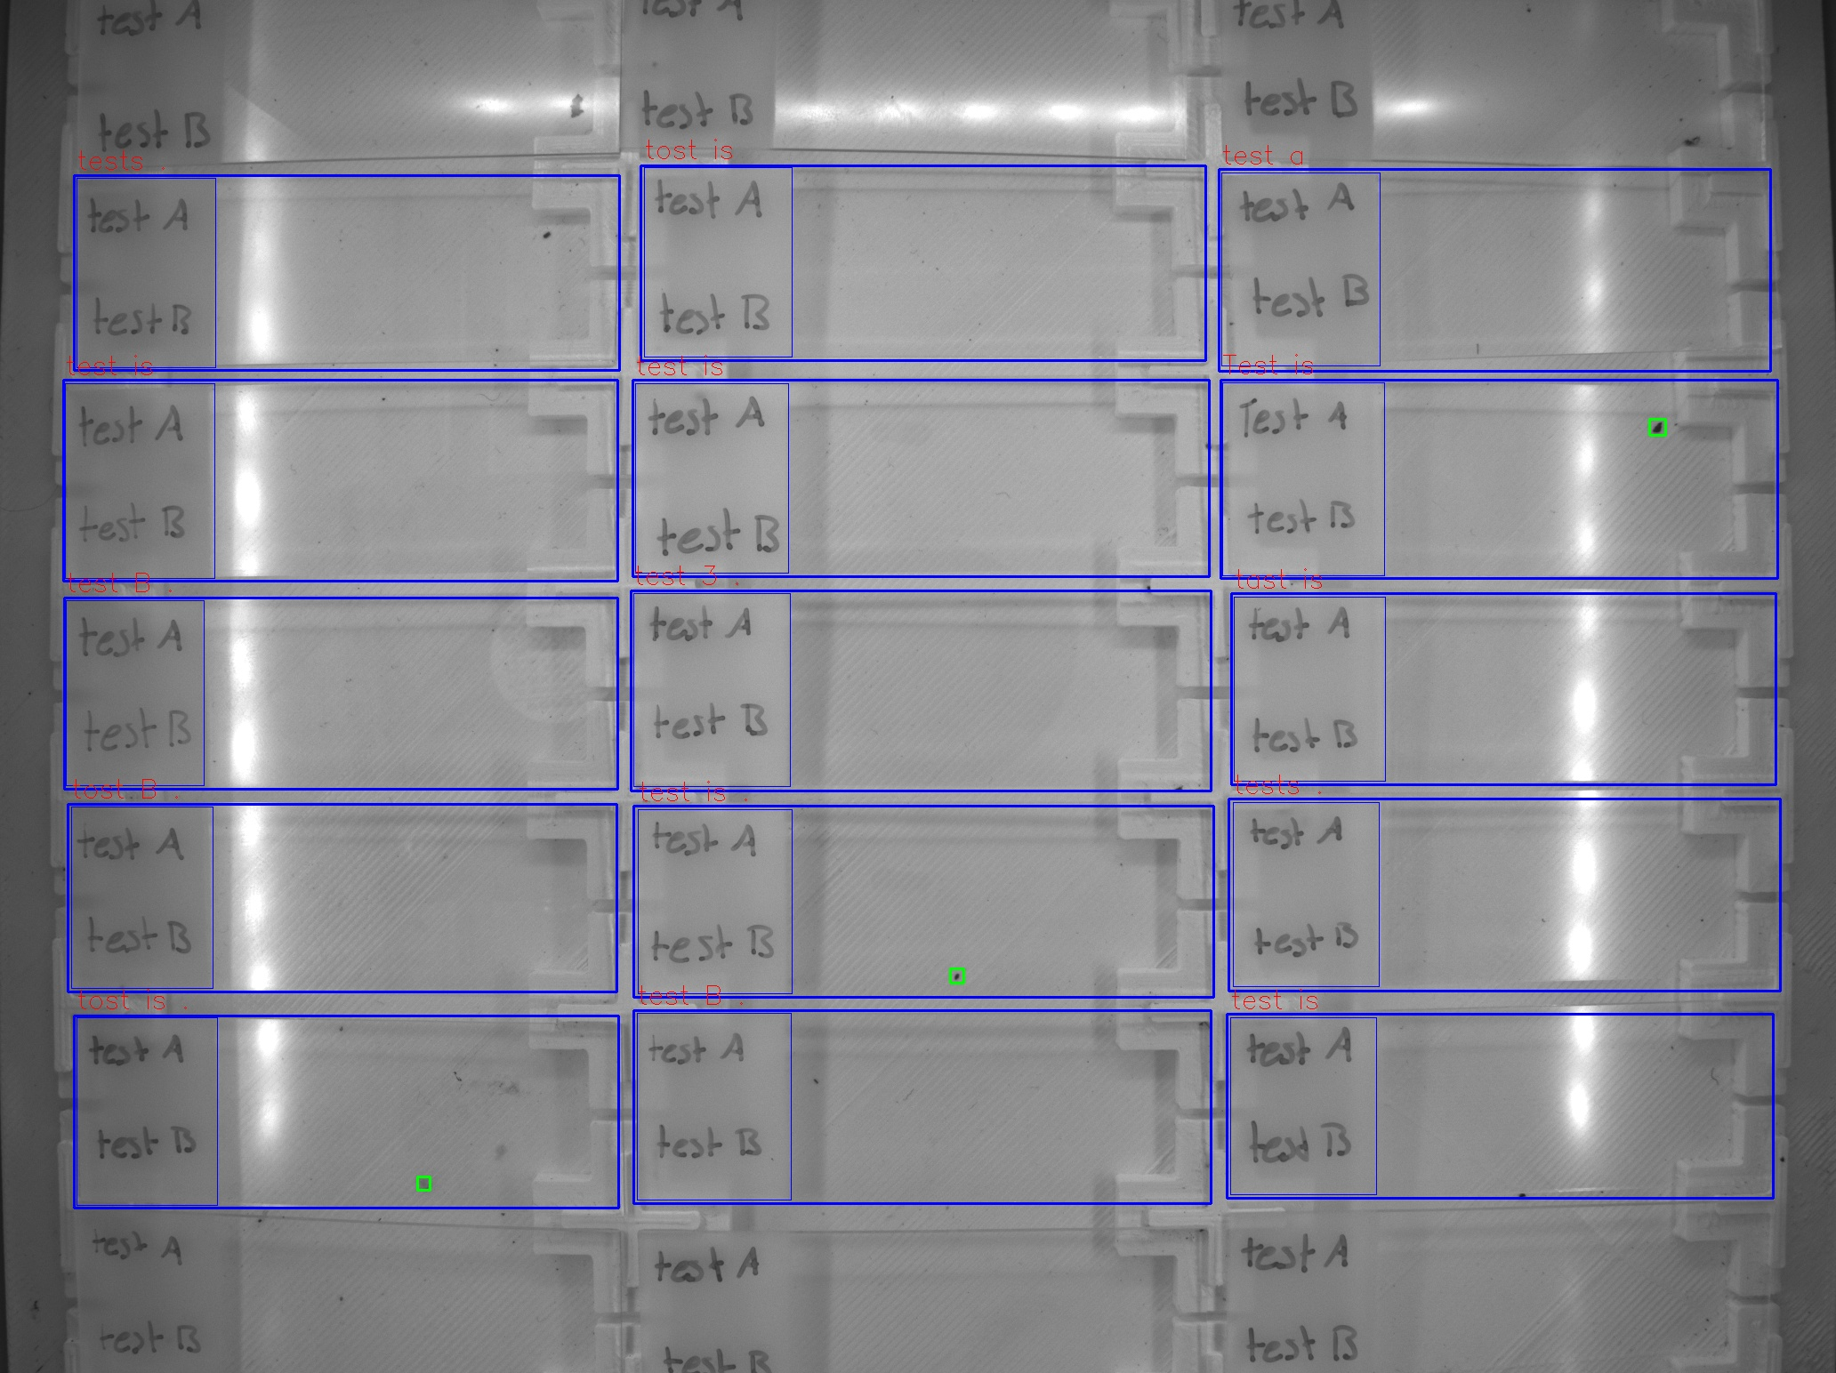
Zone ID | Total Mites | Alive Mites | Dead Mites | Survival %
tests . | 0 | 0 | 0 | 0
test is | 0 | 0 | 0 | 0
test B . | 0 | 0 | 0 | 0
tost B . | 0 | 0 | 0 | 0
tost is . | 1 | 1 | 0 | 100
tost is | 0 | 0 | 0 | 0
test is | 0 | 0 | 0 | 0
test 3 . | 0 | 0 | 0 | 0
test is . | 1 | 1 | 0 | 100
test B . | 0 | 0 | 0 | 0
test a | 0 | 0 | 0 | 0
Test is | 1 | 1 | 0 | 100
tast is | 0 | 0 | 0 | 0
tests . | 0 | 0 | 0 | 0
test is | 0 | 0 | 0 | 0

