Overview
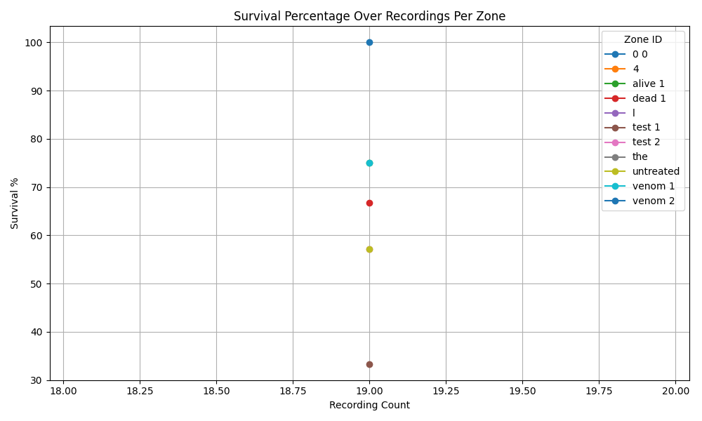

Recording 19
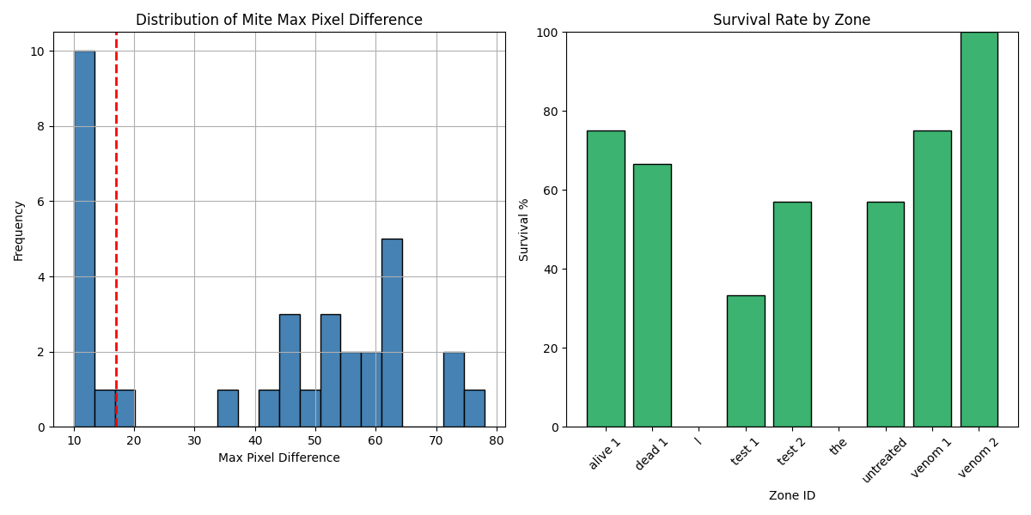
Zone ID | recording | Total Mites | Alive Mites | Dead Mites | Survival %
0 0 | 19 | 0 | 0 | 0
4 | 19 | 0 | 0 | 0
alive 1 | 19 | 4 | 3 | 1 | 75
dead 1 | 19 | 6 | 4 | 2 | 66.67
l | 19 | 0 | 0 | 0
test 1 | 19 | 3 | 1 | 2 | 33.33
test 2 | 19 | 7 | 4 | 3 | 57.14
the | 19 | 0 | 0 | 0
untreated | 19 | 7 | 4 | 3 | 57.14
venom 1 | 19 | 4 | 3 | 1 | 75
venom 2 | 19 | 2 | 2 | 0 | 100

