test 2
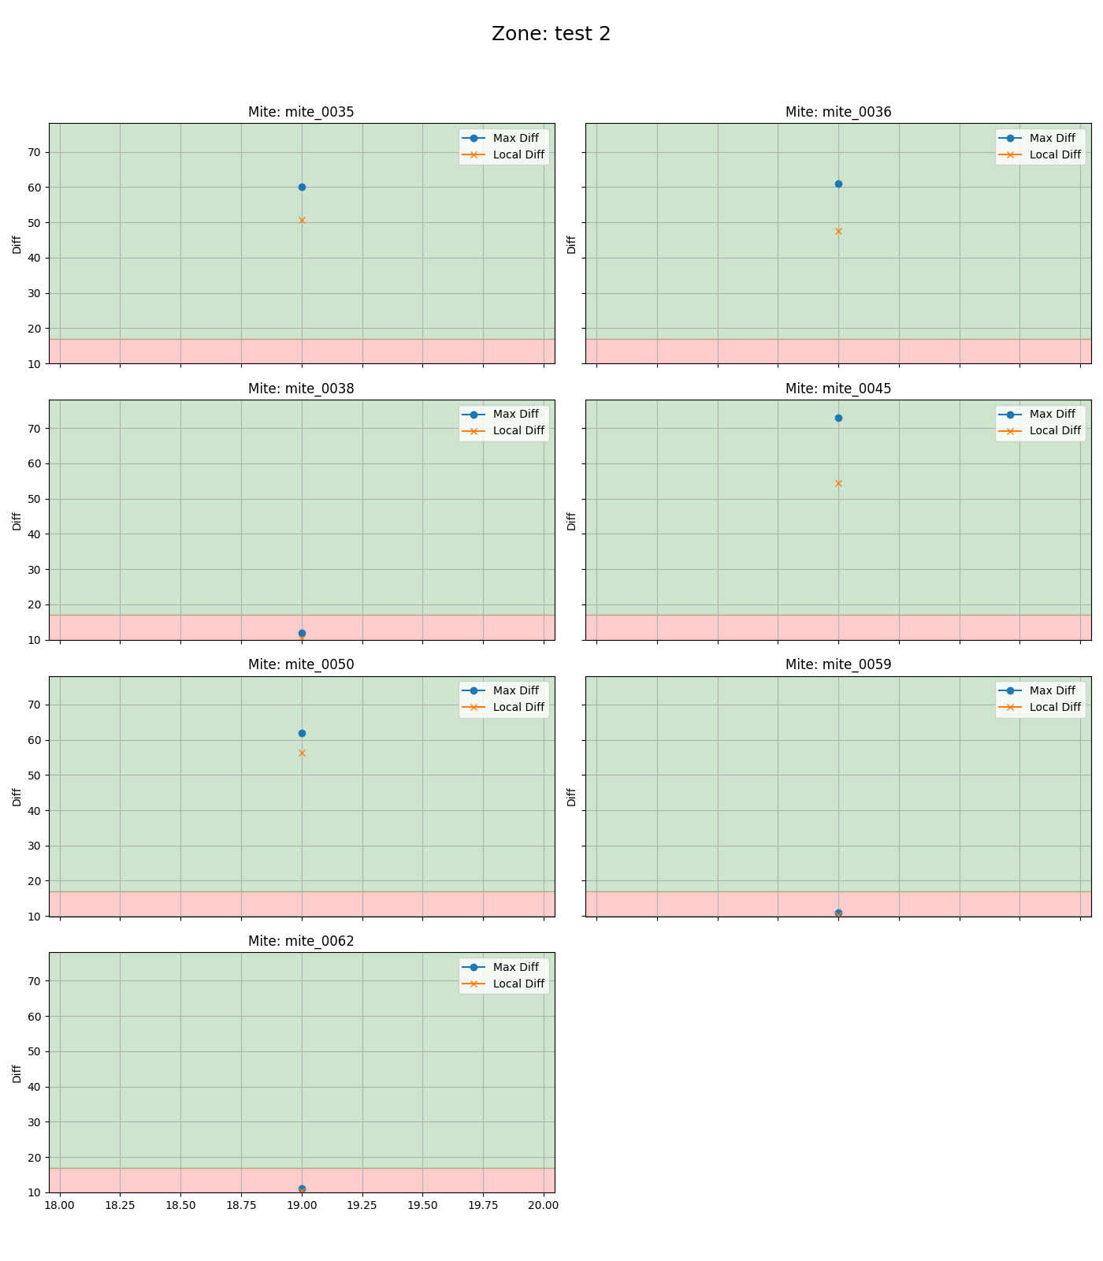
mite ID | 19
mite_0035 | alive
mite_0036 | alive
mite_0038 | dead
mite_0045 | alive
mite_0050 | alive
mite_0059 | dead
mite_0062 | dead

alive 1
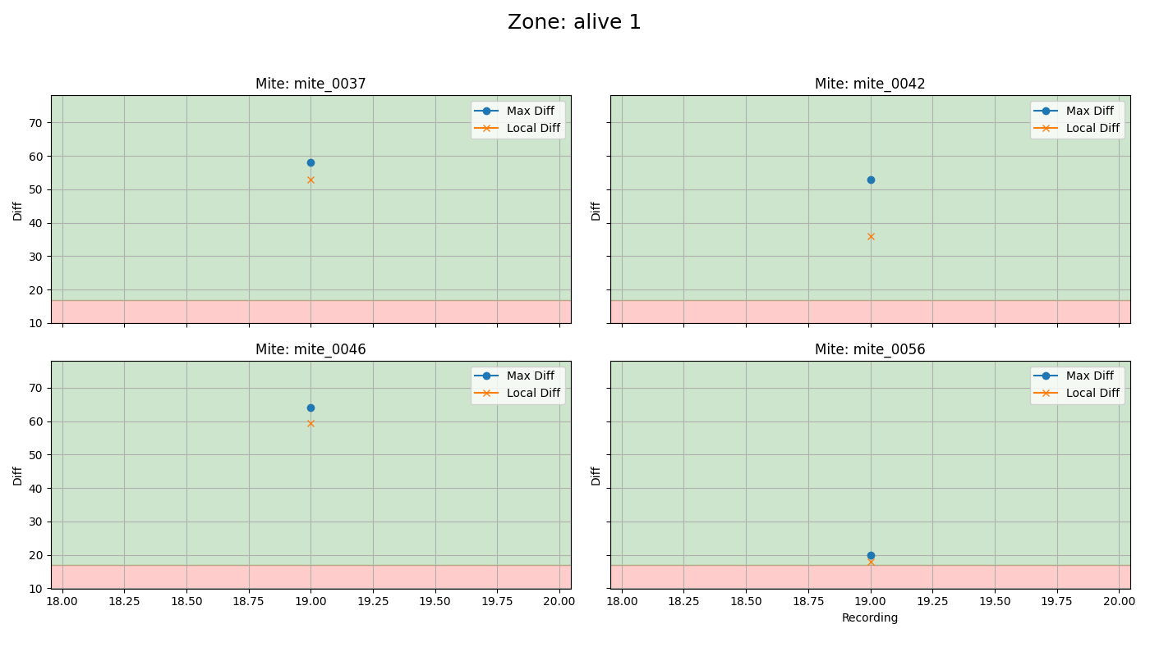
mite ID | 19
mite_0037 | alive
mite_0042 | alive
mite_0046 | alive
mite_0056 | dead

untreated
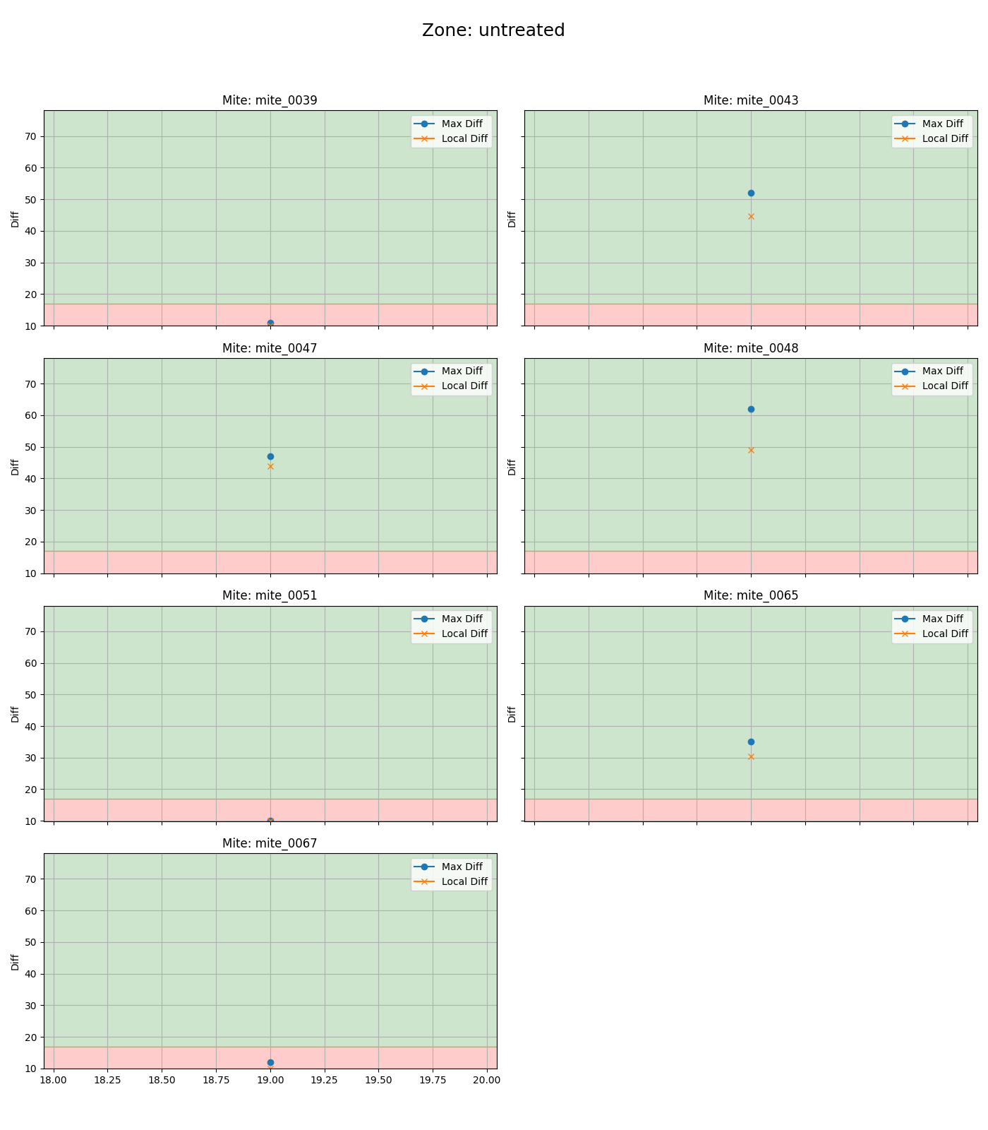
mite ID | 19
mite_0039 | dead
mite_0043 | alive
mite_0047 | alive
mite_0048 | alive
mite_0051 | dead
mite_0065 | alive
mite_0067 | dead

venom 1
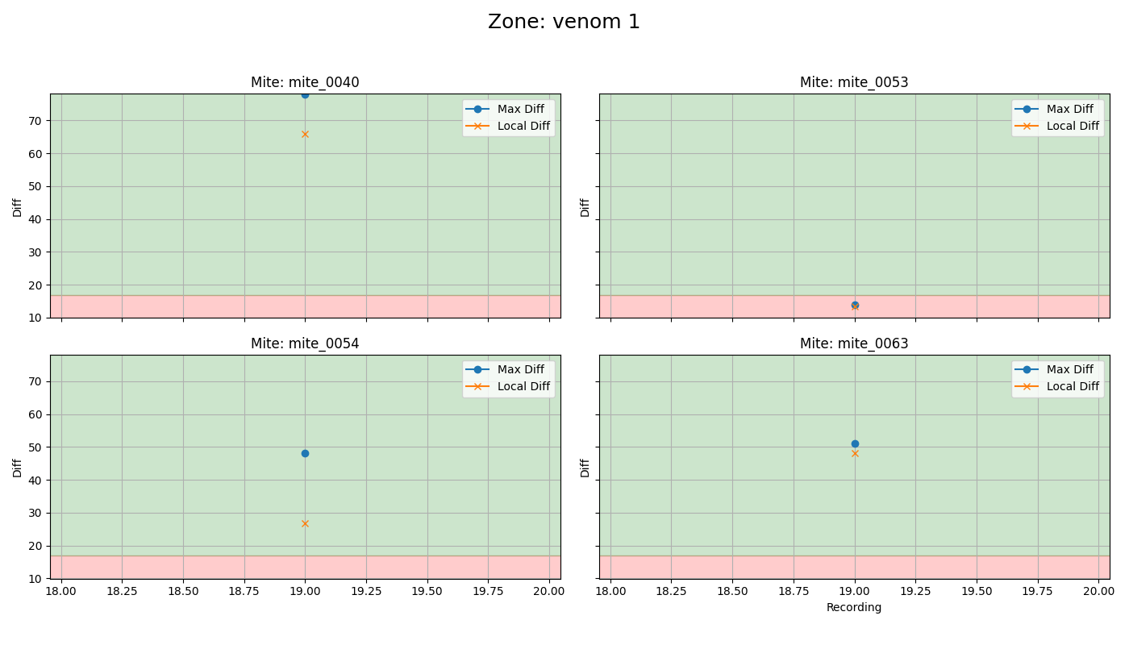
mite ID | 19
mite_0040 | alive
mite_0053 | dead
mite_0054 | alive
mite_0063 | alive

test 1
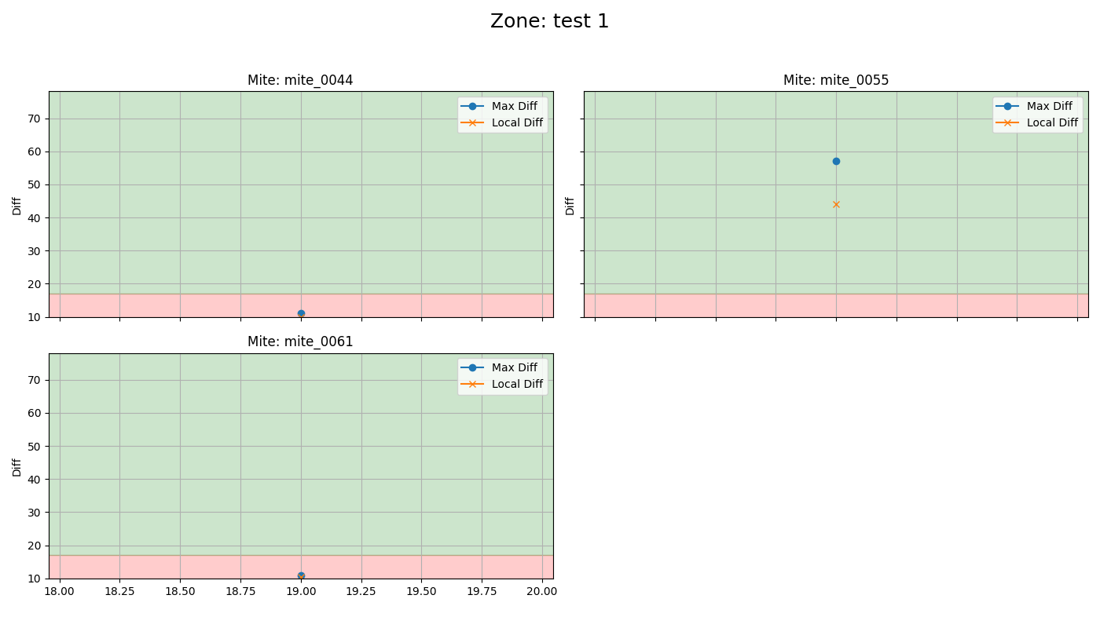
mite ID | 19
mite_0044 | dead
mite_0055 | alive
mite_0061 | dead

dead 1
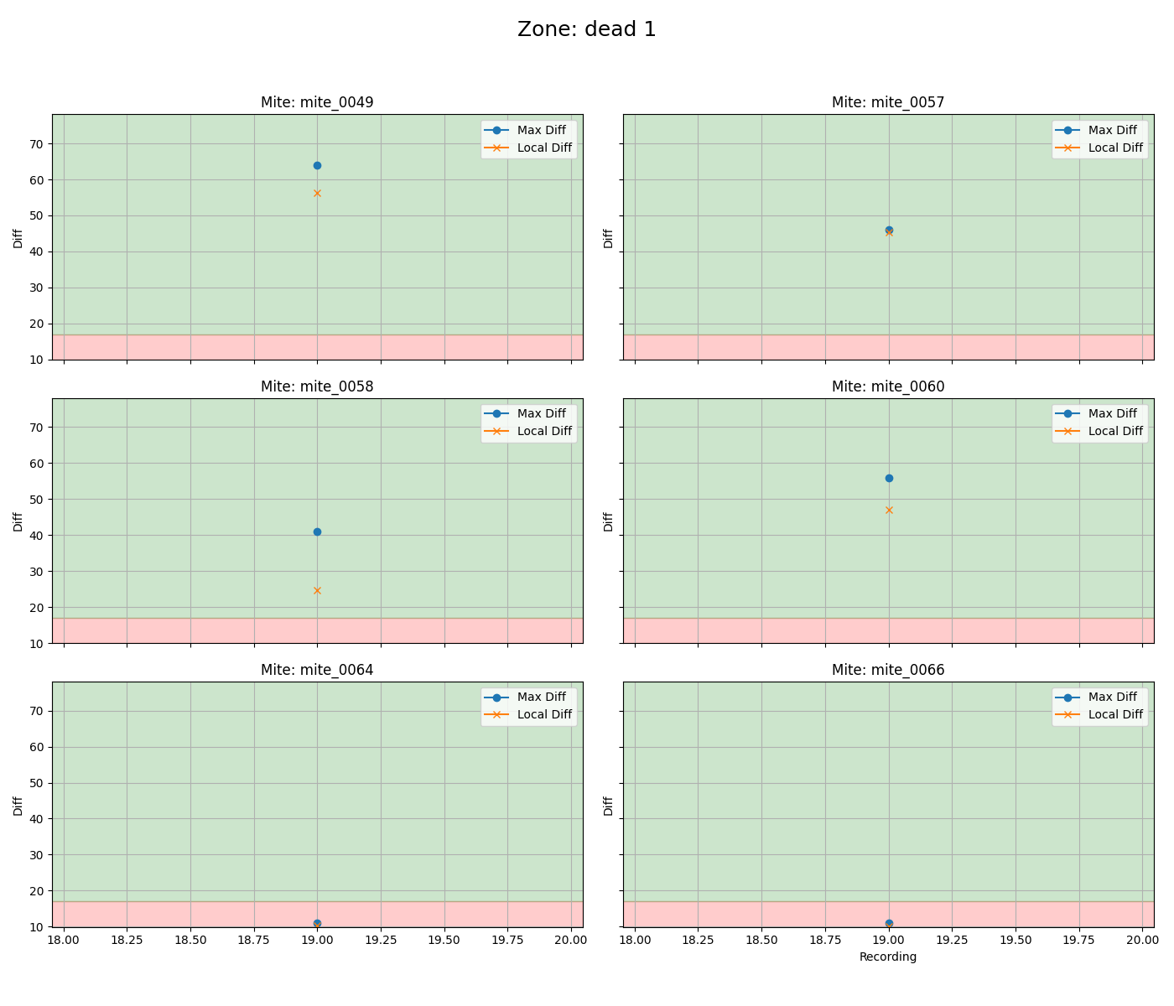
mite ID | 19
mite_0049 | alive
mite_0057 | alive
mite_0058 | alive
mite_0060 | alive
mite_0064 | dead
mite_0066 | dead

