Overview
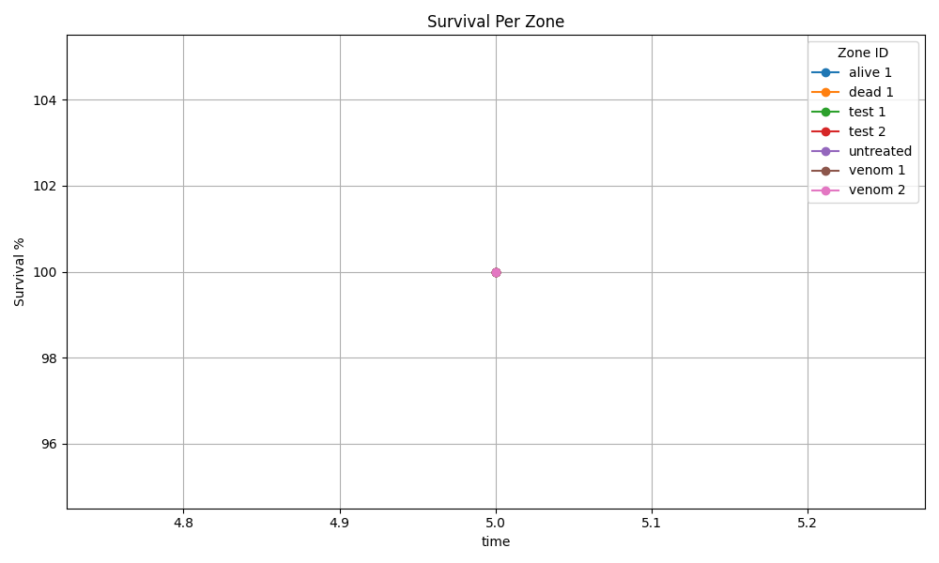

Recording 1
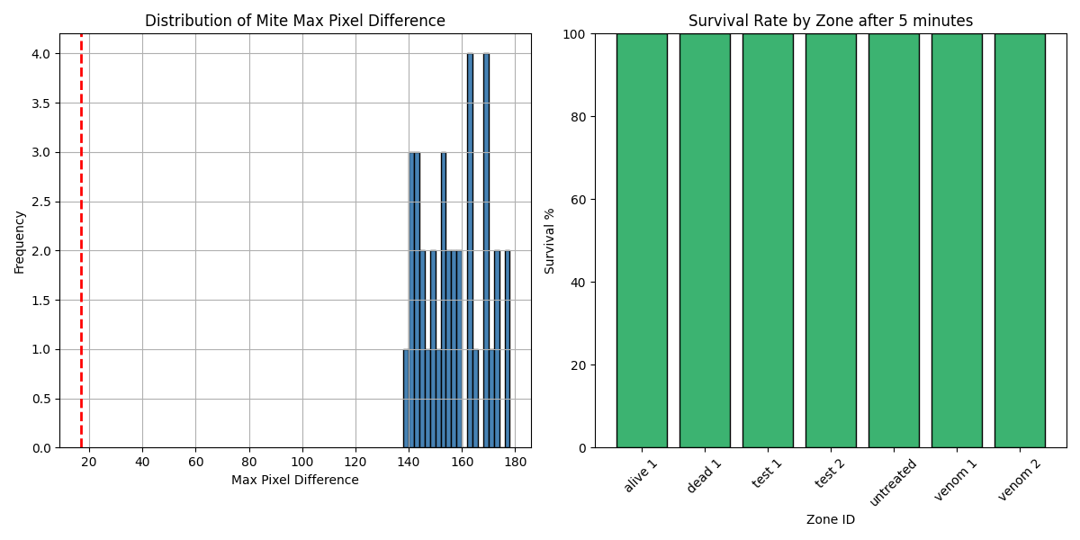
Zone ID | recording | Total Mites | Alive Mites | Dead Mites | Survival %
alive 1 | 1 | 4 | 4 | 0 | 100
dead 1 | 1 | 5 | 5 | 0 | 100
test 1 | 1 | 4 | 4 | 0 | 100
test 2 | 1 | 6 | 6 | 0 | 100
untreated | 1 | 9 | 9 | 0 | 100
venom 1 | 1 | 5 | 5 | 0 | 100
venom 2 | 1 | 3 | 3 | 0 | 100

