test 2
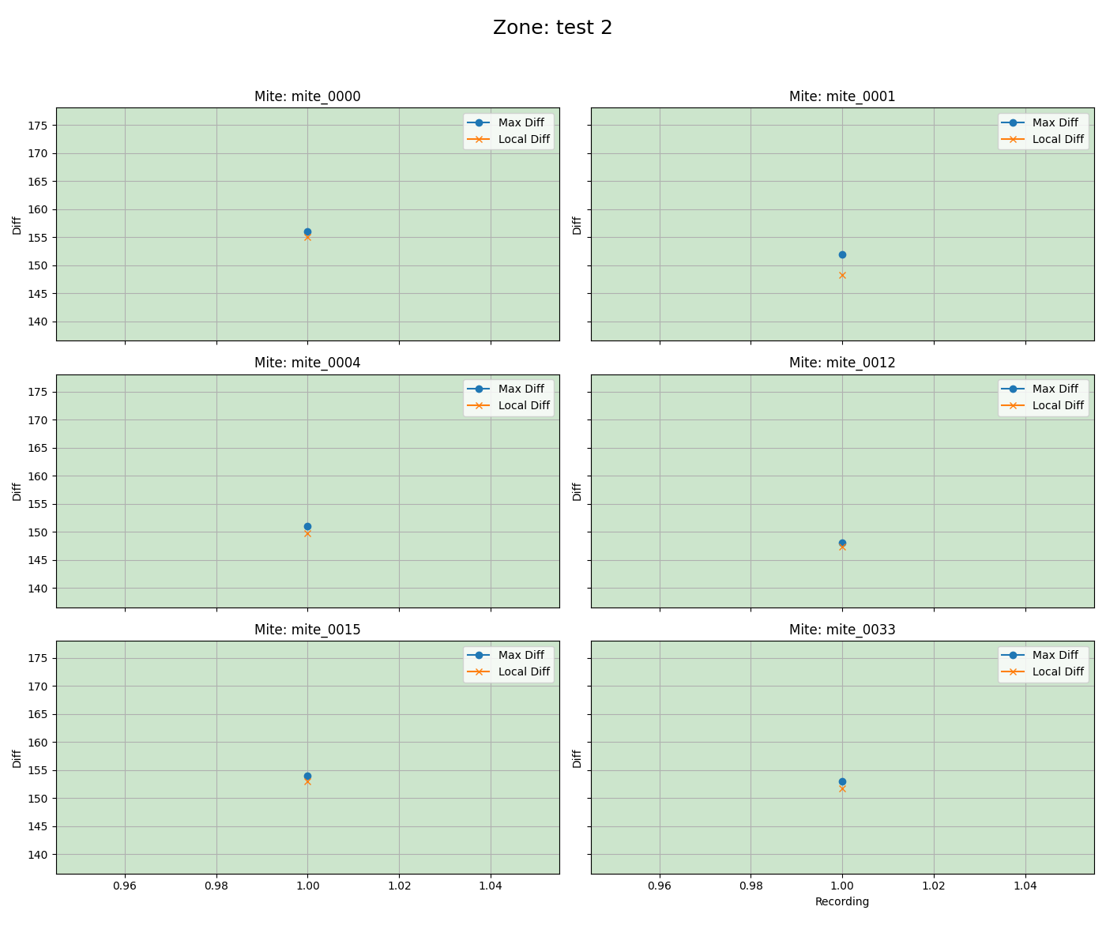
mite ID | 1
mite_0000 | alive
mite_0001 | alive
mite_0004 | alive
mite_0012 | alive
mite_0015 | alive
mite_0033 | alive

alive 1
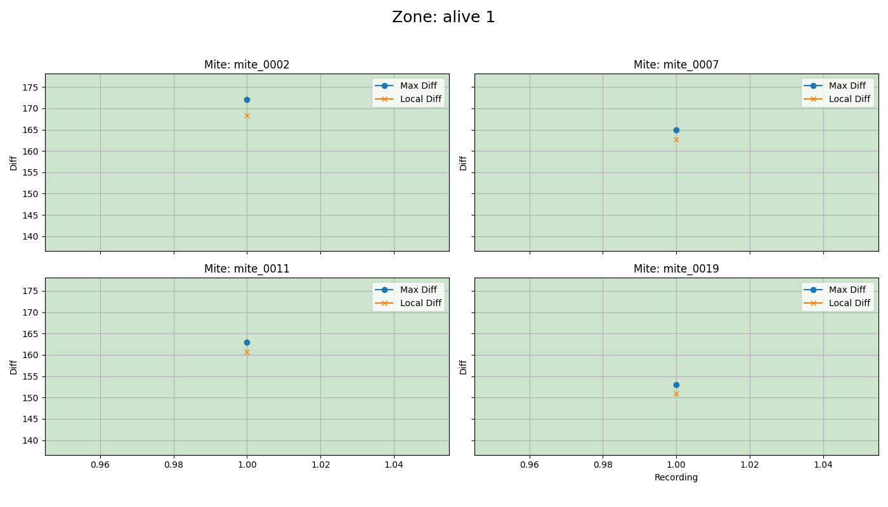
mite ID | 1
mite_0002 | alive
mite_0007 | alive
mite_0011 | alive
mite_0019 | alive

untreated
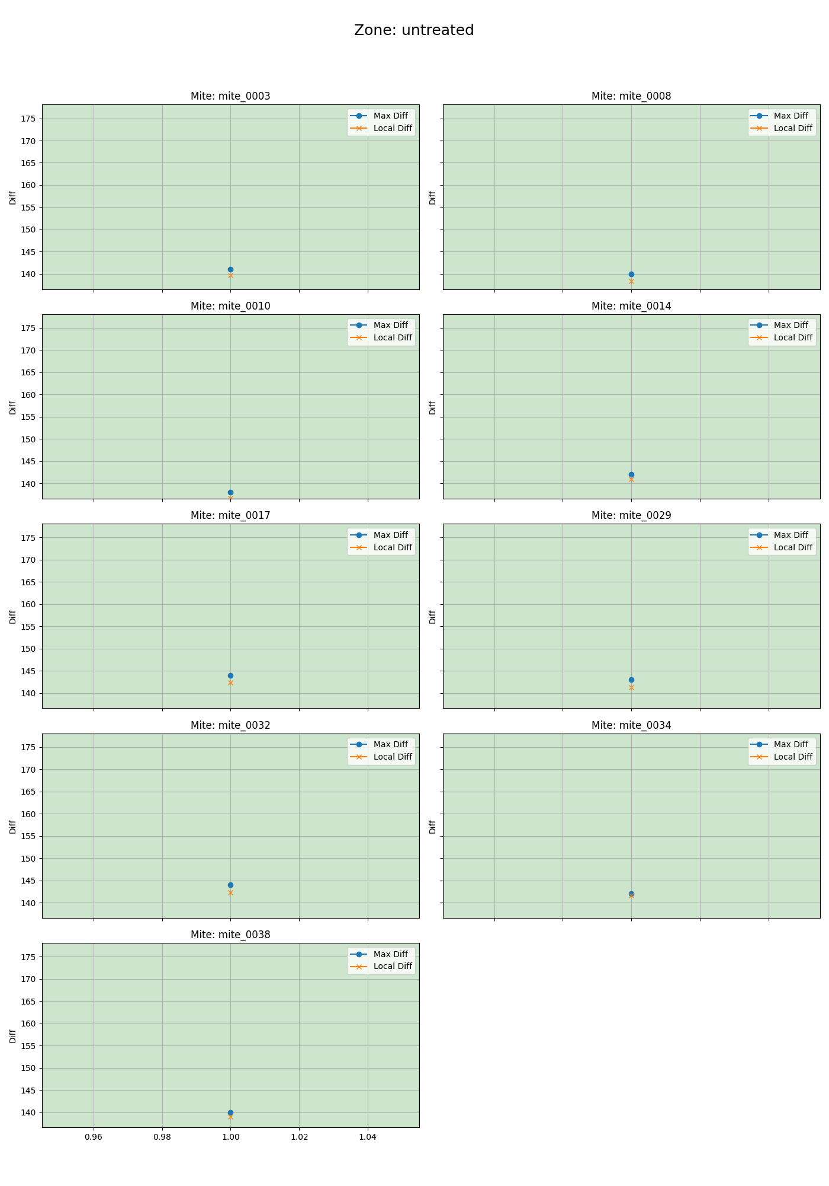
mite ID | 1
mite_0003 | alive
mite_0008 | alive
mite_0010 | alive
mite_0014 | alive
mite_0017 | alive
mite_0029 | alive
mite_0032 | alive
mite_0034 | alive
mite_0038 | alive

venom 2
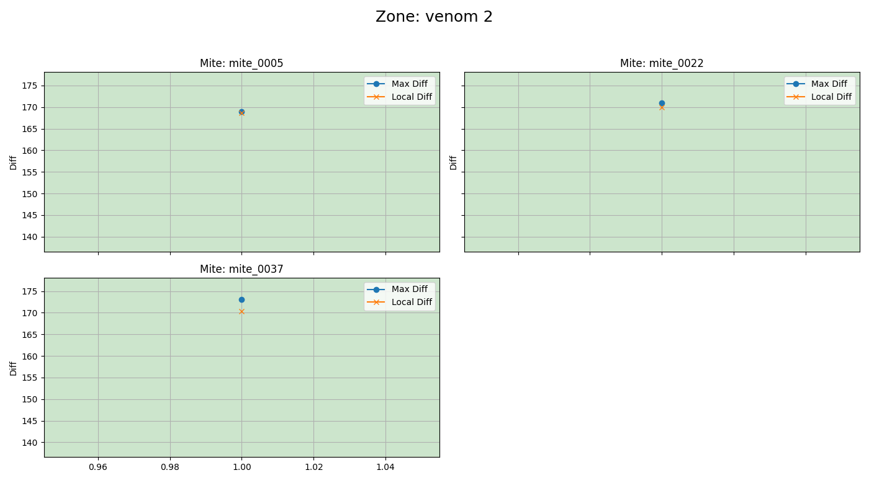
mite ID | 1
mite_0005 | alive
mite_0022 | alive
mite_0037 | alive

venom 1
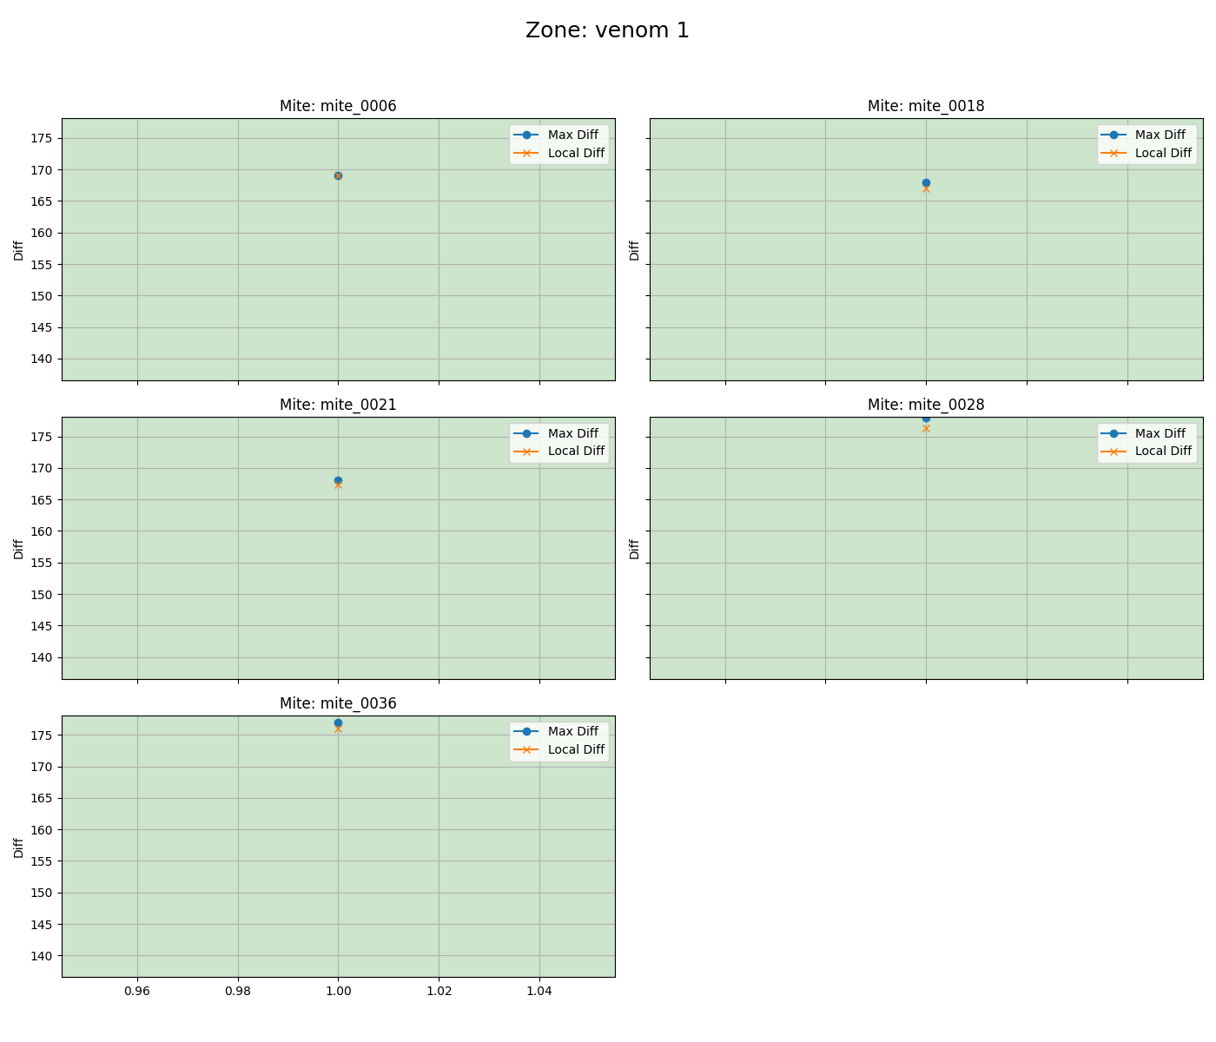
mite ID | 1
mite_0006 | alive
mite_0018 | alive
mite_0021 | alive
mite_0028 | alive
mite_0036 | alive

test 1
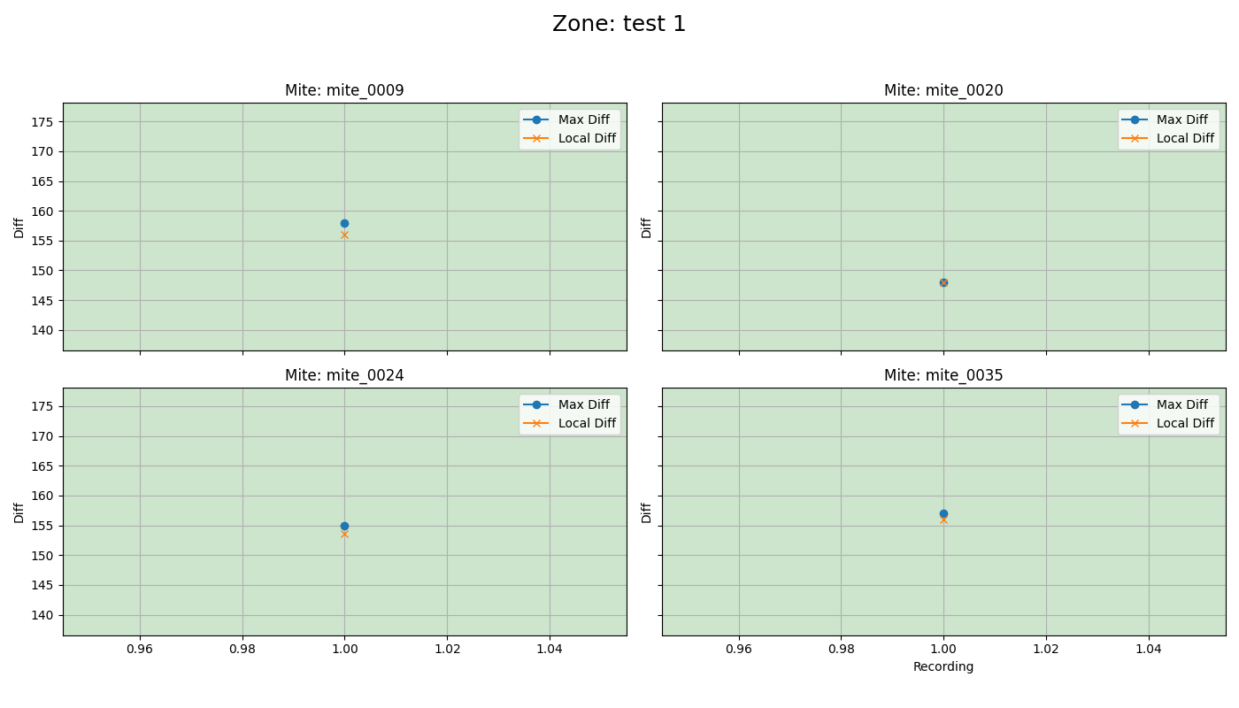
mite ID | 1
mite_0009 | alive
mite_0020 | alive
mite_0024 | alive
mite_0035 | alive

dead 1
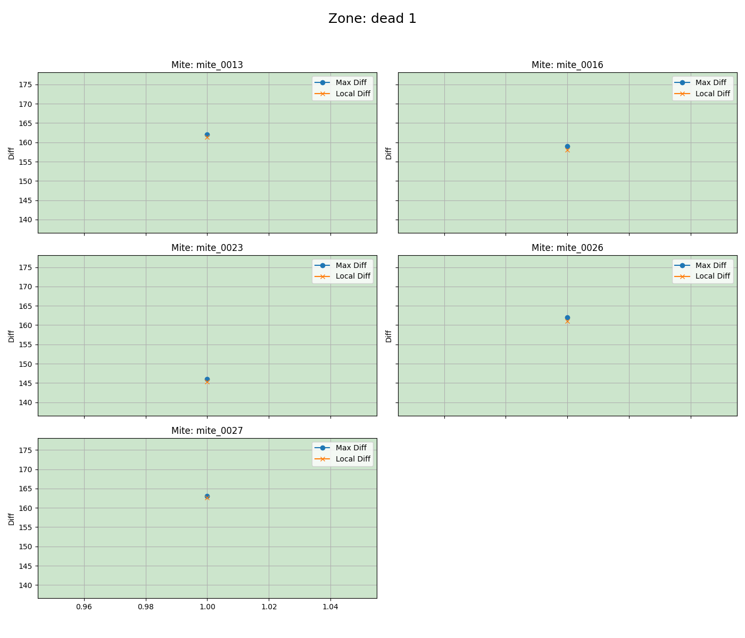
mite ID | 1
mite_0013 | alive
mite_0016 | alive
mite_0023 | alive
mite_0026 | alive
mite_0027 | alive

