Sheet1
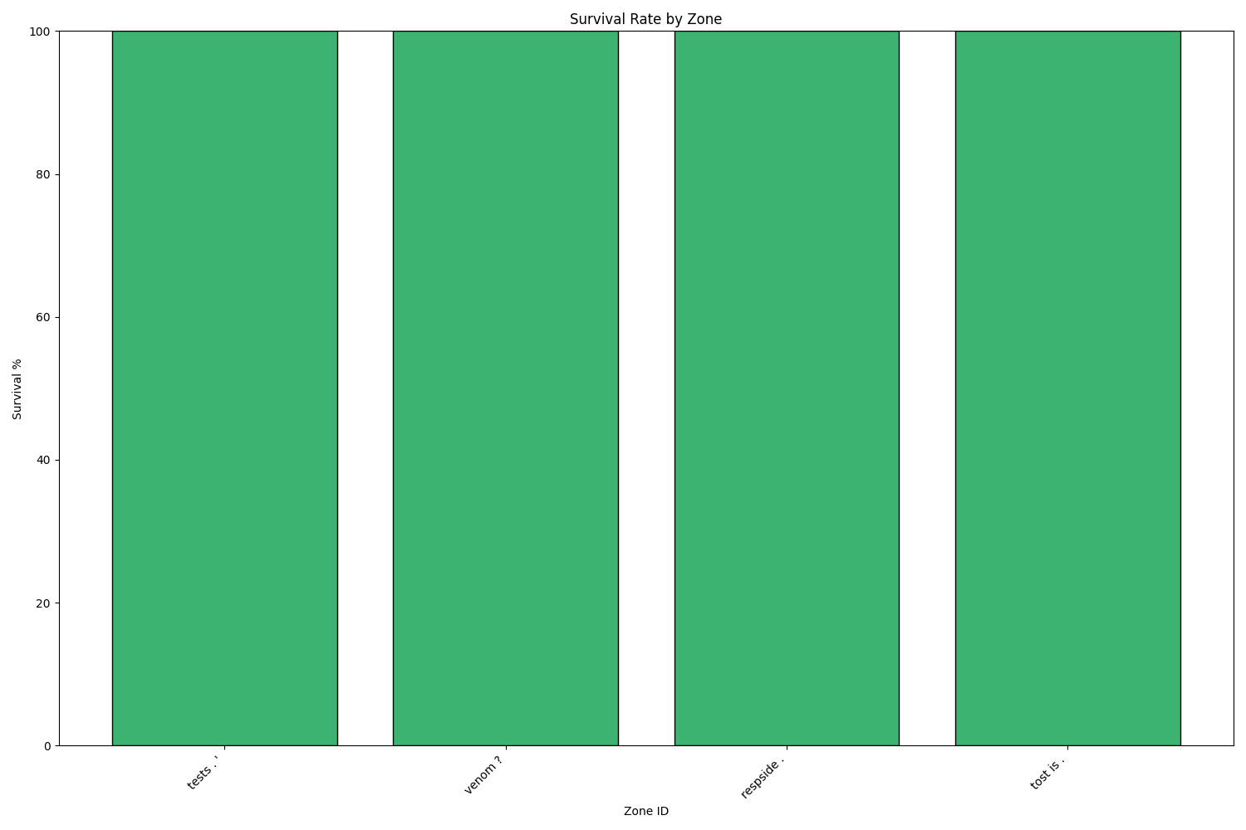
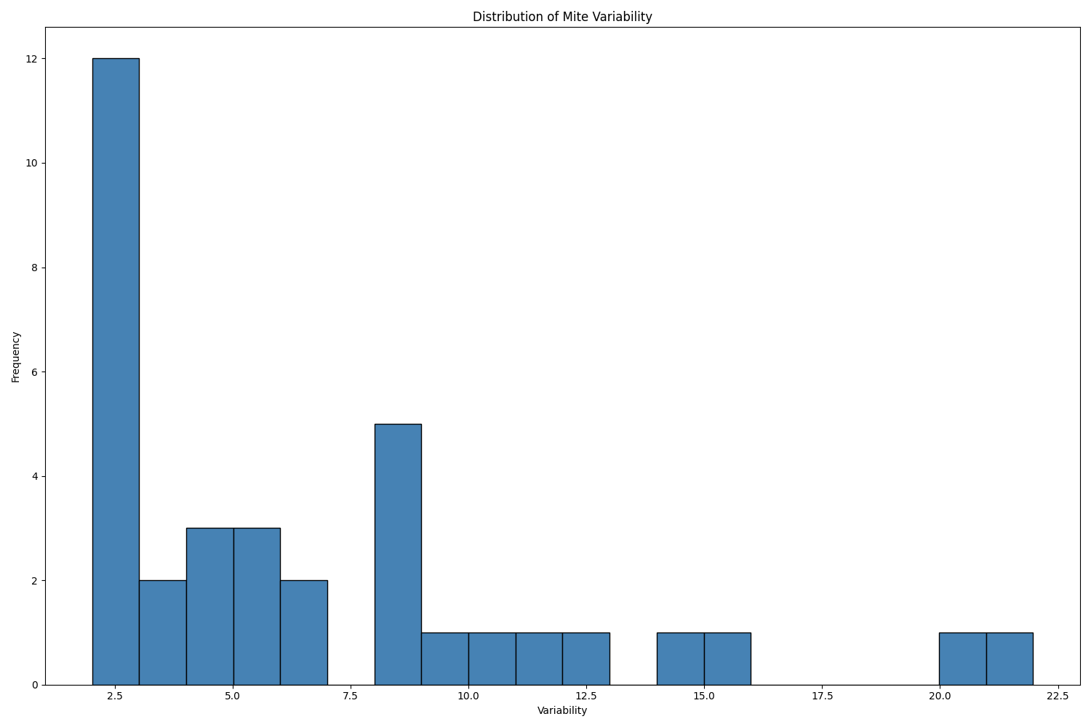
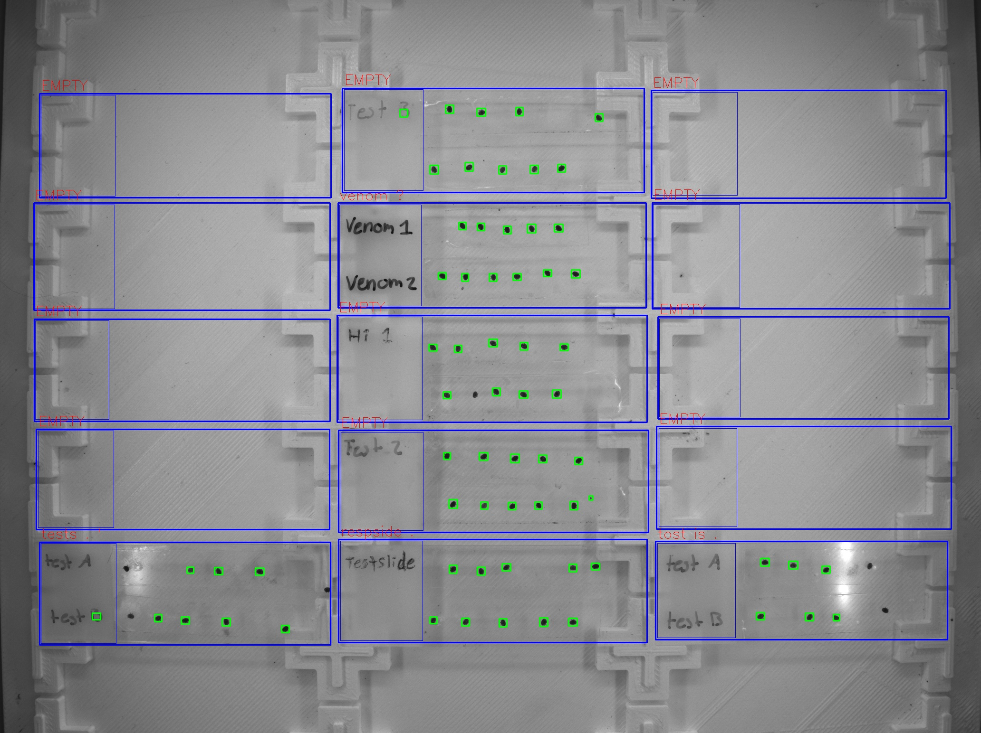
Zone ID | Total Mites | Alive Mites | Dead Mites | Survival %
tests . ' | 8 | 8 | 0 | 100
venom ? | 11 | 11 | 0 | 100
respside . | 10 | 10 | 0 | 100
tost is . | 6 | 6 | 0 | 100

