Sheet1

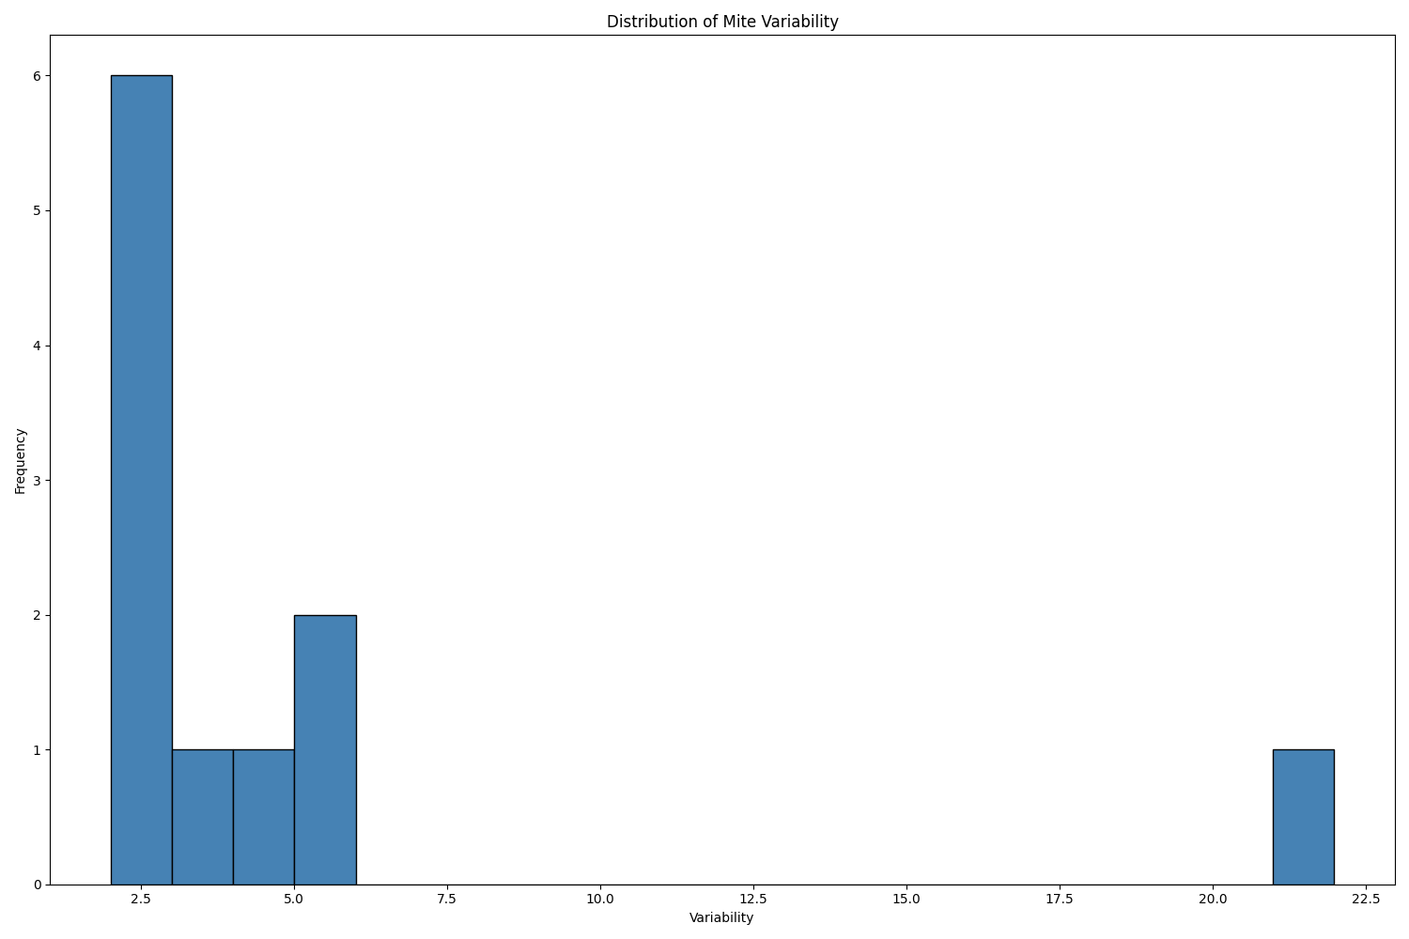
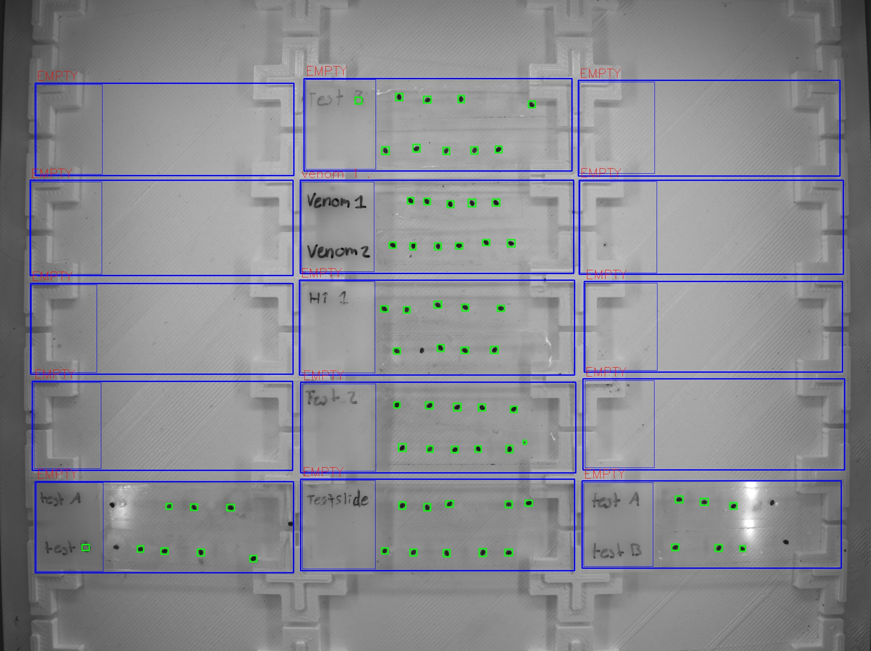
Zone ID | Total Mites | Alive Mites | Dead Mites | Survival %
venom 1 . | 11 | 11 | 0 | 100

