Sheet1
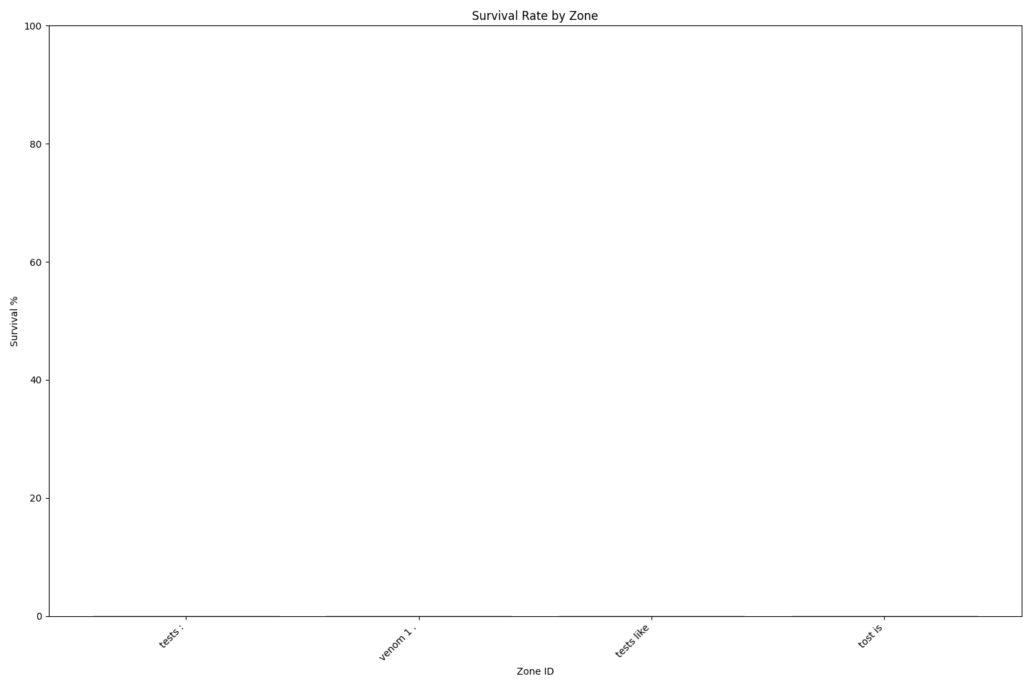
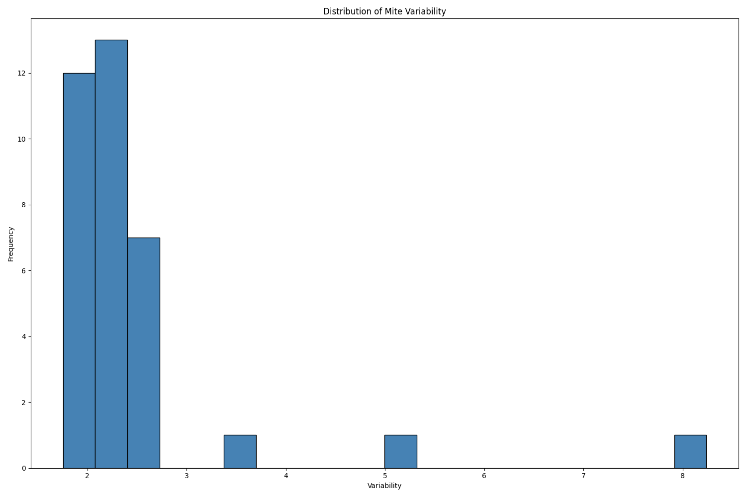
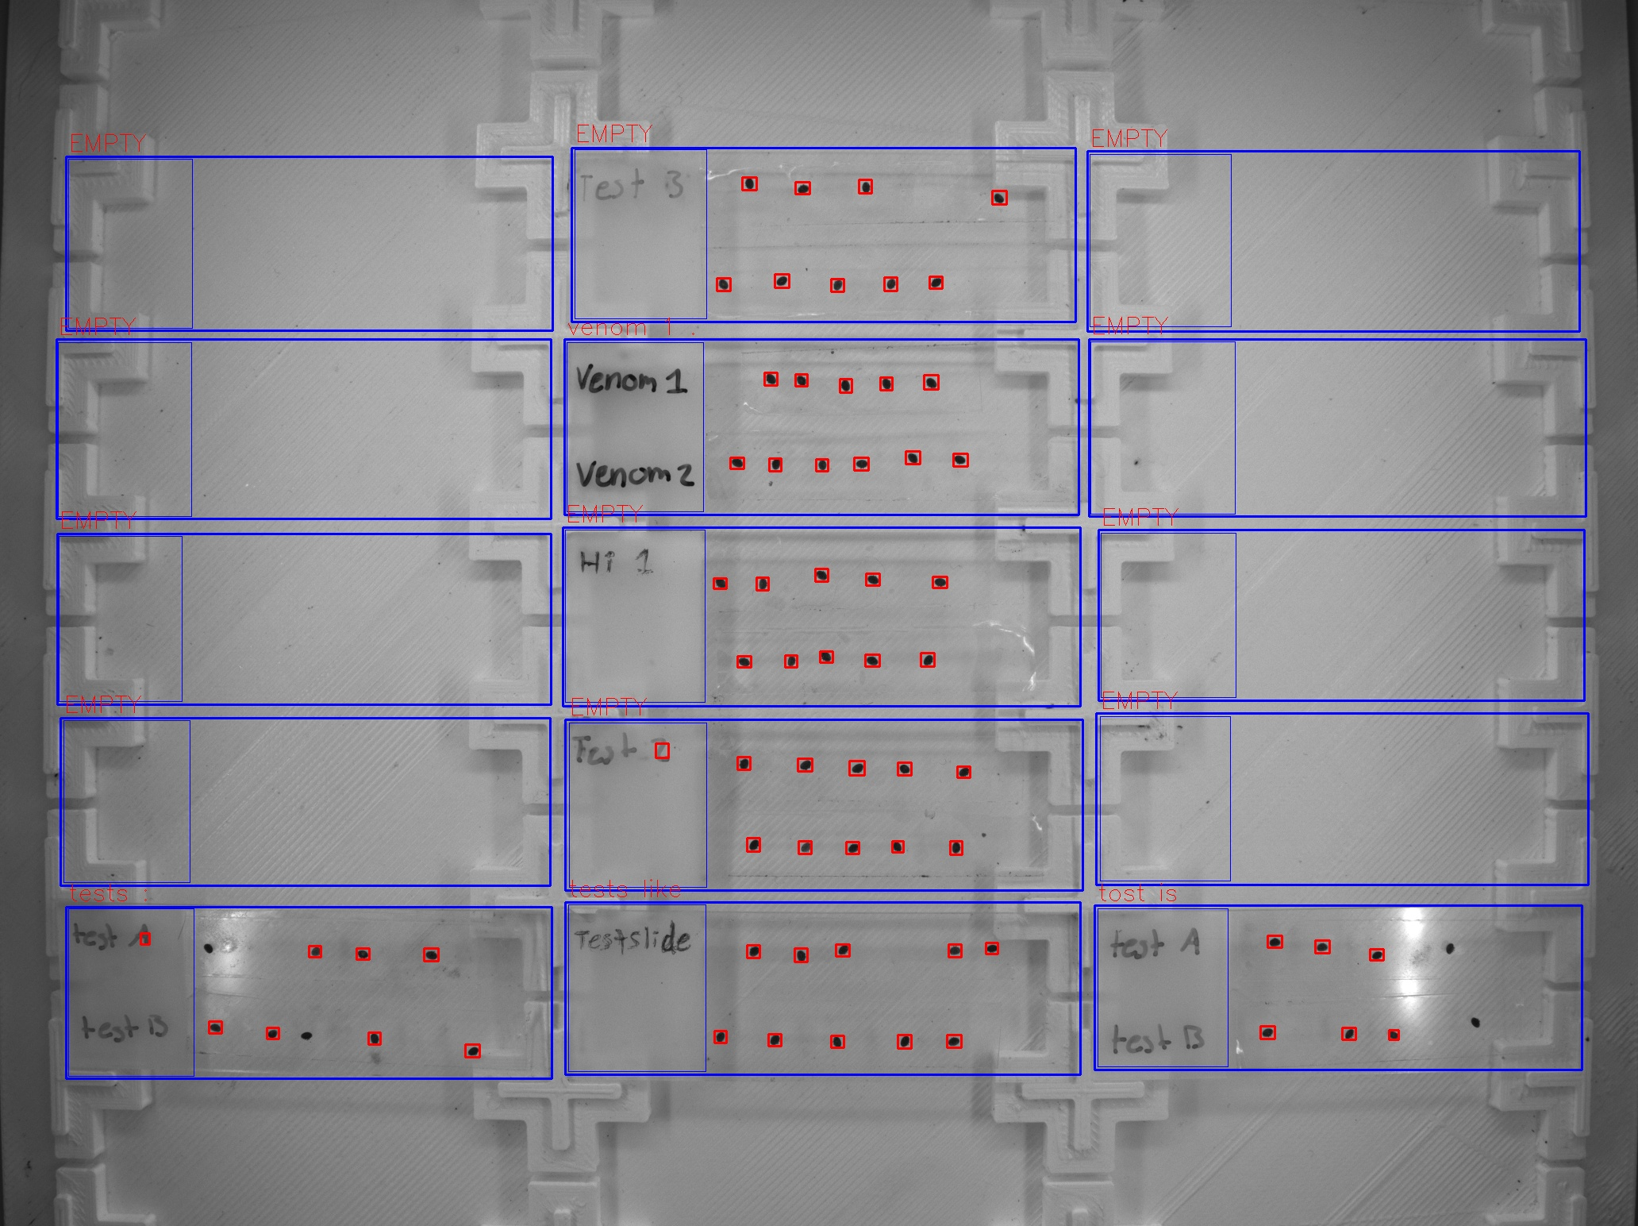
Zone ID | Total Mites | Alive Mites | Dead Mites | Survival %
tests : | 8 | 0 | 8 | 0
venom 1 . | 11 | 0 | 11 | 0
tests like | 10 | 0 | 10 | 0
tost is | 6 | 0 | 6 | 0

