Sheet1
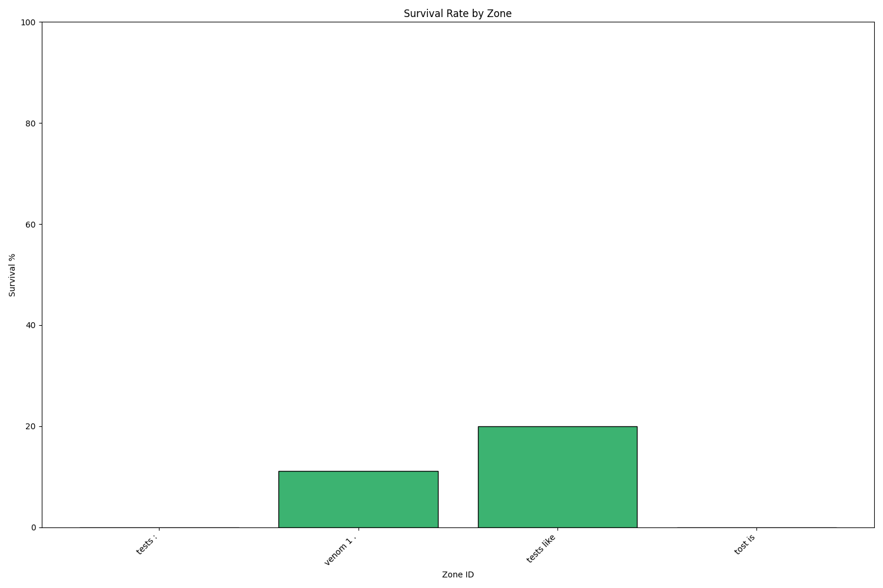
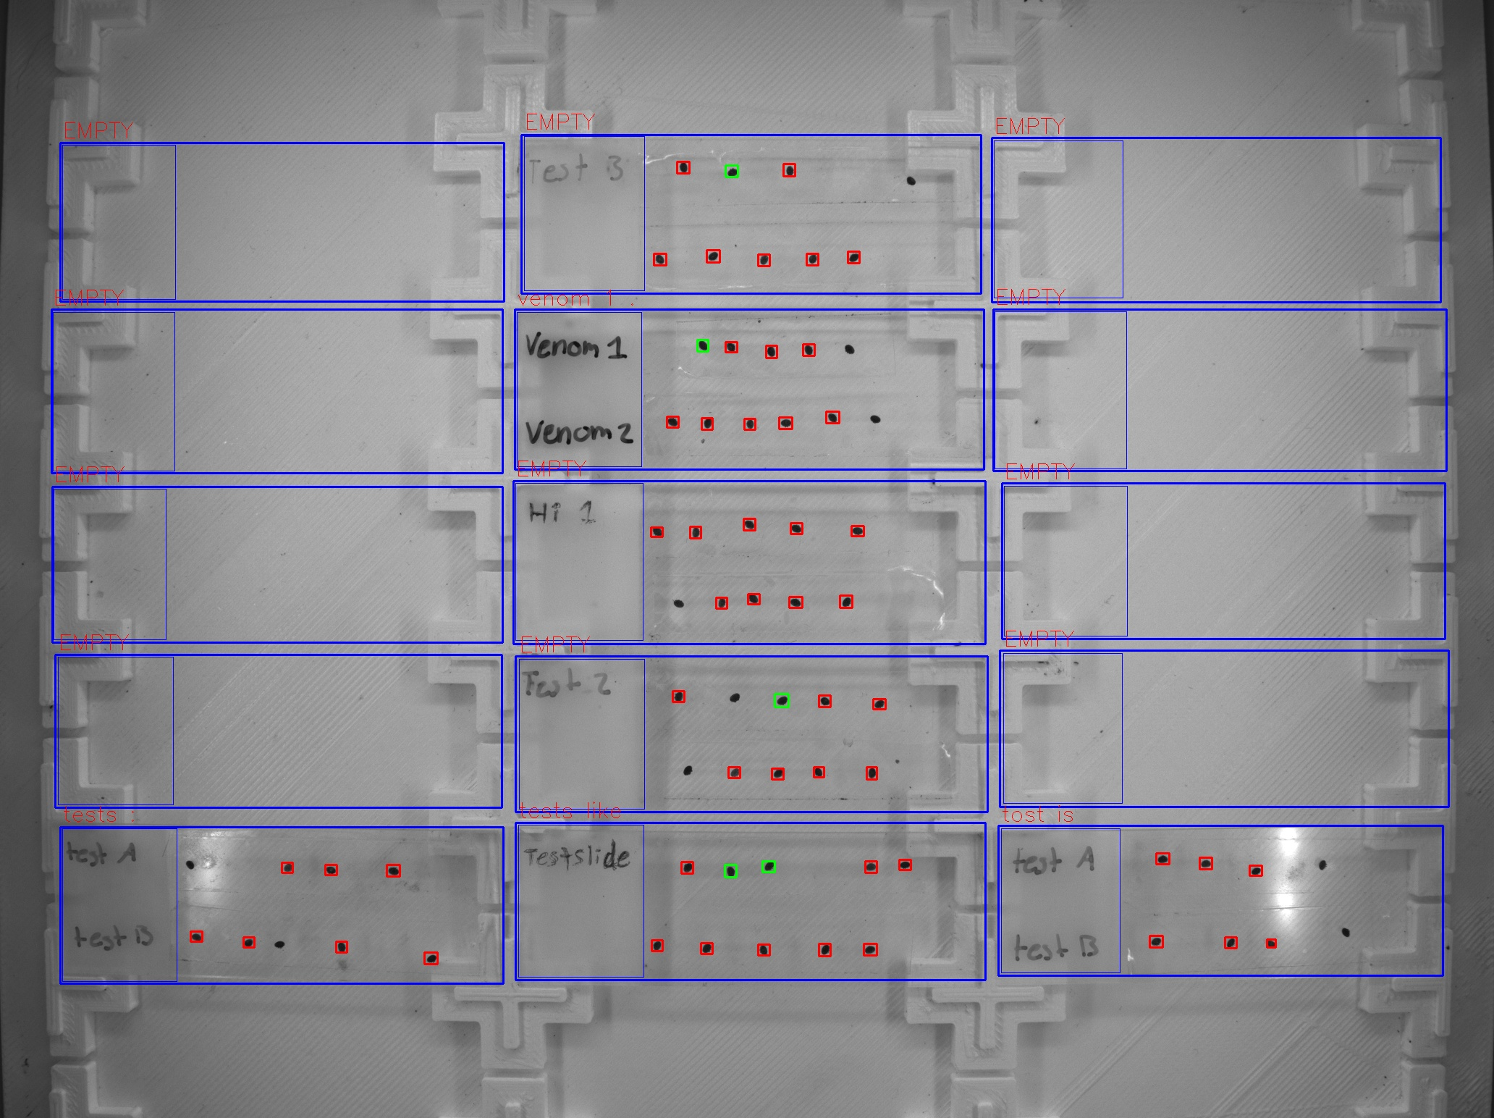
Zone ID | Total Mites | Alive Mites | Dead Mites | Survival %
tests : | 7 | 0 | 7 | 0
venom 1 . | 9 | 1 | 8 | 11.11
tests like | 10 | 2 | 8 | 20
tost is | 6 | 0 | 6 | 0

