Sheet1
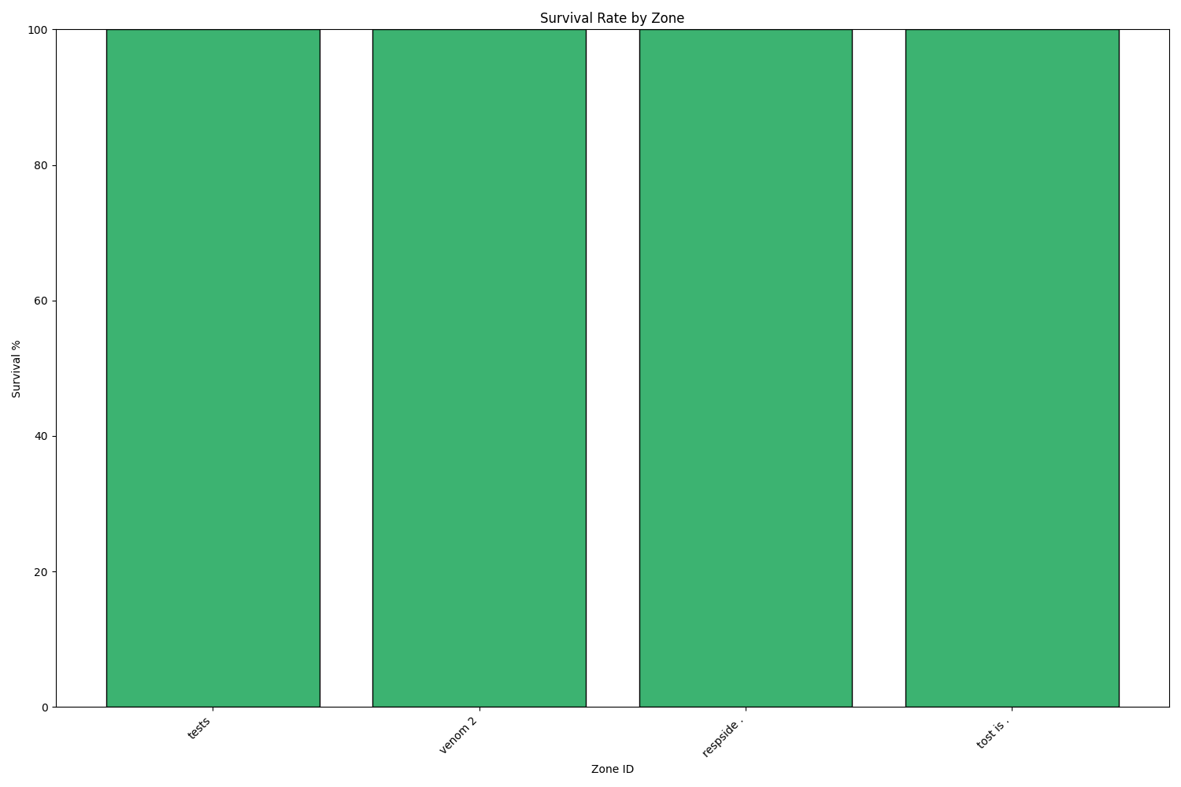
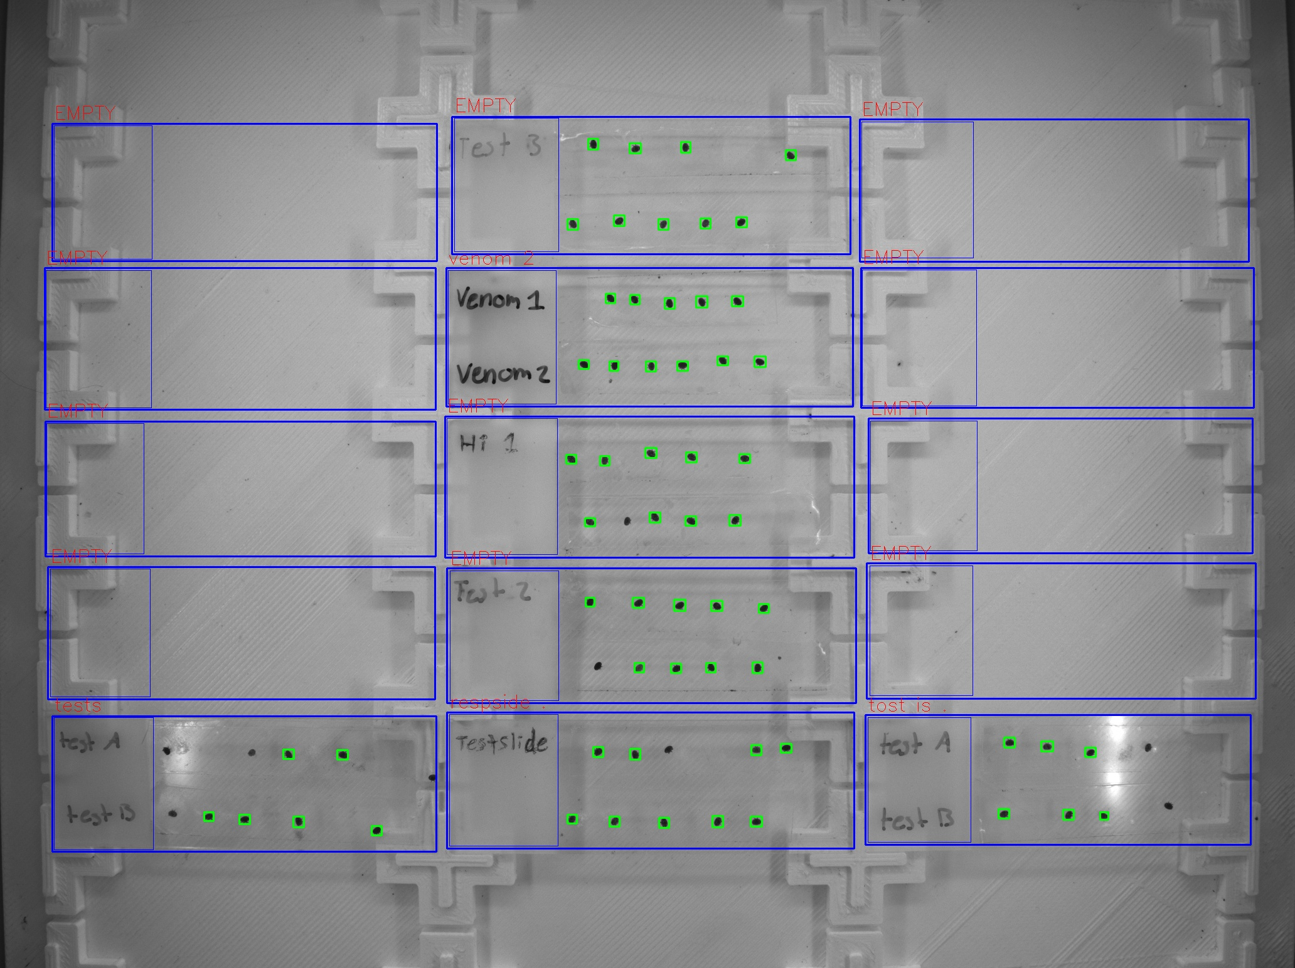
Zone ID | Total Mites | Alive Mites | Dead Mites | Survival %
tests | 6 | 6 | 0 | 100
venom 2 | 11 | 11 | 0 | 100
respside . | 9 | 9 | 0 | 100
tost is . | 6 | 6 | 0 | 100

