Sheet1
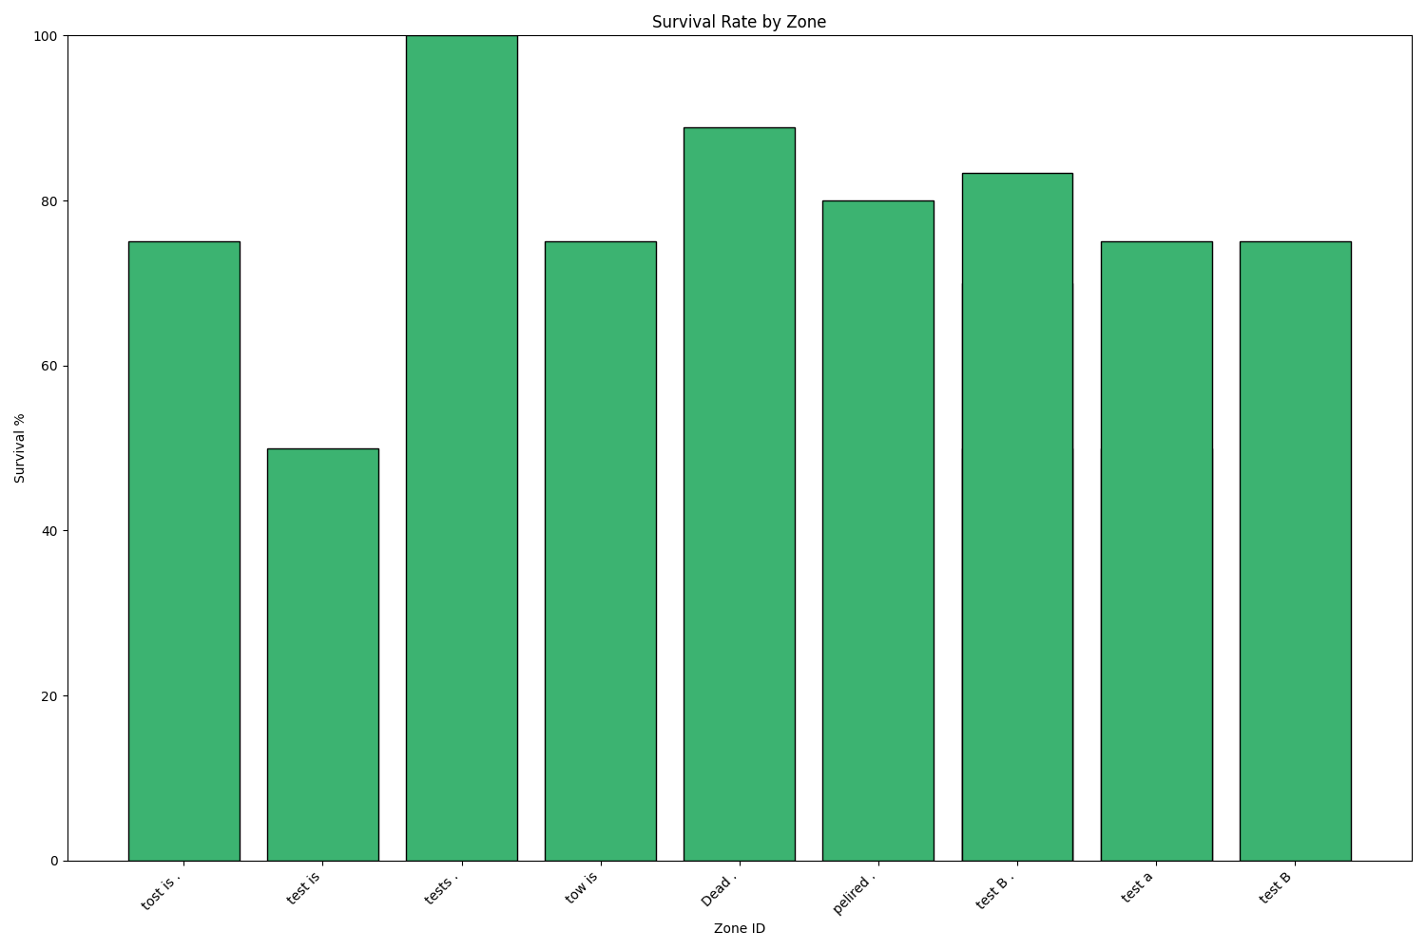
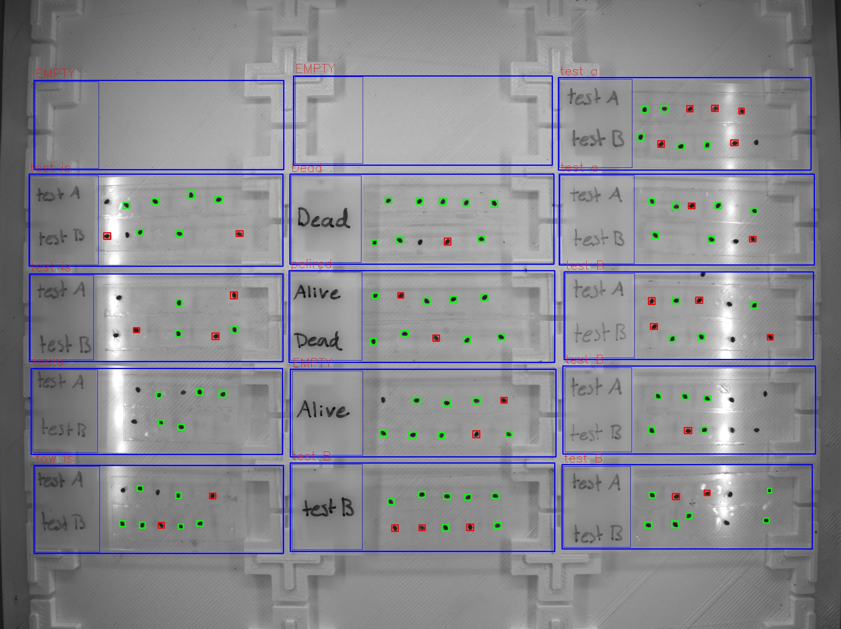
Zone ID | Total Mites | Alive Mites | Dead Mites | Survival %
tost is . | 8 | 6 | 2 | 75
test is | 6 | 3 | 3 | 50
tests . | 5 | 5 | 0 | 100
tow is | 8 | 6 | 2 | 75
Dead . | 9 | 8 | 1 | 88.89
pelired . | 10 | 8 | 2 | 80
test B . | 10 | 7 | 3 | 70
test a | 10 | 5 | 5 | 50
test a | 8 | 6 | 2 | 75
test B . | 8 | 4 | 4 | 50
test B . | 6 | 5 | 1 | 83.33
test B | 8 | 6 | 2 | 75

