Sheet1
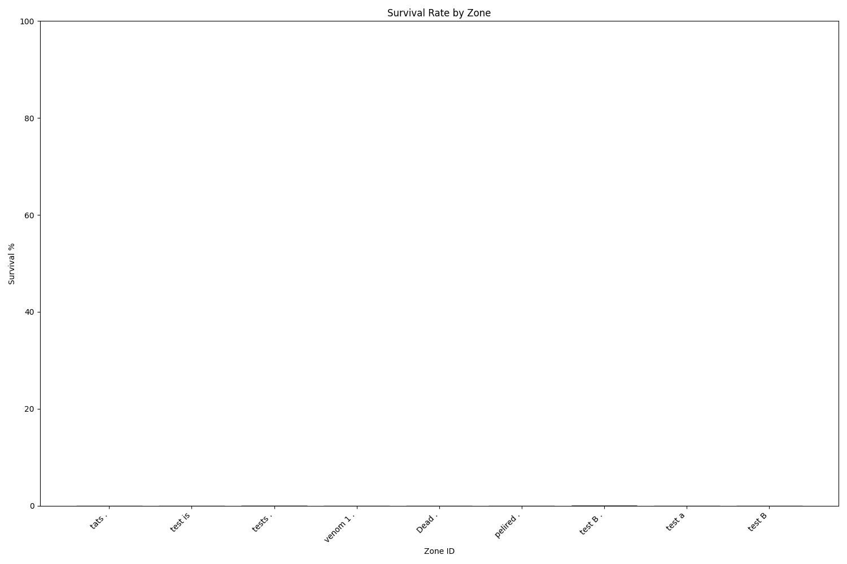
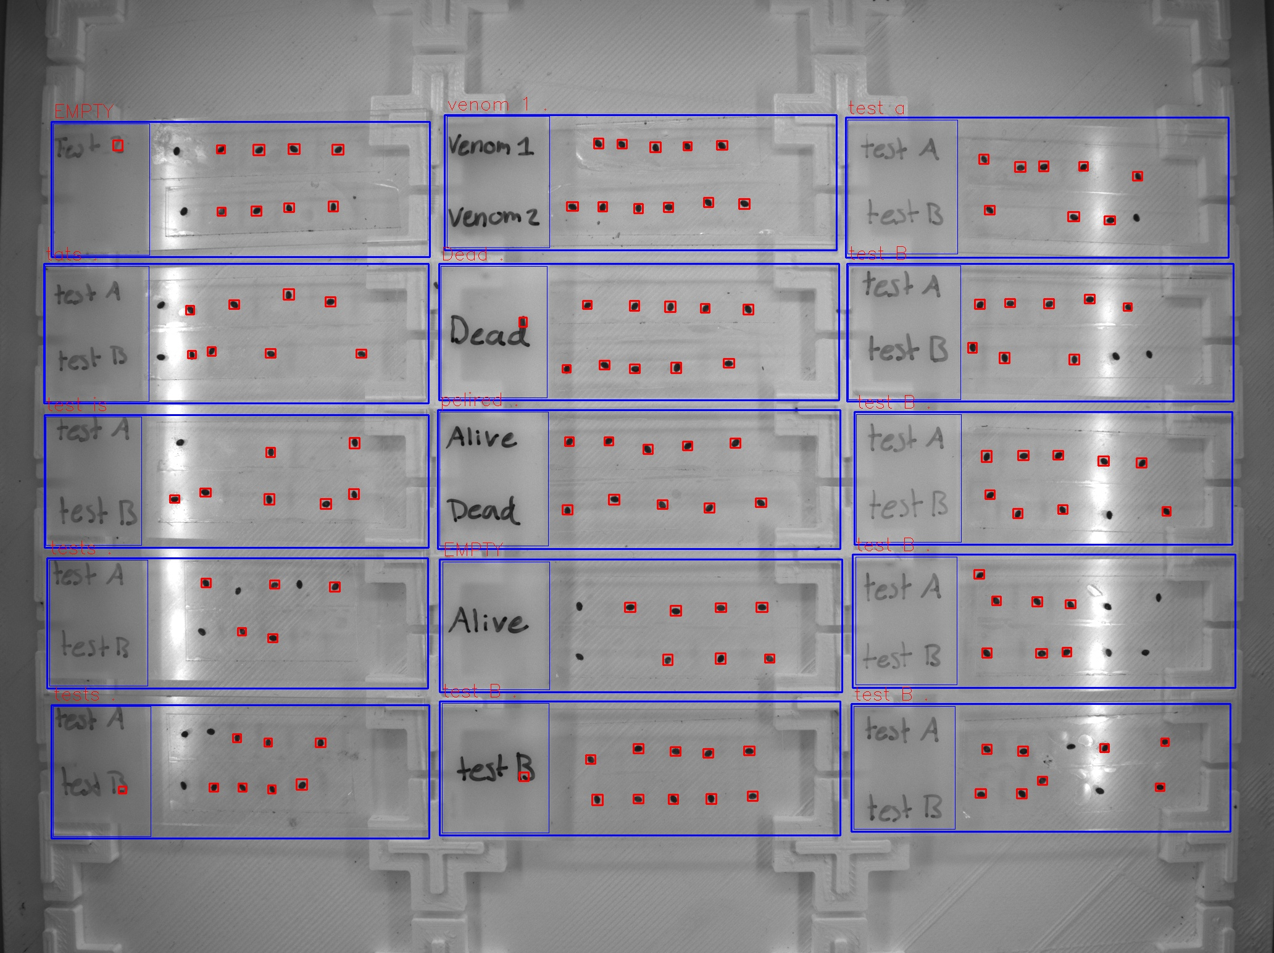
Zone ID | Total Mites | Alive Mites | Dead Mites | Survival %
tats . | 8 | 0 | 8 | 0
test is | 7 | 0 | 7 | 0
tests . | 5 | 0 | 5 | 0
tests . | 8 | 0 | 8 | 0
venom 1 . | 11 | 0 | 11 | 0
Dead . | 11 | 0 | 11 | 0
pelired . | 10 | 0 | 10 | 0
test B . | 11 | 0 | 11 | 0
test a | 8 | 0 | 8 | 0
test B | 8 | 0 | 8 | 0
test B . | 9 | 0 | 9 | 0
test B . | 7 | 0 | 7 | 0
test B . | 8 | 0 | 8 | 0

