Sheet1
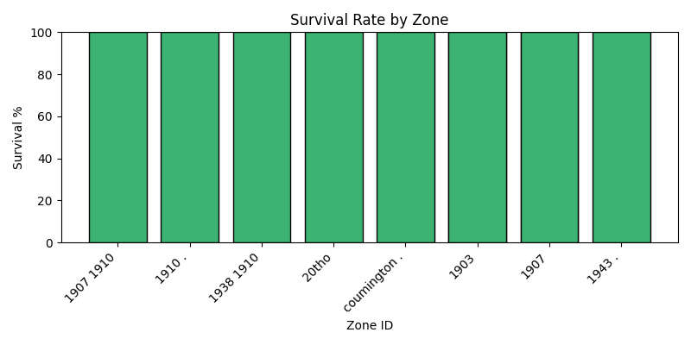
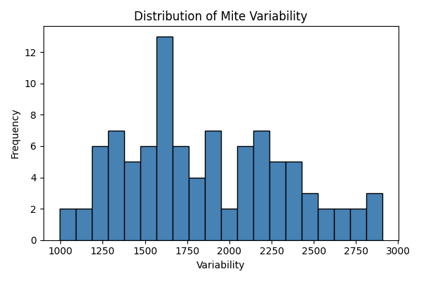
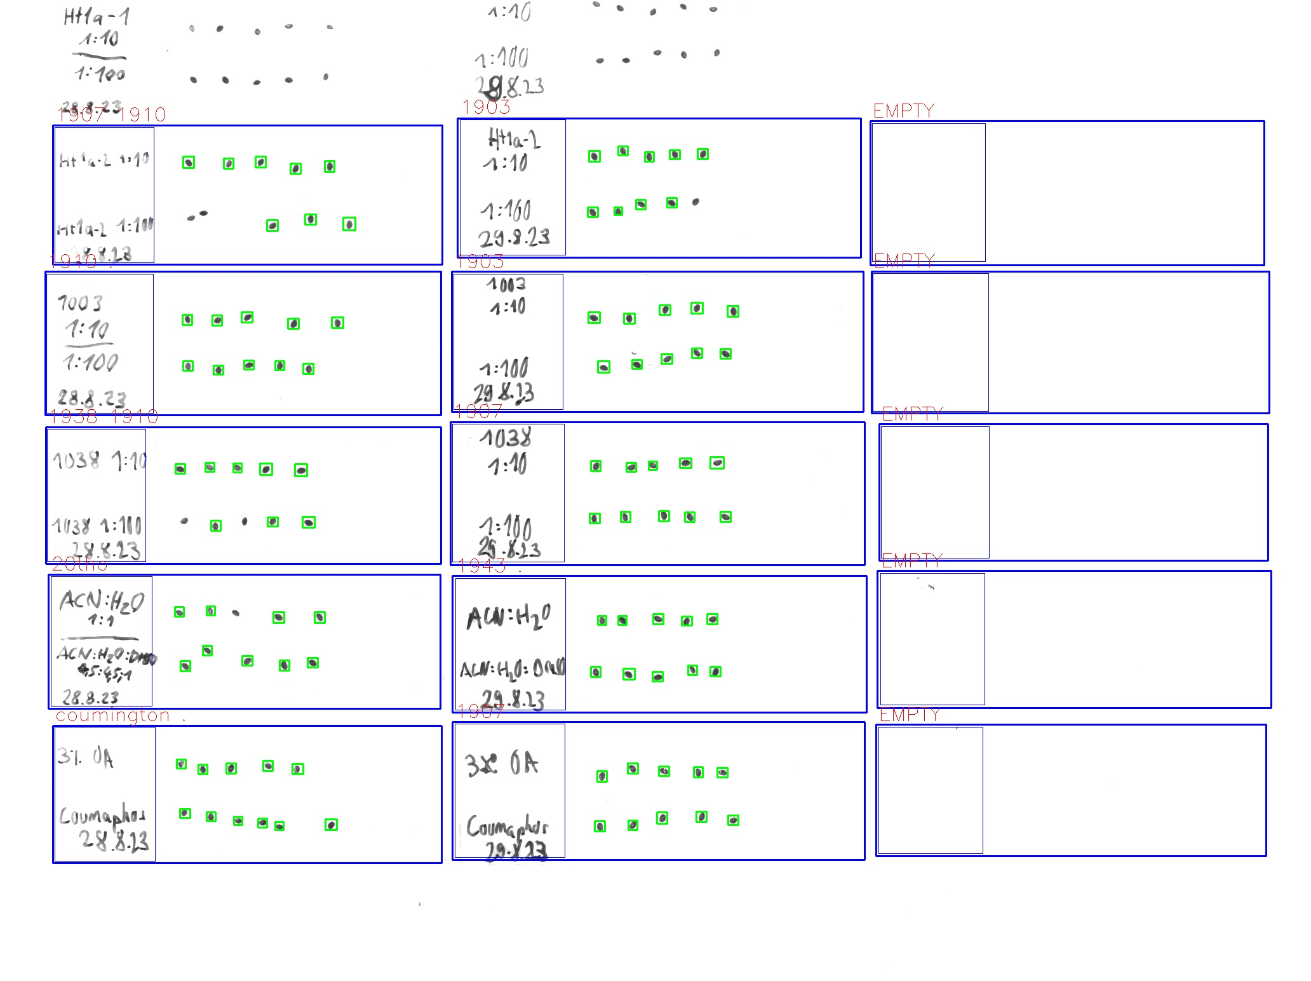
Zone ID | Total Mites | Alive Mites | Dead Mites | Survival %
1907 1910 | 8 | 8 | 0 | 100
1910 . | 10 | 10 | 0 | 100
1938 1910 | 8 | 8 | 0 | 100
20tho | 9 | 9 | 0 | 100
coumington . | 11 | 11 | 0 | 100
1903 | 9 | 9 | 0 | 100
1903 | 10 | 10 | 0 | 100
1907 | 10 | 10 | 0 | 100
1943 . | 10 | 10 | 0 | 100
1907 | 10 | 10 | 0 | 100

