Sheet1
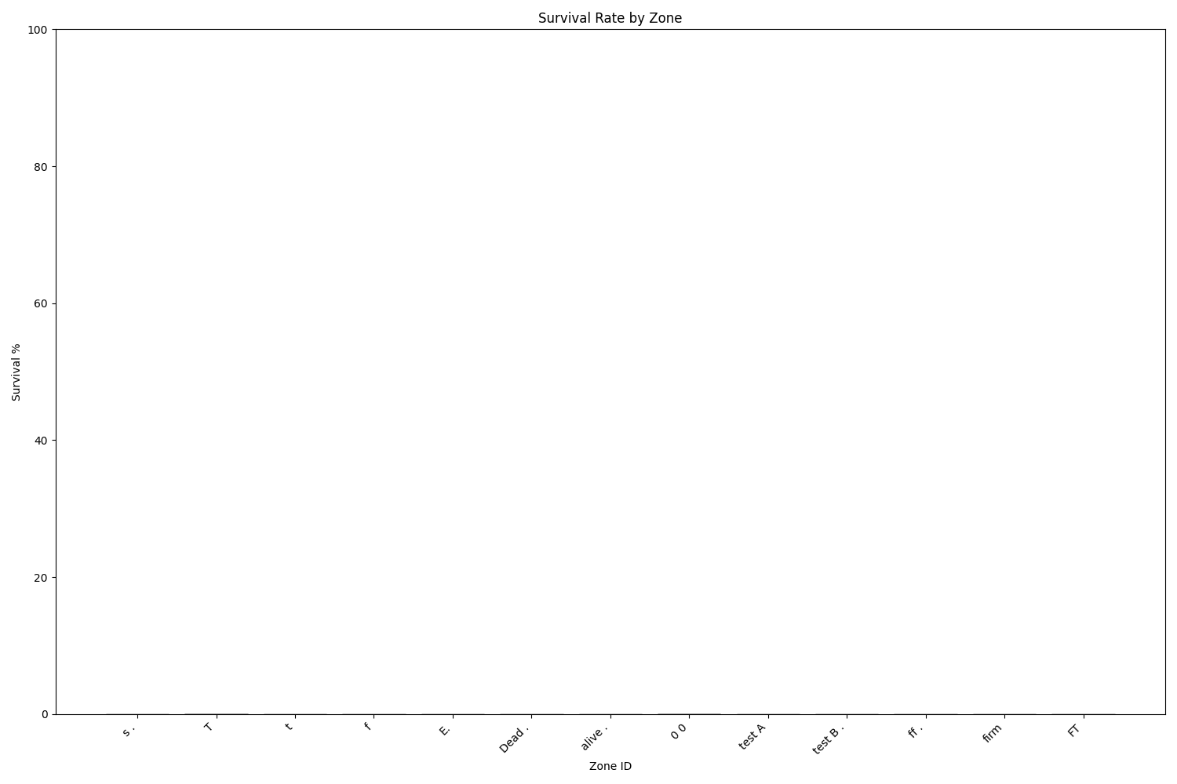
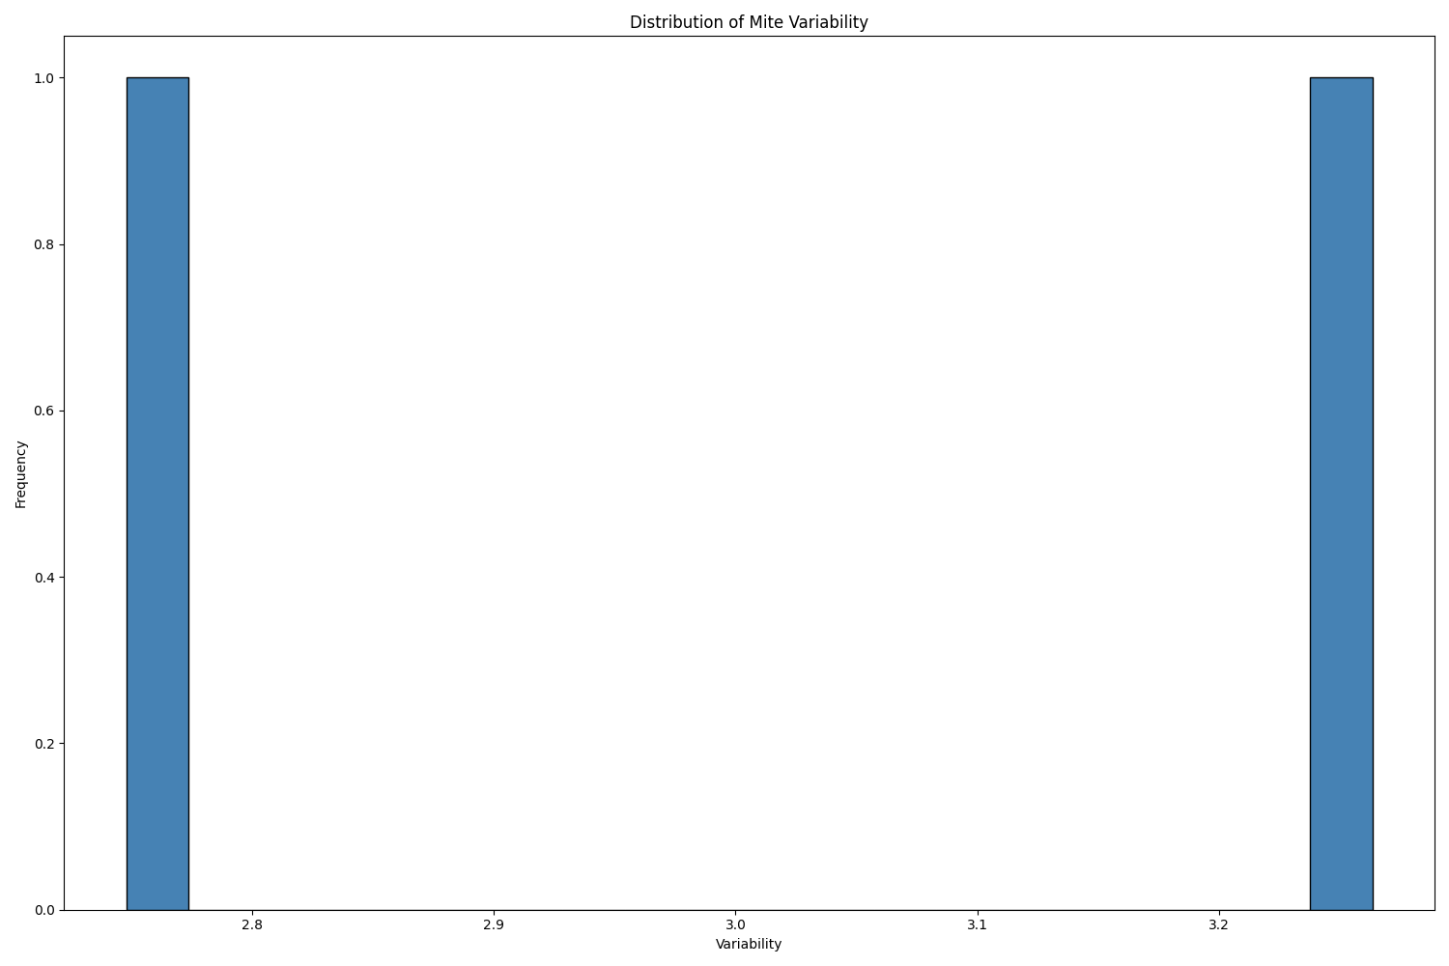
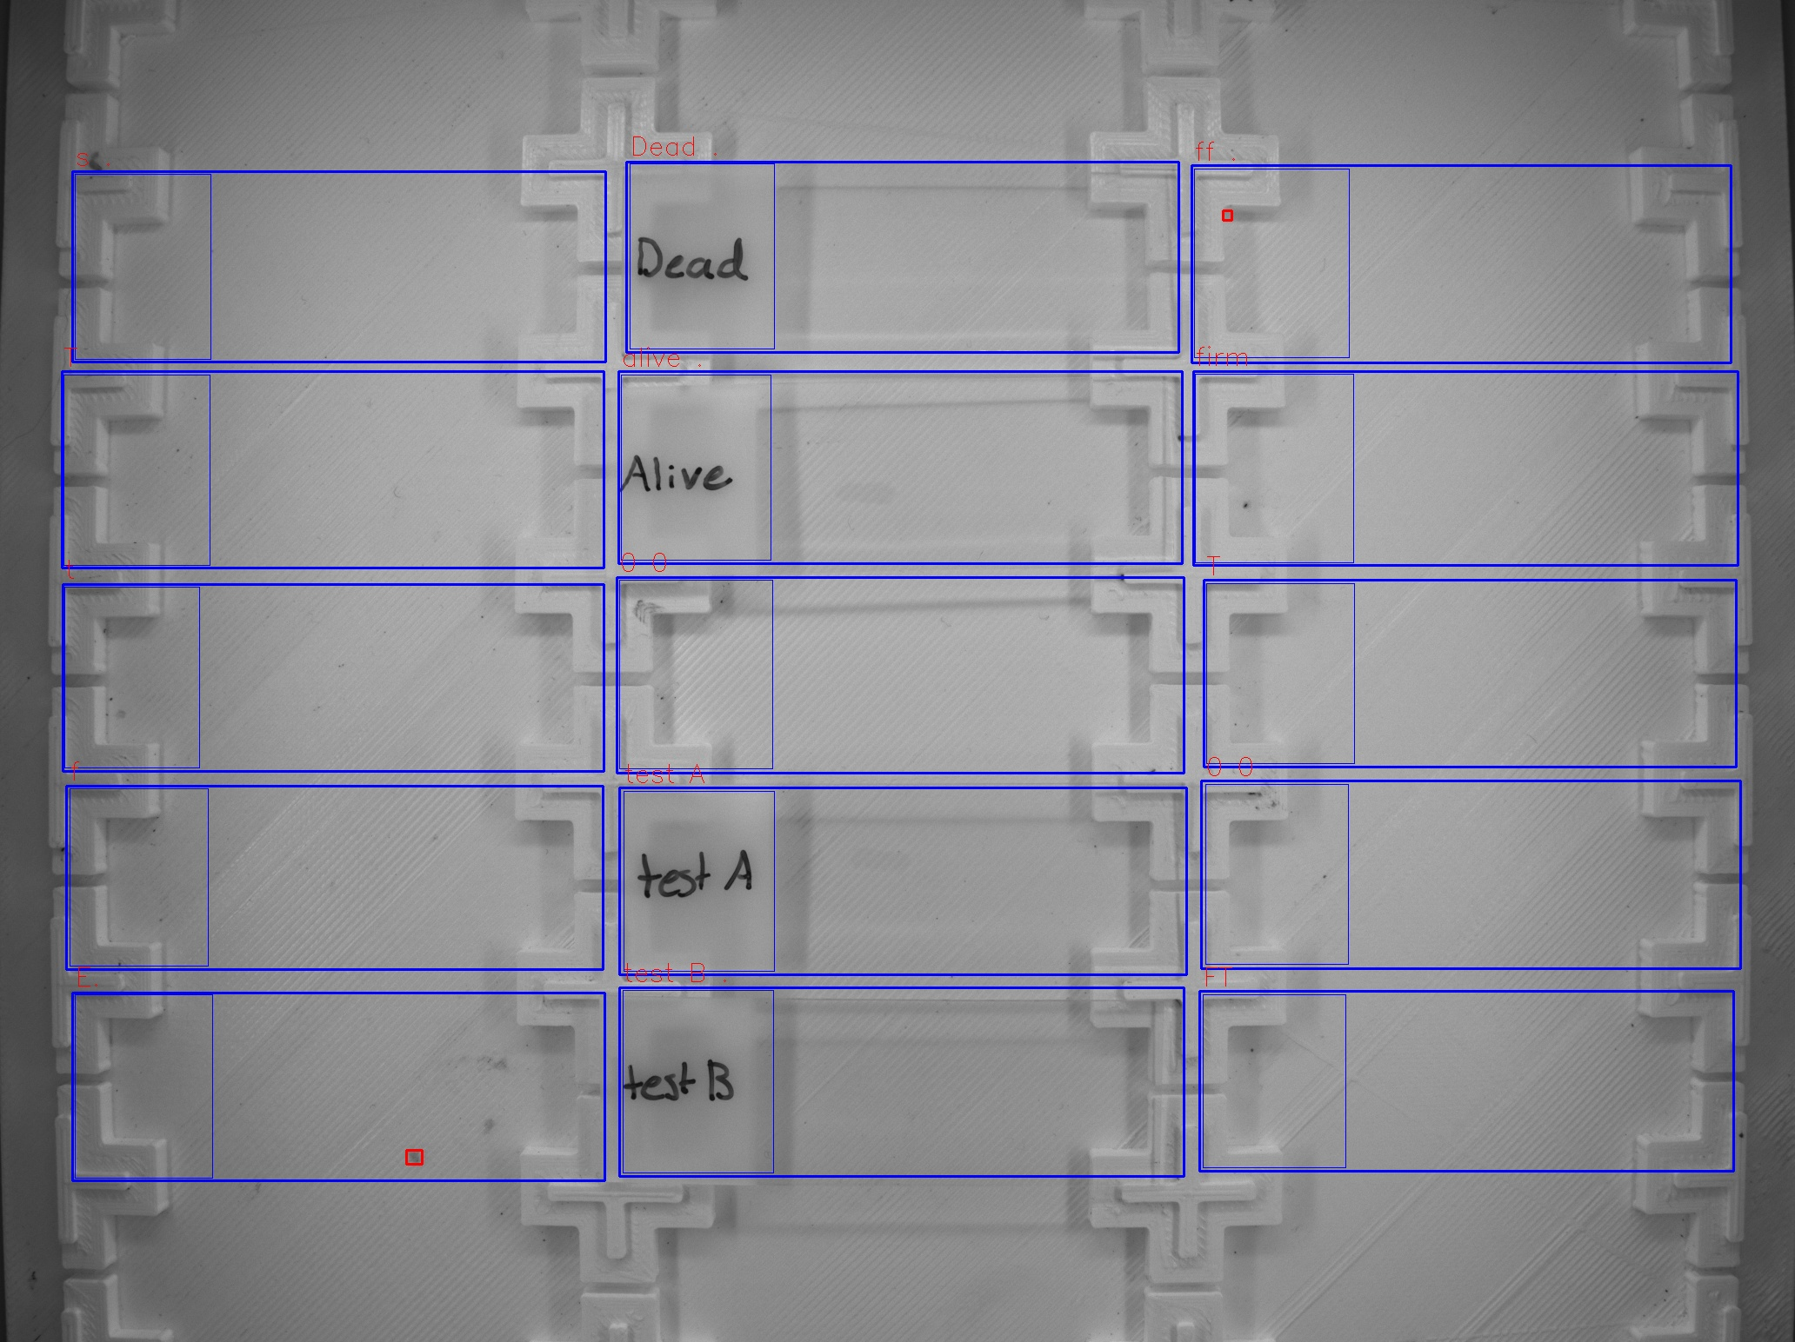
Zone ID | Total Mites | Alive Mites | Dead Mites | Survival %
s . | 0 | 0 | 0 | 0
T | 0 | 0 | 0 | 0
t | 0 | 0 | 0 | 0
f | 0 | 0 | 0 | 0
E. | 1 | 0 | 1 | 0
Dead . | 0 | 0 | 0 | 0
alive . | 0 | 0 | 0 | 0
0 0 | 0 | 0 | 0 | 0
test A | 0 | 0 | 0 | 0
test B . | 0 | 0 | 0 | 0
ff . | 1 | 0 | 1 | 0
firm | 0 | 0 | 0 | 0
T | 0 | 0 | 0 | 0
0 0 | 0 | 0 | 0 | 0
FT | 0 | 0 | 0 | 0

