Sheet1
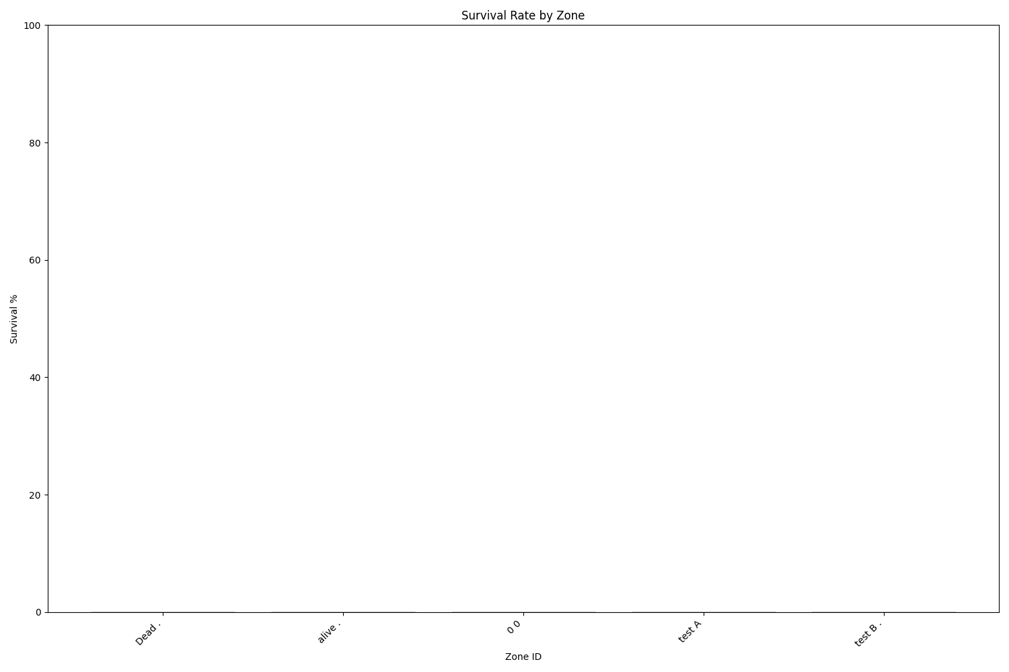
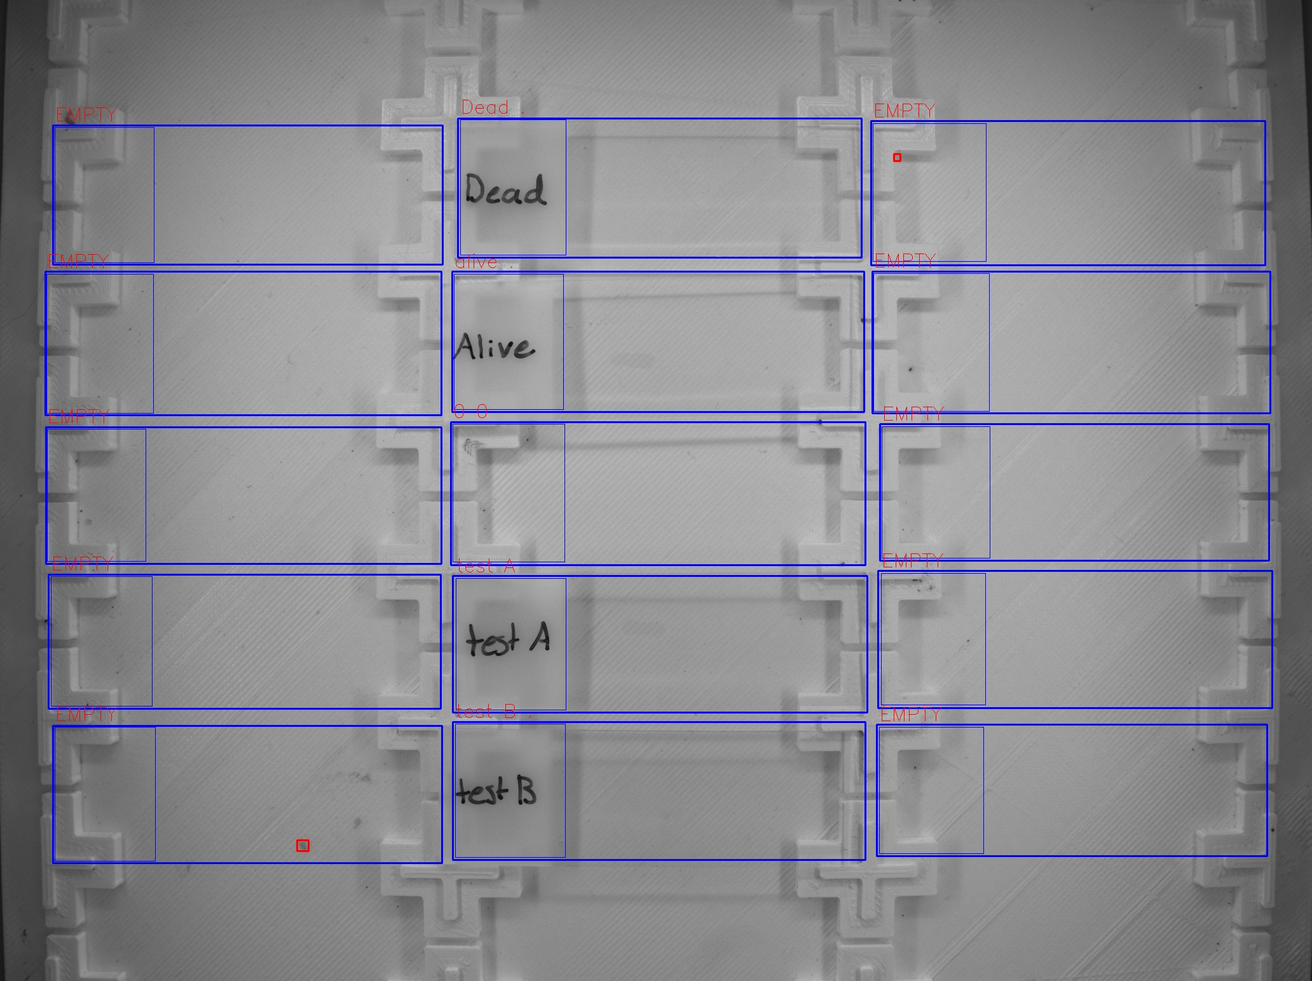
Zone ID | Total Mites | Alive Mites | Dead Mites | Survival %
Dead . | 0 | 0 | 0 | 0
alive . | 0 | 0 | 0 | 0
0 0 | 0 | 0 | 0 | 0
test A | 0 | 0 | 0 | 0
test B . | 0 | 0 | 0 | 0

