Overview
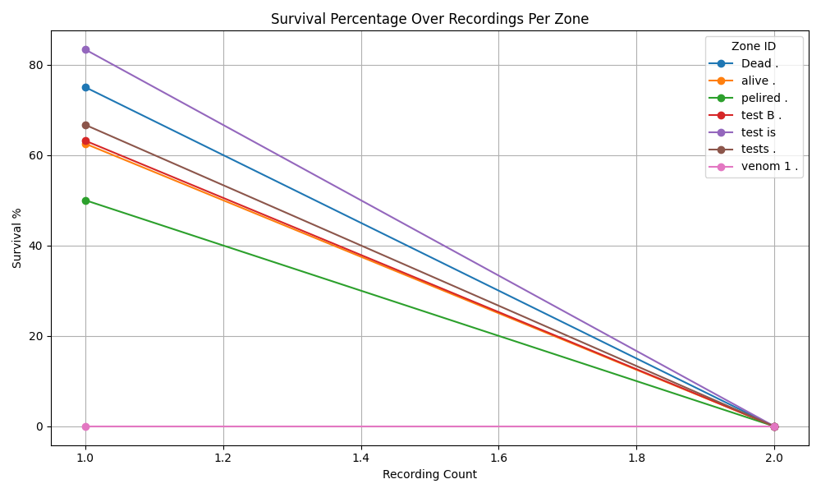

Recording 1
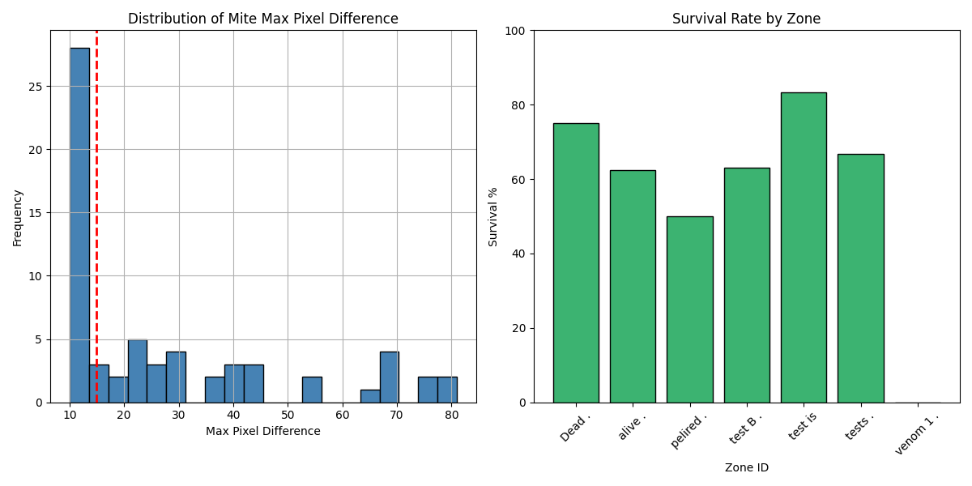
Zone ID | recording | Total Mites | Alive Mites | Dead Mites | Survival %
Dead . | 1 | 8 | 6 | 2 | 75
alive . | 1 | 8 | 5 | 3 | 62.5
pelired . | 1 | 10 | 5 | 5 | 50
test B . | 1 | 19 | 12 | 7 | 63.16
test is | 1 | 6 | 5 | 1 | 83.33
tests . | 1 | 3 | 2 | 1 | 66.67
venom 1 . | 1 | 10 | 0 | 10 | 0

Recording 2
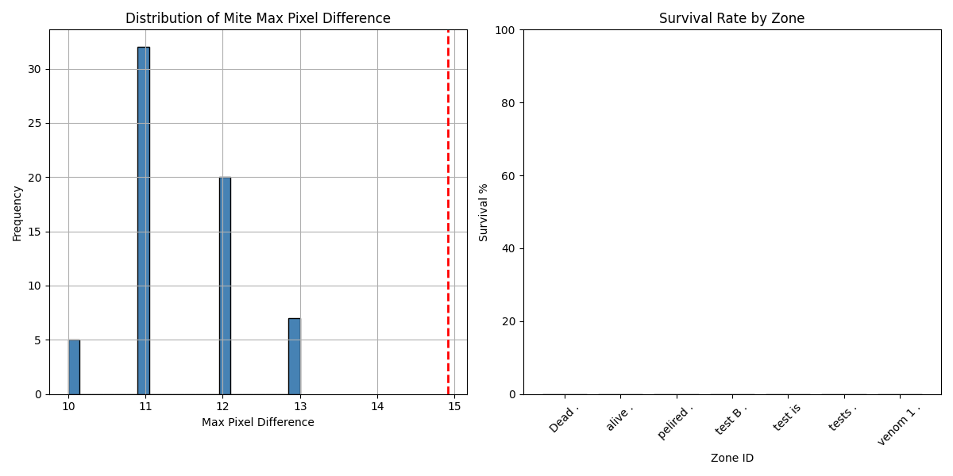
Zone ID | recording | Total Mites | Alive Mites | Dead Mites | Survival %
Dead . | 2 | 8 | 0 | 8 | 0
alive . | 2 | 8 | 0 | 8 | 0
pelired . | 2 | 10 | 0 | 10 | 0
test B . | 2 | 19 | 0 | 19 | 0
test is | 2 | 6 | 0 | 6 | 0
tests . | 2 | 3 | 0 | 3 | 0
venom 1 . | 2 | 10 | 0 | 10 | 0

