test B .
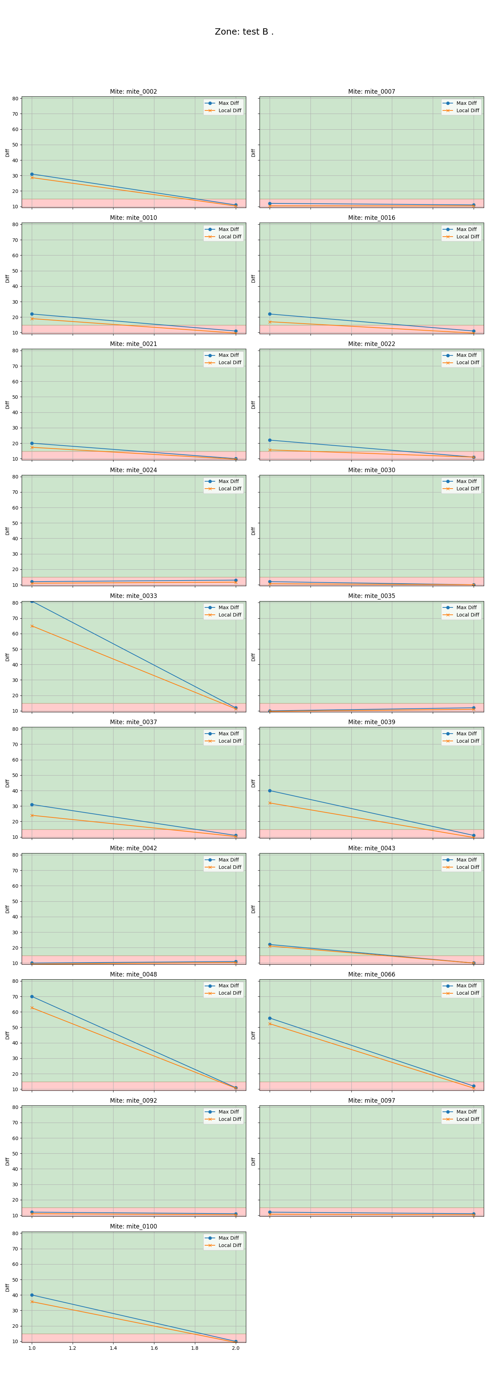
mite ID | 1 | 2
mite_0002 | alive | dead
mite_0007 | dead | dead
mite_0010 | alive | dead
mite_0016 | alive | dead
mite_0021 | alive | dead
mite_0022 | alive | dead
mite_0024 | dead | dead
mite_0030 | dead | dead
mite_0033 | alive | dead
mite_0035 | dead | dead
mite_0037 | alive | dead
mite_0039 | alive | dead
mite_0042 | dead | dead
mite_0043 | alive | dead
mite_0048 | alive | dead
mite_0066 | alive | dead
mite_0092 | dead | dead
mite_0097 | dead | dead
mite_0100 | alive | dead

test is
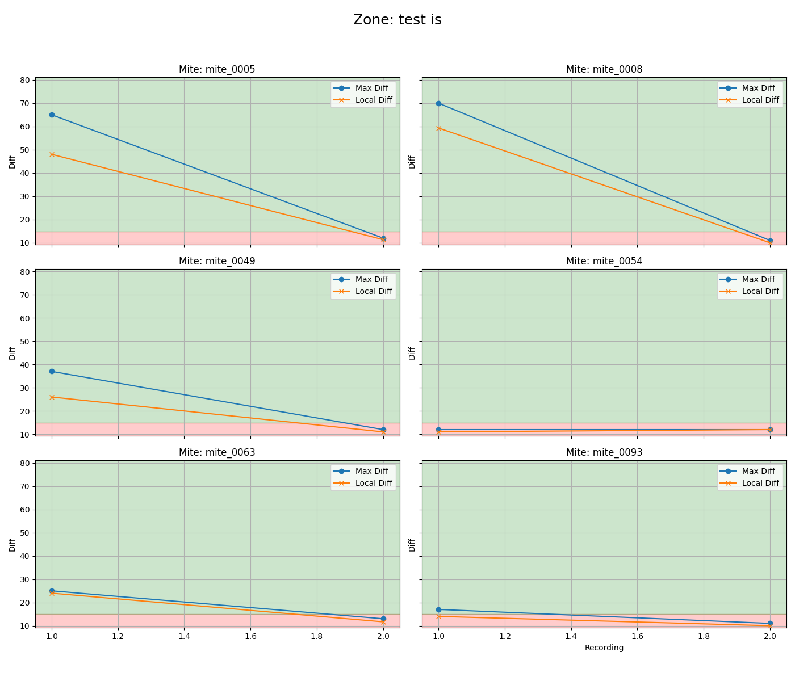
mite ID | 1 | 2
mite_0005 | alive | dead
mite_0008 | alive | dead
mite_0049 | alive | dead
mite_0054 | dead | dead
mite_0063 | alive | dead
mite_0093 | alive | dead

venom 1 .
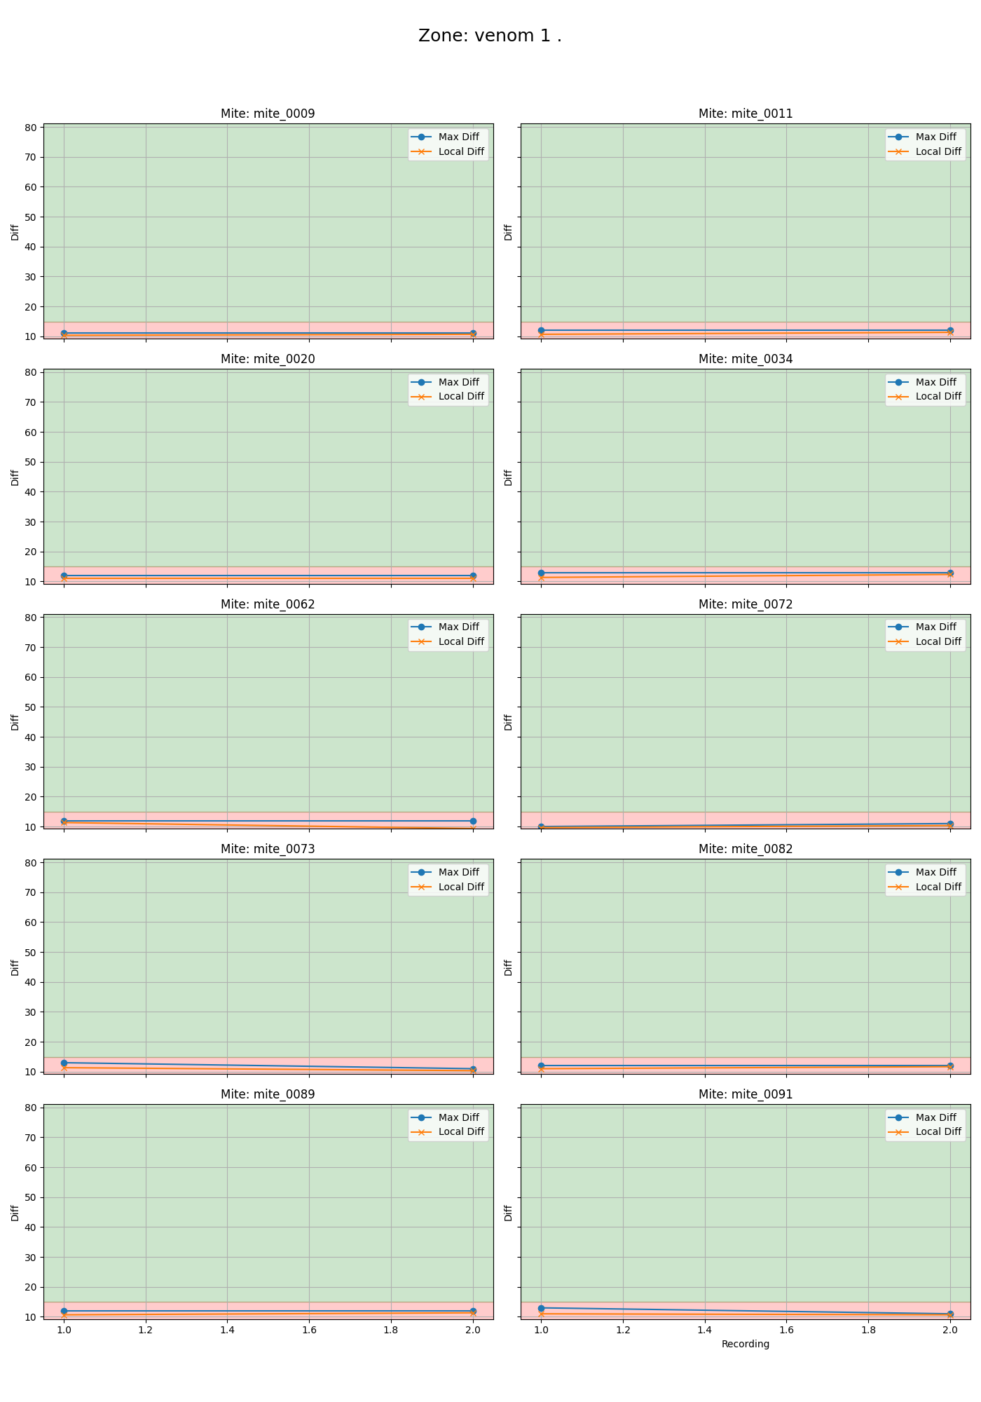
mite ID | 1 | 2
mite_0009 | dead | dead
mite_0011 | dead | dead
mite_0020 | dead | dead
mite_0034 | dead | dead
mite_0062 | dead | dead
mite_0072 | dead | dead
mite_0073 | dead | dead
mite_0082 | dead | dead
mite_0089 | dead | dead
mite_0091 | dead | dead

pelired .
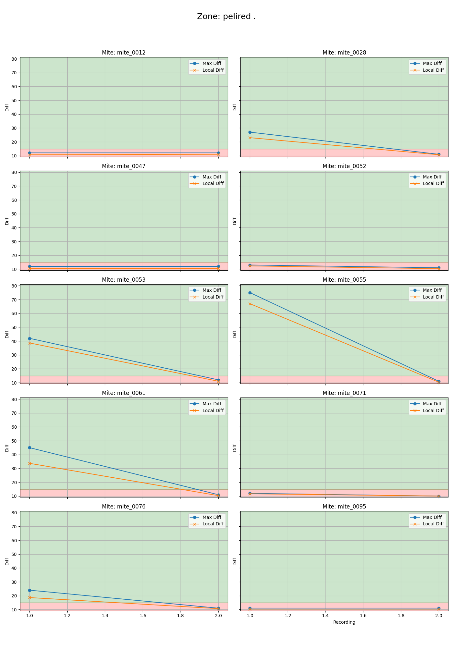
mite ID | 1 | 2
mite_0012 | dead | dead
mite_0028 | alive | dead
mite_0047 | dead | dead
mite_0052 | dead | dead
mite_0053 | alive | dead
mite_0055 | alive | dead
mite_0061 | alive | dead
mite_0071 | dead | dead
mite_0076 | alive | dead
mite_0095 | dead | dead

alive .
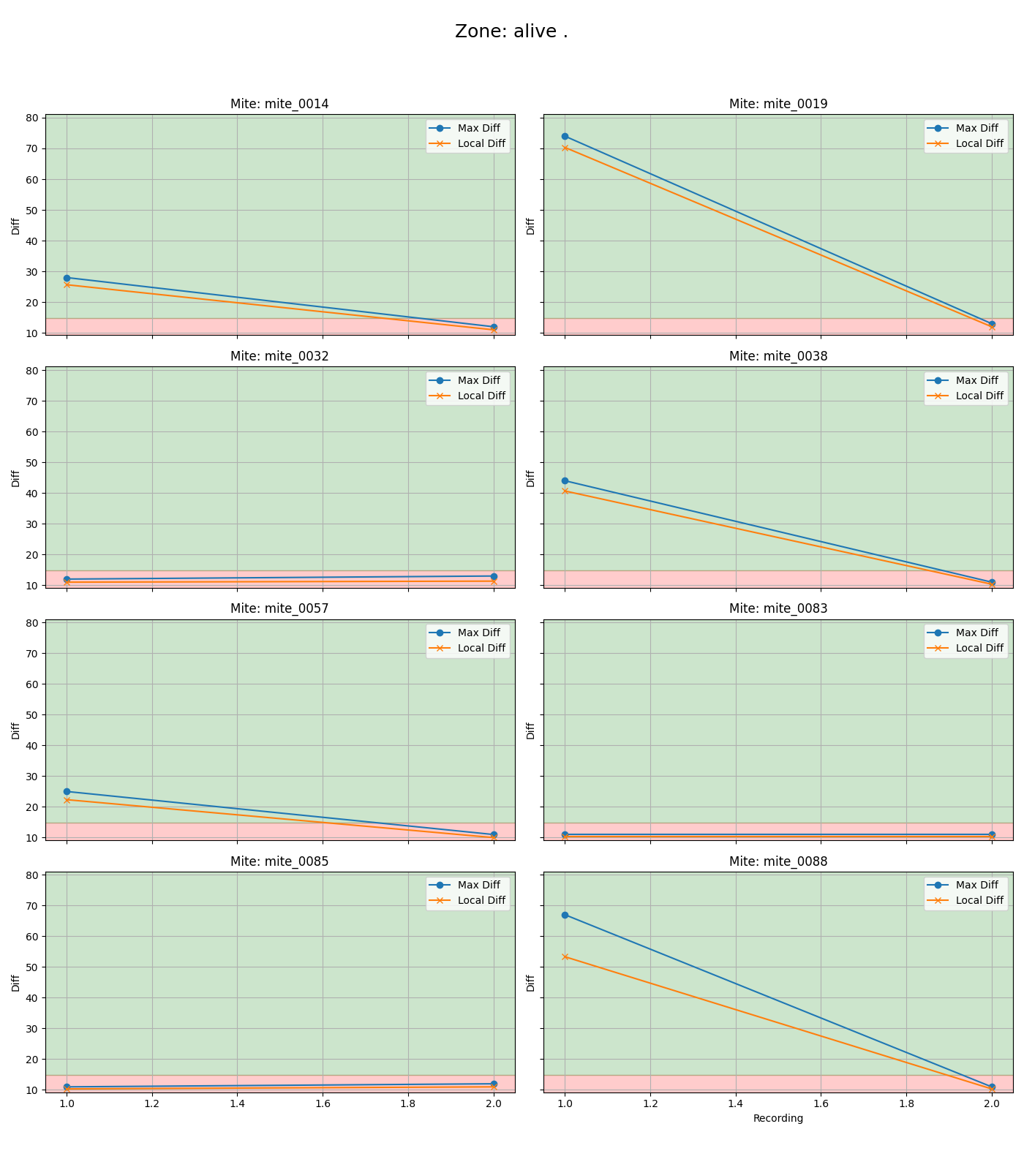
mite ID | 1 | 2
mite_0014 | alive | dead
mite_0019 | alive | dead
mite_0032 | dead | dead
mite_0038 | alive | dead
mite_0057 | alive | dead
mite_0083 | dead | dead
mite_0085 | dead | dead
mite_0088 | alive | dead

tests .
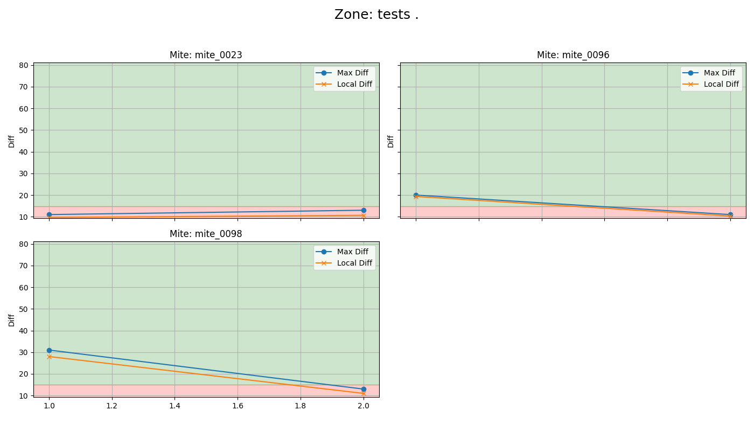
mite ID | 1 | 2
mite_0023 | dead | dead
mite_0096 | alive | dead
mite_0098 | alive | dead

Dead .
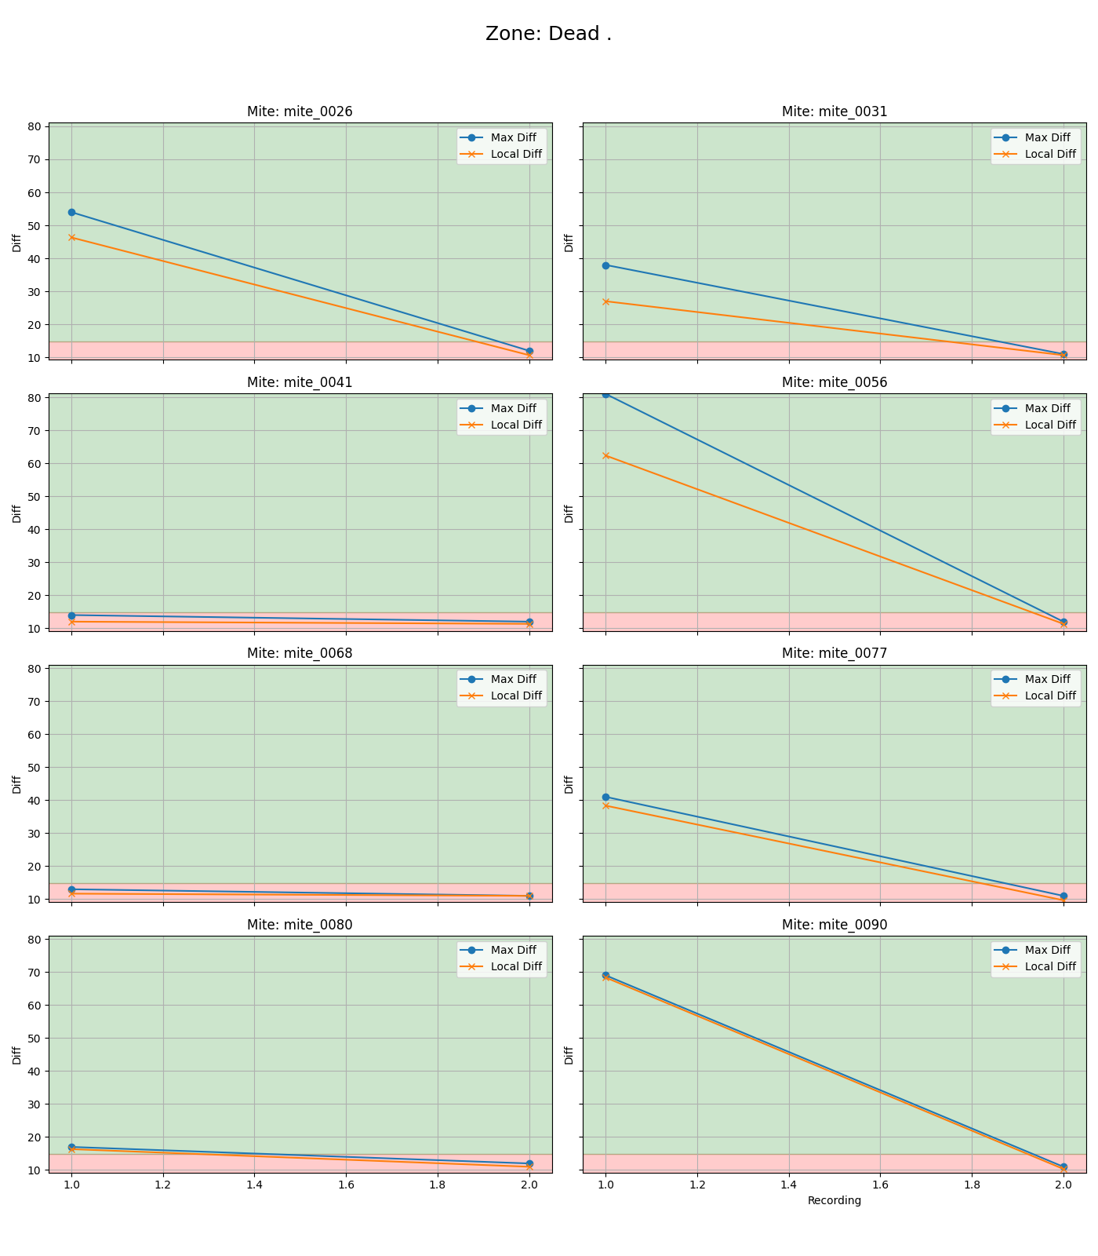
mite ID | 1 | 2
mite_0026 | alive | dead
mite_0031 | alive | dead
mite_0041 | dead | dead
mite_0056 | alive | dead
mite_0068 | dead | dead
mite_0077 | alive | dead
mite_0080 | alive | dead
mite_0090 | alive | dead

