Overview
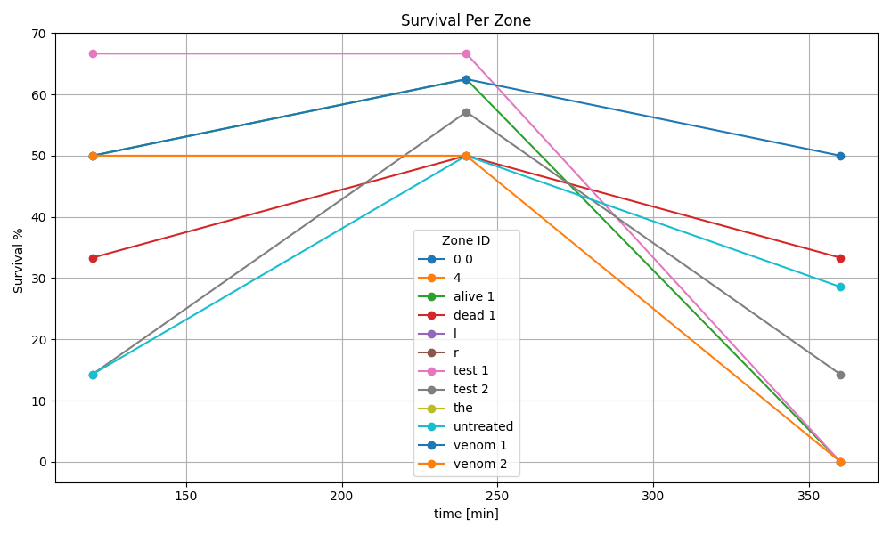

Recording 1
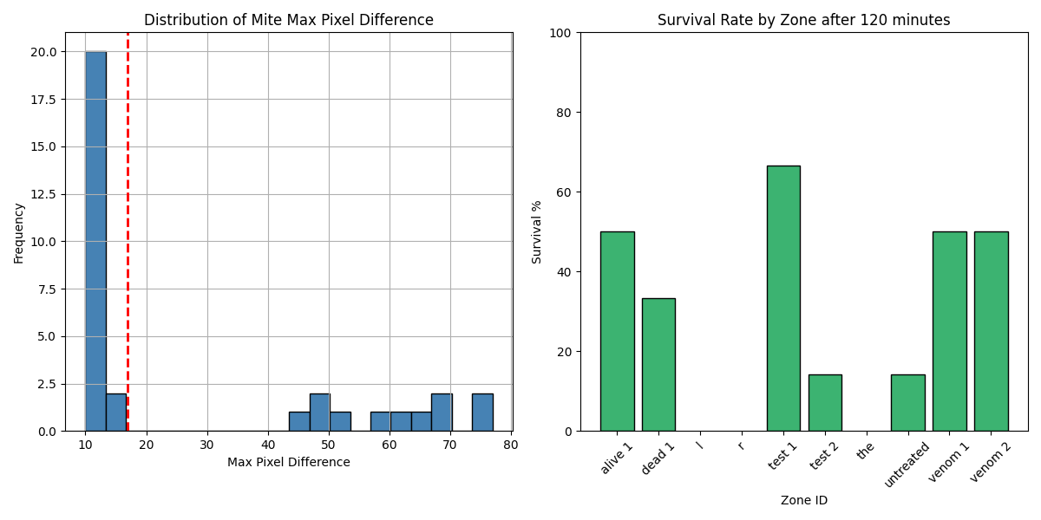
Zone ID | recording | Total Mites | Alive Mites | Dead Mites | Survival %
0 0 | 1 | 0 | 0 | 0
4 | 1 | 0 | 0 | 0
alive 1 | 1 | 4 | 2 | 2 | 50
dead 1 | 1 | 6 | 2 | 4 | 33.33
l | 1 | 0 | 0 | 0
r | 1 | 0 | 0 | 0
test 1 | 1 | 3 | 2 | 1 | 66.67
test 2 | 1 | 7 | 1 | 6 | 14.29
the | 1 | 0 | 0 | 0
untreated | 1 | 7 | 1 | 6 | 14.29
venom 1 | 1 | 4 | 2 | 2 | 50
venom 2 | 1 | 2 | 1 | 1 | 50

Recording 2
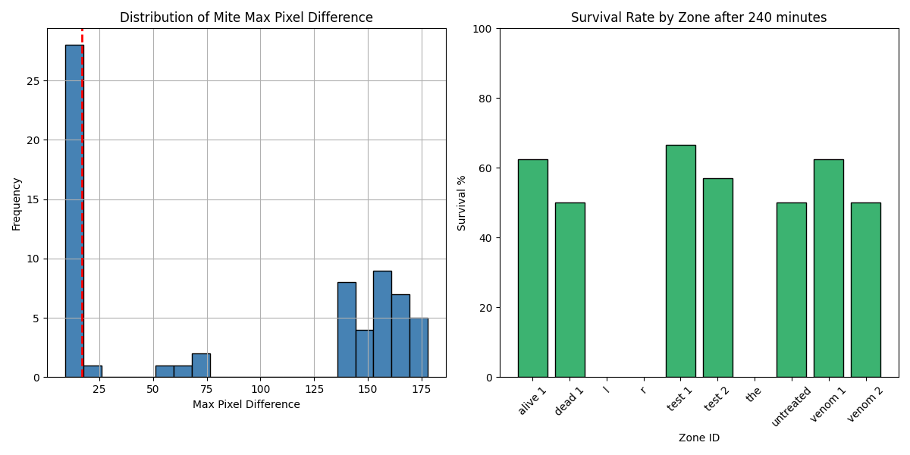
Zone ID | recording | Total Mites | Alive Mites | Dead Mites | Survival %
0 0 | 2 | 0 | 0 | 0
4 | 2 | 0 | 0 | 0
alive 1 | 2 | 8 | 5 | 3 | 62.5
dead 1 | 2 | 12 | 6 | 6 | 50
l | 2 | 0 | 0 | 0
r | 2 | 0 | 0 | 0
test 1 | 2 | 6 | 4 | 2 | 66.67
test 2 | 2 | 14 | 8 | 6 | 57.14
the | 2 | 0 | 0 | 0
untreated | 2 | 14 | 7 | 7 | 50
venom 1 | 2 | 8 | 5 | 3 | 62.5
venom 2 | 2 | 4 | 2 | 2 | 50

Recording 3
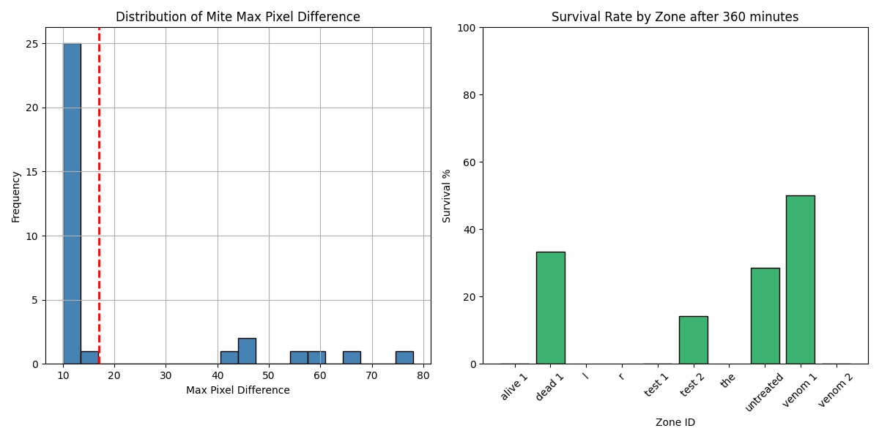
Zone ID | recording | Total Mites | Alive Mites | Dead Mites | Survival %
0 0 | 3 | 0 | 0 | 0
4 | 3 | 0 | 0 | 0
alive 1 | 3 | 4 | 0 | 4 | 0
dead 1 | 3 | 6 | 2 | 4 | 33.33
l | 3 | 0 | 0 | 0
r | 3 | 0 | 0 | 0
test 1 | 3 | 3 | 0 | 3 | 0
test 2 | 3 | 7 | 1 | 6 | 14.29
the | 3 | 0 | 0 | 0
untreated | 3 | 7 | 2 | 5 | 28.57
venom 1 | 3 | 4 | 2 | 2 | 50
venom 2 | 3 | 2 | 0 | 2 | 0

