Overview
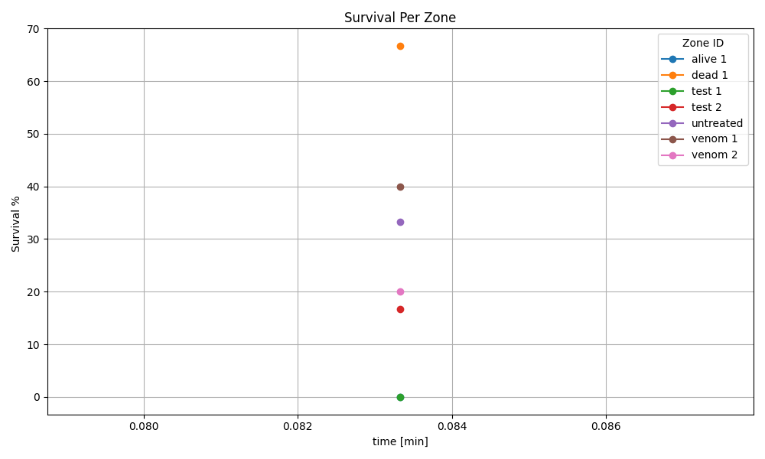

Recording 1
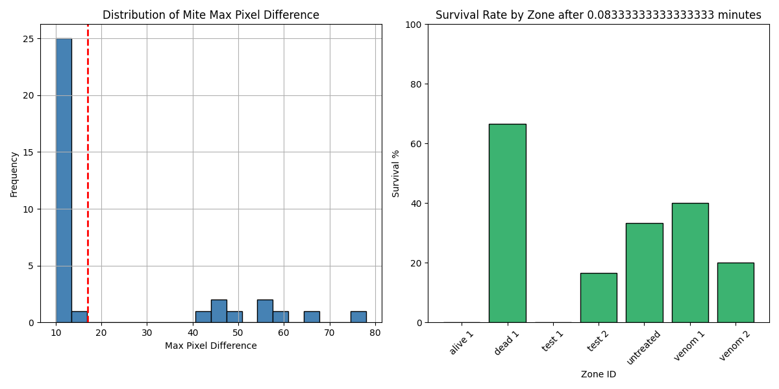
Zone ID | recording | Total Mites | Alive Mites | Dead Mites | Survival %
alive 1 | 1 | 3 | 0 | 3 | 0
dead 1 | 1 | 3 | 2 | 1 | 66.67
test 1 | 1 | 4 | 0 | 4 | 0
test 2 | 1 | 6 | 1 | 5 | 16.67
untreated | 1 | 9 | 3 | 6 | 33.33
venom 1 | 1 | 5 | 2 | 3 | 40
venom 2 | 1 | 5 | 1 | 4 | 20

