test 2
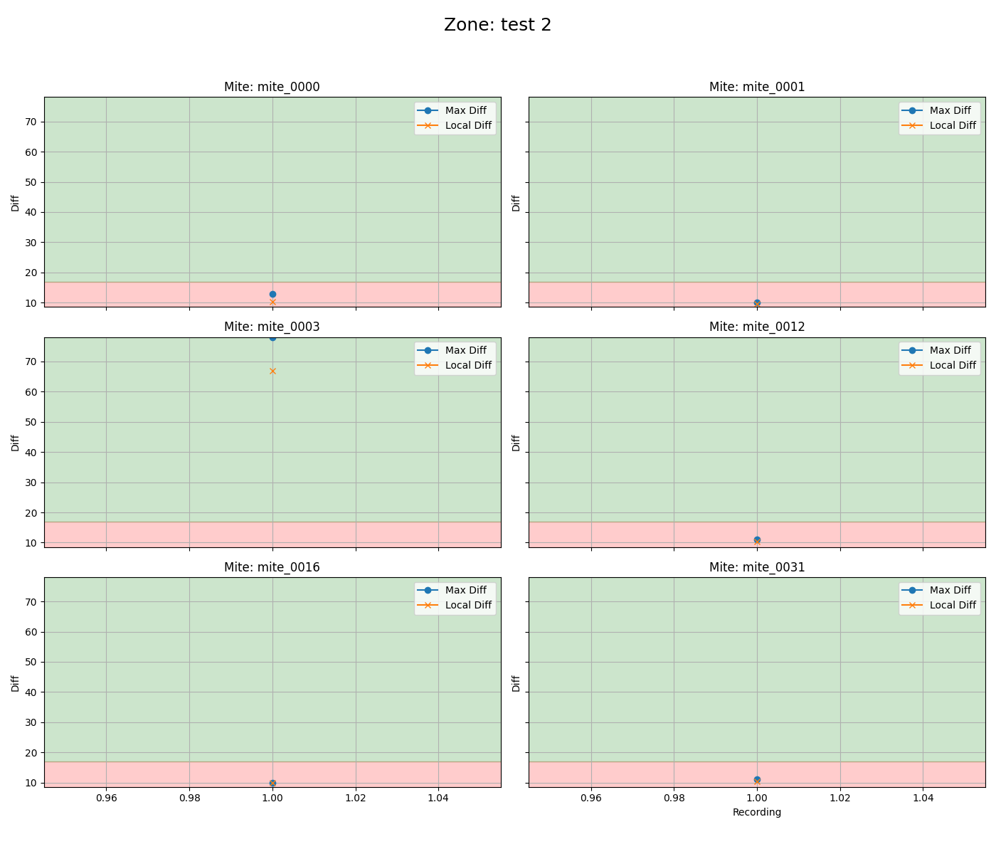
mite ID | 1
mite_0000 | dead
mite_0001 | dead
mite_0003 | alive
mite_0012 | dead
mite_0016 | dead
mite_0031 | dead

alive 1
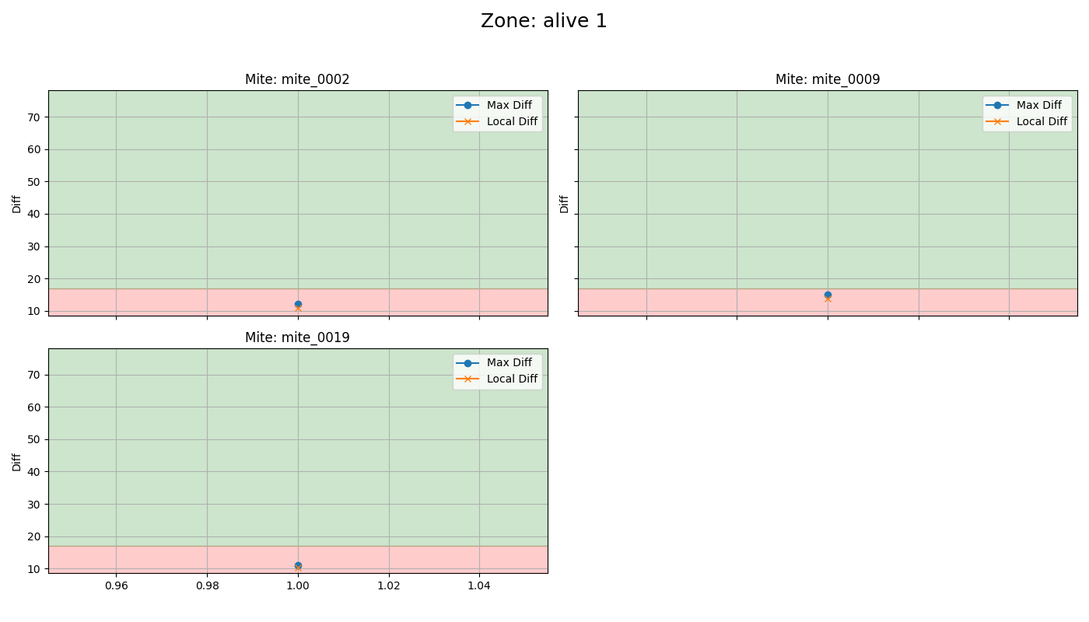
mite ID | 1
mite_0002 | dead
mite_0009 | dead
mite_0019 | dead

venom 2
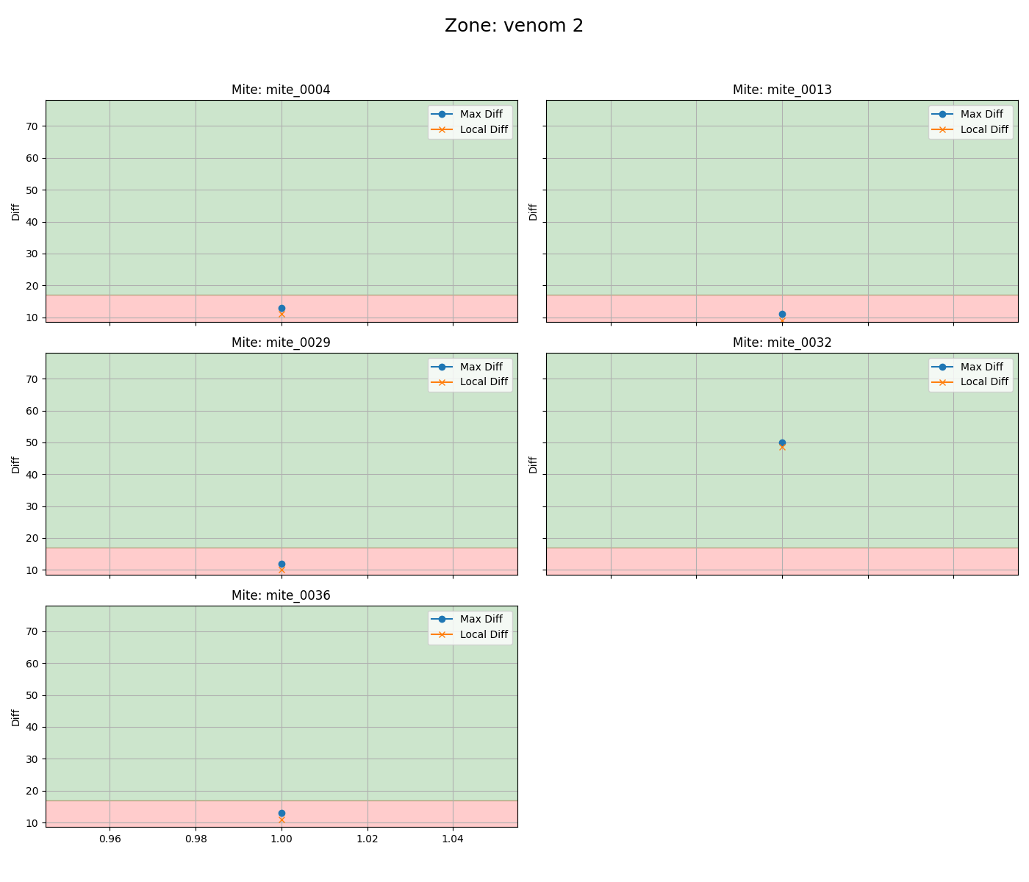
mite ID | 1
mite_0004 | dead
mite_0013 | dead
mite_0029 | dead
mite_0032 | alive
mite_0036 | dead

untreated
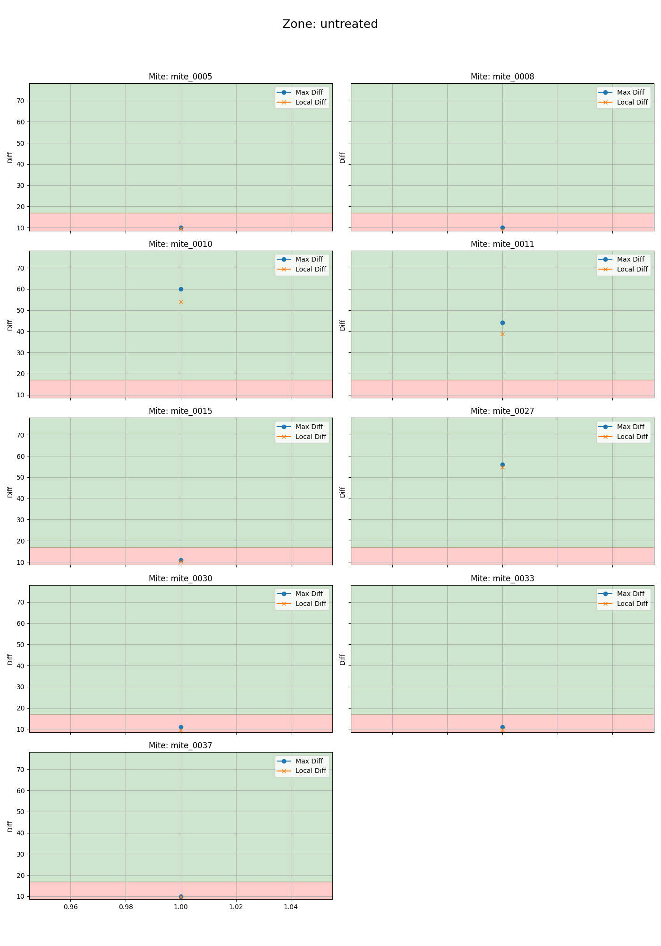
mite ID | 1
mite_0005 | dead
mite_0008 | dead
mite_0010 | alive
mite_0011 | alive
mite_0015 | dead
mite_0027 | alive
mite_0030 | dead
mite_0033 | dead
mite_0037 | dead

venom 1

mite ID | 1
mite_0006 | alive
mite_0014 | dead
mite_0018 | dead
mite_0020 | alive
mite_0035 | dead

test 1
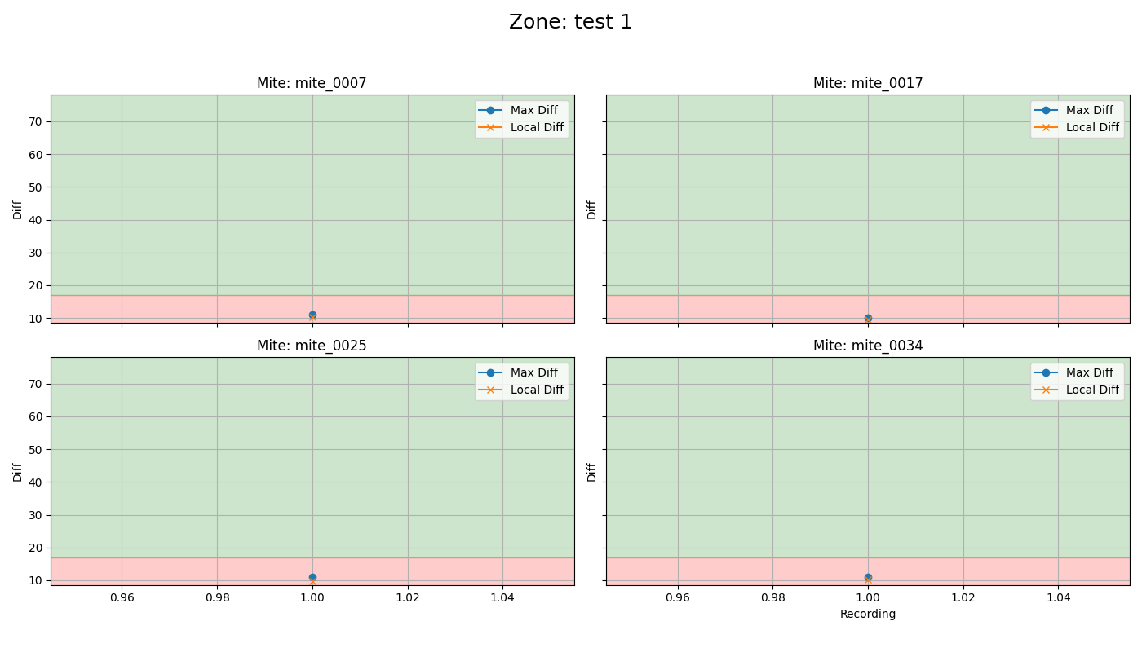
mite ID | 1
mite_0007 | dead
mite_0017 | dead
mite_0025 | dead
mite_0034 | dead

dead 1
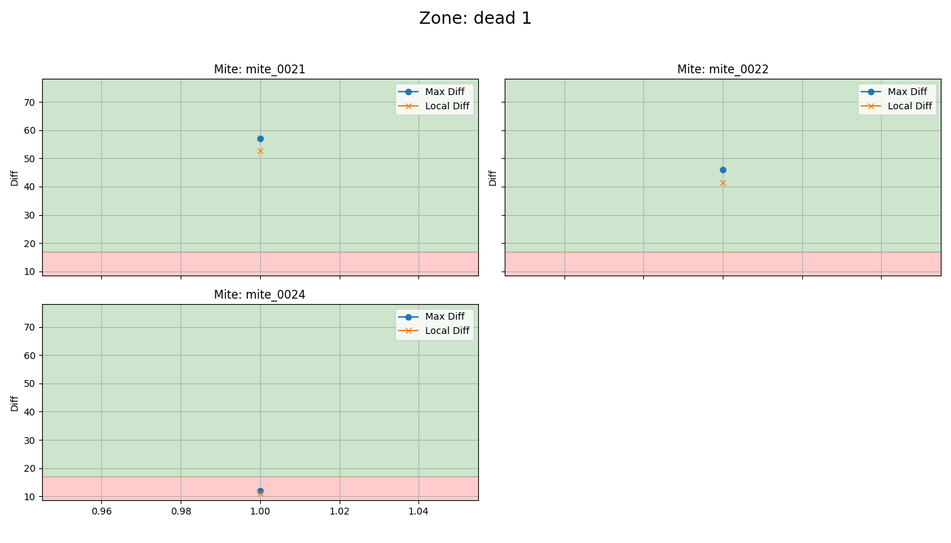
mite ID | 1
mite_0021 | alive
mite_0022 | alive
mite_0024 | dead

