Sheet1
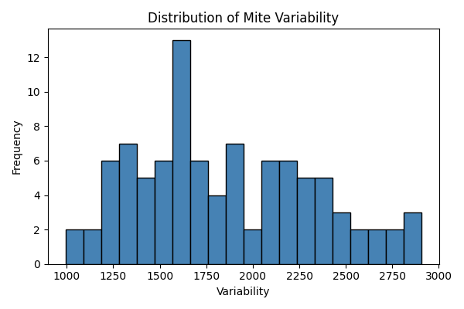
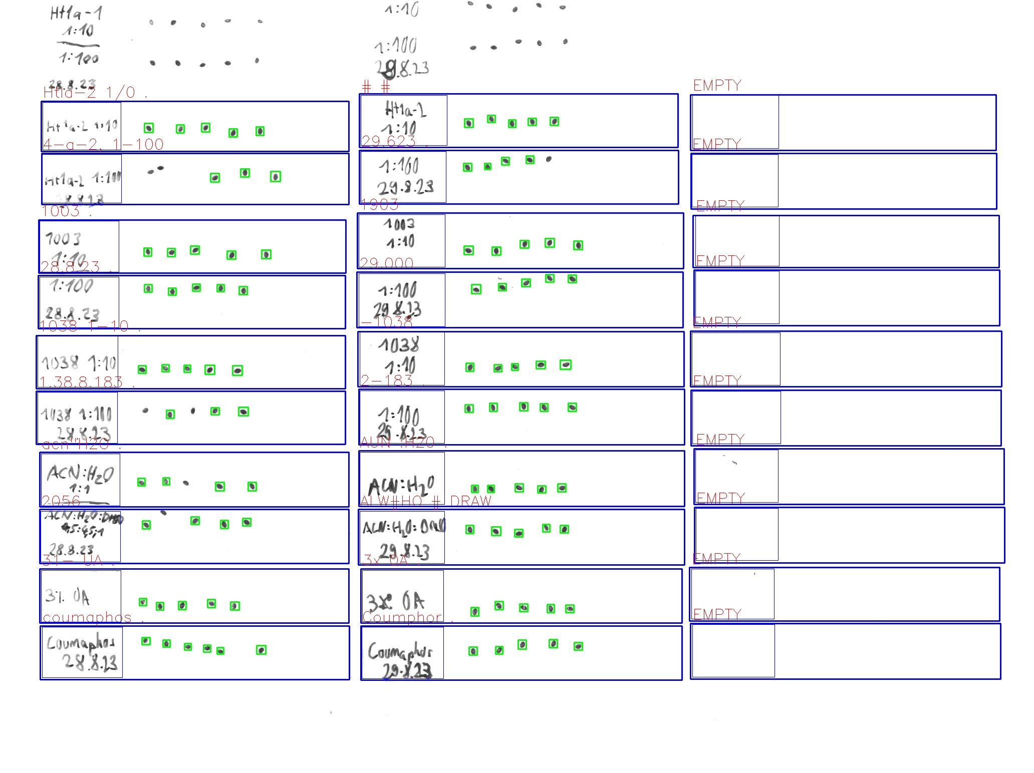
Zone ID | Total Mites | Alive Mites | Dead Mites | Survival %
Htla-2 1/0 . | 5 | 5 | 0 | 100
4-a-2, 1-100 | 3 | 3 | 0 | 100
28.8.23 . | 5 | 5 | 0 | 100
1003 . | 5 | 5 | 0 | 100
1.38.8.183 . | 3 | 3 | 0 | 100
1038 1-10 . | 5 | 5 | 0 | 100
2056 | 4 | 4 | 0 | 100
acn"H2O . | 4 | 4 | 0 | 100
coumaphos . | 6 | 6 | 0 | 100
31- UA . | 5 | 5 | 0 | 100
29.623 . | 4 | 4 | 0 | 100
# # | 5 | 5 | 0 | 100
29.000 | 5 | 5 | 0 | 100
1903 | 5 | 5 | 0 | 100
2-183 . | 5 | 5 | 0 | 100
-1038 | 5 | 5 | 0 | 100
ALW#HO # DRAW | 5 | 5 | 0 | 100
AUN :H20 . | 5 | 5 | 0 | 100
Coumphor . | 5 | 5 | 0 | 100
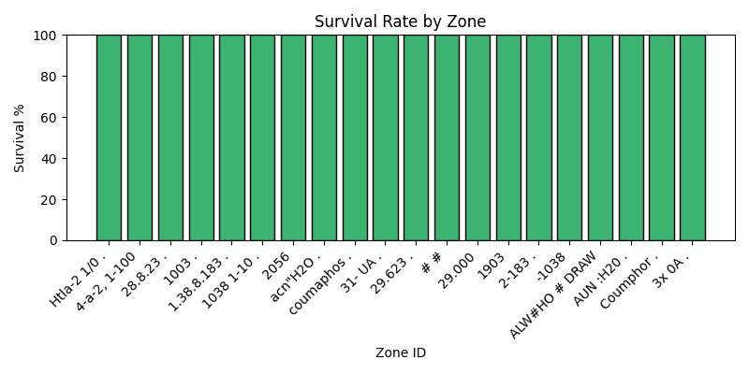
3x 0A . | 5 | 5 | 0 | 100

