stones
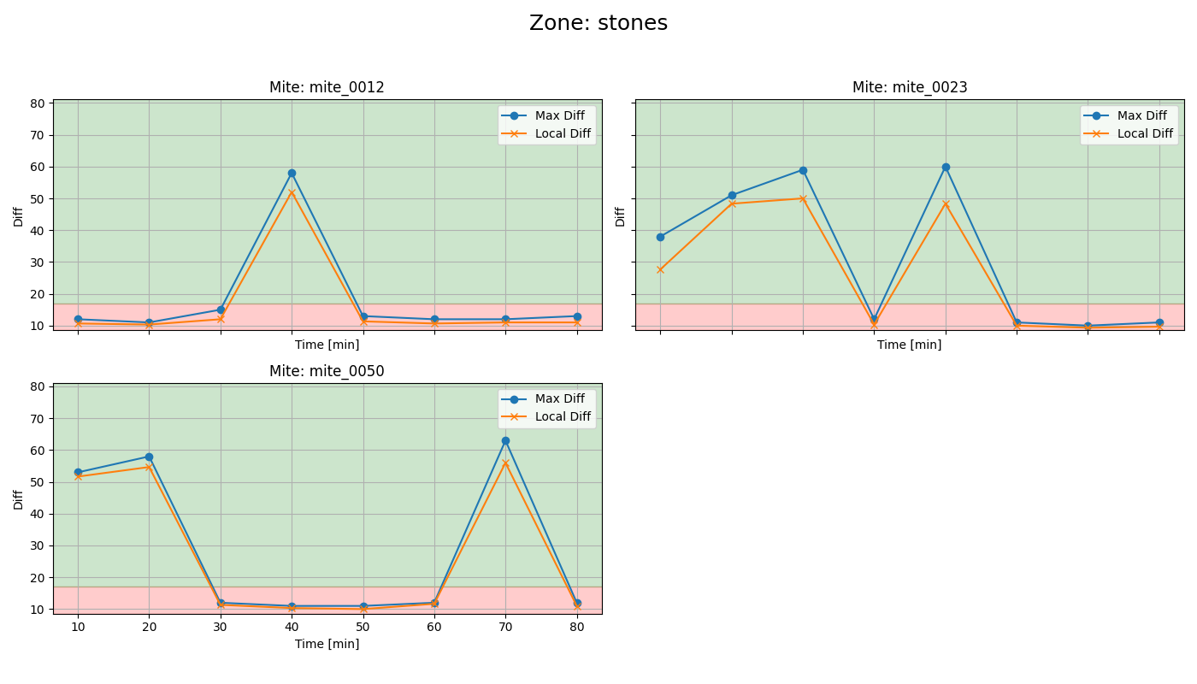
mite ID | 1 | 2 | 3 | 4 | 5 | 6 | 7 | 8 | first recording detections
mite_0012 | dead | dead | dead | alive | dead | dead | dead | dead
mite_0023 | alive | alive | alive | dead | alive | dead | dead | dead
mite_0050 | alive | alive | dead | dead | dead | dead | alive | dead

town
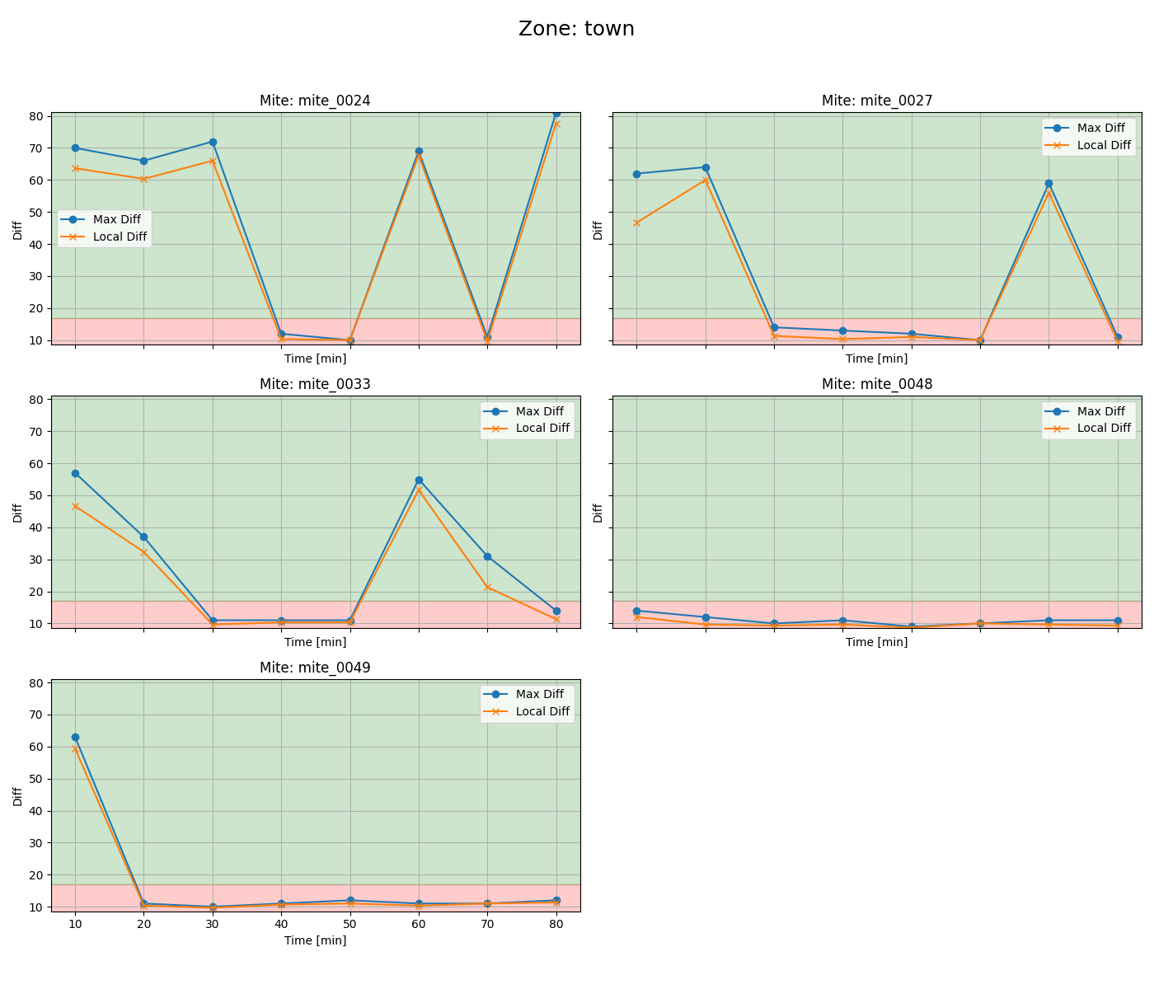
mite ID | 1 | 2 | 3 | 4 | 5 | 6 | 7 | 8 | first recording detections
mite_0024 | alive | alive | alive | dead | dead | alive | dead | alive
mite_0027 | alive | alive | dead | dead | dead | dead | alive | dead
mite_0033 | alive | alive | dead | dead | dead | alive | alive | dead
mite_0048 | dead | dead | dead | dead | dead | dead | dead | dead
mite_0049 | alive | dead | dead | dead | dead | dead | dead | dead

